03|12PM
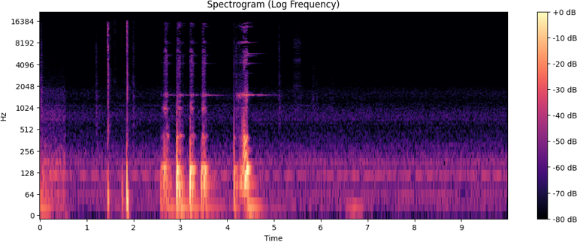
Max magnitude: | 1910.2
Frequency (Hz): | 140.0

Peak Amplitude (db): | 308.3
RMS Amplitude (db): | 13.3

03|13PM

Max magnitude: | 2015.6
Frequency (Hz): | 139.9

Peak Amplitude (db): | 320.4
RMS Amplitude (db): | 14.0

03|20PM
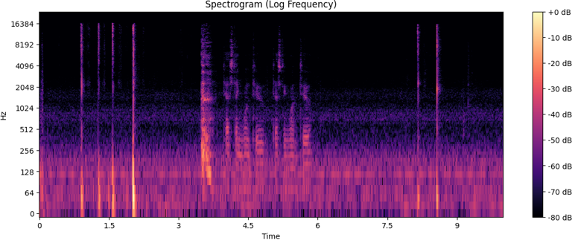
Max magnitude: | 699.0
Frequency (Hz): | 55.3

Peak Amplitude (db): | 287.7
RMS Amplitude (db): | 5.3

