09|17AM
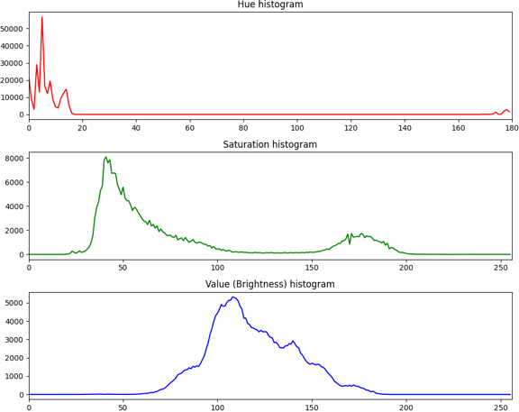
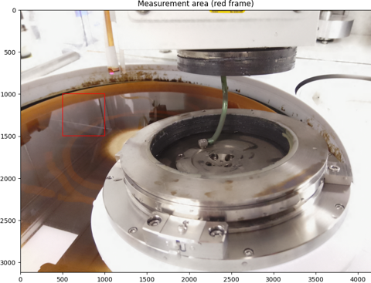
Average HSV |  |  |  |  | Average RGB
H | S | V | S% | V% | R | G | B
21.8 | 13.3 | 181.8 | 5.2% | 71.3% | 181 | 25 | 81

