Sales Dash
Sales Dashboard

Orders by State
Orders By Customer Type
Number of Orders by State
VIC | 289
NSW | 646
WA | 104

Number of Orders by Customer Type
Home Office | 264
Consumer | 177
Small Business | 221
Corporate | 377

Orders Quantity Over 40 | 238

Sales by Account Manager
Sales by Account Manager | Total | 2013 | 2014 | 2015 | 2016 | Trend
Connor Betts | $135,493.75 | $8,706.86 | $27,899.61 | $41,877.79 | $47,802.91
Stevie Bacata | $6,771.19 | $5,695.66 | $130.74 | $455.70 | $446.06
Natasha Song | $120,790.29 | $16,049.81 | $61,179.23 | $21,588.62 | $20,619.86
Tina Carlton | $119,236.70 | $21,750.56 | $42,012.13 | $27,110.00 | $27,979.72
Nicholas Fernandes | $64,114.24 | $7,613.94 | $6,856.23 | $20,874.77 | $27,226.54
Mihael Khan | $84,170.63 | $5,150.16 | $6,707.86 | $68,219.16 | $2,807.28
Leighton Forrest | $86,080.42 | $6,351.31 | $14,097.03 | $31,907.88 | $26,818.29
Charlie Bui | $55,738.25 | $5,187.71 | $33,803.76 | $13,366.22 | $2,722.21
Yvette Biti | $148,146.81 | $41,077.48 | $56,246.56 | $35,551.66 | $14,032.22
Samantha Chairs | $79,645.75 | $14,278.11 | $15,766.07 | $38,901.42 | $10,683.49
Aanya Zhang | $69,318.89 | $20,296.34 | $4,190.56 | $2,993.35 | $41,701.22
Radhya Staples | $72,189.38 | $3,991.80 | $36,284.86 | $21,313.69 | $10,599.03
Preston Senome | $18,350.05 | $538.94 | $3,959.57 | $6,498.43 | $7,353.10
Phoebe Gour | $78,760.56 | $15,062.10 | $10,097.45 | $22,104.25 | $31,496.77

Orders by Year and State | NSW | VIC | WA | Sales Total
2013 | 138 | 66 | 17 | 171750.79886
2014 | 147 | 70 | 25 | 319231.6595
2015 | 162 | 89 | 27 | 352762.9462
2016 | 181 | 59 | 33 | 272288.6962
2017 | 18 | 5 | 2 | 22772.8288

Sales Trends
Sales Trends

Trends
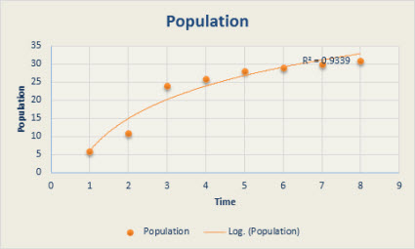
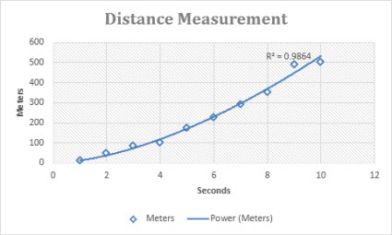
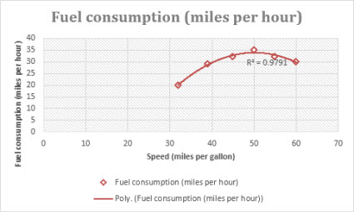
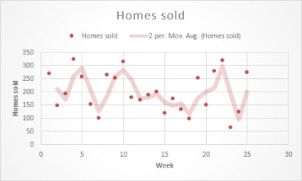
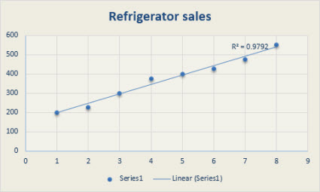
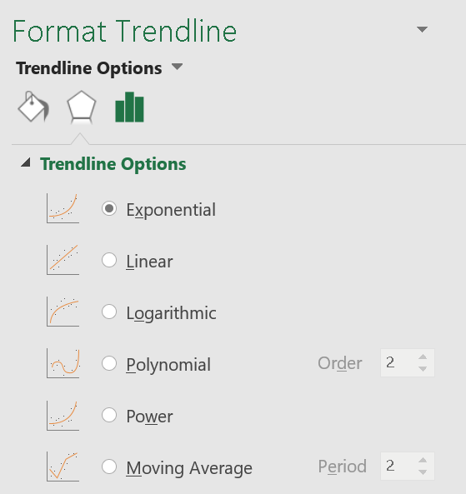
Years | Stock Price
2006 | 320
2007 | 505
2008 | 848
2009 | 1776
2010 | 3456
2011 | 6912
2012 | 13952
2013 | 26112
2014 | 53760

