Sheet2
<html "header"> <div class="header-container"> <div class="image-container"></div> <div class="button-container"></div> </div> | 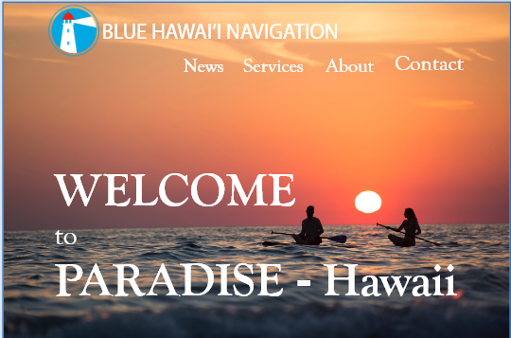
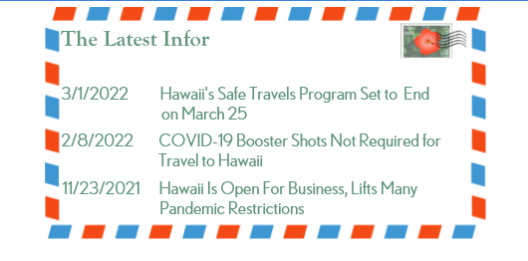 <div class="hero"></div> <div class="news"></div> <div class="news-container"> <img src="envelop.png" class="envelop"> <img src="stamp-hibiscus.png" class="hibiscus"> <img src="stamp2" class="stamp2"> |  | The Latest Information
 |  | 2022-03-01 | Hawaii's Safe Travels Program Set to End <Read more> on March 25
 |  | 2022-02-08 | Covid-19 Booster Shots Not Required for <Read more> Travel to Hawaii
 |  | 2021-11-23 | Hawaii Is Open For Business, Lifts Many Pandemic Restrictions <Read more>

<div class="video-container"> <h3> The latest video</h3> <iframe width+"430" height="315" src=https://www.youtube.com/watch?v=a8VP4O4of2U&t=2s> </iframe> </div> | 
<div class="map-container"> <h3>More videos</h3> <div class="hawaii map"></div> < <a href="https://www.youtube.com/channel/UCu69kQ93Kh4Z-UFTLIaENzw"></a> | 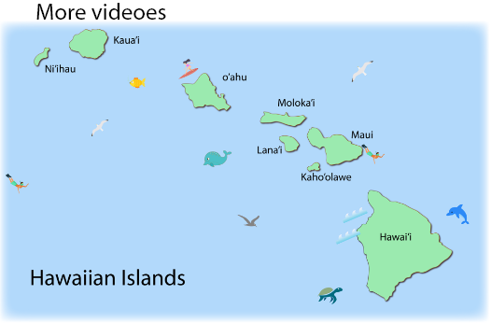 | .map-container { background-image: "img/bg_map.jpg" background-positon: center; background-repeat: no-repeat; background-size: cover; positon: relative; }

