28款产品
Jentoor 产品目录 / Product Catalog

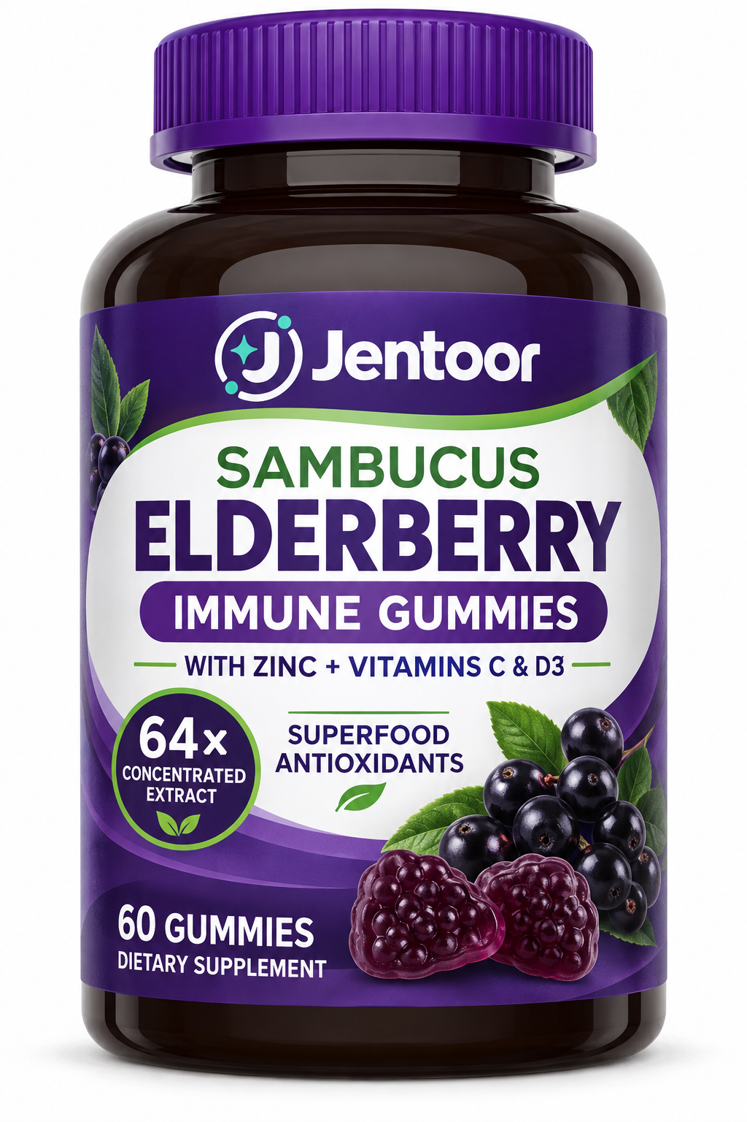
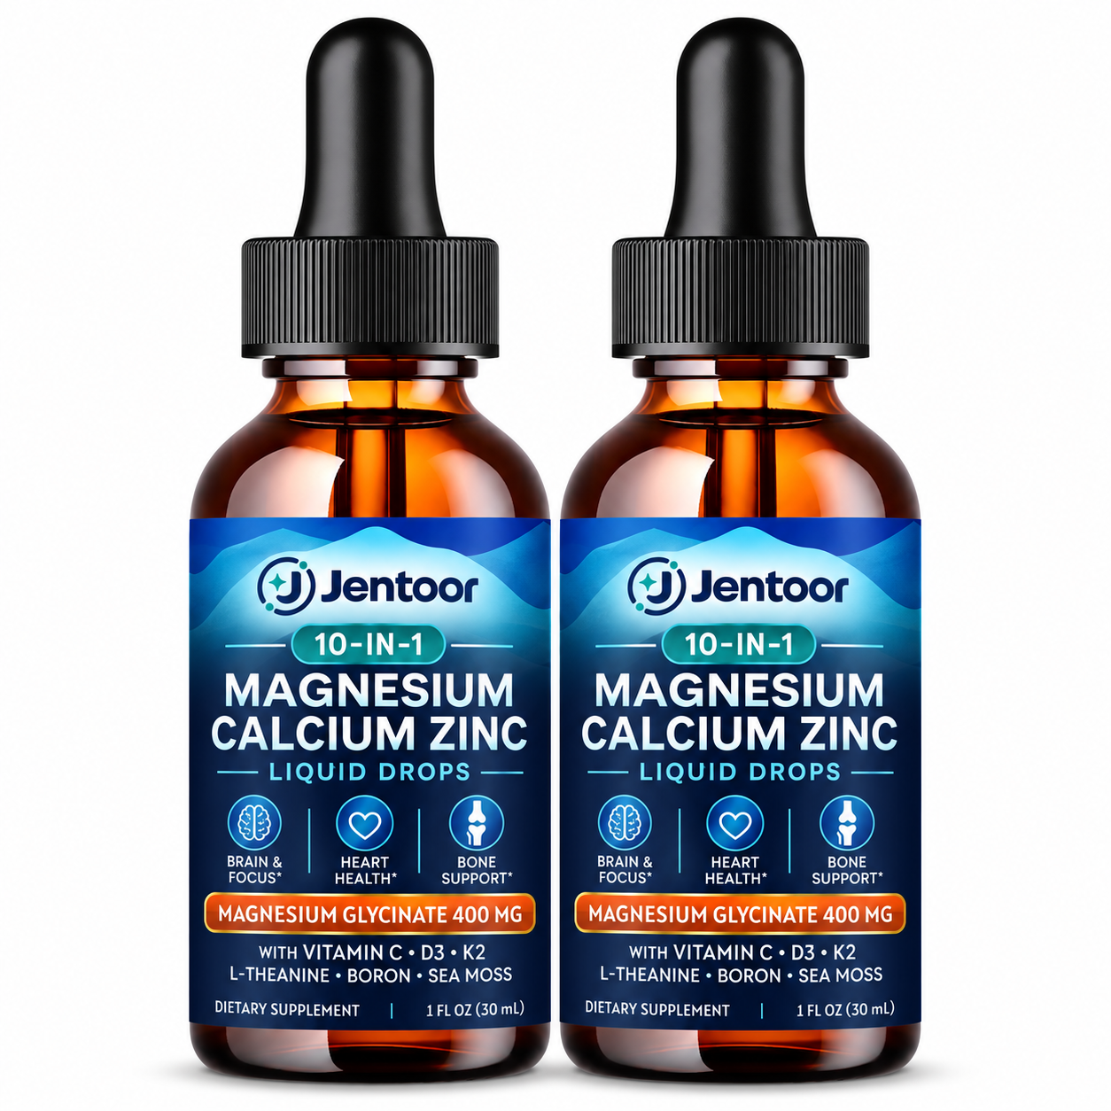
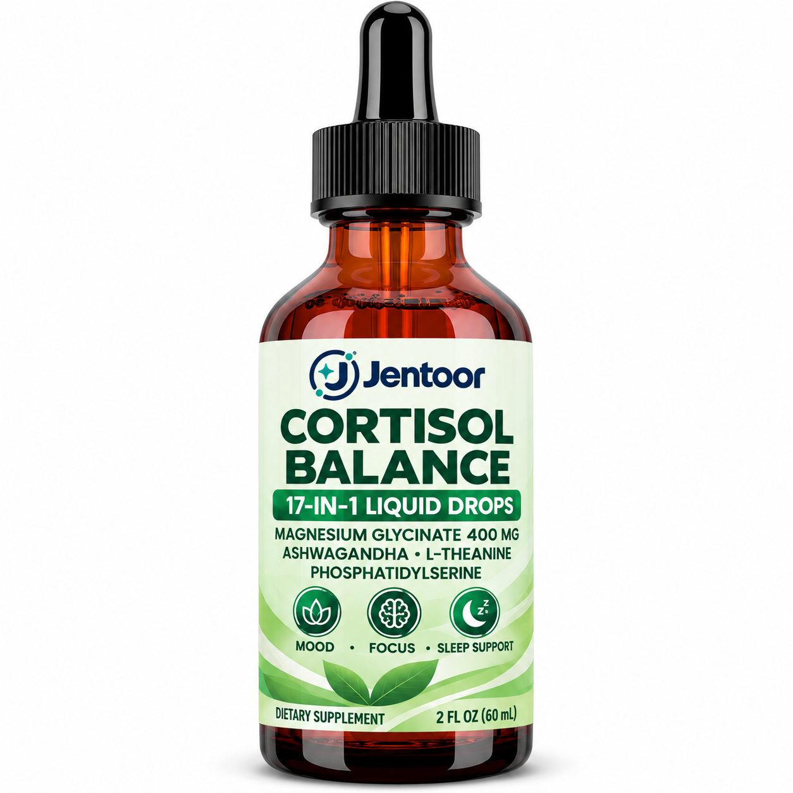
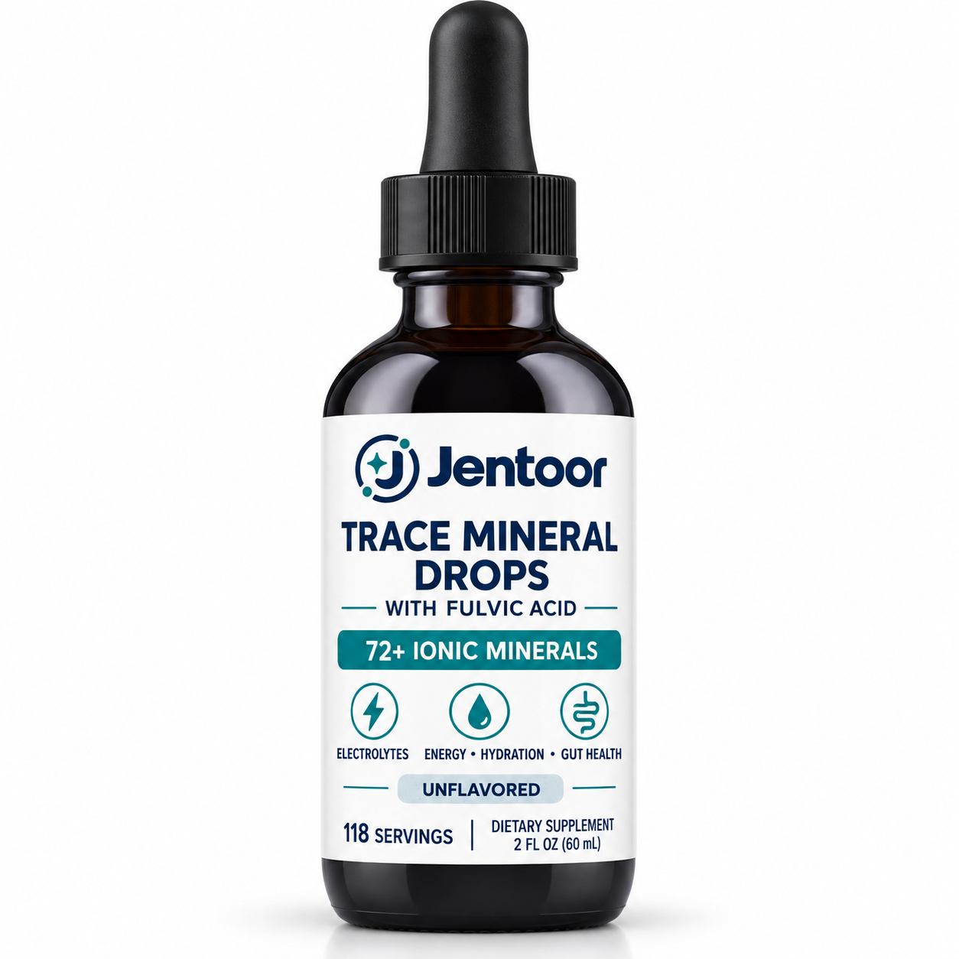

Sambucus Elderberry Immune Gummies | 10-in-1 Magnesium Calcium Zinc Liquid Drops | Cortisol Balance 17-in-1 Liquid Drops | Trace Mineral Drops with Fulvic Acid
接骨木莓免疫软糖 | 十合一镁钙锌复合液体滴剂 | 皮质醇平衡十七合一液体滴剂 | 富里酸微量矿物质滴剂

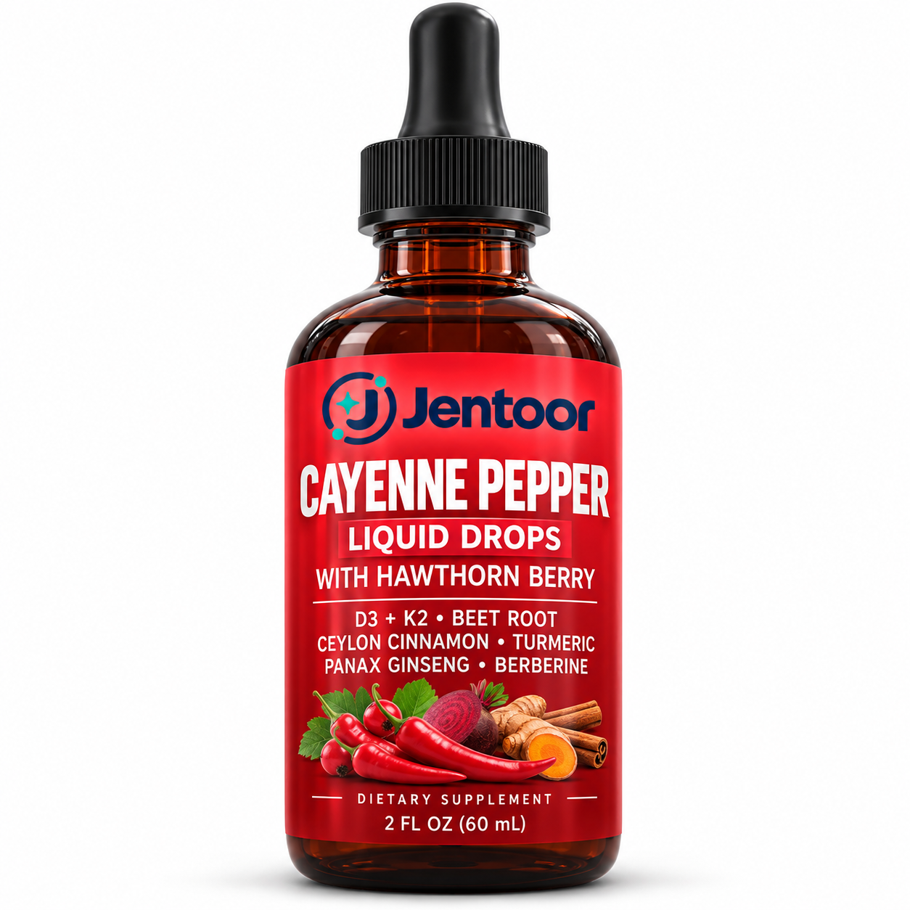
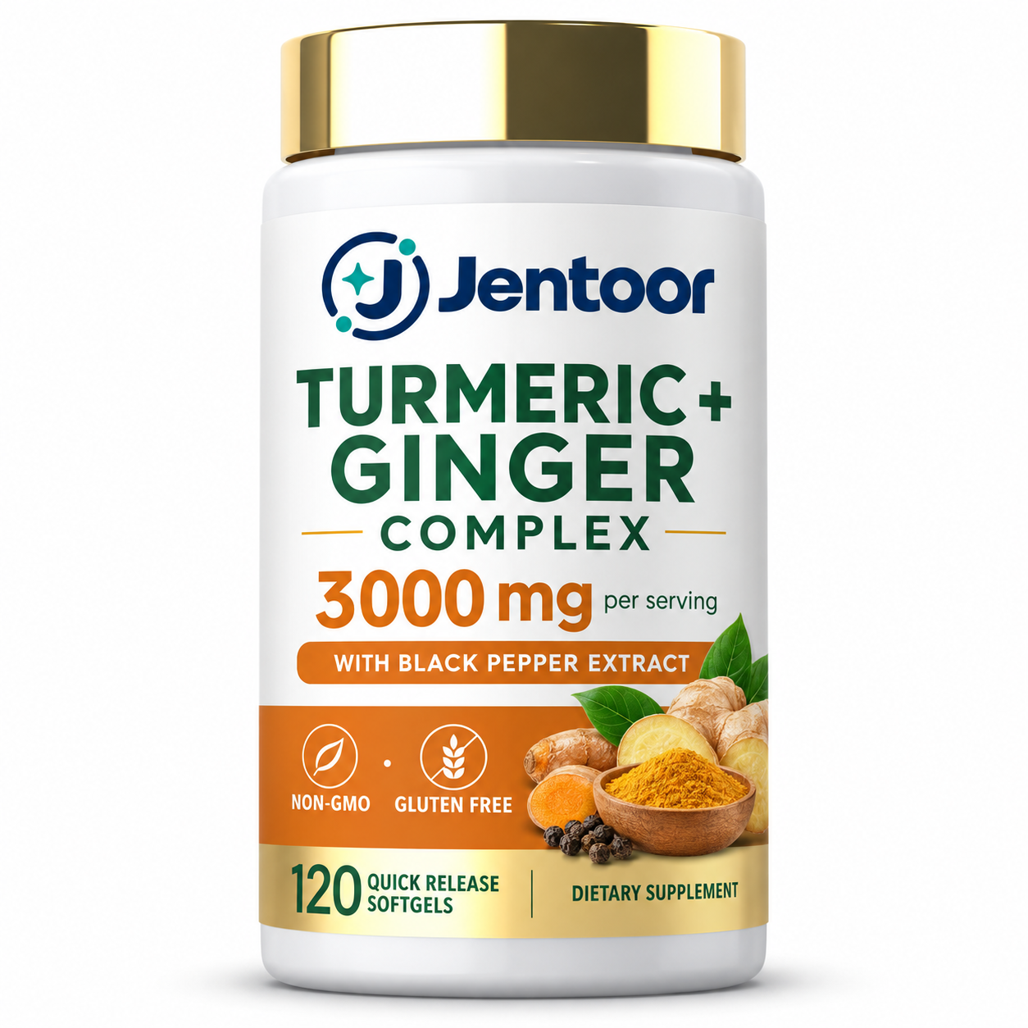
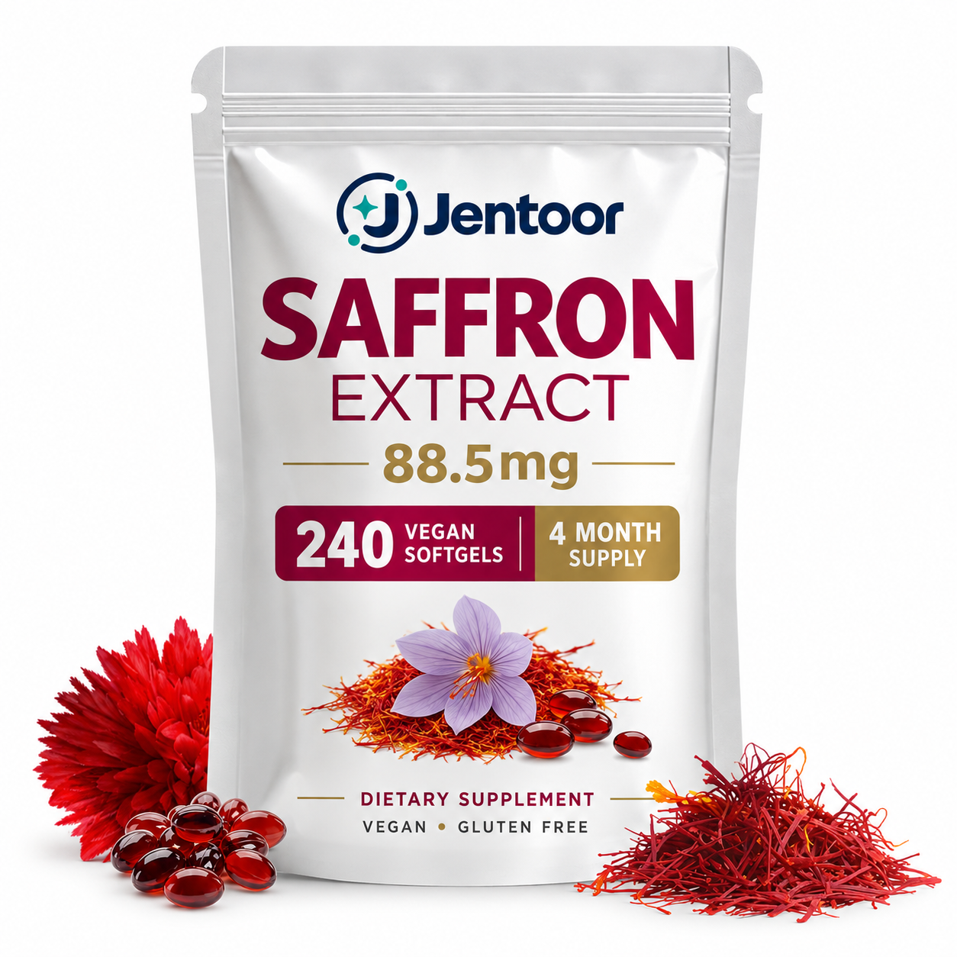
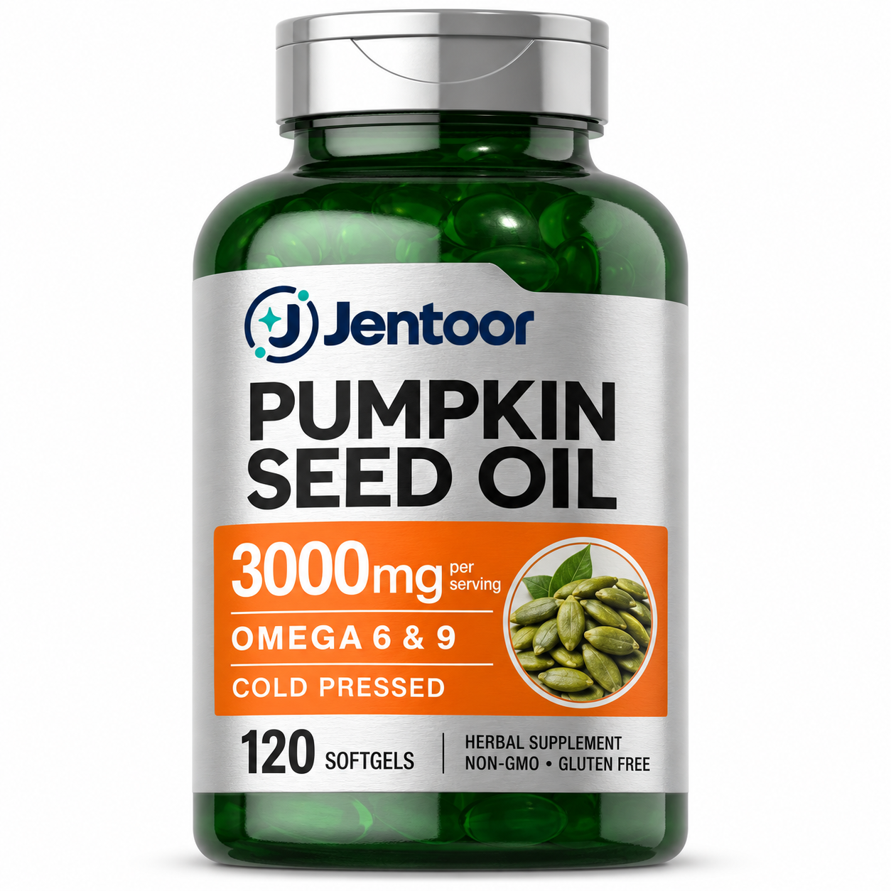

Cayenne Pepper Liquid Drops with Hawthorn Berry | Turmeric + Ginger Complex | Saffron Extract 88.5 mg | Pumpkin Seed Oil 3000 mg
辣椒山楂复合液体滴剂 | 姜黄生姜复合软胶囊 | 藏红花提取物软胶囊 | 南瓜籽油软胶囊

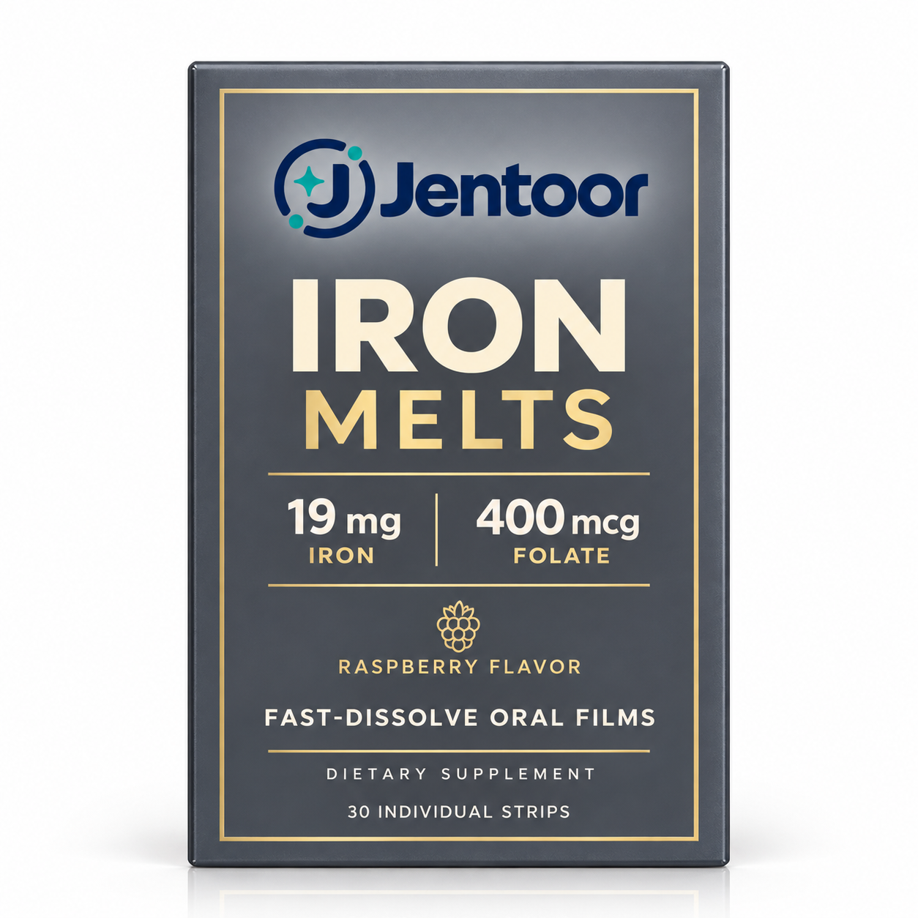
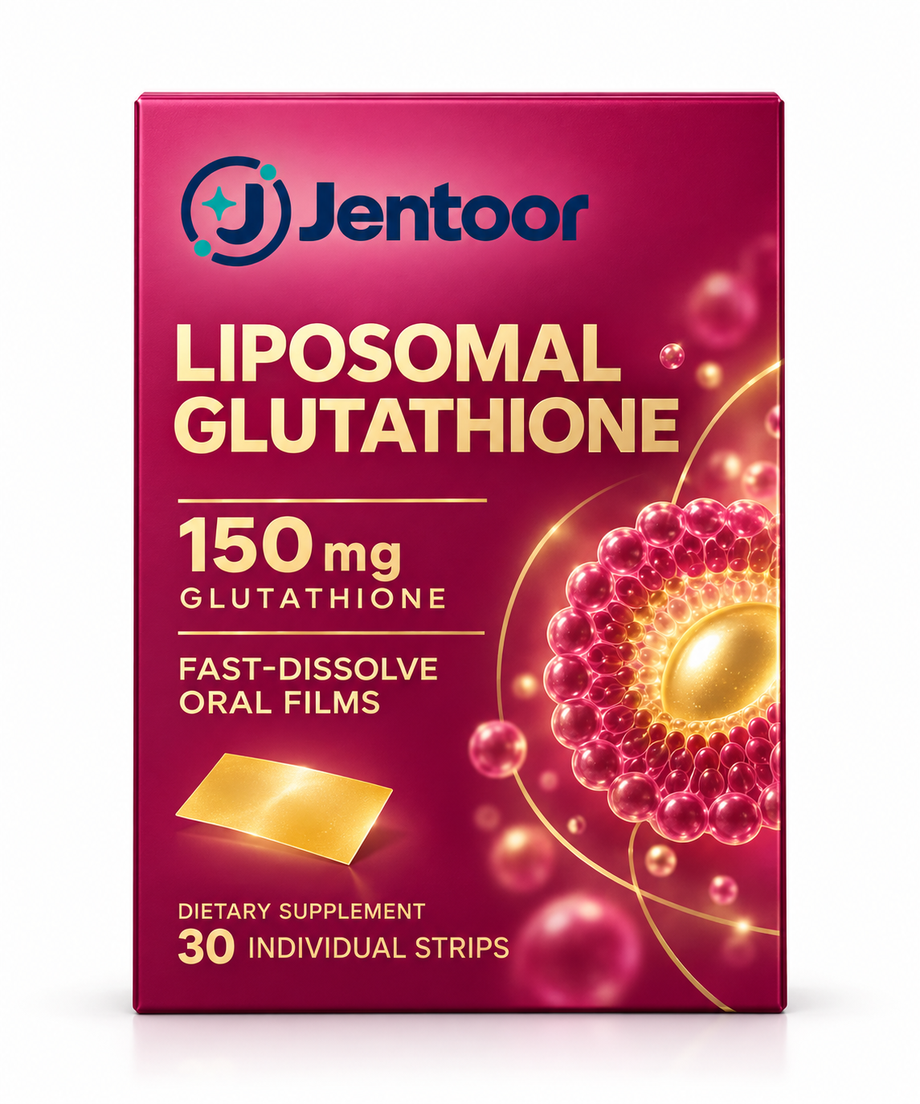
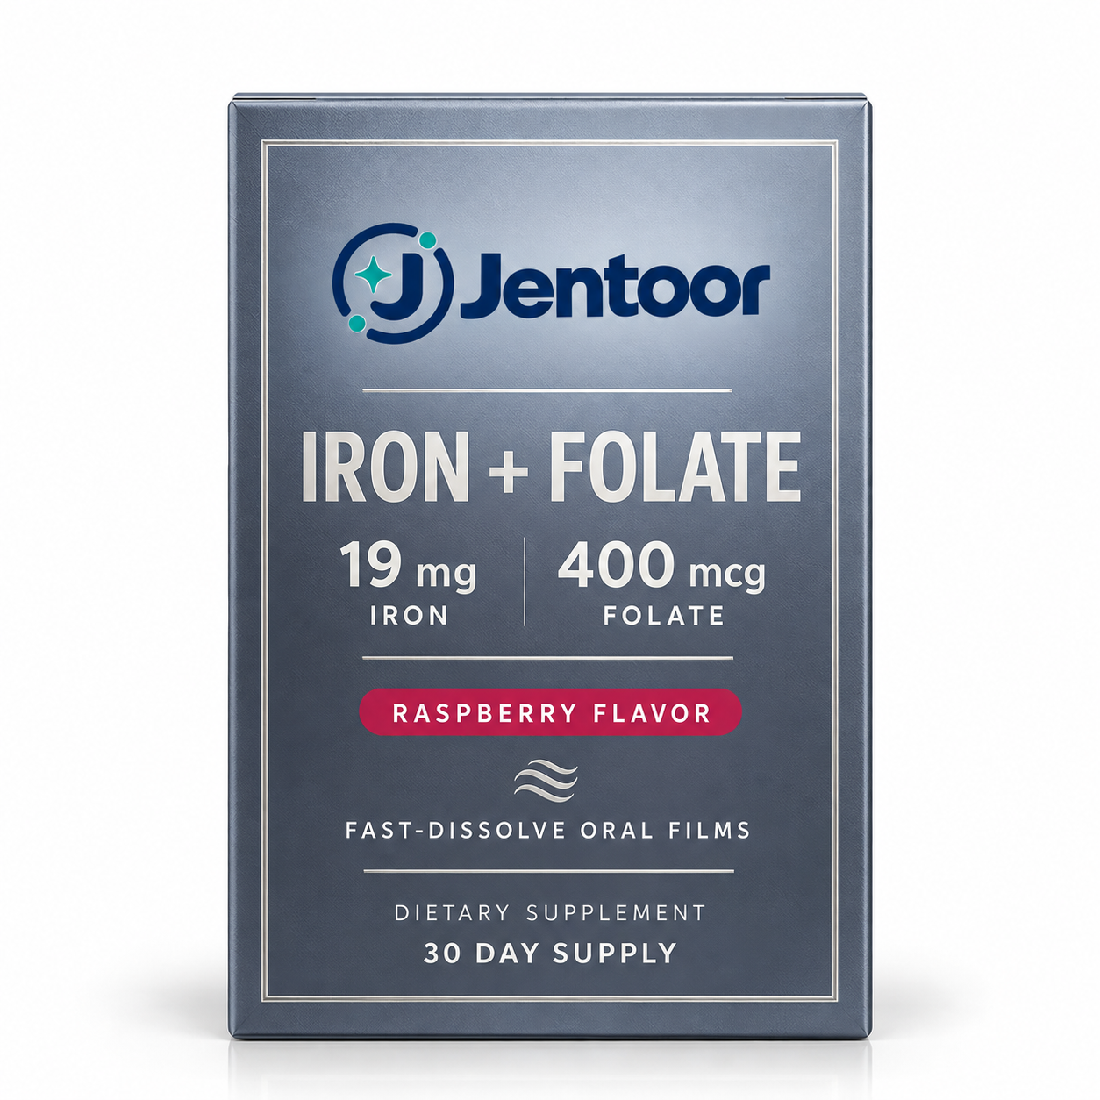
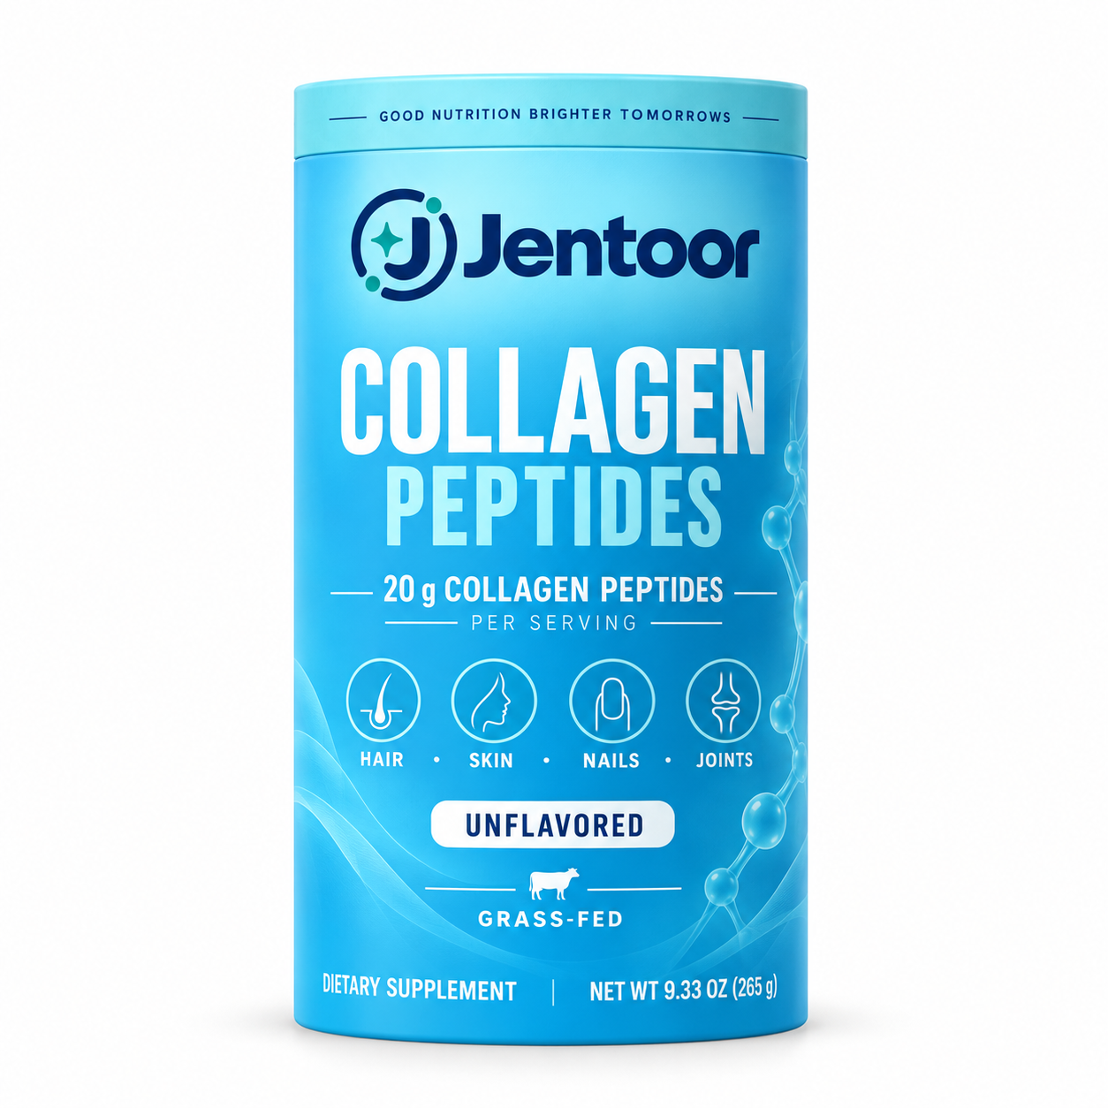

Iron Melts Fast-Dissolve Oral Films | Liposomal Glutathione Fast-Dissolve Oral Films | Iron + Folate Fast-Dissolve Oral Films | Collagen Peptides
铁元素速溶口腔膜 | 脂质体谷胱甘肽速溶口腔膜 | 铁加叶酸速溶口腔膜 | 胶原蛋白肽粉

