Funnel
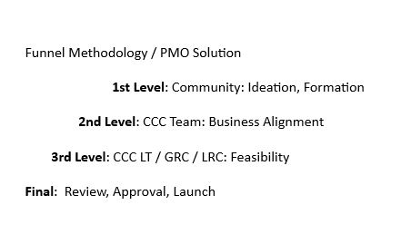
Project Status | Conversions
L1 | 76
L2 | 55
L3 | 40
Launch | 20

Gauges
Donut | Total Budget | Current Spend | Total Status | Current Status
30 | 13512000.00 | $6,003,251 | 75.00 | 32.00
40
30
100

Cashout Last Month

Project Status
Project Status
Not Started | ▮ Not Started | Total project count | 20
In Progress | ▮ In Progress | Projects Overdue | 3
On Hold | ▮ On Hold
At Risk | ▮ At Risk
Completed | ▮ Completed
Overdue | ▮ Overdue
Cancelled | ▮ Cancelled

Project ID | Project Status | Projects by PM Defined Status
Project 01 | Not Started | Segments | Red | Yellow | Green | Gray | Total
Project 02 | In Progress | Overall | #REF! | #REF! | #REF! | #REF! | #REF!
Project 03 | On Hold | Scope | #REF! | #REF! | #REF! | #REF! | #REF!
Project 04 | At Risk | Schedule | #REF! | #REF! | #REF! | #REF! | #REF!
Project 05 | Overdue | Budget | #REF! | #REF! | #REF! | #REF! | #REF!
Project 06 | Completed
Project 07 | Cancelled
Project 08 | Not Started
Project 09 | In Progress
Project 10 | On Hold
Project 11 | At Risk
Project 12 | Completed
Project 13 | Overdue
Project 14 | Cancelled
Project 15 | Not Started
Project 16 | In Progress
Project 17 | On Hold
Project 18 | At Risk
Project 19 | Completed
Project 20 | Overdue

