Funnel
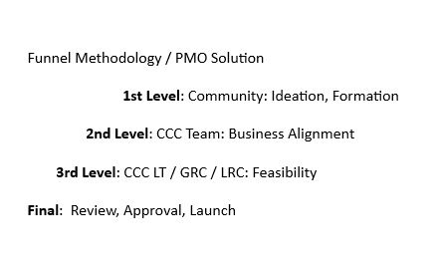
Project Status | Conversions
L1 | 76
L2 | 55
L3 | 40
Launch | 20

Gauges
Donut | Total Budget | Current Spend | Total Status | Current Status
30 | 13512000.00 | $6,003,251 | 75.00 | 32.00
40
30
100

Cashout Last Month

Project Status
Project ID | Project Status | Projects by PM Defined Status |  |  |  |  |  | Project Status
Study 1 | Not Started | Segments | Red | Yellow | Green | Gray | Total | Not Started | ▮ Not Started
Grant 1 | In Progress | Overall | #REF! | #REF! | #REF! | #REF! | #REF! | In Progress | ▮ In Progress
Workshop 1 | On Hold | Scope | #REF! | #REF! | #REF! | #REF! | #REF! | On Hold | ▮ On Hold
Advisory Council | At Risk | Schedule | #REF! | #REF! | #REF! | #REF! | #REF! | At Risk | ▮ At Risk
Mentorship Pilot | Overdue | Budget | #REF! | #REF! | #REF! | #REF! | #REF! | Completed | ▮ Completed
RWE Study 1 | Completed |  |  |  |  |  |  | Overdue | ▮ Overdue
Biopsy Study | Cancelled |  |  |  |  |  |  | Cancelled | ▮ Cancelled
Diagnostic Study | Not Started
Collaborative Study 1 | In Progress
Investigator Study 1 | On Hold
RWE Study 2 | At Risk
Collaborative Study 2 | Completed
RWE Study 3 | Overdue
Investigator Study 2 | Cancelled |  |  |  |  |  |  |  |  | Total project count | 24
Collaborative Study 3 | Not Started |  |  |  |  |  |  |  |  | Projects Overdue | 3
Investigator Study 3 | In Progress
Investigator Study 4 | On Hold
Education Campaign | At Risk
Patient Journey 1 | Completed
Internal_Operations | Overdue
Collaborative Study 4 | Not Started
Completed_Projects | In Progress
Collaborative Study 5 | On Hold
Study 2 | At Risk

