RcaEda
MAKE SURE TO ENABLE MACROS BEFORE EDITING THIS SPREADSHEET Heading
Case Number | Product | Abstract Headline |  |  | Assessors |  |  | Quality Reviewer |  |  |  |  |  | Current State | Do Not modify
02116926 | 5G radio | SA RRC connection establishment attempts reduced to zero in multiple FDD N71 sites |  |  | Yu Zhiwei, Xuan Juwei, Zhang Yijie |  |  |  |  |  |  |  |  | Assigned | these 2 Cells
Gather Facts |  | Facts
1. Issue Description What was the problem from the customer's or tester’s viewpoint? What was wrong or not working? |  | kssb_MIB is wrong, so SIB can't be received, and SA RRC connection establishment attempts reduced to zero in multiple FDD N71 sites
2. Triggering scenario What sequence of events is needed to observe the fault? What environment (e.g. HW/SW configuration) should be used? What constraints should be satisfied? Where and how was the issue actually found? Repeatability %% |  | 1)S111 SA/NSA concurrent mode. NSA Cell on air firstly, SA not on air—in lab we can lock all NG Links. (~14:38.08-~14:38:27) 2)cell_119848962(PCI192) lock (~14:38:41-~14:39:10) 3)cell_119848962(PCI192) unlock (~14:40:00-~14:40:30) 4)unlock NG link , SA cell on air (~14:41:00-~14:41:21) 5)UE SA attach failed in cell_119848962(PCI192); UE NSA attach successfully in this cell.
Triggering scenario category: select appropriate item from the list |  | SW Upgrade
3.Code Deficiency: What was wrong in the source code? Short technical description like *variable was overwritten due to queue overflow --> The check for queue size was wrong - did allow more entries than actually fit into the queue “name of non-existing file was sent to iOMS” --> “No check for file creation operation success was performed” |  | SIB1 reading fail --> CoresetZero value is mismatch with kssb_MIB --> kssb_MIB and CoresetZero are not updated at same time
4. Correction Description: How the code was changed to fix the issue? Just a short technical description: *variable was overwritten due to queue overflow --> The check for queue size was wrong - did allow more entries than actually fit into the queue --> “queue size verification was added” “name of non-existing file was sent to iOMS” --> “No check for file creation operation success was performed” --> “file creation operation result is verified before next actions” |  | update kssb_MIB and CoresetZero at same time
5. Injection type - New Feature - Defective Correction - Optimization / Refactoring - Revealed Issue - Legacy code See Technical RCA guideline for detailed description: https://sharenet-ims.inside.nokiasiemensnetworks.com/Overview/D492583158 |  | Legacy code
6. Injection time When the issue was merged (precise date) and first build containing the issue (e.g. LN4.0_ENB_1202_476_42) + following: - For New Feature injection: Feature ID - For Defective Correction injection: PR id - For Legacy Code: latest file revision (date) which was checked to claim Legacy Code |  | 18-May-18
7.Additional Facts - Was the issue corrected in another branch and not propagated to the branch where the issue was detected and reported by Customer? - Any other facts worth to be mentioned If case of a doubt (should be mentioned or not) – please do add the information |  | issue was fixed on trunk and 21B, but not 21A.
8.Inheritance Recommendation - Should the issue be requested for propagation in maintenance branches? - Guidenace is to request inheritance for issues which might lead to an outage (e.g. rolling reboot, sleeping cell, site unavailability, site visit is needed to repair after the fault occurence and etc) |  | 21A
9. How many times R&D requested for Symptoms/Logs recollection (number)? |  | 1

 |  |  |  |  |  |  |  |  |  | Review Fields
Root Cause Analysis | Why 1 |  | Why 2 | Why 3 |  | Why 4 |  | Why 5 | Root Cause | Action Proposal | Root Cause Category | Root Cause Subcategory | RCA Action Type | Assigned To | RCA AI ID | Completion Target Date
Why was the fault introduced? (Process RCA) See Process RCA guideline for information how to proceed | Why: kssb_MIB and CoresetZero are not updated at same time Answer: legacy code miss one requirement in 3gpp |  |  |  |  |  |  |  | legacy code miss one requirement with 3gpp | spec should fill the gap between SW and 3gpp | Requirements | Missing Requirement | Requirements Improvement
 | Why: issue was not fix on 21A Answer: CNI-57700 was planned on 21B, not 21A. Need CNI-57700 FOT to explain why it was implemented on 21A by mistake. |  | Answer: CNI-57000 was approved for 21B. When team was assigned to CNI-57000, they were pushed by FOTL to implement the CNI asap. At that time, trunk was still for 21A. Team did not double check the CNI release VS trunk release. This is what we learned from this case. |  |  |  |  |  | implementation and target release of CNI are not aligned | Team should double check the CNI target release before code delivery. Done. This lessons learnt is shared to teams.
 | Why: cellwithSib1 was removed via CNI-57700. Answer: Need originator of CNI-57700 to explain. |  | Answer from CNI-57700 FOT: 57700 was finished in 21B, fully followed the requirement of 5GC001296 (Done in 21A): if “cellDepType” is equal to 'SA' or 'both' or ('NSA' and NRBTS/NRCELL/actSib1ForNsaCell = TRUE), then “cellWithSib1” should be set to “TRUE” in message “l2ps_cellSetupReq”; And the value of “cellWithSib1” should also be “TRUE” in message “l2ps_cellReconfiguration”, always keep the same value in in message “l2ps_cellSetupReq”. So 57700 remove the “cellWithSib1” from message “l2ps_cellReconfiguration”. Due to “cellDepType” cannot be online modified and “cellWithSib1” is “TRUE” in message “l2ps_cellSetupReq” for 'both' cell. No need to reconfiguration But PR566976 change the requirement and permit to set “cellWithSib1” To “False” in message “l2ps_cellSetupReq” while “cellDepType” is “both”. Need PR566976 related teams to continue the analysis |  |  |  |  |  | Wrong requiremnet in PR566976 fix | PR566976 was corrected by A&S for L3-L2 interface part. But now L3-L2 interface are owned by R&D (CP3). Check the ownership of this part and what can learning from PR566976 https://jiradc.ext.net.nokia.com/browse/MNRCA-45389
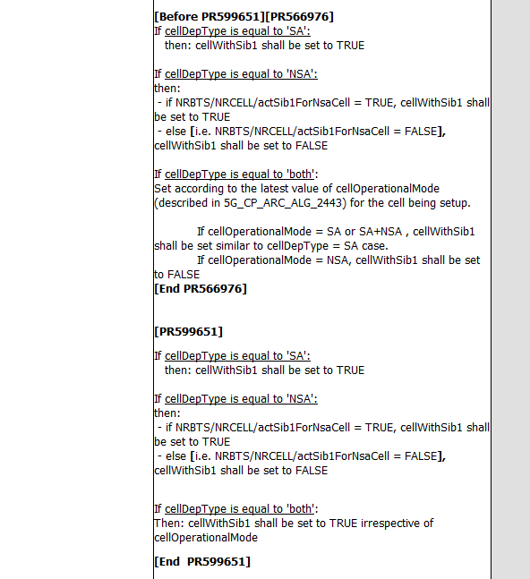
Why root cause was not found with first set of attached symptoms? (see CDI Guideline) Mandatory if there was at least one symptoms/log re-collection requested

 |  |  |  |  |  |  |  |  |  |  | Use these arrows and lines

 |  |  |  |  |  |  |  |  | Do Not erase or Move this box

 |  |  |  |  |  |  | Can only Add columns after "Why 5" (col K) when adding more whys | Review Fields
Escape Defect Analysis | Why 1 |  | Why 2 | Why 3 |  | Why 4 |  | Why 5 | Escape Cause | Action Proposal | Escape Cause Category | Escape Cause Subcategory | EDA Action Type | Assigned To | RCA AI ID | Completion Target Date
1. Why didn't Requirements reviews catch this defect?

 | Why 1 |  | Why 2 | Why 3 |  | Why 4 |  | Why 5 | Escape Cause | Action Proposal | Escape Cause Category | Escape Cause Subcategory | EDA Action Type | Assigned To | RCA AI ID | Completion Target Date
2. Why didn't Design reviews catch this defect?

 | Why 1 |  | Why 2 | Why 3 |  | Why 4 |  | Why 5 | Escape Cause | Action Proposal | Escape Cause Category | Escape Cause Subcategory | EDA Action Type | Assigned To | RCA AI ID | Completion Target Date
3. Why didn't code analysis tools such as Klocwork, Purify, etc catch this defect?

 | Why 1 |  | Why 2 | Why 3 |  | Why 4 |  | Why 5 | Escape Cause | Action Proposal | Escape Cause Category | Escape Cause Subcategory | EDA Action Type | Assigned To | RCA AI ID | Completion Target Date
4. Why didn't code inspections catch this defect?

 | Why 1 |  | Why 2 | Why 3 |  | Why 4 |  | Why 5 | Escape Cause | Action Proposal | Escape Cause Category | Escape Cause Subcategory | EDA Action Type | Assigned To | RCA AI ID | Completion Target Date
5. Why didn't unit or component test catch this defect?

 | Why 1 |  | Why 2 | Why 3 |  | Why 4 |  | Why 5 | Escape Cause | Action Proposal | Escape Cause Category | Escape Cause Subcategory | EDA Action Type | Assigned To | RCA AI ID | Completion Target Date | Where Could Defect Have Been Detected
6. Why didn't Entity Test test catch this defect?

Why didn't ET automated test cases catch this defect?

 | Why 1 |  | Why 2 | Why 3 |  | Why 4 |  | Why 5 | Escape Cause | Action Proposal | Escape Cause Category | Escape Cause Subcategory | EDA Action Type | Assigned To | RCA AI ID | Completion Target Date | Where Could Defect Have Been Detected
7. Why didn't System Test catch this defect?

Why didn't ST automated test cases catch this defect?

 |  |  |  |  |  |  |  |  | ARROW ToolBox

 |  |  |  |  |  |  |  |  |  |  | Use these arrows and lines
 |  |  |  |  |  |  |  |  |  |  | to show the chain-of-thought
 |  |  |  |  |  |  |  |  |  |  | between the whys.

 |  |  |  |  |  |  |  |  | Do Not erase or Move this box

