数字证书
View Model

VIEW
Model
DOM Listeners

Data Bindings

DOM |  | javascript
 |  | object
 | Vue

Sheet1
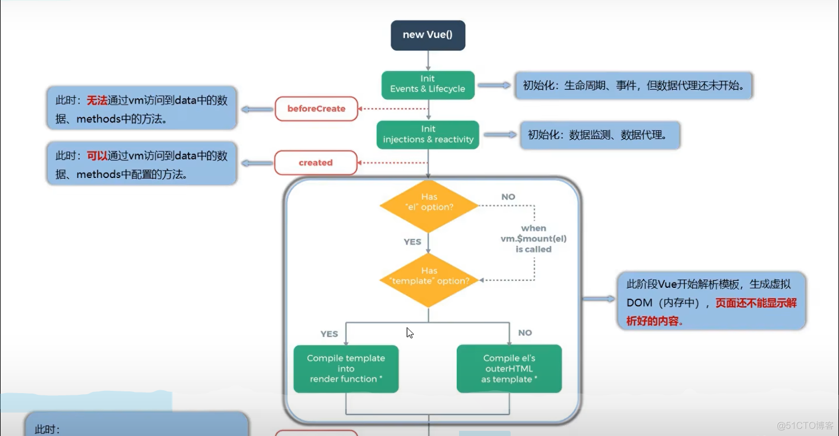
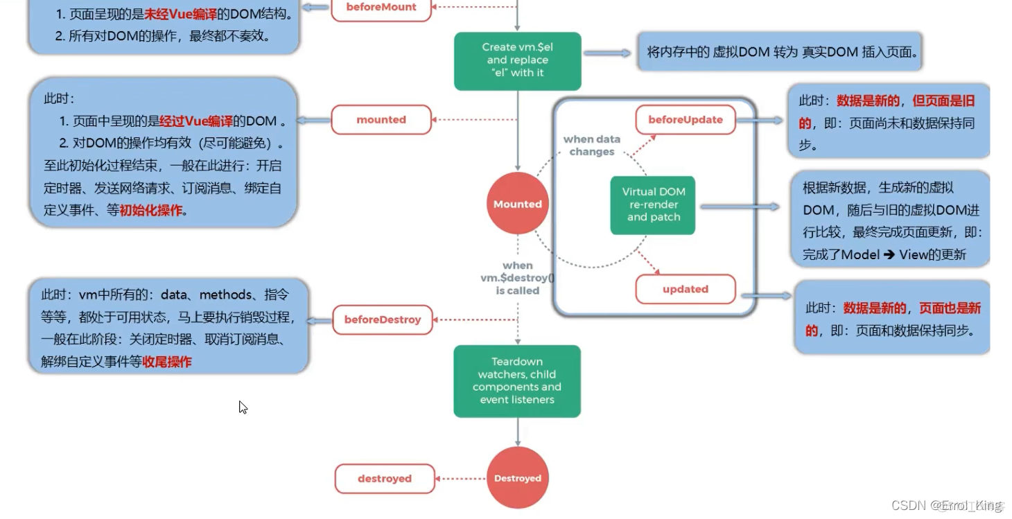

Sheet2
