Sheet2
 | Predicted

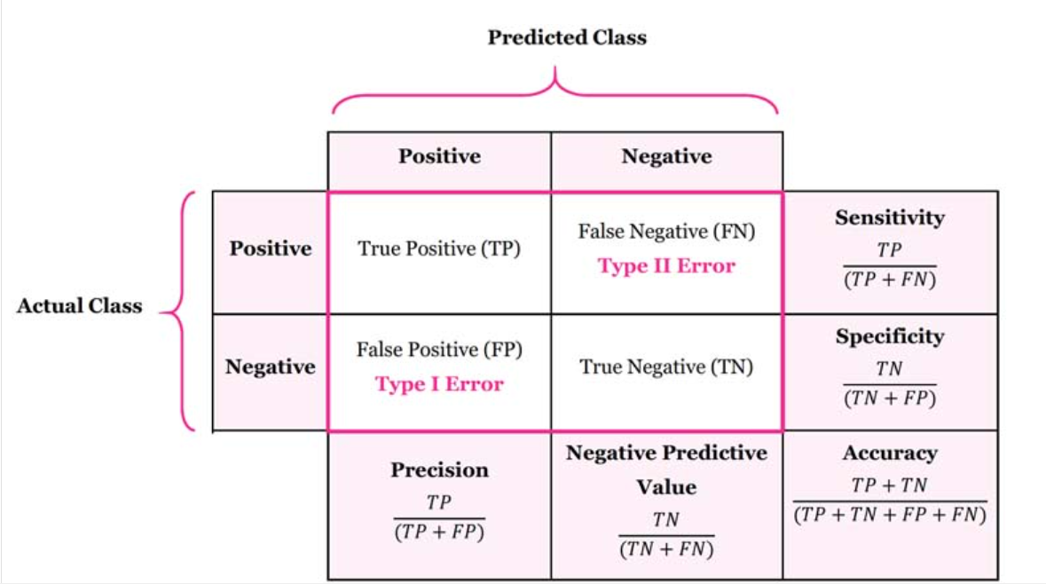
Actual | TP | FN |  | True Positive | False Negative
 | FP | TN |  | False Positive | True Negative

 |  |  | SubTotal | Total count
 | 89 | 16 | 105
 | 37 | 37 | 74 | 179

 | Precision | Recall | F1 Score
0 | TP/TP+FP | TP/TP+FN | 2×Precision*Recall/(Precision+Recall)
1 | TN/FN+TN | TN/FP+TN

0 | 0.71 | 0.85 | 0.77
1 | 0.70 | 0.50 | 0.58

 | Accuracy | (TP+TN)​/Total | 0.70
macro avg | 0.70 | 0.67 | 0.68
weighted avg | 0.70 | 0.70 | 0.69

