LogicaLines
Source lines (LINES) | 68023

Logical lines | Number | Percentage | Row Labels | Sum of Percentage | Sum of Number
Lines of code (LLOC) | 1939 | 69% | Lines of code (LLOC) | 69.00% | 1939
Lines of comment (LLOC') | 328 | 12% | Lines of comment (LLOC') | 12.00% | 328
Lines of whitespace (LLOW) | 547 | 19% | Lines of whitespace (LLOW) | 19.00% | 547
Total logical lines (LLINES) | 2814 | 100% | Grand Total | 100.00% | 2814

Code Lines

FileTypes
File types | Number |  | Row Labels | Sum of Number
Binary Property Files | 8 |  | Binary Property Files | 8
Forms | 8 |  | Forms | 8
Libraries (Controls) | 5 |  | Libraries (Controls) | 5
Libraries (Declared) | 2 |  | Libraries (Declared) | 2
Libraries (Referenced) | 6 |  | Libraries (Referenced) | 6
Modules | 1 |  | Modules | 1
Project Files | 1 |  | Project Files | 1
Project Workspaces | 1 |  | Project Workspaces | 1
Related Files | 1 |  | Related Files | 1
Resource Files | 1 |  | Grand Total | 33

Source Files Modified by Year

Source file last modified | Files |  | Row Labels | Sum of Files
2003 | 1 |  | 2003 | 1
2004 | 0 |  | 2004 | 0
2005 | 0 |  | 2005 | 0
2006 | 1 |  | 2006 | 1
2007 | 0 |  | 2007 | 0
2008 | 0 |  | 2008 | 0
2009 | 2 |  | 2009 | 2
2010 | 0 |  | 2010 | 0
2011 | 1 |  | 2011 | 1
2012 | 0 |  | 2012 | 0
2013 | 0 |  | 2013 | 0
2014 | 4 |  | 2014 | 4
 |  |  | Grand Total | 9

Modified File Percentage by Old

Modified on | Number | Percentage |  | Row Labels | Sum of Percentage
Modified today | 0 | 0% |  | Modified in 30 days | 44.00%
Modified in 7 days | 4 | 44% |  | Modified in 365 days | 44.00%
Modified in 30 days | 4 | 44% |  | Modified in 7 days | 44.00%
Modified in 365 days | 4 | 44% |  | Modified today | 0.00%
Older than 3 years | 5 | 56% |  | Older than 10 years | 11.00%
Older than 5 years | 2 | 22% |  | Older than 3 years | 56.00%
Older than 10 years | 1 | 11% |  | Older than 5 years | 22.00%
 |  |  |  | Grand Total | 2.21

DeadCode
*************************** | PROCEDURS | ***
Summary | Procedures | % | LINES | LLOC | Element | Dead | Live | All | Row Labels | Sum of Live | Sum of Dead
Dead procedures | 19 | 17% | 1620 | 312 | PROCEDURS | 19 | 94 | 113 | CONSTANTS | 14 | 2
Live procedures | 94 | 83% | 3449 | 1567 | VARIABLES | 36 | 143 | 179 | TYPES | 1 | 0
All procedures | 113 | 100% | 5069 | 1879 | CONSTANTS | 2 | 14 | 16 | VARIABLES | 143 | 36
Dead code by subtype | Procedures | % | LINES | LLOC | PARAMETERS | 46 | 201 | 247 | PARAMETERS | 201 | 46
–Dead | 10 | 9% | 1596 | 289 | TYPES | 0 | 1 | 1 | TYPE FIELD | 3 | 0
–Dead - KeyPreview = False | 2 | 2% | 24 | 16 | TYPE FIELD | 0 | 3 | 3 | ENUMS | 4 | 1
–Unexecuted - Callers all dead | 7 | 6% | 0 | 7 | ENUMS | 1 | 4 | 5 | ENUM CONSTANTS | 10 | 3
 |  |  |  |  | ENUM CONSTANTS | 3 | 10 | 13 | PROCEDURS | 94 | 19
 |  |  |  |  |  |  |  |  | Grand Total | 470 | 107
*************************** | MODULEs | ***
Summary | Modules | % | LINES | LLOC
Dead modules | 0 | 0% | 0 | 0
Live modules | 9 | 100% | 5206 | 1939
All modules | 9 | 100% | 5206 | 1939

*************************** | VARIABLES | ***
Summary | Variables | %
Dead variables | 36 | 20%
Live variables | 143 | 80%
All variables | 179 | 100%
Dead code by subtype | Variables | %
–Dead | 31 | 17%
–Written only | 5 | 3%

*************************** | CONSTANTS | ***
Summary | Constants | %
Dead constants | 2 | 13%
Live constants | 14 | 88%
All constants | 16 | 100%
Dead code by subtype | Constants | %
–Dead | 2 | 13%

*************************** | PARAMETERS | ********
Summary | Parameters | %
Dead parameters | 46 | 19%
Live parameters | 201 | 81%
All parameters | 247 | 100%
Dead code by subtype | Parameters | %
–Dead | 46 | 19%

*************************** | TYPES | ********
Summary | Types | %
Dead types | 0 | 0%
Live types | 1 | 100%
All types | 1 | 100%

*************************** | TYPE FIELD | ********
Summary | Type field | %
Dead type fields | 0 | 0%
Live type fields | 3 | 100%
All type fields | 3 | 100%

*************************** | ENUMS | ********
Summary | Enums | %
Dead enums | 1 | 20%
Live enums | 4 | 80%
All enums | 5 | 100%
Dead code by subtype | Enums | %
–Users dead | 1 | 20%

*************************** | ENUM CONSTANTS | ********
Summary | Enum const | %
Dead enum constants | 3 | 23%
Live enum constants | 10 | 77%
All enum constants | 13 | 100%
Dead code by subtype | Enum const | %
–Dead | 2 | 15%
–Users dead | 1 | 8%

DesignQuality
*** SOURCE FILE SIZE ***

Size metric | Average | Minimum | Maximum
Source lines/file (LINES) | 578 | 7 | 2543
Code lines/file (LLOC) | 215 | 5 | 502
Procedures/file | 12.6 | 1 | 24
Kilobytes/file | 32.1 | 5.3 | 143.8

LINES = Total number of physical source lines.
LLOC = Logical lines of code

CYCLOMATIC COMPLEXITY
Complexity | Procs | % | Description
1– 4 | 89 | 86% | Simple procedure
5–10 | 8 | 8% | Well structured, stable
11–20 | 6 | 6% | More complex
21–50 | 0 | 0% | Complex, alarming
51– | 0 | 0% | Error-prone, troublesome
Total

Cyclomatic complexity (CC) = Number of decisions + 1. Recommended: 1-10.

Column1 | Column2 | Column3
Average complexity | 2.67 | CC
Total complexity | 173 | TCC = Total number of decisions + 1
Decision density | 0.15 | DECDENS = CC/LLOC, complexity per a line of code
Bad fix probability | 5% | Crude estimate

Bad fix probability:
Probability of introducing a new error while trying to fix a previous error.

DEPTH OF CONDITIONAL NESTING

DCOND = Maximum nested conditional statements in procedure.

Maximum DCOND | 3 | Most complex procedure found
Maximum recommended | 5 | Procedure should not exceed this value
DCOND too high (>5) | 0 | procedures (0%)
Average DCOND | 0.6

*** STRUCTURAL FAN-IN AND INTERNAL REUSE ***

SFIN | Procs | %
0-1 No reuse | 5644 | 99%
2-4 Slight reuse | 22 | 0%
5-9 Significant reuse | 12 | 0%
10- High reuse | 0 | 0%
Average: 0.1

*** UNDERSTANDABILITY ***
Logical line: Lines continued on several lines are counted as one logical line.
Lines excluded by conditional compilation are not included in the logical line counts.

COMMENTS AND WHITESPACE
Logical lines | Quantity | Percentage |  | Row Labels | Sum of Quantity
Lines of code (LLOC) | 1939 | 69% |  | Lines of code (LLOC) | 1939
Lines of comment (LLOC') | 328 | 12% |  | Lines of comment (LLOC') | 328
Lines of whitespace (LLOW) | 547 | 19% |  | Lines of whitespace (LLOW) | 547
Total logical lines (LLINES) | 2814 | 100% |  | Grand Total | 2814

 |  | Comment density
 |  | MCOMM per code line (MCOMM%) | 17% | MCOMM/LLOC

*** OBJECT-ORIENTEDNESS ***

Object-orientedness of code | 91% | (executable statements)
Object-orientedness of data | 47% | (variables)

OO code or data found in: 3 Classes and 76 Forms.
Non-OO code or data found in: 11 Modules.

*** PROBLEMS ***
Dead code | Problematic | Total | %
Dead procedures | 19 | 113 | 17%
Removable code lines in procs | 312 | 1879 | 17%
Dead variables | 36 | 179 | 20%
Dead constants | 2 | 16 | 13%
Dead Types | 0 | 1 | 0%
Dead Enums | 1 | 5 | 20%
Overall deadness |  |  | 17%

Problems with declarations | Problematic | Total
Missing variable type | 0 | 192
Excess var/const scope | 6 | 222
No var/const scope | 0 | 222
Missing ByVal/ByRef | 0 | 4074
Missing function type | 0 | 2027
Excess procedure scope | 3 | 5684
No procedure scope | 0 | 5684

*** QUALITY ASSESSMENT ***

Quality (0-10) | Level | Based on
Complexity | 9.9 | Cyclomatic complexity
Dead code | 5.8 | Overall deadness
Internal reuse | 0.2 | Structural fan-in
Understandability | 5.3 | Comments and name lengths
Overall quality level | 5 | Moderate

Quality levels:
0..4 = Questionable | 5..6 = Moderate | 7..8 = Good | 9..10 = Excellent

Quality levels are based on:
Complexity: Bad fix probability (5% is best |  | 40% or above is worst)
Dead code: Overall deadness (0% is best |  | 40% or above is worst)
Internal reuse: Amount of procedures reused (30% represents level 8)
Understandability: Average of MCOMM% (20% represents level 8) and LEN (10.0 is level 8)

DependencyGraphs
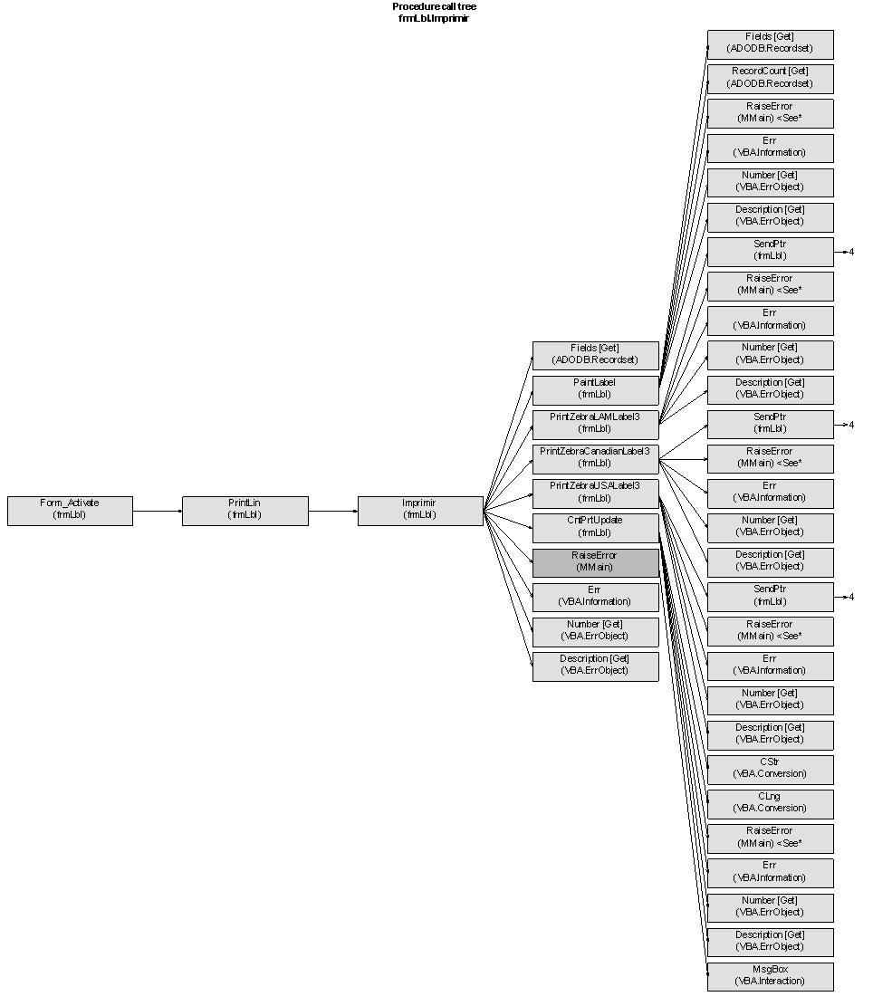
Dependency between Forms & Bas
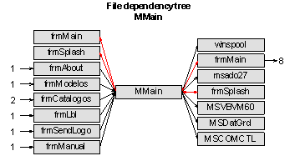

Dependency Flow based on Functionality
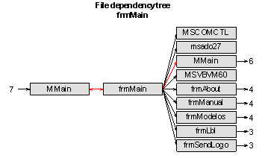

Procedures Print Flow on Principal Module

