Average Donations
Category | (All)

Average Donation
Row Labels | Average of Average Donation
animation | $41.53
art books | $50.04
audio | $20.50
children's books | $25.71
classical music | $89.26
documentary | $108.86
drama | $89.68
electronic music | $61.48
faith | $57.04
fiction | $23.20
food trucks | $45.40
gadgets | $197.79
hardware | $200.78
indie rock | $66.90
jazz | $41.53
makerspaces | $136.49
metal | $41.14
mobile games | $28.42
musical | $73.02
nature | $26.84
nonfiction | $81.25
people | $59.91
photobooks | $96.45
places | $43.32
plays | $69.98
pop | $79.10
radio & podcasts | $59.09
restaurants | $17.27
rock | $77.75
science fiction | $54.70
shorts | $85.19
small batch | $83.78
space exploration | $68.62
spaces | $111.23
tabletop games | $66.79
television | $120.80
translations | $52.91
video games | $36.37
wearables | $172.71
web | $40.58
world music | $27.26
Grand Total | $80.01

Category Statistics
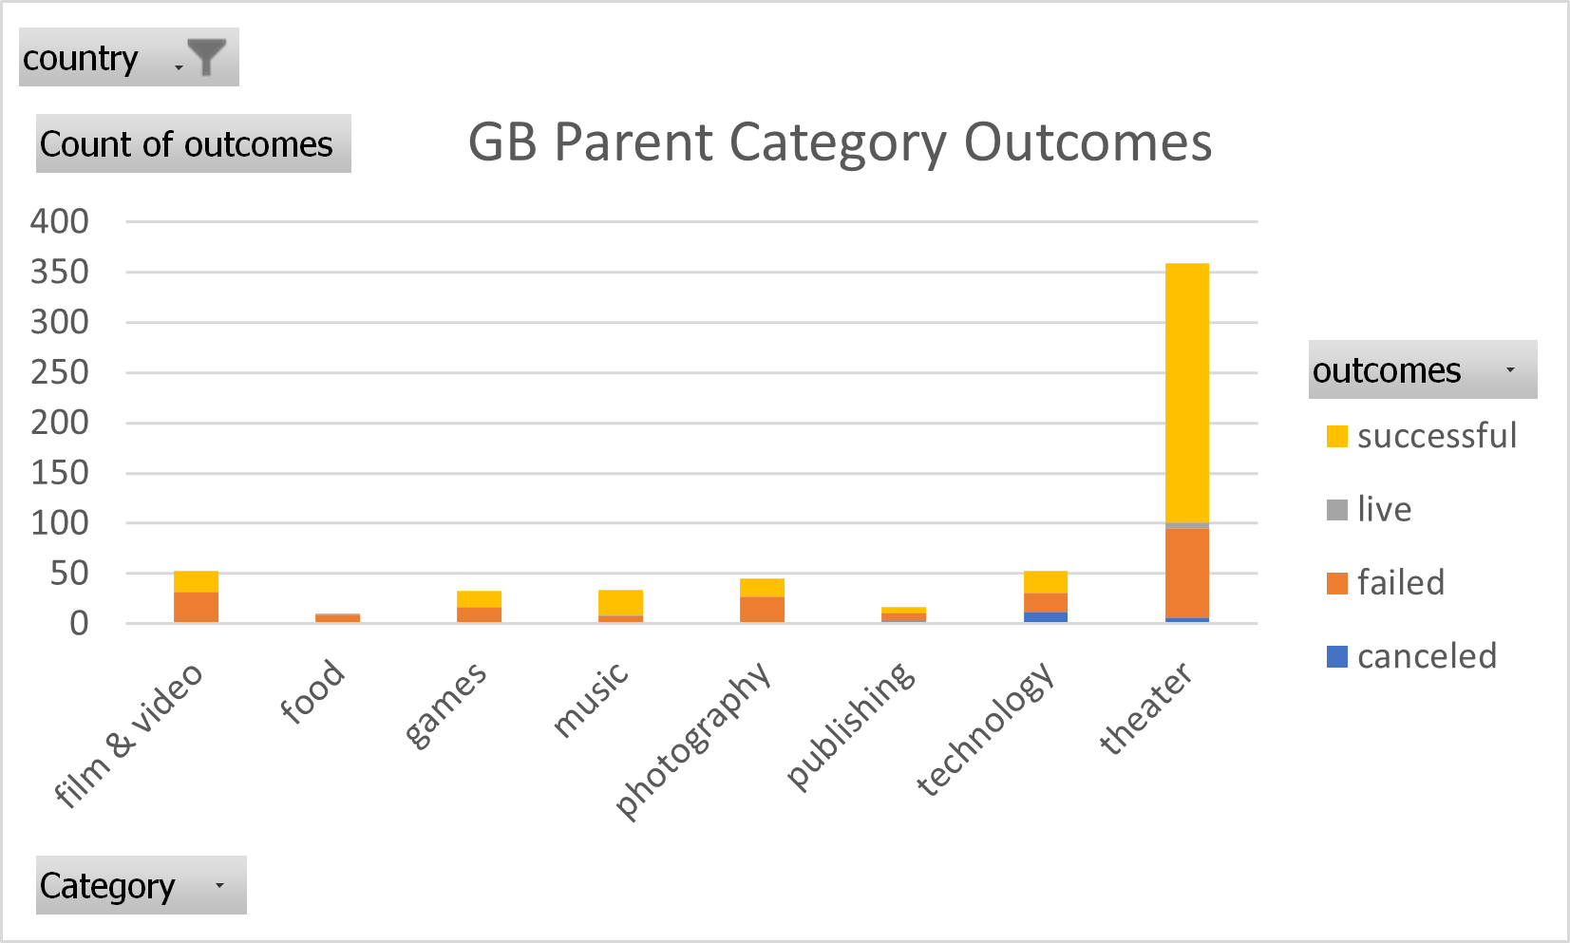
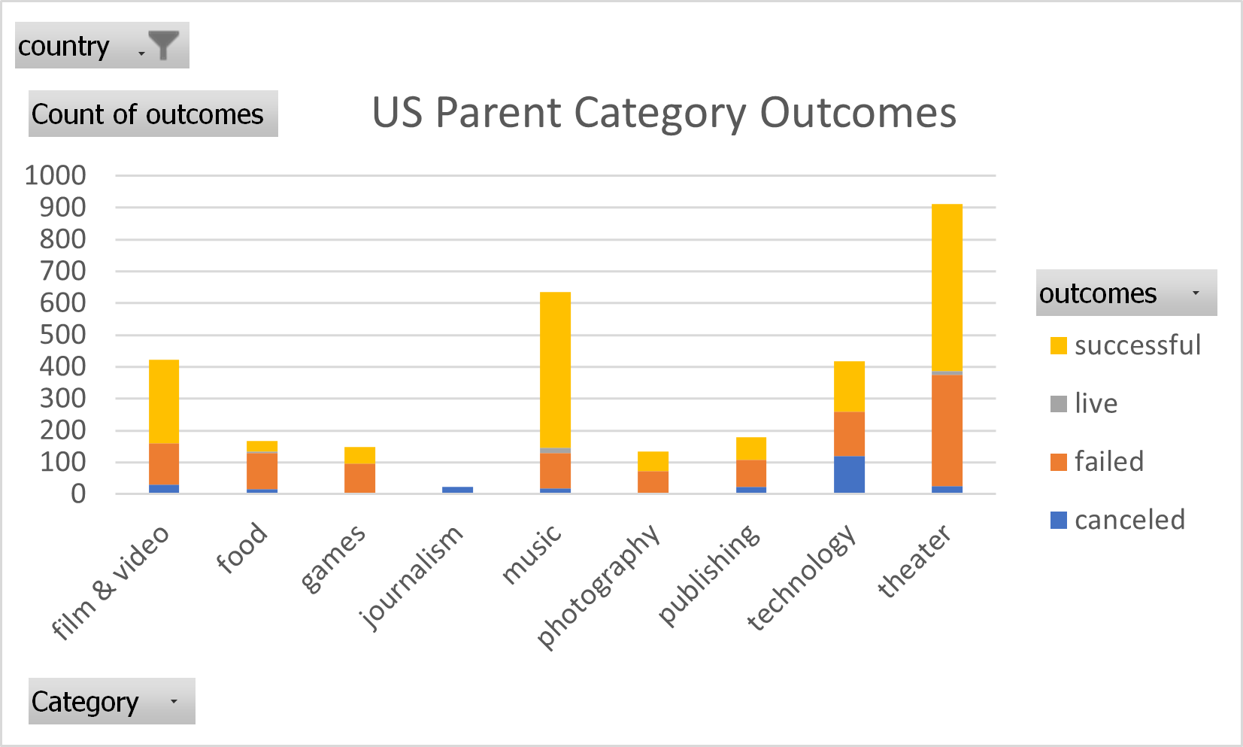
country | GB
GB Parent Category Outcomes
Count of outcomes | Column Labels
Row Labels | canceled | failed | live | successful | Grand Total
theater | 6 | 89 | 6 | 258 | 359
Grand Total | 6 | 89 | 6 | 258 | 359

Subcategory Statistics
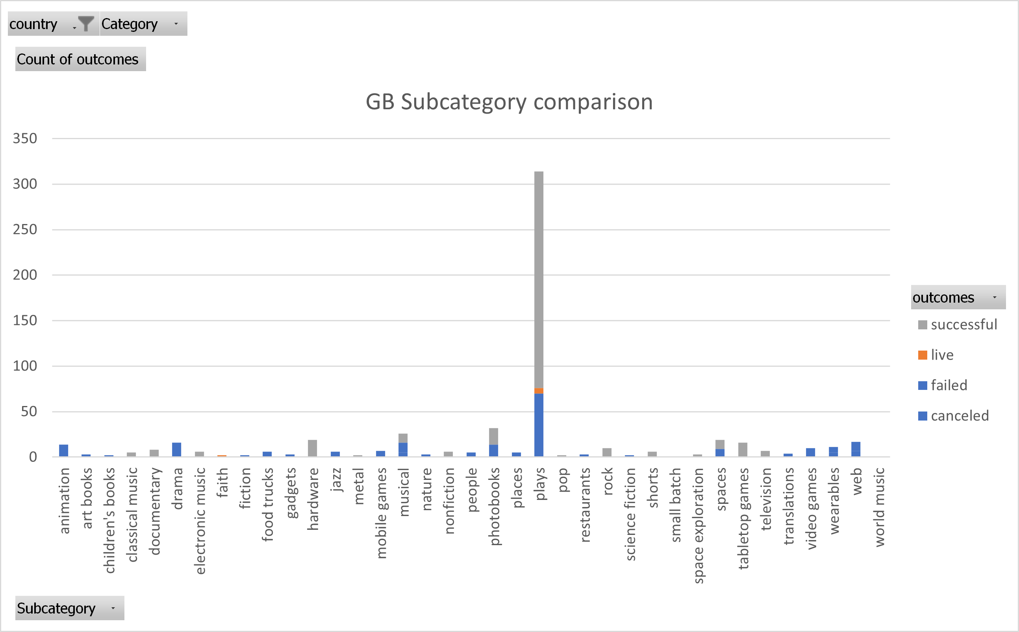
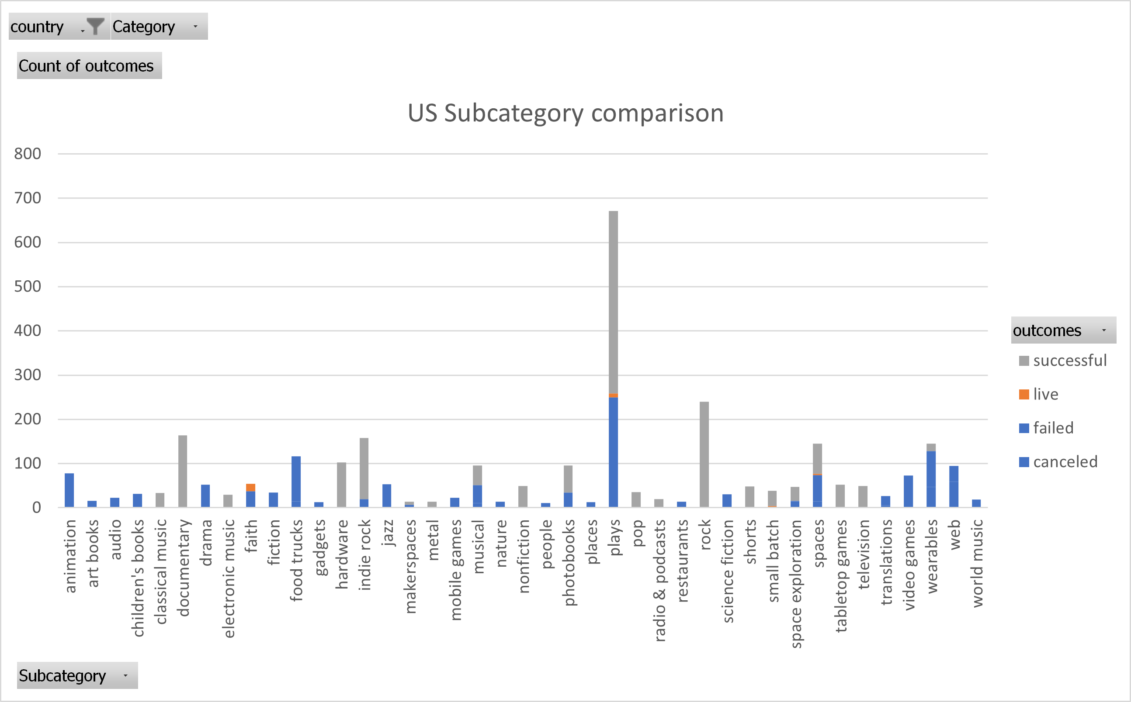
US Subcategory comparison
country | US
Category | (All)

Count of outcomes | Column Labels
Row Labels | failed | live | successful | Grand Total
plays | 250 | 9 | 412 | 671
Grand Total | 250 | 9 | 412 | 671

outcomes based on launch date
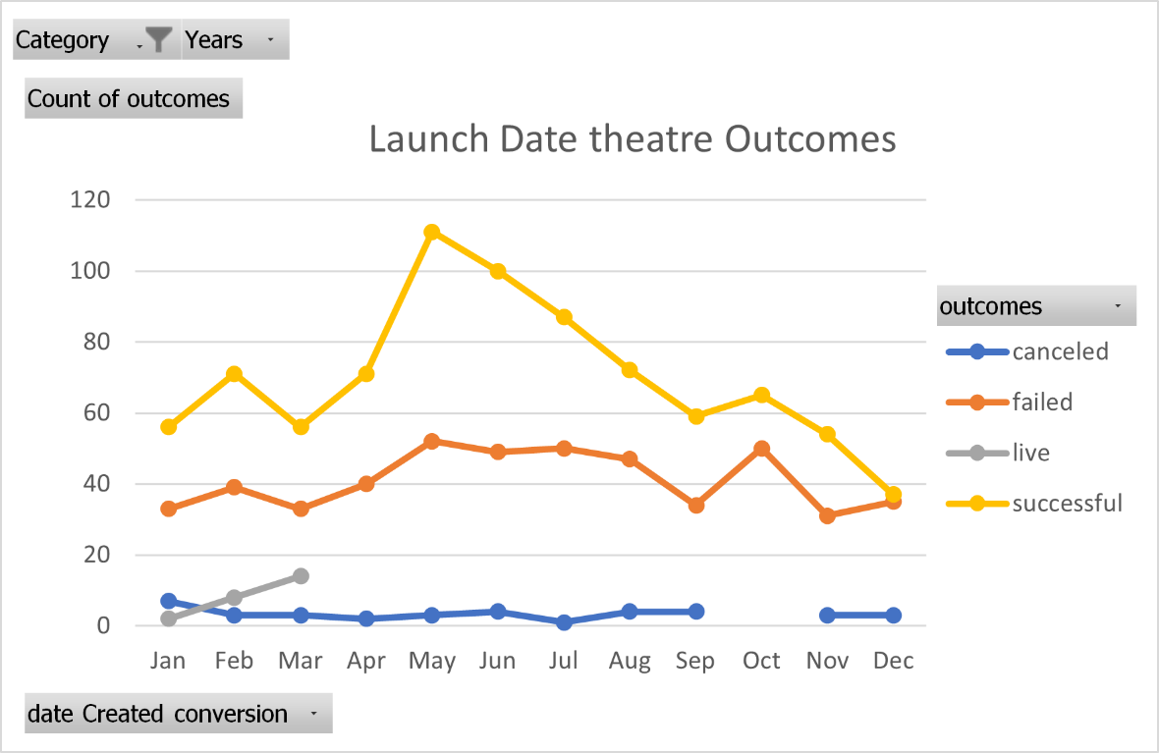
Launch Date Theatre Outcomes
 | canceled | failed | live | successful
Jan | 7 | 33 | 2 | 56
Feb | 3 | 39 | 8 | 71
Mar | 3 | 33 | 14 | 56
Apr | 2 | 40 |  | 71
May | 3 | 52 |  | 111
Jun | 4 | 49 |  | 100
Jul | 1 | 50 |  | 87
Aug | 4 | 47 |  | 72
Sep | 4 | 34 |  | 59
Oct |  | 50 |  | 65
Nov | 3 | 31 |  | 54
Dec | 3 | 35 |  | 37
Category | theater
Years | (All)

Count of outcomes | Column Labels
Row Labels | canceled | failed | live | successful | Grand Total
Jan | 7 | 33 | 2 | 56 | 98
Feb | 3 | 39 | 8 | 71 | 121
Mar | 3 | 33 | 14 | 56 | 106
Apr | 2 | 40 |  | 71 | 113
May | 3 | 52 |  | 111 | 166
Jun | 4 | 49 |  | 100 | 153
Jul | 1 | 50 |  | 87 | 138
Aug | 4 | 47 |  | 72 | 123
Sep | 4 | 34 |  | 59 | 97
Oct |  | 50 |  | 65 | 115
Nov | 3 | 31 |  | 54 | 88
Dec | 3 | 35 |  | 37 | 75
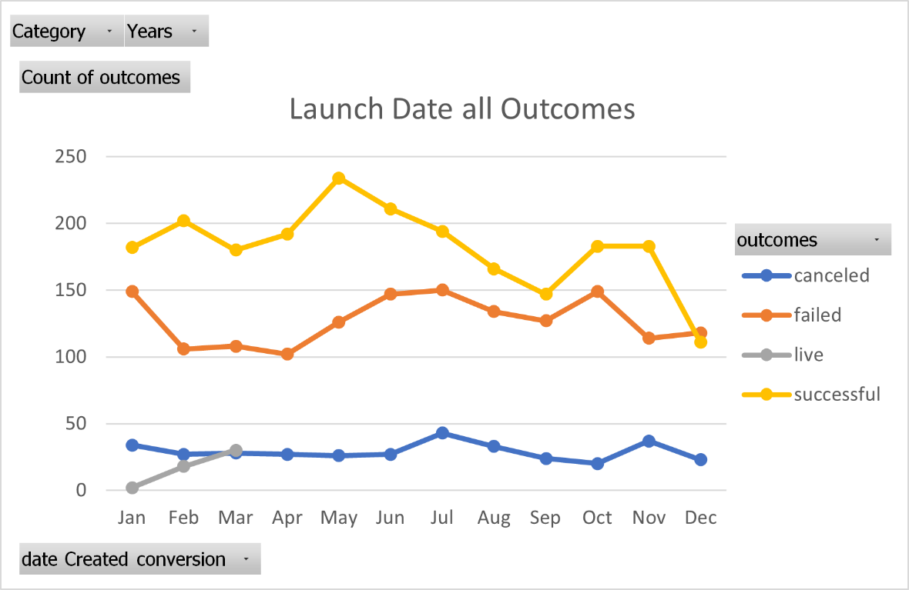
Grand Total | 37 | 493 | 24 | 839 | 1393

Theater outcomes by Launch date
Parent Category | theater
Years | (All)

Theater Outcomes Based on Launch Date
 | successful | failed | canceled
Jan | 56 | 33 | 7
Feb | 71 | 39 | 3
Mar | 56 | 33 | 3
Apr | 71 | 40 | 2
May | 111 | 52 | 3
Jun | 100 | 49 | 4
Jul | 87 | 50 | 1
Aug | 72 | 47 | 4
Sep | 59 | 34 | 4
Oct | 65 | 50
Nov | 54 | 31 | 3
Dec | 37 | 35 | 3
Count of outcomes | Column Labels
Row Labels | successful | failed | canceled | Grand Total
Jan | 56 | 33 | 7 | 96
Feb | 71 | 39 | 3 | 113
Mar | 56 | 33 | 3 | 92
Apr | 71 | 40 | 2 | 113
May | 111 | 52 | 3 | 166
Jun | 100 | 49 | 4 | 153
Jul | 87 | 50 | 1 | 138
Aug | 72 | 47 | 4 | 123
Sep | 59 | 34 | 4 | 97
Oct | 65 | 50 |  | 115
Nov | 54 | 31 | 3 | 88
Dec | 37 | 35 | 3 | 75
Grand Total | 839 | 493 | 37 | 1369

 | 61.3%
 | 839 | 493 | 37 | 1369
 | 2185 | 1530 | 349 | 4064
 | 53.8%
 |  |  |  | 33.69%

Outcomes Based on Goals
Goal | Number Successful | Number Failed | Number Canceled | Total Projects | Percentage Successful | Pecentage Failed | Percentage Canceled
Less Than 1000 | 141 | 45 | 0 | 186 | 75.81% | 24.19% | 0.00%
1000 to 4999 | 388 | 146 | 0 | 534 | 72.66% | 27.34% | 0.00%
5000 to 9999 | 93 | 76 | 0 | 169 | 55.03% | 44.97% | 0.00%
10000 to 14999 | 39 | 33 | 0 | 72 | 54.17% | 45.83% | 0.00%
15000 to 19999 | 12 | 12 | 0 | 24 | 50.00% | 50.00% | 0.00%
20000 to 24999 | 9 | 11 | 0 | 20 | 45.00% | 55.00% | 0.00%
25000 to 29999 | 1 | 4 | 0 | 5 | 20.00% | 80.00% | 0.00%
30000 to 34999 | 3 | 8 | 0 | 11 | 27.27% | 72.73% | 0.00%
35000 to 39999 | 4 | 2 | 0 | 6 | 66.67% | 33.33% | 0.00%
40000 to 44999 | 2 | 1 | 0 | 3 | 66.67% | 33.33% | 0.00%
45000 to 49999 | 0 | 1 | 0 | 1 | 0.00% | 100.00% | 0.00%
50000 or More | 2 | 14 | 0 | 16 | 12.50% | 87.50% | 0.00%
Outcomes Based on Goals

