layer1
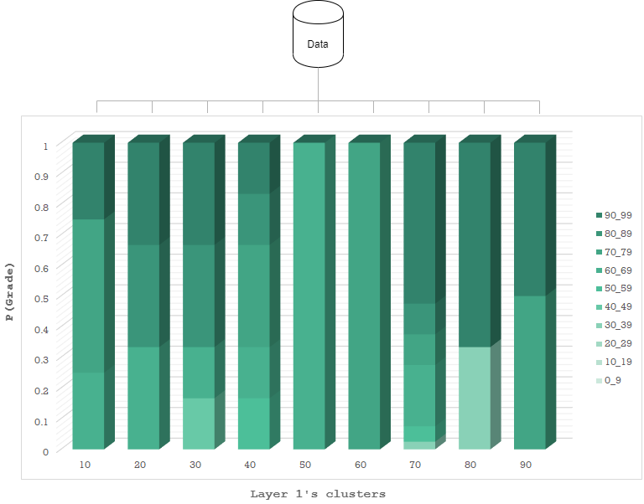

 | 0_9 | 10_19 | 20_29 | 30_39 | 40_49 | 50_59 | 60_69 | 70_79 | 80_89 | 90_99
10 | 0 | 0 | 0 | 0 | 0 | 0 | 0.25 | 0.5 | 0 | 0.25
20 | 0 | 0 | 0 | 0 | 0 | 0 | 0.33333333333 | 0 | 0.33333333333 | 0.33333333333
30 | 0 | 0 | 0 | 0 | 0.16666666667 | 0 | 0.16666666667 | 0 | 0.33333333333 | 0.33333333333
40 | 0 | 0 | 0 | 0 | 0 | 0.16666666667 | 0.16666666667 | 0.33333333333 | 0.16666666667 | 0.16666666667
50 | 0 | 0 | 0 | 0 | 0 | 0 | 1 | 0 | 0 | 0
60 | 0 | 0 | 0 | 0 | 0 | 0 | 0 | 1 | 0 | 0
70 | 0 | 0 | 0 | 0.025 | 0 | 0.05 | 0.2 | 0.1 | 0.1 | 0.525
80 | 0 | 0 | 0 | 0.33333333333 | 0 | 0 | 0 | 0 | 0 | 0.66666666667
90 | 0 | 0 | 0 | 0 | 0 | 0 | 0 | 0.5 | 0 | 0.5

layer2-1x
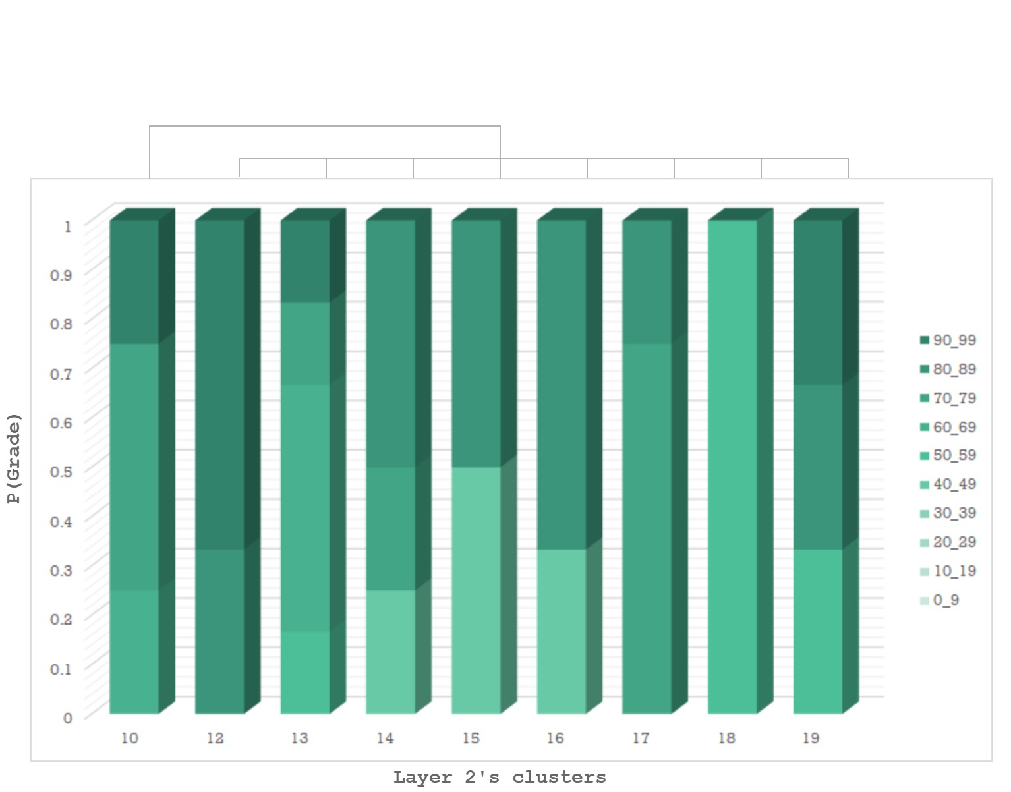

 | 0_9 | 10_19 | 20_29 | 30_39 | 40_49 | 50_59 | 60_69 | 70_79 | 80_89 | 90_99
10 | 0 | 0 | 0 | 0 | 0 | 0 | 0.25 | 0.5 | 0 | 0.25
12 | 0 | 0 | 0 | 0 | 0 | 0 | 0 | 0 | 0.33333333333 | 0.66666666667
13 | 0 | 0 | 0 | 0 | 0 | 0.16666666667 | 0.5 | 0.16666666667 | 0 | 0.16666666667
14 | 0 | 0 | 0 | 0 | 0.25 | 0 | 0 | 0.25 | 0.5 | 0
15 | 0 | 0 | 0 | 0 | 0.5 | 0 | 0 | 0 | 0.5 | 0
16 | 0 | 0 | 0 | 0 | 0.33333333333 | 0 | 0 | 0 | 0.66666666667 | 0
17 | 0 | 0 | 0 | 0 | 0 | 0 | 0 | 0.75 | 0.25 | 0
18 | 0 | 0 | 0 | 0 | 0 | 1 | 0 | 0 | 0 | 0
19 | 0 | 0 | 0 | 0 | 0 | 0.33333333333 | 0 | 0 | 0.33333333333 | 0.33333333333

layer2-2x
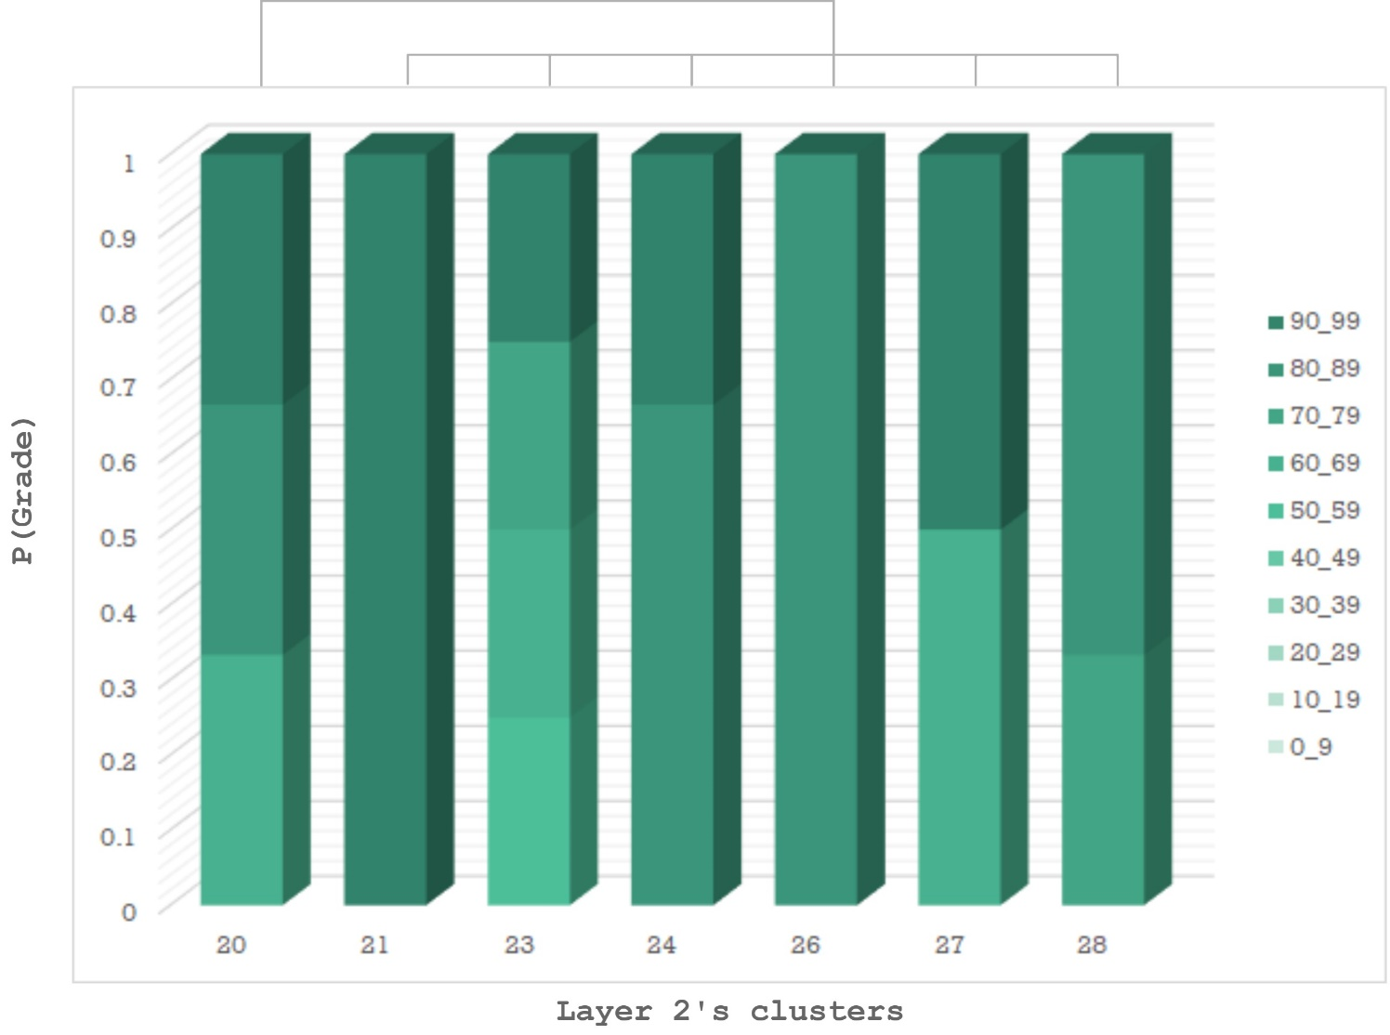

 | 0_9 | 10_19 | 20_29 | 30_39 | 40_49 | 50_59 | 60_69 | 70_79 | 80_89 | 90_99
20 | 0 | 0 | 0 | 0 | 0 | 0 | 0.33333333333 | 0 | 0.33333333333 | 0.33333333333
21 | 0 | 0 | 0 | 0 | 0 | 0 | 0 | 0 | 0 | 1
23 | 0 | 0 | 0 | 0 | 0 | 0.25 | 0.25 | 0.25 | 0 | 0.25
24 | 0 | 0 | 0 | 0 | 0 | 0 | 0 | 0 | 0.66666666667 | 0.33333333333
26 | 0 | 0 | 0 | 0 | 0 | 0 | 0 | 0 | 1 | 0
27 | 0 | 0 | 0 | 0 | 0 | 0 | 0.5 | 0 | 0 | 0.5
28 | 0 | 0 | 0 | 0 | 0 | 0 | 0 | 0.33333333333 | 0.66666666667 | 0

layer2-3x
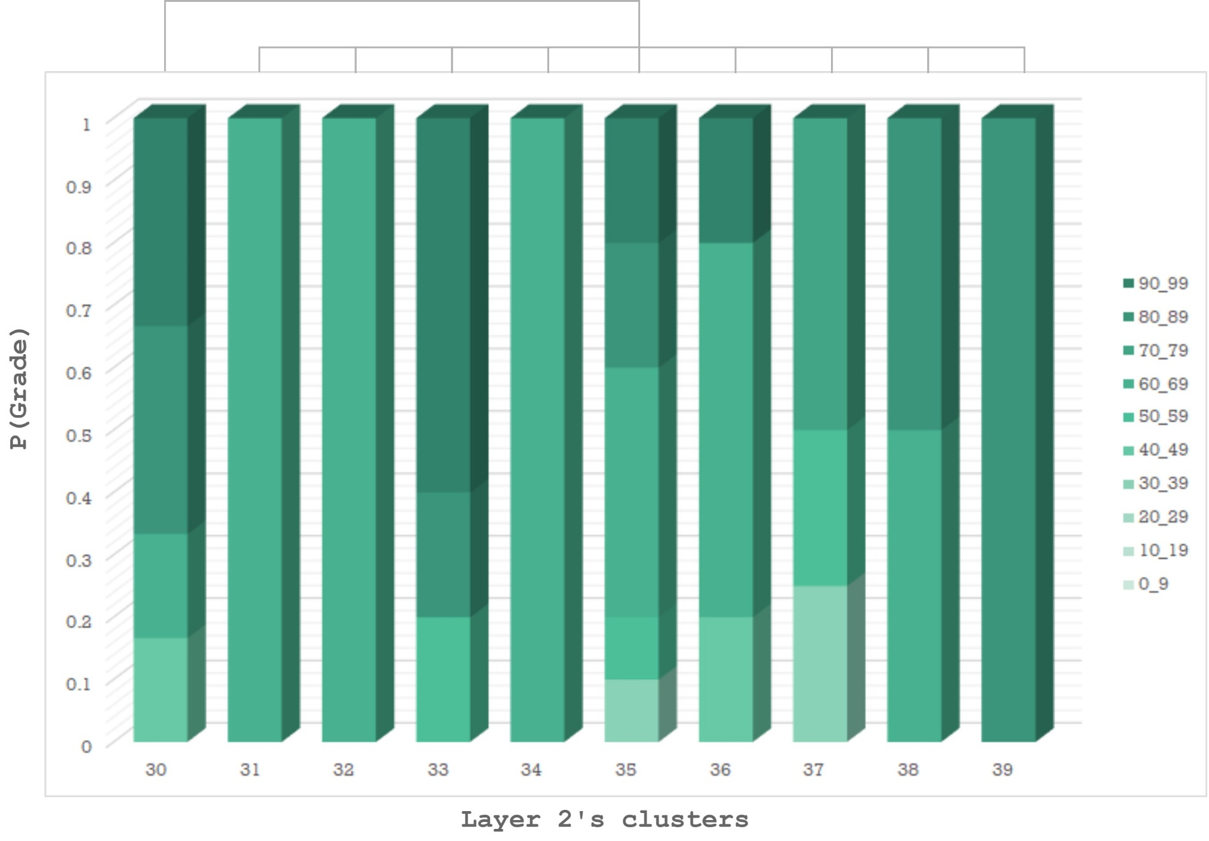

 | 0_9 | 10_19 | 20_29 | 30_39 | 40_49 | 50_59 | 60_69 | 70_79 | 80_89 | 90_99
30 | 0 | 0 | 0 | 0 | 0.16666666667 | 0 | 0.16666666667 | 0 | 0.33333333333 | 0.33333333333
31 | 0 | 0 | 0 | 0 | 0 | 0 | 1 | 0 | 0 | 0
32 | 0 | 0 | 0 | 0 | 0 | 0 | 1 | 0 | 0 | 0
33 | 0 | 0 | 0 | 0 | 0 | 0.2 | 0 | 0 | 0.2 | 0.6
34 | 0 | 0 | 0 | 0 | 0 | 0 | 1 | 0 | 0 | 0
35 | 0 | 0 | 0 | 0.1 | 0 | 0.1 | 0.4 | 0 | 0.2 | 0.2
36 | 0 | 0 | 0 | 0 | 0.2 | 0 | 0.6 | 0 | 0 | 0.2
37 | 0 | 0 | 0 | 0.25 | 0 | 0.25 | 0 | 0.5 | 0 | 0
38 | 0 | 0 | 0 | 0 | 0 | 0 | 0.5 | 0 | 0.5 | 0
39 | 0 | 0 | 0 | 0 | 0 | 0 | 0 | 0 | 1 | 0

