Regression
1yr Price Change % vs 2019 Total Return
2019 YTD Total Return (%) | 1yr Price Change %
70.22 | 74.14
93.87 | 96.33
70.51 | 69.36
100.15 | 97.88
69.79 | 68.54
73.87 | 71.72
65.51 | 62.02
60.33 | 59.00
79.14 | 77.24
67.72 | 71.82
63.98 | 61.97
77.17 | 79.76
71.25 | 73.69
80.68 | 81.71
62.26 | 62.21
62.65 | 67.89
65.77 | 66.45
74.88 | 74.81
66.27 | 67.71 |  |  |  |  |  |  |  | 0.97586469944
62.35 | 63.84 |  |  |  |  |  |  |  | 0.95231191162
61.47 | 63.05 |  |  |  |  |  |  |  | 0.95131840978
84.29 | 67.15 |  |  |  |  |  |  |  | 3.7441132664
83.57 | 85.65 |  |  |  |  |  |  |  | 50
90.33 | 94.88
103.99 | 106.53
76.95 | 82.75 |  |  |  |  |  |  |  | df | MS | F | Significance F
65.32 | 69.76 |  |  |  |  |  |  |  | 1 | 13437.191211 | 958.540661 | 2.2442542425E-33
148.43 | 160.19 |  |  |  |  |  |  |  | 48 | 14.018384152
89.88 | 93.51 |  |  |  |  |  |  |  | 49
88.97 | 91.26
77.02 | 77.59 |  |  |  |  |  |  |  | Coefficients | t Stat | P-value | Lower 95%
65.24 | 70.34 |  |  |  |  |  |  |  | 6.2010801519 | 2.6695585161 | 0.010332797007 | 1.5306047856
60.67 | 58.45 |  |  |  |  |  |  |  | 0.90296046041 | 30.960307831 | 2.2442542425E-33 | 0.84432009752
119.31 | 121.62
62.08 | 57.73
59.52 | 64.55
62.85 | 59.70
92.23 | 90.40
77.25 | 81.14
69.49 | 76.94
78.25 | 81.34
60.42 | 66.06
84.12 | 85.26
91.39 | 96.68
59.16 | 61.69
80.08 | 83.33
88.83 | 89.42
64.17 | 66.16
58.75 | 59.09
68.85 | 67.18

2019 YTD Total Return (%) | 10yr Price Change %
70.22 | 1292.60
93.87 | 1257.20
70.51 | 216.13
100.15 | 271.65
69.79 | 458.88
73.87 | 933.83
65.51 | 166.12
60.33 | 1210.53
79.14 | -34.57
67.72 | 25.23
63.98 | 615.98
77.17 | 1351.40
71.25 | 1055.28
80.68 | 4526.03
62.26 | 1081.96
62.65 | 1720.65
65.77 | 425.09
74.88 | 450.42
66.27 | 388.35
62.35 | 709.36
61.47 | 1061.69
84.29 | 1568.05
83.57 | 20.98
90.33 | 1248.08
103.99 | 740.45
76.95 | 2858.49 |  |  |  |  |  |  |  | 0.14312621921
65.32 | 272.19 |  |  |  |  |  |  |  | 0.020485114626
148.43 | 2039.73 |  |  |  |  |  |  |  | 7.8554514012E-05
89.88 | 512.65 |  |  |  |  |  |  |  | 16.968737906
88.97 | 2314.34 |  |  |  |  |  |  |  | 50
77.02 | 453.45
65.24 | 666.30
60.67 | 149.79 |  |  |  |  |  |  |  | df | MS | F | Significance F
119.31 | 1277.64 |  |  |  |  |  |  |  | 1 | 289.0464761 | 1.0038494736 | 0.32140514848
62.08 | 1214.51 |  |  |  |  |  |  |  | 48 | 287.93806612
59.52 | 1833.33 |  |  |  |  |  |  |  | 49
62.85 | 88.05
92.23 | 76.62 |  |  |  |  |  |  |  | Coefficients | t Stat | P-value | Lower 95%
77.25 | 1016.88 |  |  |  |  |  |  |  | 73.52367955 | 20.36994425 | 2.8783658937E-25 | 66.2664547
69.49 | 1969.81 |  |  |  |  |  |  |  | 0.0028096504307 | 1.001922888 | 0.32140514848 | -0.0028286884876
78.25 | 719.10
60.42 | 1178.53
84.12 | 2098.38
91.39 | 69.94
59.16 | 1985.08
80.08 | 822.51
88.83 | 104.78
64.17 | 185.29
58.75 | 414.45
68.85 | 988.98

Dependent Variable
2019 YTD Total Return (%) | Years in Business | 10yr Price Change % | 1yr Price Change % | Market Cap ($B) -2019 | Avg. Volume | EPS (TTM) | Indicated Dividend Yield (%) 2019 | Overvalued | Undervalued | Analyst Current Recommentation (Buy 1, Hold 0) |  | Buy | Overvalued | Undervalued
70.22 | 26 | 1292.60 | 74.14 | $119.50 | 1,065,788 | 5.52 | - | 1 | 0 | 1 |  | 1 | 1 | 0
93.87 | 26 | 1257.20 | 96.33 | $23.30 | 437,996 | 10.99 | - | 1 | 0 | 1 |  | 1 | 1 | 0
70.51 | 53 | 216.13 | 69.36 | $22.70 | 2,621,026 | 5.66 | 2.28 | 0 | 0 | 0 |  | 0 | 0 | 0
100.15 | 117 | 271.65 | 97.88 | $65.00 | 5,274,949 | 6.25 | 2.06 | 1 | 0 | 0 |  | 0 | 1 | 0
69.79 | 182 | 458.88 | 68.54 | $16.00 | 3,334,434 | 4.48 | 1.74 | 1 | 0 | 0 |  | 0 | 1 | 0
73.87 | 84 | 933.83 | 71.72 | $33.30 | 2,478,646 | 5.52 | 1.85 | 1 | 0 | 1 |  | 1 | 1 | 0
65.51 | 100 | 166.12 | 62.02 | $16.70 | 4,402,979 | 1.66 | 2.48 | 0 | 0 | 0 |  | 0 | 0 | 0
60.33 | 73 | 1210.53 | 59.00 | $74.30 | 1,502,334 | 5.09 | 0.93 | 1 | 0 | 1 |  | 1 | 1 | 0
79.14 | 115 | -34.57 | 77.24 | $8.50 | 5,167,995 | (4.95) | 4.44 | 1 | 0 | 0 |  | 0 | 1 | 0
67.72 | 86 | 25.23 | 71.82 | $20.40 | 2,234,573 | (0.69) | 1.50 | 1 | 0 | 1 |  | 1 | 1 | 0
63.98 | 125 | 615.98 | 61.97 | $21.10 | 787,182 | 14.17 | 2.33 | 0 | 1 | 1 |  | 1 | 0 | 1
77.17 | 21 | 1351.40 | 79.76 | $21.90 | 453,253 | 6.98 | 1.05 | 0 | 0 | 1 |  | 1 | 0 | 0
71.25 | 110 | 1055.28 | 73.69 | $44.80 | 659,957 | 6.82 | 0.84 | 0 | 0 | 1 |  | 1 | 0 | 0
80.68 | 19 | 4526.03 | 81.71 | $14.40 | 265,523 | 5.29 | 0.54 | 1 | 0 | 0 |  | 0 | 1 | 0
62.26 | 159 | 1081.96 | 62.21 | $66.70 | 1,116,203 | 8.43 | 0.84 | 1 | 0 | 1 |  | 1 | 1 | 0
62.65 | 22 | 1720.65 | 67.89 | $12.50 | 1,126,468 | 14.46 | - | 0 | 1 | 1 |  | 1 | 0 | 1
65.77 | 64 | 425.09 | 66.45 | $16.70 | 809,946 | 4.43 | 1.70 | 1 | 0 | 1 |  | 1 | 1 | 0
74.88 | 8 | 450.42 | 74.81 | $9.10 | 1,106,504 | 2.92 | 1.47 | 0 | 0 | 0 |  | 0 | 0 | 0
66.27 | 90 | 388.35 | 67.71 | $13.70 | 2,404,715 | 2.29 | 1.13 | 0 | 0 | 1 |  | 1 | 0 | 0
62.35 | 132 | 709.36 | 63.84 | $15.20 | 1,101,644 | 5.40 | 1.04 | 1 | 0 | 1 |  | 1 | 1 | 0
61.47 | 90 | 1061.69 | 63.05 | $27.90 | 554,392 | 8.51 | 0.95 | 0 | 0 | 1 |  | 1 | 0 | 0
84.29 | 26 | 1568.05 | 67.15 | $30.00 | 289,979 | 13.84 | - | 1 | 0 | 0 |  | 0 | 1 | 0
83.57 | 3 | 20.98 | 85.65 | $13.30 | 2,989,203 | 0.81 | 0.26 | 1 | 0 | 0 |  | 0 | 1 | 0
90.33 | 37 | 1248.08 | 94.88 | $21.10 | 1,786,941 | 2.90 | - | 0 | 0 | 1 |  | 1 | 0 | 0
103.99 | 22 | 740.45 | 106.53 | $28.10 | 1,269,211 | 7.12 | 1.91 | 0 | 0 | 1 |  | 1 | 0 | 0
76.95 | 26 | 2858.49 | 82.75 | $144.00 | 7,942,551 | 3.90 | 0.27 | 0 | 0 | 1 |  | 1 | 0 | 0
65.32 | 5 | 272.19 | 69.76 | $19.30 | 1,368,509 | 3.25 | - | 0 | 0 | 1 |  | 1 | 0 | 0
148.43 | 50 | 2039.73 | 160.19 | $51.10 | 53,424,296 | 0.19 | - | 1 | 0 | 1 |  | 1 | 1 | 0
89.88 | 52 | 512.65 | 93.51 | $55.90 | 7,087,268 | 2.86 | 1.38 | 1 | 0 | 1 |  | 1 | 1 | 0
88.97 | 43 | 2314.34 | 91.26 | $1,304.80 | 26,878,815 | 11.89 | 1.05 | 1 | 0 | 1 |  | 1 | 1 | 0
77.02 | 49 | 453.45 | 77.59 | $18.90 | 5,172,392 | (5.26) | 3.15 | 1 | 0 | 1 |  | 1 | 1 | 0
65.24 | 33 | 666.30 | 70.34 | $21.00 | 977,093 | 3.45 | - | 1 | 0 | 1 |  | 1 | 1 | 0
60.67 | 34 | 149.79 | 58.45 | $100.70 | 9,200,939 | 3.59 | 2.81 | 1 | 0 | 1 |  | 1 | 1 | 0
119.31 | 39 | 1277.64 | 121.62 | $42.40 | 1,533,625 | 13.58 | 1.57 | 0 | 1 | 1 |  | 1 | 0 | 1
62.08 | 41 | 1214.51 | 57.73 | $15.60 | 2,129,733 | 6.30 | 4.37 | 0 | 1 | 1 |  | 1 | 0 | 1
59.52 | 31 | 1833.33 | 64.55 | $19.50 | 1,591,488 | 1.52 | - | 1 | 0 | 0 |  | 0 | 1 | 0
62.85 | 168 | 88.05 | 59.70 | $11.20 | 6,559,628 | 2.60 | 2.99 | 1 | 0 | 0 |  | 0 | 1 | 0
92.23 | 113 | 76.62 | 90.40 | $8.00 | 2,285,773 | 2.84 | 2.71 | 1 | 0 | 0 |  | 0 | 1 | 0
77.25 | 52 | 1016.88 | 81.14 | $54.90 | 1,606,517 | 2.48 | 0.43 | 1 | 0 | 1 |  | 1 | 1 | 0
69.49 | 41 | 1969.81 | 76.94 | $59.70 | 20,354,465 | 3.08 | - | 0 | 1 | 1 |  | 1 | 0 | 1
78.25 | 35 | 719.10 | 81.34 | $20.50 | 960,157 | 4.77 | 1.06 | 0 | 0 | 1 |  | 1 | 0 | 0
60.42 | 50 | 1178.53 | 66.06 | $13.80 | 639,817 | 8.99 | - | 0 | 0 | 0 |  | 0 | 0 | 0
84.12 | 17 | 2098.38 | 85.26 | $20.60 | 2,137,809 | 4.89 | 1.46 | 1 | 0 | 0 |  | 0 | 1 | 0
91.39 | 4 | 69.94 | 96.68 | $13.50 | 1,736,209 | 2.06 | - | 1 | 0 | 1 |  | 1 | 1 | 0
59.16 | 53 | 1985.08 | 61.69 | $301.20 | 3,235,338 | 6.72 | 0.54 | 0 | 0 | 1 |  | 1 | 0 | 0
80.08 | 49 | 822.51 | 83.33 | $22.00 | 538,634 | 5.13 | - | 1 | 0 | 1 |  | 1 | 1 | 0
88.83 | 50 | 104.78 | 89.42 | $13.90 | 934,333 | 4.59 | 1.39 | 0 | 0 | 1 |  | 1 | 0 | 0
64.17 | 26 | 185.29 | 66.16 | $17.50 | 581,722 | 9.15 | 0.79 | 0 | 0 | 1 |  | 1 | 0 | 0
58.75 | 136 | 414.45 | 59.09 | $12.90 | 838,795 | 3.85 | 1.76 | 0 | 1 | 0 |  | 0 | 0 | 1
68.85 | 21 | 988.98 | 67.18 | $49.80 | 395,663 | 5.91 | 1.69 | 1 | 0 | 1 |  | 1 | 1 | 0

SUMMARY OUTPUT

Regression Statistics
Multiple R | 0.99005501641
R Square | 0.98020893551
Adjusted R Square | 0.97513430359
Standard Error | 2.6758817265
Observations | 50

ANOVA
 | df | SS | MS | F | Significance F
Regression | 10 | 13830.820272 | 1383.0820272 | 193.15862725 | 5.437096022E-30
Residual | 39 | 279.25337754 | 7.160343014
Total | 49 | 14110.07365

 | Coefficients | Standard Error | t Stat | P-value | Lower 95% | Upper 95% | Lower 95.0% | Upper 95.0%
Intercept | 0.6092581416 | 2.6499916324 | 0.22990945864 | 0.81936376032 | -4.7508558714 | 5.9693721546 | -4.7508558714 | 5.9693721546
Years in Business | -0.010463483998 | 0.010378708664 | -1.0081681967 | 0.31958809447 | -0.031456403774 | 0.010529435778 | -0.031456403774 | 0.010529435778
10yr Price Change % | -0.00032272446488 | 0.00055227024314 | -0.58435968421 | 0.56234363061 | -0.0014397964711 | 0.00079434754133 | -0.0014397964711 | 0.00079434754133
1yr Price Change % | 0.93047604561 | 0.028929498751 | 32.163573023 | 1.0874703026E-29 | 0.87196061116 | 0.98899148005 | 0.87196061116 | 0.98899148005
Market Cap ($B) -2019 | -0.0031201637997 | 0.0027025906464 | -1.1545084728 | 0.25531720212 | -0.0085866693607 | 0.0023463417614 | -0.0085866693607 | 0.0023463417614
Avg. Volume | 1.56506274E-08 | 7.1423298067E-08 | 0.21912496095 | 0.82769548557 | -1.2881662908E-07 | 1.6011788388E-07 | -1.2881662908E-07 | 1.6011788388E-07
EPS (TTM) | 0.58383227774 | 0.1268633903 | 4.6020548272 | 4.3573821698E-05 | 0.32722685009 | 0.84043770539 | 0.32722685009 | 0.84043770539
Indicated Dividend Yield (%) 2019 | 2.0514629887 | 0.4389800799 | 4.6732484745 | 3.4914081019E-05 | 1.1635419671 | 2.9393840104 | 1.1635419671 | 2.9393840104
Overvalued | 1.9061942725 | 0.883368521 | 2.1578698212 | 0.037156038564 | 0.119412786 | 3.6929757589 | 0.119412786 | 3.6929757589
Undervalued | -2.6318094709 | 1.4935727688 | -1.7620898867 | 0.085891165118 | -5.6528455488 | 0.38922660697 | -5.6528455488 | 0.38922660697
Analyst Current Recommentation (Buy 1, Hold 0) | -2.4360737777 | 0.89725270252 | -2.7150364338 | 0.0098214566079 | -4.2509386721 | -0.62120888334 | -4.2509386721 | -0.62120888334

Sheet4
1yr Price Change % Residual Plot
2019 YTD Total Return (%) | 1yr Price Change % | EPS (TTM) | Indicated Dividend Yield (%) 2019 | Overvalued | Undervalued | Analyst Current Recommentation (Buy 1, Hold 0) | Consumer Staples | Industrials | Market Cap ($B) -2019
70.22 | 74.14 | 5.52 | - | 1 | 0 | 1 | 0 | 0 | $119.50
93.87 | 96.33 | 10.99 | - | 1 | 0 | 1 | 0 | 0 | $23.30
70.51 | 69.36 | 5.66 | 2.28 | 0 | 0 | 0 | 0 | 0 | $22.70
100.15 | 97.88 | 6.25 | 2.06 | 1 | 0 | 0 | 0 | 0 | $65.00
69.79 | 68.54 | 4.48 | 1.74 | 1 | 0 | 0 | 0 | 0 | $16.00
73.87 | 71.72 | 5.52 | 1.85 | 1 | 0 | 1 | 1 | 0 | $33.30
65.51 | 62.02 | 1.66 | 2.48 | 0 | 0 | 0 | 1 | 0 | $16.70
60.33 | 59.00 | 5.09 | 0.93 | 1 | 0 | 1 | 1 | 0 | $74.30
79.14 | 77.24 | (4.95) | 4.44 | 1 | 0 | 0 | 1 | 0 | $8.50
67.72 | 71.82 | (0.69) | 1.50 | 1 | 0 | 1 | 0 | 0 | $20.40
63.98 | 61.97 | 14.17 | 2.33 | 0 | 1 | 1 | 0 | 0 | $21.10
Indicated Dividend Yield (%) 2019 Residual Plot
Overvalued Residual Plot
77.17 | 79.76 | 6.98 | 1.05 | 0 | 0 | 1 | 0 | 0 | $21.90
EPS (TTM) Residual Plot
71.25 | 73.69 | 6.82 | 0.84 | 0 | 0 | 1 | 0 | 0 | $44.80
80.68 | 81.71 | 5.29 | 0.54 | 1 | 0 | 0 | 0 | 0 | $14.40
62.26 | 62.21 | 8.43 | 0.84 | 1 | 0 | 1 | 0 | 0 | $66.70
62.65 | 67.89 | 14.46 | - | 0 | 1 | 1 | 0 | 1 | $12.50
65.77 | 66.45 | 4.43 | 1.70 | 1 | 0 | 1 | 0 | 1 | $16.70
74.88 | 74.81 | 2.92 | 1.47 | 0 | 0 | 0 | 0 | 1 | $9.10
66.27 | 67.71 | 2.29 | 1.13 | 0 | 0 | 1 | 0 | 1 | $13.70
62.35 | 63.84 | 5.40 | 1.04 | 1 | 0 | 1 | 0 | 1 | $15.20
61.47 | 63.05 | 8.51 | 0.95 | 0 | 0 | 1 | 0 | 1 | $27.90
84.29 | 67.15 | 13.84 | - | 1 | 0 | 0 | 0 | 1 | $30.00
83.57 | 85.65 | 0.81 | 0.26 | 1 | 0 | 0 | 0 | 1 | $13.30
Undervalued Residual Plot
Analyst Current Recommentation (Buy 1, Hold 0) Residual Plot
Consumer Staples Residual Plot
90.33 | 94.88 | 2.90 | - | 0 | 0 | 1 | 0 | 1 | $21.10
103.99 | 106.53 | 7.12 | 1.91 | 0 | 0 | 1 | 0 | 0 | $28.10
76.95 | 82.75 | 3.90 | 0.27 | 0 | 0 | 1 | 0 | 0 | $144.00
65.32 | 69.76 | 3.25 | - | 0 | 0 | 1 | 0 | 0 | $19.30
148.43 | 160.19 | 0.19 | - | 1 | 0 | 1 | 0 | 0 | $51.10
89.88 | 93.51 | 2.86 | 1.38 | 1 | 0 | 1 | 0 | 0 | $55.90
88.97 | 91.26 | 11.89 | 1.05 | 1 | 0 | 1 | 0 | 0 | $1,304.80
77.02 | 77.59 | (5.26) | 3.15 | 1 | 0 | 1 | 0 | 0 | $18.90
65.24 | 70.34 | 3.45 | - | 1 | 0 | 1 | 0 | 0 | $21.00
60.67 | 58.45 | 3.59 | 2.81 | 1 | 0 | 1 | 0 | 0 | $100.70
119.31 | 121.62 | 13.58 | 1.57 | 0 | 1 | 1 | 0 | 0 | $42.40
1yr Price Change % Line Fit Plot
Market Cap ($B) -2019 Residual Plot
Industrials Residual Plot
62.08 | 57.73 | 6.30 | 4.37 | 0 | 1 | 1 | 0 | 0 | $15.60
59.52 | 64.55 | 1.52 | - | 1 | 0 | 0 | 0 | 0 | $19.50
62.85 | 59.70 | 2.60 | 2.99 | 1 | 0 | 0 | 0 | 0 | $11.20
92.23 | 90.40 | 2.84 | 2.71 | 1 | 0 | 0 | 0 | 0 | $8.00
77.25 | 81.14 | 2.48 | 0.43 | 1 | 0 | 1 | 0 | 0 | $54.90
69.49 | 76.94 | 3.08 | - | 0 | 1 | 1 | 0 | 0 | $59.70
78.25 | 81.34 | 4.77 | 1.06 | 0 | 0 | 1 | 0 | 0 | $20.50
60.42 | 66.06 | 8.99 | - | 0 | 0 | 0 | 0 | 0 | $13.80
84.12 | 85.26 | 4.89 | 1.46 | 1 | 0 | 0 | 0 | 0 | $20.60
91.39 | 96.68 | 2.06 | - | 1 | 0 | 1 | 0 | 0 | $13.50
Indicated Dividend Yield (%) 2019 Line Fit Plot
59.16 | 61.69 | 6.72 | 0.54 | 0 | 0 | 1 | 0 | 0 | $301.20
Overvalued Line Fit Plot
EPS (TTM) Line Fit Plot
80.08 | 83.33 | 5.13 | - | 1 | 0 | 1 | 0 | 0 | $22.00
88.83 | 89.42 | 4.59 | 1.39 | 0 | 0 | 1 | 0 | 0 | $13.90
64.17 | 66.16 | 9.15 | 0.79 | 0 | 0 | 1 | 0 | 0 | $17.50
58.75 | 59.09 | 3.85 | 1.76 | 0 | 1 | 0 | 0 | 0 | $12.90
68.85 | 67.18 | 5.91 | 1.69 | 1 | 0 | 1 | 0 | 0 | $49.80

SUMMARY OUTPUT

Regression Statistics
Multiple R | 0.99090840214
R Square | 0.98189946144
Analyst Current Recommentation (Buy 1, Hold 0) Line Fit Plot
Market Cap ($B) -2019 Line Fit Plot
Industrials Line Fit Plot
Adjusted R Square | 0.97782684026
Standard Error | 2.5268554186
Observations | 50

ANOVA
 | df | SS | MS | F | Significance F
Regression | 9 | 13854.673718 | 1539.4081909 | 241.09766628 | 5.9699262733E-32
Residual | 40 | 255.39993225 | 6.3849983063
Total | 49 | 14110.07365

Undervalued Line Fit Plot
Normal Probability Plot
Consumer Staples Line Fit Plot
 | Coefficients | Standard Error | t Stat | P-value | Lower 95% | Upper 95% | Lower 95.0% | Upper 95.0%
Intercept | -2.0843839903 | 2.1357779241 | -0.97593666775 | 0.33496141433 | -6.400952192 | 2.2321842113 | -6.400952192 | 2.2321842113
1yr Price Change % | 0.94717080782 | 0.021039853437 | 45.017937537 | 6.8904224198E-36 | 0.90464767783 | 0.98969393782 | 0.90464767783 | 0.98969393782
EPS (TTM) | 0.55490616982 | 0.1078097754 | 5.1470858536 | 7.4012880936E-06 | 0.33701448594 | 0.77279785371 | 0.33701448594 | 0.77279785371
Indicated Dividend Yield (%) 2019 | 2.024784006 | 0.38228421939 | 5.2965409066 | 4.5827788167E-06 | 1.2521587781 | 2.7974092339 | 1.2521587781 | 2.7974092339
Overvalued | 1.8069673826 | 0.82072593223 | 2.201669658 | 0.033518156954 | 0.14821839874 | 3.4657163664 | 0.14821839874 | 3.4657163664
Undervalued | -2.4857476067 | 1.3412808898 | -1.8532640147 | 0.071231151762 | -5.1965774045 | 0.22508219114 | -5.1965774045 | 0.22508219114
Analyst Current Recommentation (Buy 1, Hold 0) | -2.1308361731 | 0.83150901841 | -2.5626134244 | 0.014257849397 | -3.811378587 | -0.45029375919 | -3.811378587 | -0.45029375919
Consumer Staples | 1.7372602501 | 1.4376238475 | 1.2084247581 | 0.23397953082 | -1.1682859286 | 4.6428064287 | -1.1682859286 | 4.6428064287
Industrials | 1.9647312662 | 0.98635867476 | 1.9919034693 | 0.053239095382 | -0.028773977375 | 3.9582365098 | -0.028773977375 | 3.9582365098
Market Cap ($B) -2019 | -0.0025619545008 | 0.0021185966069 | -1.2092696139 | 0.23365849301 | -0.006843797965 | 0.0017198889634 | -0.006843797965 | 0.0017198889634

RESIDUAL OUTPUT |  |  |  |  | PROBABILITY OUTPUT

Observation | Predicted 2019 YTD Total Return (%) | Residuals | Standard Residuals |  | Percentile | 2019 YTD Total Return (%)
1 | 70.571919406 | -0.35191940574 | -0.15414550566 |  | 1 | 58.75
2 | 94.871436403 | -1.0014364033 | -0.43864282064 |  | 3 | 59.16
3 | 71.310503328 | -0.80050332799 | -0.35063138965 |  | 5 | 59.52
4 | 99.904353633 | 0.24564636682 | 0.10759646331 |  | 7 | 60.33
5 | 70.6097831 | -0.81978309966 | -0.35907619293 |  | 9 | 60.42
6 | 73.98371719 | -0.1137171899 | -0.049809682143 |  | 11 | 60.67
7 | 64.296233698 | 1.2137663025 | 0.53164621615 |  | 13 | 61.47
8 | 59.729253441 | 0.60074655868 | 0.26313519673 |  | 15 | 62.08
9 | 80.840795671 | -1.7007956712 | -0.74497173074 |  | 17 | 62.26
10 | 68.219581517 | -0.49958151697 | -0.21882352691 |  | 19 | 62.35
11 | 64.521917111 | -0.54191711109 | -0.23736709529 |  | 21 | 62.65
12 | 77.274284937 | -0.10428493665 | -0.045678226409 |  | 23 | 62.85
13 | 70.952299747 | 0.29770025333 | 0.13039677647 |  | 25 | 63.98
14 | 81.107854956 | -0.42785495629 | -0.18740631381 |  | 27 | 64.17
15 | 62.723038385 | -0.46303838526 | -0.20281713618 |  | 29 | 65.24
16 | 67.559108424 | -4.9091084236 | -2.1502565303 |  | 31 | 65.32
17 | 68.353561168 | -2.5835611675 | -1.1316350735 |  | 33 | 65.51
18 | 75.311640128 | -0.43164012788 | -0.18906427066 |  | 35 | 65.77
19 | 65.406088779 | 0.86391122051 | 0.37840491249 |  | 37 | 66.27
20 | 65.087189832 | -2.7371898316 | -1.1989265264 |  | 39 | 67.72
21 | 64.042948316 | -2.5729483164 | -1.1269864998 |  | 41 | 68.85
22 | 72.892877159 | 11.397122841 | 4.9920954479 |  | 43 | 69.49
23 | 83.754338193 | -0.18433819278 | -0.080742645831 |  | 45 | 69.79
24 | 89.172248002 | 1.1577519984 | 0.50711118602 |  | 47 | 70.22
25 | 104.43316445 | -0.44316445311 | -0.19411208249 |  | 49 | 70.51
26 | 76.50506848 | 0.44493152022 | 0.19488608202 |  | 51 | 71.25
27 | 63.61341472 | 1.7065852796 | 0.74750765827 |  | 53 | 73.87
28 | 149.29355522 | -0.86355522167 | -0.37824898014 |  | 55 | 74.88
29 | 90.399709776 | -0.51970977605 | -0.22763997927 |  | 57 | 76.95
30 | 89.411574474 | -0.441574474 | -0.19341564992 |  | 59 | 77.02
31 | 74.493572424 | 2.5264275764 | 1.1066097803 |  | 61 | 77.17
32 | 66.076367083 | -0.8363670828 | -0.36634020402 |  | 63 | 77.25
33 | 60.377648325 | 0.29235167536 | 0.12805402628 |  | 65 | 78.25
34 | 119.09985568 | 0.21014431783 | 0.092046081023 |  | 67 | 79.14
35 | 60.283451451 | 1.7965485487 | 0.78691279868 |  | 69 | 80.08
36 | 61.655958303 | -2.1359583026 | -0.93557890602 |  | 71 | 80.68
37 | 63.736846948 | -0.88684694831 | -0.38845107449 |  | 73 | 83.57
38 | 92.389426962 | -0.15942696198 | -0.069831186546 |  | 75 | 84.12
39 | 76.551359688 | 0.69864031244 | 0.30601399775 |  | 77 | 84.29
40 | 67.730516503 | 1.7594834968 | 0.7706777998 |  | 79 | 88.83
41 | 77.568306754 | 0.68169324594 | 0.29859095119 |  | 81 | 88.97
42 | 65.438971069 | -5.0189710691 | -2.1983778693 |  | 83 | 89.88
43 | 86.095266024 | -1.9752660237 | -0.8651934934 |  | 85 | 90.33
44 | 90.272741244 | 1.1172587564 | 0.48937459304 |  | 87 | 91.39
45 | 58.2664391 | 0.89356089999 | 0.39139187701 |  | 89 | 92.23
46 | 79.309796287 | 0.77020371277 | 0.3373597444 |  | 91 | 93.87
47 | 85.806651392 | 3.0233486076 | 1.3242679782 |  | 93 | 100.15
48 | 65.081737097 | -0.91173709702 | -0.39935329953 |  | 95 | 103.99
49 | 57.065150829 | 1.6848491714 | 0.73798694604 |  | 97 | 119.31
50 | 67.796477188 | 1.0535228117 | 0.46145737883 |  | 99 | 148.43

Independence & Goodness Tests
 |  |  | Independence Test
10yr Price Change % | Analyst Current Recommentation |  |  |  |  |  |  | Observed | 10yr Price Change %
1292.60 | Buy |  |  |  |  |  |  | Analyst Recommendation | -50-700 | 700-1450 | 1450-2200 | 2200-2950 | 4450-5200 | Grand Total
1257.20 | Buy |  | I would like to test if there's any relationship between the percentage of 10years stock price change and Analyst current recommendation on the top 50 performing stocks in 2019. Based on the stocks 2019 performance, analyst would recommend either buy or hold on the stocks, the lowest percentage of 10year stock price change is -34.57% and highest is 4526.03%, so I group the 10yr price change by 750 from -50 to 5200. I have 5 groups, buy group has 35 samples and hold group has 15 samples. See the tables on the right side for Chi Square caculation. P-Value I calculated is 0.0227, it's smaller than the alpha 0.05, so it rejected the Ho hypothesis 'the two variables are independent' |  |  |  |  | Buy | 12 | 17 | 4 | 2 |  | 35
216.13 | Hold |  |  |  |  |  |  | Hold | 10 | 1 | 3 |  | 1 | 15
271.65 | Hold |  |  |  |  |  |  | Grand Total | 22 | 18 | 7 | 2 | 1 | 50
458.88 | Hold
933.83 | Buy |  |  |  |  |  |  | Expected | 10yr Price Change %
166.12 | Hold |  |  |  |  |  |  | Analyst Recommendation | -50-700 | 700-1450 | 1450-2200 | 2200-2950 | 4450-5200 | Grand Total
1210.53 | Buy |  |  |  |  |  |  | Buy | 15.4 | 12.6 | 4.9 | 1.4 | 0.7 | 35
-34.57 | Hold |  |  |  |  |  |  | Hold | 6.6 | 5.4 | 2.1 | 0.6 | 0.3 | 15
25.23 | Buy |  |  |  |  |  |  | Grand Total | 22 | 18 | 7 | 2 | 1 | 50
615.98 | Buy
1351.40 | Buy
1055.28 | Buy
4526.03 | Hold |  |  |  |  |  |  | Chi Square Parts | 10yr Price Change %
1081.96 | Buy |  |  |  |  |  |  | Analyst Recommendation | -50-700 | 700-1450 | 1450-2200 | 2200-2950 | 4450-5200
1720.65 | Buy |  |  |  |  |  |  | Buy | 0.75 | 1.54 | 0.17 | 0.26 | 0.70
425.09 | Buy |  |  |  |  |  |  | Hold | 1.75 | 3.59 | 0.39 | 0.60 | 1.63
450.42 | Hold
388.35 | Buy |  | Ho: | The Two Variables are independent
709.36 | Buy |  | Ha: | The Two Variables are not independent
1061.69 | Buy
1568.05 | Hold |  |  |  |  |  |  | Chi Square Total | 11.37
20.98 | Hold |  |  |  |  |  |  | Degree of Freedom | 4
1248.08 | Buy
740.45 | Buy |  |  |  |  |  |  | P-value
2858.49 | Buy |  |  |  |  |  |  | 0.022750721067 | <alpha 0.05
272.19 | Buy |  |  |  |  |  |  | Reject Ho
2039.73 | Buy
512.65 | Buy |  |  |  |  |  | Conclusion: | At the population level, based on my sample, the two variables % of 10year stock price change and analyst recommendations are not independent.
2314.34 | Buy
453.45 | Buy
666.30 | Buy
149.79 | Buy
1277.64 | Buy
1214.51 | Buy
1833.33 | Hold
88.05 | Hold
76.62 | Hold
1016.88 | Buy
1969.81 | Buy
719.10 | Buy
1178.53 | Hold
2098.38 | Hold
69.94 | Buy
1985.08 | Buy
822.51 | Buy
104.78 | Buy
185.29 | Buy
414.45 | Hold
988.98 | Buy

Observed | 10yr Price Change %
Analyst Current Recommentation | -50-700 | 700-1450 | 1450-2200 | 2200-2950 | 4450-5200 | Grand Total
Buy | 12 | 17 | 4 | 2 |  | 35
Hold | 10 | 1 | 3 |  | 1 | 15
Grand Total | 22 | 18 | 7 | 2 | 1 | 50

 |  |  | Goodness of Fit

Earning per Share (TTM) |  | Row Labels | Count of EPS (TTM)
5.52 |  | -5.5--3.5 | 2
10.99 |  | -1.5-0.5 | 2
5.66 |  | 0.5-2.5 | 6
6.25 |  | 2.5-4.5 | 13
4.48 |  | 4.5-6.5 | 13
5.52 |  | 6.5-8.5 | 5
1.66 |  | 8.5-10.5 | 3
5.09 |  | 10.5-12.5 | 2
(4.95) |  | 12.5-14.5 | 4
(0.69) |  | Grand Total | 50
14.17
6.98
6.82 |  | Ho: | The data fits the uniform distribution
5.29 |  | Ha: | the data does not fit the uniform distribution
8.43
14.46
4.43
2.92
2.29 |  | Min | Max | Observed | Expected | Count | (O-E)^2 | (O-E)^2/E
5.40 |  | -5.5 | -3.5 | 2 | 5.5555555556 | -3.5555555556 | 12.641975309 | 2.2755555556
8.51 |  | -1.5 | 0.5 | 2 | 5.5555555556 | -3.5555555556 | 12.641975309 | 2.2755555556
13.84 |  | 0.5 | 2.5 | 6 | 5.5555555556 | 0.44444444444 | 0.1975308642 | 0.035555555556
0.81 |  | 2.5 | 4.5 | 13 | 5.5555555556 | 7.4444444444 | 55.419753086 | 9.9755555556
2.90 |  | 4.5 | 6.5 | 13 | 5.5555555556 | 7.4444444444 | 55.419753086 | 9.9755555556
7.12 |  | 6.5 | 8.5 | 5 | 5.5555555556 | -0.55555555556 | 0.30864197531 | 0.055555555556
3.90 |  | 8.5 | 10.5 | 3 | 5.5555555556 | -2.5555555556 | 6.5308641975 | 1.1755555556
3.25 |  | 10.5 | 12.5 | 2 | 5.5555555556 | -3.5555555556 | 12.641975309 | 2.2755555556
0.19 |  | 12.5 | 14.5 | 4 | 5.5555555556 | -1.5555555556 | 2.4197530864 | 0.43555555556
2.86 |  |  |  | 50 |  |  | Chi Square Cal | 28.48
11.89 |  |  |  |  |  |  | Degrees of Freedom | 8
(5.26)
3.45 |  |  |  |  |  |  | p-value | 0.00039108049049 | < alpha 0.05
3.59 |  |  |  |  |  |  |  | Reject Ho
13.58
6.30 |  |  | Conclusion: | At the population level, based on my sample, the data does not fit the uniform distribution.
1.52
2.60
2.84
2.48
3.08
4.77
8.99
4.89 |  | Ho: | The data fits the normal distribution
2.06 |  | Ha: | the data does not fit the normal distribution
6.72
5.13
4.59
9.15
3.85
5.91
 |  |  |  |  | Mean | 5.12
 |  |  |  |  | Sd | 4.16
 |  | ten Group | Probability | Min | Max | Observed | Expected | (O-E)^2/E
 |  |  | 0.1 |  | -0.20152131477 | 3 | 5 | 0.8
 |  |  | 0.1 | -0.20152131477 | 1.6268267448 | 3 | 5 | 0.8
 |  |  | 0.1 | 1.6268267448 | 2.9451943301 | 9 | 5 | 3.2
 |  |  | 0.1 | 2.9451943301 | 4.0716908215 | 6 | 5 | 0.2
 |  |  | 0.1 | 4.0716908215 | 5.1246 | 6 | 5 | 0.2
 |  |  | 0.1 | 5.1246 | 6.1775091785 | 7 | 5 | 0.8
 |  |  | 0.1 | 6.1775091785 | 7.3040056699 | 6 | 5 | 0.2
 |  |  | 0.1 | 7.3040056699 | 8.6223732552 | 2 | 5 | 1.8
 |  |  | 0.1 | 8.6223732552 | 10.450721315 | 2 | 5 | 1.8
 |  |  | 0.1 | 10.450721315 |  | 6 | 5 | 0.2
 |  |  |  |  |  |  | Chi Square Cal | 10
 |  |  |  |  |  |  | Df | 7
 |  |  |  |  |  |  | p-value | 0.18857346751 | > alpha 0.05
 |  |  |  |  |  |  |  | Failed to Reject

 |  |  | Conclusion: | Based on my sample, I don't have enough evidence to say the data does not fit the normal distribution.

ANOVA Tests
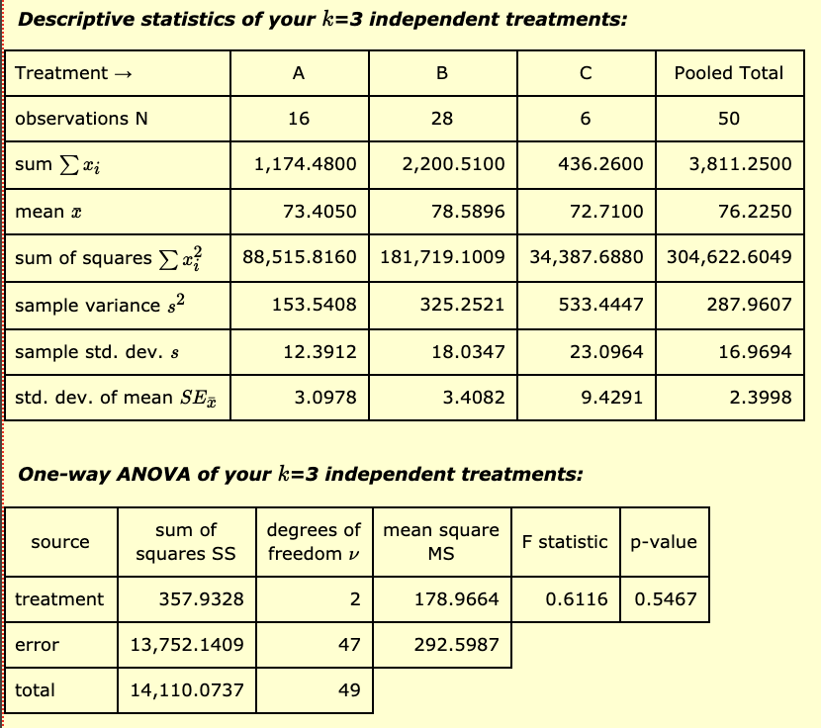
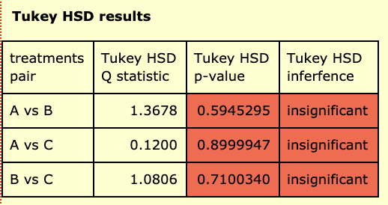
 |  |  |  |  |  |  |  |  |  |  |  |  | Post-Hoc Testing
 |  | Near Fair Value | Overvalued | Undervalued |  | Hypothesis:
2019 YTD Total Return (%) |  | 103.99 | 148.43 | 119.31 |  | Ho: | All the population means are equal
 |  | 90.33 | 93.87 | 69.49 |  | Ha: | Not all the population means are equal
 |  | 88.83 | 91.39 | 63.98
 |  | 78.25 | 89.88 | 62.65 |  |  | P-Value > Alpha (0.05)
 |  | 77.17 | 88.97 | 62.08 |  | Decision: | Failed to Reject
 |  | 76.95 | 80.08 | 58.75 |  | Conclusion: | Because we failed to reject the null hypothesis, I think that all the means are more or less the same but not 100% sure that all the means are equal to all the other means.
 |  | 71.25 | 77.25
 |  | 66.27 | 77.02
 |  | 65.32 | 73.87
 |  | 64.17 | 70.22 |  |  | Anova: Single Factor
 |  | 61.47 | 68.85
 |  | 59.16 | 67.72 |  |  | SUMMARY
 |  | 74.88 | 65.77 |  |  | Groups | Count | Sum | Average | Variance
 |  | 70.51 | 65.24 |  |  | Near Fair Value | 16 | 1174.48 | 73.4050 | 153.5408
 |  | 65.51 | 62.35 |  |  | Overvalued | 28 | 2200.51 | 78.5896 | 325.2521
 |  | 60.42 | 62.26 |  |  | Undervalued | 6 | 436.26 | 72.7100 | 533.4447
 |  |  | 60.67
 |  |  | 60.33
 |  |  | 100.15 |  |  | ANOVA
 |  |  | 92.23 |  |  | Source of Variation | SS | df | MS | F | P-value | F crit
 |  |  | 84.29 |  |  | Between Groups | 357.93275357 | 2 | 178.96637679 | 0.61164438121 | 0.54671912446 | 3.1950562807
 |  |  | 84.12 |  |  | Within Groups | 13752.140896 | 47 | 292.59874248
 |  |  | 83.57
 |  |  | 80.68 |  |  | Total | 14110.07365 | 49
 |  |  | 79.14
 |  |  | 69.79
 |  |  | 62.85
 |  |  | 59.52
 |  |  |  |  |  |  |  |  |  |  |  |  | Post-Hoc Testing
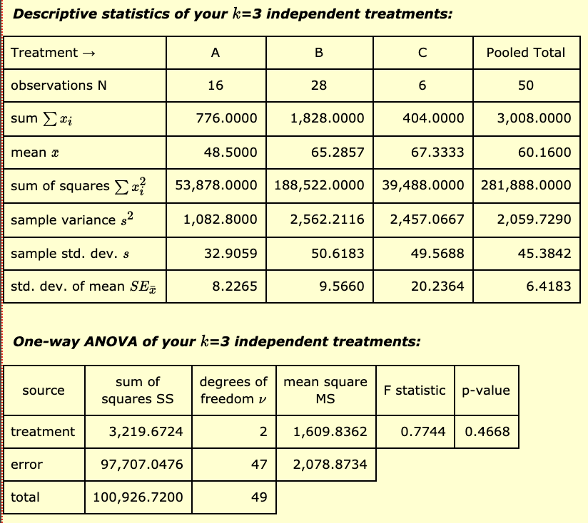

 |  | Near Fair Value | Overvalued | Undervalued |  | Hypothesis:
Years in Business |  | 22 | 50 | 39 |  | Ho: | All the population means are equal
 |  | 37 | 26 | 41 |  | Ha: | Not all the population means are equal
 |  | 50 | 4 | 125
 |  | 35 | 52 | 22 |  |  | P-Value > Alpha (0.05)
 |  | 21 | 43 | 41 |  | Decision: | Failed to Reject
 |  | 26 | 49 | 136 |  | Conclusion: | Because we failed to reject the null hypothesis, I think that all the means are more or less the same but not 100% sure that all the means are equal to all the other means.
 |  | 110 | 52
 |  | 90 | 49
 |  | 5 | 84
 |  | 26 | 26 |  |  | Anova: Single Factor
 |  | 90 | 21
 |  | 53 | 86 |  |  | SUMMARY
 |  | 8 | 64 |  |  | Groups | Count | Sum | Average | Variance
 |  | 53 | 33 |  |  | Near Fair Value | 16 | 776 | 48.5000 | 1082.8000
 |  | 100 | 132 |  |  | Overvalued | 28 | 1828 | 65.2857 | 2562.2116
 |  | 50 | 159 |  |  | Undervalued | 6 | 404 | 67.3333 | 2457.0667
 |  |  | 34
 |  |  | 73
 |  |  | 117 |  |  | ANOVA
 |  |  | 113 |  |  | Source of Variation | SS | df | MS | F | P-value | F crit
 |  |  | 26 |  |  | Between Groups | 3219.672381 | 2 | 1609.8361905 | 0.77437915479 | 0.46678154977 | 3.1950562807
 |  |  | 17 |  |  | Within Groups | 97707.047619 | 47 | 2078.8733536
 |  |  | 3
 |  |  | 19 |  |  | Total | 100926.72 | 49
 |  |  | 115
 |  |  | 182
 |  |  | 168
 |  |  | 31

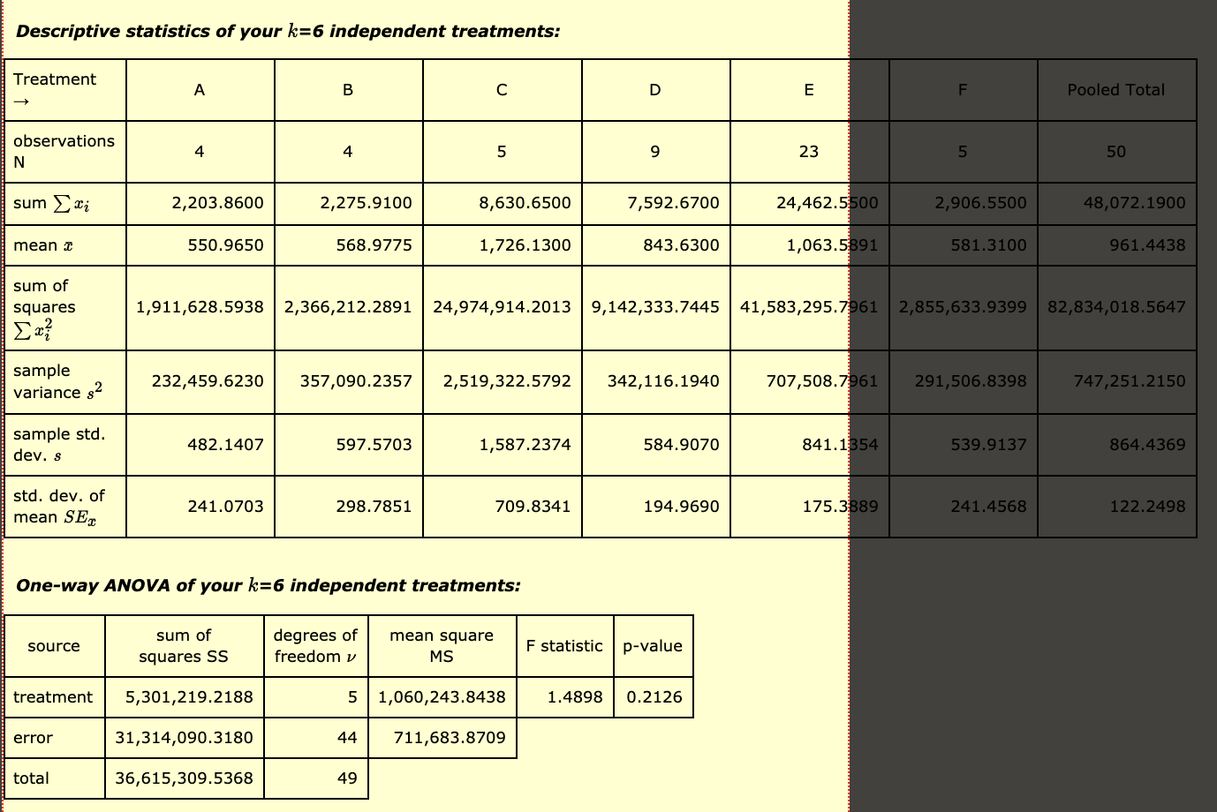
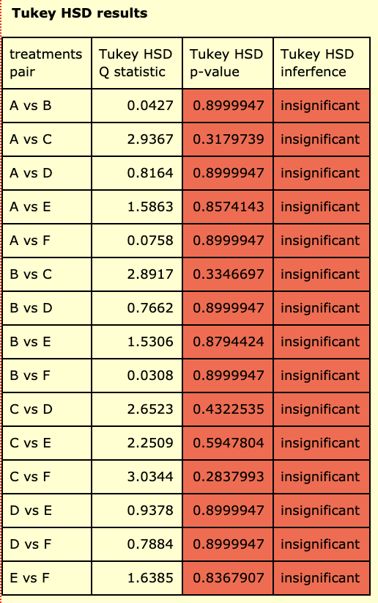
 |  |  |  |  |  |  |  |  |  |  |  |  |  | Post-Hoc Testing
 | Consumer Discretionary | Consumer Staples | Financials | Industrials | Information Technology | Others (Including Real States, Materials, Energy and Communication Services) | Hypothesis:
10yr Price Change % | 1257.20 | 933.83 | 615.98 | 1720.65 | 740.45 | 185.29 | Ho: | All the population means are equal
 | 216.13 | 166.12 | 1351.40 | 425.09 | 2858.49 | 414.45 | Ha: | Not all the population means are equal
 | 271.65 | 1210.53 | 1055.28 | 450.42 | 272.19 | 988.98 |  | P-Value > Alpha (0.05)
 | 458.88 | -34.57 | 4526.03 | 388.35 | 2039.73 | 25.23 | Decision: | Failed to Reject
 |  |  | 1081.96 | 709.36 | 512.65 | 1292.60 | Conclusion: | Because we failed to reject the null hypothesis, I think that all the means are more or less the same but not 100% sure that all the means are equal to all the other means.
 |  |  |  | 1061.69 | 2314.34
 |  |  |  | 1568.05 | 453.45
 |  |  |  | 20.98 | 666.30 |  | Anova: Single Factor
 |  |  |  | 1248.08 | 149.79
 |  |  |  |  | 1277.64 |  | SUMMARY
 |  |  |  |  | 1214.51 |  | Groups | Count | Sum | Average | Variance
 |  |  |  |  | 1833.33 |  | Consumer Discretionary | 4 | 2203.859778 | 550.9649 | 232458.5192
 |  |  |  |  | 88.05 |  | Consumer Staples | 4 | 2275.9095311 | 568.9774 | 357090.1807
 |  |  |  |  | 76.62 |  | Financials | 5 | 8630.6509329 | 1726.1302 | 2519327.9919
 |  |  |  |  | 1016.88 |  | Industrials | 9 | 7592.6696053 | 843.6300 | 342117.3481
 |  |  |  |  | 1969.81 |  | Information Technology | 23 | 24462.545177 | 1063.5889 | 707508.6938
 |  |  |  |  | 719.10 |  | Others (Including Real States, Materials, Energy and Communication Services) | 5 | 2906.5454259 | 581.3091 | 291507.6336
 |  |  |  |  | 1178.53
 |  |  |  |  | 2098.38
 |  |  |  |  | 69.94 |  | ANOVA
 |  |  |  |  | 1985.08 |  | Source of Variation | SS | df | MS | F | P-value | F crit
 |  |  |  |  | 822.51 |  | Between Groups | 5301223.7811 | 5 | 1060244.7562 | 1.4897679157 | 0.21258307325 | 2.4270401198
 |  |  |  |  | 104.78 |  | Within Groups | 31314118.651 | 44 | 711684.51479

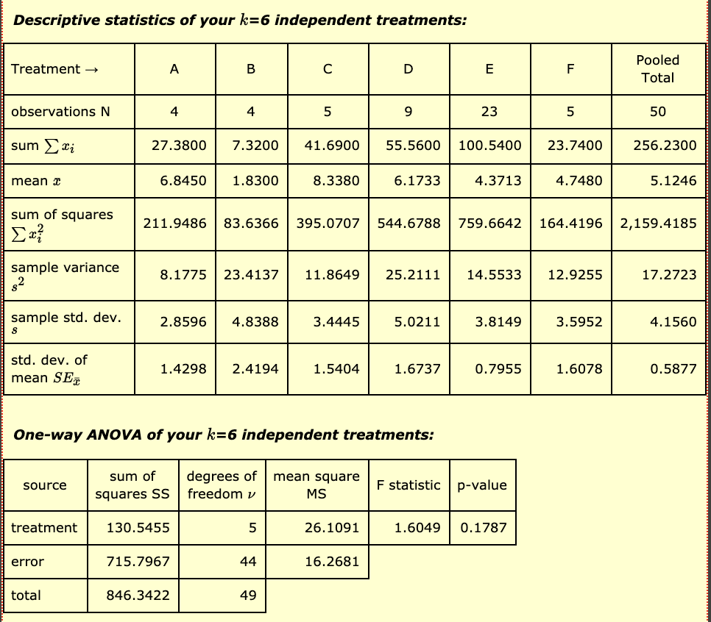
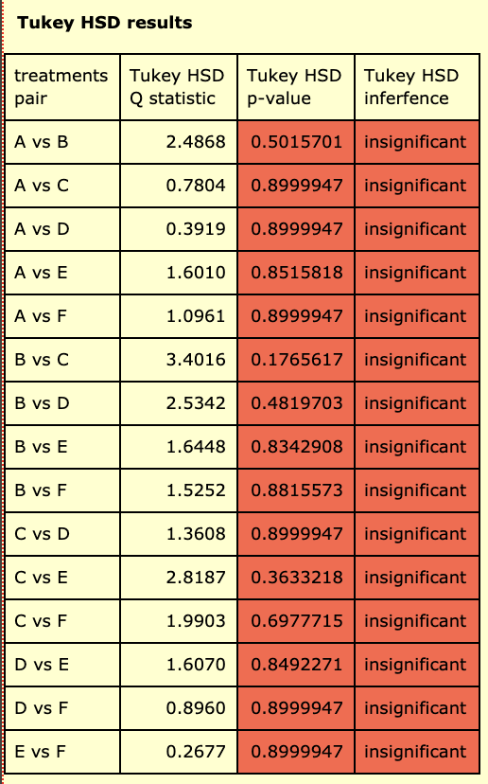
 |  |  |  |  |  |  | Total | 36615342.432 | 49
 |  |  |  |  |  |  |  |  |  |  |  |  |  | Post-Hoc Testing
 | Consumer Discretionary | Consumer Staples | Financials | Industrials | Information Technology | Others (Including Real States, Materials, Energy and Communication Services) | Hypothesis:
Earning Per Share (TTM, $) | 10.99 | 5.52 | 14.17 | 14.46 | 7.12 | 9.15 | Ho: | All the population means are equal
 | 5.66 | 1.66 | 6.98 | 4.43 | 3.90 | 3.85 | Ha: | Not all the population means are equal
 | 6.25 | 5.09 | 6.82 | 2.92 | 3.25 | 5.91 |  | P-Value > Alpha (0.05)
 | 4.48 | -4.95 | 5.29 | 2.29 | 0.19 | -0.69 | Decision: | Failed to Reject
 |  |  | 8.43 | 5.40 | 2.86 | 5.52 | Conclusion: | Because we failed to reject the null hypothesis, I think that all the means are more or less the same but not 100% sure that all the means are equal to all the other means.
 |  |  |  | 8.51 | 11.89
 |  |  |  | 13.84 | -5.26
 |  |  |  | 0.81 | 3.45 |  | Anova: Single Factor
 |  |  |  | 2.90 | 3.59
 |  |  |  |  | 13.58 |  | SUMMARY
 |  |  |  |  | 6.30 |  | Groups | Count | Sum | Average | Variance
 |  |  |  |  | 1.52 |  | Consumer Discretionary | 4 | 27.38 | 6.8450 | 8.1775
 |  |  |  |  | 2.60 |  | Consumer Staples | 4 | 7.32 | 1.8300 | 23.4137
 |  |  |  |  | 2.84 |  | Financials | 5 | 41.69 | 8.3380 | 11.8649
 |  |  |  |  | 2.48 |  | Industrials | 9 | 55.56 | 6.1733 | 25.2111
 |  |  |  |  | 3.08 |  | Information Technology | 23 | 100.54 | 4.3713 | 14.5533
 |  |  |  |  | 4.77 |  | Others (Including Real States, Materials, Energy and Communication Services) | 5 | 23.74 | 4.7480 | 12.9255
 |  |  |  |  | 8.99
 |  |  |  |  | 4.89
 |  |  |  |  | 2.06 |  | ANOVA
 |  |  |  |  | 6.72 |  | Source of Variation | SS | df | MS | F | P-value | F crit
 |  |  |  |  | 5.13 |  | Between Groups | 130.54552113 | 5 | 26.109104226 | 1.6049257456 | 0.17872091278 | 2.4270401198
 |  |  |  |  | 4.59 |  | Within Groups | 715.79672087 | 44 | 16.268107292

 |  |  |  |  |  |  | Total | 846.342242 | 49

