Sheet1
Title | Author | # of citations | Motivation | Hypothesis | Finding/Evidence/Proof | Other Material | Future Work | link
Going deeper with convolutions | Christian Szegedy, Wei Liu, Yangqing Jia, Pierre Sermanet, Scott Reed, Dragomir Anguelov, Dumitru Erhan, Vincent Vanhoucke, Andrew Rabinovich | 1182 | Uniformly increasing the size of neural network leads to better results. Sparse matrix is computed fastest when approximated by clusters of dense matrixes. | Approximate sparse structure and cover the hypothesized outcome by dense, readily availabe components. Inception architecture is useful for localizatio and object detection. | Theoretical: Allows for increased number of units at each stage without blowing up computational complexity. Aligns with intuition that visual information should be processed at various scales so that next stage can abstract features from different scales simultaneously. Emperical: 2-3 times faster than similar network without inception |  | It's questionable whether inception network's quality is attributed to the guiding principle that have lead to its construction(aks approximate sparse structure with dense structure). Investigation in different global network structure & proof needed. | https://arxiv.org/pdf/1409.4842v1.pdf
CNN Features off-the-shelf: an Astounding Baseline for Recognition | Ali Sharif Razavian, Hossein Azizpour, Josephine Sullivan, Stefan Carlsson | 576 | Limited resource lead to the question: If features extracted by CNN could be exploited for a wide range of vision task | Using feature vector from OverFeat network(generic features) + linear classifier outperform old methods for a wide range of vision tasks, including image classification, fine-grained classification, attribute detection, instance retrieval without 3D info. | Image classification: PASCAL VOC, MIT-67 indoor scenes Fine-grained classification: Caltech-UVSD Birds, Oxford 102 flowers Attribute detection: UIUC 64 object attributes dataset, H3D Visual instance retrieval: Oxford5k buildings, Faris6k buildings, Sculptures6k, Holidays dataset, UKbench, |  | Optimizing CNN features for specific task/datasets would probably boost the performance of the sytem | http://arxiv.org/pdf/1403.6382v3.pdf
Identity Mappings in Deep Residual Networks | Kaiming he, Xiangyu Zhang, Shaoqing Ren, Jian Sun | 19 | Increase |  |  |  | Theory conflict with results in "Inception-v4, Inception-ResNet and the Impact of Residual Connections on Learning". Author proposed adding a constant in front of identity transformation will cause optimization difficulty. "Inception-v4" used a constant with identity trainsformation to enhance results. | http://arxiv.org/pdf/1602.07261v1.pdf
How transferable are features in deep neural networks | Jason Yosinski, Jeff Clune, Yoshua Bengio, and Hod Lipson | 193 | Many deep neural networks trained on natural images have lower layers whose features are general, and higher layers whose features are specific. General features can be utilized in transfer learning: can choose either to fine-tune n imported layer or leave them frozen. | 1. how general a layer's features are can be 2. 2 main causes of performance degradation using frozen fransferred features: 1) the specificity of features themselves 2) optimization difficulties due to splitting ase network between co-adapted neurons on neighboring layers 3. Transferred weights perform better on ImageNet(large datasets) 4. Initializing network with transferred featured from almost any number of layers can produce a boost to generalization performance after fine-tuning to a new dataset | Take different amount of layers after training on B. Compare the result between frozen BnB, fine-tuned BnB, frozen AnB, fine-tuned AnB. A,B: first time randomly selected classes, second time manually separated classes to increase difference between dataset. |  | Using initialization from other dataset(even very far away) helps generalization of the original dataset. Maybe current network can be modified to form a more generalized network for different computer vision tasks. Are dataset using transferred variables more useful to generate variables for other datasets? | http://arxiv.org/pdf/1411.1792v1.pdf
Learning Fine-grained Image Similarity with Deep Ranking | Jiang Wang, Yang Song, Thomas Leung, Chuck Rosenberg, Jingbin Wang, James Philbin, Bo Chen, Ying Wu | 82 | Fine-grained image similarity vs category-level image similarity | Deep ranking model outperform hand-crafted visual feature-based approaches and deep classification model. Deep ranking model: performance of image similarity model determined by fraction of triplet ordering that agrees with ranking model | Optimization: distributed asynchronized stocahstic gradient algorithm, back-propagation, data augmentation: random pixel shift, dropout(0.6) Triplet sampling: | 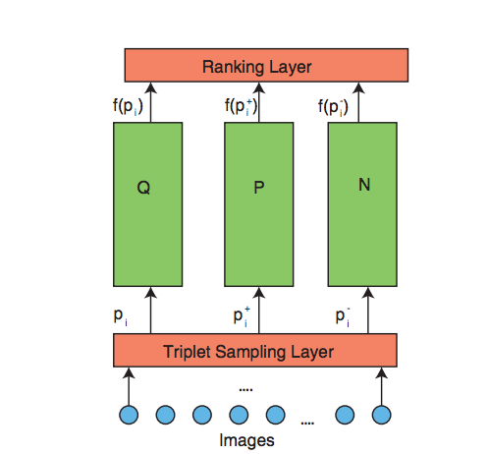 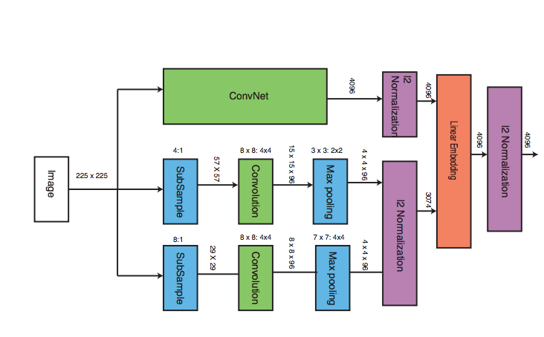 Network Structure:
Sketch-a-Net that Beats Humans | Qian Yu, Yongxin Yang, Yi-Zhe Song, Tao Xiang, Timothy M. Hospedales | 16 | Sketches are intuitive for humans. With the proliferation of touchscreens, research on sketches have a wide range of application including sketch recoginition, sketch-base image retrieval, sketch-based 3D model retrieval, and forensic sketch analysis | Sketch-a-net is a deep CNN designed specially for sketches. Unique features of Sketch-a-net: 1) a multi-channel architecture designed to model the sequential ordering of strokes in each sketch 2) a multi-channel architecture designed to model the sequential ordering of the strokes in each sketch 3) a multi-scale network ensemble to address the variabillity in abstraction and sparsity | contribution: 1) representation learning model based on DNN is presented for sketch recognition 2) demonstrate how sequential ordering information in sketches can be embedded into DNN architecture and improve performance 3) fuse networks learned at different scale via joint Bayesian to address the variability of elvels of abstraction | 