SUMMARY IDEAS IN PORTFOLIO
GOLDRIDGE GOLD MINING OPERATIONS - OPERATIONS IMPROVEMENT SUMMARY DASHBOARD
Data Analytics | 6 Ideas & Initiatives | Analyst: Linda Afrifa

TOTAL VALUE DELIVERED/YR $4,970,444 |  | INITIATIVES AND IDEAS COMPLETED 6 Projects |  | CAPITAL EXPENDITURE $0 |  | AVG KPI IMPROVEMENT 36%

INITIATIVE PERFORMANCE SUMMARY
Initiative/Idea | Category | KPI Metric | Baseline | Result Achieved | Improvement | Value Project Anualized (USD)
Diamond Drill Self-Perform | Cost Optimisation | Cost per metre (USD) | $272/m | $130/m | ↓ 53% | $1,798,612
Tyre Damage – Underground (UG) | Equipment & Fleet | Failures per day | 8.0 failures/day | 5.8 failures/day | ↓ 25.9% | $1,035,972
Tyre Life – Open Pit (OP) | Equipment & Fleet | Tyres used/month | 63 tyres/month | 42 tyres/month | ↓ 33.2% | $722,641
Jumbo Development Cycle | UG Dev. Productivity | Cycle time (hrs/cut) | 32 hrs/cut | 27 hrs/cut | ↓ 16% | $704,100
Development Overbreak | UG Dev. Productivity | Overbreak % | 13% | 10% | ↓ 21.9% | $491,702
Loader Utilisation | PROD & DEV. Productivity | Utilisation % | 69% | 72% | ↑ 4 % | $217,417
TOTAL ANNUALISED VALUE DELIVERED |  |  |  |  |  | $4,970,444

ANNUALISED VALUE BY INITIATIVE (USD)

 |  |  |  |  |  |  | Initiative | Value (USD)
 |  |  |  |  |  |  | Tyre-OP | 722,641
 |  |  |  |  |  |  | Tyre-UG | 1,206,197
 |  |  |  |  |  |  | Dev Cycle | 704,100
 |  |  |  |  |  |  | Loader | 217,417
 |  |  |  |  |  |  | Overbreak | 491,702
 |  |  |  |  |  |  | Drilling | 1,798,612

Interactive Dashboard
GOLDRIDGE MINING OPERATIONS - KPI SUMMARY DASHBOARD

Data Analytics | 6 Ideas & Initiatives | Analyst: Linda Afrifa

UG TRUCK TYRE KPI
 | Average of Failures/Day | Average of Repair Duration (hrs) | Average of Monthly Cost (USD)
Jan | 8.09 | 4.1 | $190,520
Feb | 7.12 | 4.31 | $167,676
Mar | 7.4 | 3.98 | $174,270
Apr | 8.09 | 4.08 | $190,520
May | 8.33 | 4.14 | $196,172
Jun | 8.08 | 3.92 | $190,284
Jul | 7.95 | 4.04 | $187,222
Aug | 7.86 | 4 | $185,103
Sep | 7.33 | 4.02 | $172,622
Oct | 7.68 | 3.85 | $180,864
Nov | 7.79 | 4 | $183,454
Dec | 8.48 | 4.1 | $199,704
Jan | 8.15 | 4.29 | $191,932
Feb | 7.21 | 4.19 | $169,796
Mar | 8.15 | 4.43 | $191,932
Apr | 7.83 | 3.85 | $184,396
May | 7.47 | 4.07 | $175,918
Jun | 7.82 | 3.84 | $184,161
Jul | 7.77 | 4.14 | $182,984
Aug | 7.5 | 3.44 | $176,625
Sep | 6.47 | 3.33 | $152,368
Oct | 6.48 | 3.28 | $152,604
Nov | 6.54 | 2.88 | $154,017
Dec | 6.6 | 3.09 | $155,430
Jan | 5.71 | 2.95 | $134,470
Feb | 5.62 | 3.03 | $132,351
Mar | 4.97 | 2.97 | $117,044
Apr | 4.7 | 3.18 | $110,685
May | 5.38 | 2.89 | $126,699
Jun | 5.39 | 2.48 | $126,934
Jul | 4.52 | 2.32 | $106,446
Aug | 4.77 | 2.5 | $112,334
Sep | 4.25 | 2.04 | $100,088
Oct | 4.1 | 2.57 | $96,555
Nov | 4.1 | 2.34 | $96,555
Dec | 4.1 | 1.91 | $96,555
DIAMOND DRILL KPI
 | Sum of Metres Drilled | Average of Cost/Metre (USD)
Jan | 594 | 282.2
Feb | 467 | 271.6
Mar | 564 | 270
Apr | 536 | 280.4
May | 488 | 274.6
Jun | 407 | 267.8
Jul | 511 | 266.3
Aug | 577 | 265
Sep | 505 | 275.9
Oct | 570 | 267.8
Nov | 561 | 259.1
Dec | 486 | 245.3
Jan | 527 | 224
Feb | 522 | 209.1
Mar | 524 | 198.3
Apr | 576 | 172.8
May | 595 | 153.2
Jun | 515 | 149.9
Jul | 530 | 127.9
Aug | 513 | 112.5
Sep | 499 | 103.2
Oct | 532 | 81.5
Nov | 551 | 86.5
Dec | 548 | 88.1
Jan | 491 | 82.2
Feb | 546 | 88.1
Mar | 519 | 85.6
Apr | 565 | 82
May | 539 | 84
Jun | 512 | 90.5
Jul | 549 | 89.1
Aug | 566 | 85.1
Sep | 544 | 83.4
Oct | 531 | 84.3
Nov | 523 | 88
Dec | 491 | 95.5
OPEN PIT TYRE KPI
 | Average of Tyres Used/month | Average of Downtime (hrs)/month | Average of Tyre Cost (USD)/month
Jan | 63.5 | 55.1 | $57,325
Feb | 61.6 | 53 | $55,609
Mar | 63.9 | 59.8 | $57,686
Apr | 66.6 | 61.5 | $60,123
May | 61.3 | 56.4 | $55,339
Jun | 61.3 | 56.4 | $55,339
Jul | 66.7 | 60 | $60,213
Aug | 64.3 | 56.1 | $58,047
Sep | 60.6 | 54.7 | $54,707
Oct | 63.6 | 55.9 | $57,415
Nov | 60.6 | 56.5 | $54,707
Dec | 60.6 | 54.2 | $54,707
Jan | 62.7 | 54.8 | $56,602
Feb | 54.5 | 48.4 | $49,200
Mar | 53.2 | 48.7 | $48,026
Apr | 54.9 | 48.3 | $49,561
May | 51.8 | 45 | $46,762
Jun | 53.9 | 49 | $48,658
Jul | 48.5 | 44.1 | $43,783
Aug | 45.2 | 39.7 | $40,804
Sep | 52 | 45.9 | $46,943
Oct | 45.1 | 41.1 | $40,714
Nov | 44.2 | 36.9 | $39,902
Dec | 37.9 | 31.3 | $34,214
Jan | 38.8 | 33.5 | $35,027
Feb | 38.9 | 34.6 | $35,117
Mar | 33.3 | 30.6 | $30,062
Apr | 36.1 | 35.4 | $32,589
May | 32 | 30.5 | $28,888
Jun | 32 | 28.5 | $28,888
Jul | 32 | 28.8 | $28,888
Aug | 33.4 | 28.1 | $30,152
Sep | 32 | 28.8 | $28,888
Oct | 32 | 28.2 | $28,888
Nov | 32 | 29.4 | $28,888
Dec | 32 | 27.1 | $28,888

 | TOTAL IDEA
 | VALUE
 | DELIVERED/YR
 | $4,970,444

 | AVG KPI
 | IMPROVEMENT
 | 36%

UG DEVELOPMENT KPI
 | Average of Dev Rate (m/day) | Average of Cycle Time (hrs/cut) | Average of Total meters drilled (m)
Jan | 3.83 | 32 | 118.73
Feb | 3.23 | 33 | 90.44
Mar | 2.4 | 32.1 | 74.4
Apr | 3.79 | 32.4 | 113.7
May | 3 | 31 | 93
Jun | 2.99 | 32.4 | 89.7
Jul | 3.59 | 32.1 | 111.29
Aug | 3.04 | 31.6 | 94.24
Sep | 3.3 | 32.4 | 99
Oct | 2.63 | 31.7 | 81.53
Nov | 2.88 | 31.6 | 86.4
Dec | 3.95 | 32.5 | 122.45
Jan | 3.17 | 32.3 | 98.27
Feb | 3.22 | 32 | 93.38
Mar | 3.32 | 31.8 | 102.92
Apr | 3.86 | 30.1 | 115.8
May | 3.24 | 31.9 | 100.44
Jun | 4.03 | 28.8 | 120.9
Jul | 3.77 | 28.8 | 116.87
Aug | 3.58 | 28.9 | 110.98
Sep | 4.59 | 27.7 | 137.7
Oct | 4.29 | 30.4 | 132.99
Nov | 4.31 | 29 | 129.3
Dec | 4.36 | 29.1 | 135.16
Jan | 5.51 | 27.3 | 170.81
Feb | 5.61 | 24.9 | 157.08
Mar | 5.74 | 26.3 | 177.94
Apr | 5.92 | 25.8 | 177.6
May | 6.19 | 27.2 | 191.89
Jun | 5.81 | 25.3 | 174.3
Jul | 6.07 | 25.4 | 188.17
Aug | 6.93 | 24 | 214.83
Sep | 6.5 | 22.7 | 195
Oct | 6.97 | 21.5 | 216.07
Nov | 7.53 | 22.3 | 225.9
Dec | 7.09 | 23.7 | 219.79
LHD KPI TRACKING
 | Average of Availability (%) | Average of Utilisation (%)
Jan | 54.6 | 67.7
Feb | 50.3 | 69.7
Mar | 52.4 | 70.1
Apr | 54.2 | 68.9
May | 50.9 | 66.7
Jun | 51.9 | 70.3
Jul | 53.5 | 67.1
Aug | 53.4 | 69.6
Sep | 50.8 | 69.2
Oct | 53.1 | 67.3
Nov | 53.9 | 69.8
Dec | 55.7 | 70.6
Jan | 49.6 | 67.6
Feb | 54.3 | 69.8
Mar | 55 | 75
Apr | 55.8 | 71.2
May | 57.5 | 70.7
Jun | 55 | 71.1
Jul | 54.6 | 69.9
Aug | 56 | 70.6
Sep | 63.7 | 67.9
Oct | 60.3 | 68.5
Nov | 58.1 | 72.8
Dec | 60.2 | 69.8
Jan | 58.9 | 72.7
Feb | 59.6 | 72.3
Mar | 62.2 | 71.2
Apr | 68.2 | 73.4
May | 58.4 | 73
Jun | 62.5 | 74.2
Jul | 62.9 | 73
Aug | 66.9 | 74.7
Sep | 63.3 | 73.2
Oct | 65.8 | 72.9
Nov | 72.1 | 74.8
Dec | 64.8 | 75.6
DEV. OVERBREAK KPI TRACKING
 | Average of Overbreak (%) | Average of Total meters drilled (m)
Jan | 11.2 | 118.73
Feb | 12.8 | 90.44
Mar | 12.8 | 74.4
Apr | 12.6 | 113.7
May | 13.6 | 93
Jun | 13.4 | 89.7
Jul | 12.5 | 111.29
Aug | 12 | 94.24
Sep | 13 | 99
Oct | 12.7 | 81.53
Nov | 12.9 | 86.4
Dec | 13.1 | 122.45
Jan | 11.7 | 98.27
Feb | 14.7 | 93.38
Mar | 13 | 102.92
Apr | 13.2 | 115.8
May | 13.4 | 100.44
Jun | 13.6 | 120.9
Jul | 11.9 | 116.87
Aug | 11.5 | 110.98
Sep | 10.6 | 137.7
Oct | 10.7 | 132.99
Nov | 10.8 | 129.3
Dec | 10.4 | 135.16
Jan | 9.1 | 170.81
Feb | 9.9 | 157.08
Mar | 8.9 | 177.94
Apr | 8.6 | 177.6
May | 8 | 191.89
Jun | 9.1 | 174.3
Jul | 8.9 | 188.17
Aug | 9.2 | 214.83
Sep | 7 | 195
Oct | 7.5 | 216.07
Nov | 7 | 225.9
Dec | 8.6 | 219.79

Methodology
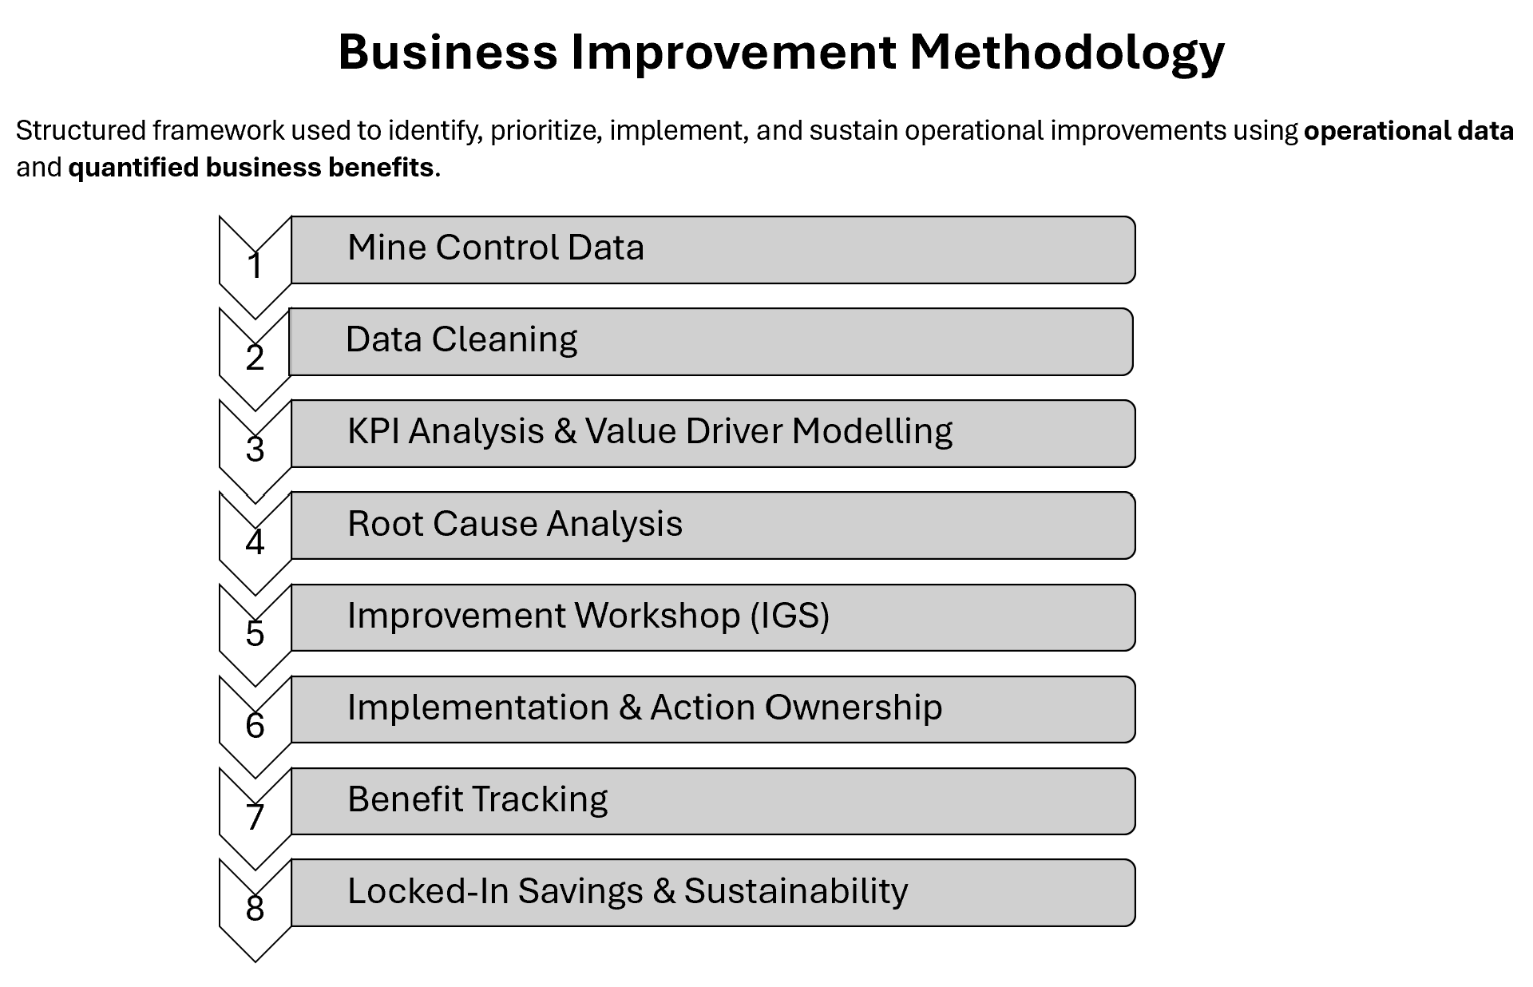

KPI PIVOT TABLES
UG TYRE PERFORMANCE ANALYSIS

UG TRUCK TYRE KPI
 | Average of Failures/Day | Average of Repair Duration (hrs) | Average of Monthly Cost (USD)
Jan | 8.09 | 4.1 | $190,520
Feb | 7.12 | 4.31 | $167,676
Mar | 7.4 | 3.98 | $174,270
Apr | 8.09 | 4.08 | $190,520
May | 8.33 | 4.14 | $196,172
Jun | 8.08 | 3.92 | $190,284
Jul | 7.95 | 4.04 | $187,222
Aug | 7.86 | 4 | $185,103
Sep | 7.33 | 4.02 | $172,622
Oct | 7.68 | 3.85 | $180,864
Nov | 7.79 | 4 | $183,454
Dec | 8.48 | 4.1 | $199,704
Jan | 8.15 | 4.29 | $191,932
Feb | 7.21 | 4.19 | $169,796
Mar | 8.15 | 4.43 | $191,932
Apr | 7.83 | 3.85 | $184,396
May | 7.47 | 4.07 | $175,918
Jun | 7.82 | 3.84 | $184,161
Jul | 7.77 | 4.14 | $182,984
Aug | 7.5 | 3.44 | $176,625
Sep | 6.47 | 3.33 | $152,368
Oct | 6.48 | 3.28 | $152,604
Nov | 6.54 | 2.88 | $154,017
Dec | 6.6 | 3.09 | $155,430
Jan | 5.71 | 2.95 | $134,470
Feb | 5.62 | 3.03 | $132,351
Mar | 4.97 | 2.97 | $117,044
Apr | 4.7 | 3.18 | $110,685
May | 5.38 | 2.89 | $126,699
Jun | 5.39 | 2.48 | $126,934
Jul | 4.52 | 2.32 | $106,446
Aug | 4.77 | 2.5 | $112,334
Sep | 4.25 | 2.04 | $100,088
Oct | 4.1 | 2.57 | $96,555
Nov | 4.1 | 2.34 | $96,555
Dec | 4.1 | 1.91 | $96,555
 | Row Labels | Average of Failures/Day | Average of Repair Duration (hrs) | Average of Monthly Cost (USD)
 | 2023
 | Jan | 8.09 | 4.1 | $190,520
 | Feb | 7.12 | 4.31 | $167,676
 | Mar | 7.4 | 3.98 | $174,270
 | Apr | 8.09 | 4.08 | $190,520
 | May | 8.33 | 4.14 | $196,172
 | Jun | 8.08 | 3.92 | $190,284
 | Jul | 7.95 | 4.04 | $187,222
 | Aug | 7.86 | 4 | $185,103
 | Sep | 7.33 | 4.02 | $172,622
 | Oct | 7.68 | 3.85 | $180,864
 | Nov | 7.79 | 4 | $183,454
 | Dec | 8.48 | 4.1 | $199,704
 | 2024
 | Jan | 8.15 | 4.29 | $191,932
 | Feb | 7.21 | 4.19 | $169,796
 | Mar | 8.15 | 4.43 | $191,932
 | Apr | 7.83 | 3.85 | $184,396
 | May | 7.47 | 4.07 | $175,918
DIAMOND DRILL KPI
 | Sum of Metres Drilled | Average of Cost/Metre (USD)
Jan | 594 | 282.2
Feb | 467 | 271.6
Mar | 564 | 270
Apr | 536 | 280.4
May | 488 | 274.6
Jun | 407 | 267.8
Jul | 511 | 266.3
Aug | 577 | 265
Sep | 505 | 275.9
Oct | 570 | 267.8
Nov | 561 | 259.1
Dec | 486 | 245.3
Jan | 527 | 224
Feb | 522 | 209.1
Mar | 524 | 198.3
Apr | 576 | 172.8
May | 595 | 153.2
Jun | 515 | 149.9
Jul | 530 | 127.9
Aug | 513 | 112.5
Sep | 499 | 103.2
Oct | 532 | 81.5
Nov | 551 | 86.5
Dec | 548 | 88.1
Jan | 491 | 82.2
Feb | 546 | 88.1
Mar | 519 | 85.6
Apr | 565 | 82
May | 539 | 84
Jun | 512 | 90.5
Jul | 549 | 89.1
Aug | 566 | 85.1
Sep | 544 | 83.4
Oct | 531 | 84.3
Nov | 523 | 88
Dec | 491 | 95.5
 | Jun | 7.82 | 3.84 | $184,161
 | Jul | 7.77 | 4.14 | $182,984
 | Aug | 7.5 | 3.44 | $176,625
 | Sep | 6.47 | 3.33 | $152,368
 | Oct | 6.48 | 3.28 | $152,604
 | Nov | 6.54 | 2.88 | $154,017
 | Dec | 6.6 | 3.09 | $155,430
 | 2025
 | Jan | 5.71 | 2.95 | $134,470
 | Feb | 5.62 | 3.03 | $132,351
 | Mar | 4.97 | 2.97 | $117,044
 | Apr | 4.7 | 3.18 | $110,685
 | May | 5.38 | 2.89 | $126,699
 | Jun | 5.39 | 2.48 | $126,934
 | Jul | 4.52 | 2.32 | $106,446
 | Aug | 4.77 | 2.5 | $112,334
 | Sep | 4.25 | 2.04 | $100,088
 | Oct | 4.1 | 2.57 | $96,555
 | Nov | 4.1 | 2.34 | $96,555
 | Dec | 4.1 | 1.91 | $96,555
 | Grand Total | 6.6611111111 | 3.4597222222 | $156,869

OPEN PIT TYRE KPI
 | Average of Tyres Used/month | Average of Downtime (hrs)/month | Average of Tyre Cost (USD)/month
Jan | 63.5 | 55.1 | $57,325
Feb | 61.6 | 53 | $55,609
Mar | 63.9 | 59.8 | $57,686
Apr | 66.6 | 61.5 | $60,123
May | 61.3 | 56.4 | $55,339
Jun | 61.3 | 56.4 | $55,339
Jul | 66.7 | 60 | $60,213
Aug | 64.3 | 56.1 | $58,047
Sep | 60.6 | 54.7 | $54,707
Oct | 63.6 | 55.9 | $57,415
Nov | 60.6 | 56.5 | $54,707
Dec | 60.6 | 54.2 | $54,707
Jan | 62.7 | 54.8 | $56,602
Feb | 54.5 | 48.4 | $49,200
Mar | 53.2 | 48.7 | $48,026
Apr | 54.9 | 48.3 | $49,561
May | 51.8 | 45 | $46,762
Jun | 53.9 | 49 | $48,658
Jul | 48.5 | 44.1 | $43,783
Aug | 45.2 | 39.7 | $40,804
Sep | 52 | 45.9 | $46,943
Oct | 45.1 | 41.1 | $40,714
Nov | 44.2 | 36.9 | $39,902
Dec | 37.9 | 31.3 | $34,214
Jan | 38.8 | 33.5 | $35,027
Feb | 38.9 | 34.6 | $35,117
Mar | 33.3 | 30.6 | $30,062
Apr | 36.1 | 35.4 | $32,589
May | 32 | 30.5 | $28,888
Jun | 32 | 28.5 | $28,888
Jul | 32 | 28.8 | $28,888
Aug | 33.4 | 28.1 | $30,152
Sep | 32 | 28.8 | $28,888
Oct | 32 | 28.2 | $28,888
Nov | 32 | 29.4 | $28,888
Dec | 32 | 27.1 | $28,888
 | DIAMOND DRILL ANALYSIS
 | Row Labels | Sum of Metres Drilled | Average of Cost/Metre (USD)
 | 2023
 | Jan | 594 | 282.2
 | Feb | 467 | 271.6
 | Mar | 564 | 270
 | Apr | 536 | 280.4
 | May | 488 | 274.6
 | Jun | 407 | 267.8
 | Jul | 511 | 266.3
 | Aug | 577 | 265
 | Sep | 505 | 275.9
 | Oct | 570 | $268
 | Nov | 561 | $259
 | Dec | 486 | $245
 | 2024
 | Jan | 527 | $224
 | Feb | 522 | $209
 | Mar | 524 | $198
 | Apr | 576 | $173
 | May | 595 | $153
 | Jun | 515 | $150
 | Jul | 530 | $128
 | Aug | 513 | $113
 | Sep | 499 | $103
 | Oct | 532 | $82
 | Nov | 551 | $87
 | Dec | 548 | $88
 | 2025
 | Jan | 491 | $82
 | Feb | 546 | $88
 | Mar | 519 | $86
 | Apr | 565 | $82
 | May | 539 | $84
 | Jun | 512 | $91
 | Jul | 549 | $89
 | Aug | 566 | $85
 | Sep | 544 | $83
 | Oct | 531 | $84
 | Nov | 523 | $88
 | Dec | 491 | $96
 | Grand Total | 19074 | $166

OP TYRE PERFORMANCE ANALYSIS
 | Row Labels | Average of Tyres Used/month | Average of Downtime (hrs)/month | Average of Tyre Cost (USD)/month
 | 2023
 | Jan | 63.5 | 55.1 | $57,325
 | Feb | 61.6 | 53 | $55,609
 | Mar | 63.9 | 59.8 | $57,686
 | Apr | 66.6 | 61.5 | $60,123
 | May | 61.3 | 56.4 | $55,339
 | Jun | 61.3 | 56.4 | $55,339
 | Jul | 66.7 | 60 | $60,213
 | Aug | 64.3 | 56.1 | $58,047
 | Sep | 60.6 | 54.7 | $54,707
 | Oct | 63.6 | 55.9 | $57,415
 | Nov | 60.6 | 56.5 | $54,707
 | Dec | 60.6 | 54.2 | $54,707
 | 2024
 | Jan | 62.7 | 54.8 | $56,602
 | Feb | 54.5 | 48.4 | $49,200
 | Mar | 53.2 | 48.7 | $48,026
 | Apr | 54.9 | 48.3 | $49,561
 | May | 51.8 | 45 | $46,762
 | Jun | 53.9 | 49 | $48,658
 | Jul | 48.5 | 44.1 | $43,783
 | Aug | 45.2 | 39.7 | $40,804
 | Sep | 52 | 45.9 | $46,943
 | Oct | 45.1 | 41.1 | $40,714
 | Nov | 44.2 | 36.9 | $39,902
 | Dec | 37.9 | 31.3 | $34,214
 | 2025
 | Jan | 38.8 | 33.5 | $35,027
 | Feb | 38.9 | 34.6 | $35,117
 | Mar | 33.3 | 30.6 | $30,062
 | Apr | 36.1 | 35.4 | $32,589
 | May | 32 | 30.5 | $28,888
 | Jun | 32 | 28.5 | $28,888
 | Jul | 32 | 28.8 | $28,888
 | Aug | 33.4 | 28.1 | $30,152
 | Sep | 32 | 28.8 | $28,888
 | Oct | 32 | 28.2 | $28,888
 | Nov | 32 | 29.4 | $28,888
 | Dec | 32 | 27.1 | $28,888
 | Grand Total | 48.972222222 | 43.786111111 | $44,210

UG DEVELOPMENT ANALYSIS
 | Row Labels | Average of Dev Rate (m/day) | Average of Cycle Time (hrs/cut) | Average of Total meters drilled (m)
 | 2023
 | Jan | 3.83 | 32 | 118.73
 | Feb | 3.23 | 33 | 90.44
 | Mar | 2.4 | 32.1 | 74.4
 | Apr | 3.79 | 32.4 | 113.7
 | May | 3 | 31 | 93
 | Jun | 2.99 | 32.4 | 89.7
 | Jul | 3.59 | 32.1 | 111.29
 | Aug | 3.04 | 31.6 | 94.24
 | Sep | 3.3 | 32.4 | 99
UG DEVELOPMENT KPI
 | Average of Dev Rate (m/day) | Average of Cycle Time (hrs/cut) | Average of Total meters drilled (m)
Jan | 3.83 | 32 | 118.73
Feb | 3.23 | 33 | 90.44
Mar | 2.4 | 32.1 | 74.4
Apr | 3.79 | 32.4 | 113.7
May | 3 | 31 | 93
Jun | 2.99 | 32.4 | 89.7
Jul | 3.59 | 32.1 | 111.29
Aug | 3.04 | 31.6 | 94.24
Sep | 3.3 | 32.4 | 99
Oct | 2.63 | 31.7 | 81.53
Nov | 2.88 | 31.6 | 86.4
Dec | 3.95 | 32.5 | 122.45
Jan | 3.17 | 32.3 | 98.27
Feb | 3.22 | 32 | 93.38
Mar | 3.32 | 31.8 | 102.92
Apr | 3.86 | 30.1 | 115.8
May | 3.24 | 31.9 | 100.44
Jun | 4.03 | 28.8 | 120.9
Jul | 3.77 | 28.8 | 116.87
Aug | 3.58 | 28.9 | 110.98
Sep | 4.59 | 27.7 | 137.7
Oct | 4.29 | 30.4 | 132.99
Nov | 4.31 | 29 | 129.3
Dec | 4.36 | 29.1 | 135.16
Jan | 5.51 | 27.3 | 170.81
Feb | 5.61 | 24.9 | 157.08
Mar | 5.74 | 26.3 | 177.94
Apr | 5.92 | 25.8 | 177.6
May | 6.19 | 27.2 | 191.89
Jun | 5.81 | 25.3 | 174.3
Jul | 6.07 | 25.4 | 188.17
Aug | 6.93 | 24 | 214.83
Sep | 6.5 | 22.7 | 195
Oct | 6.97 | 21.5 | 216.07
Nov | 7.53 | 22.3 | 225.9
Dec | 7.09 | 23.7 | 219.79
 | Oct | 2.63 | 31.7 | 81.53
 | Nov | 2.88 | 31.6 | 86.4
 | Dec | 3.95 | 32.5 | 122.45
 | 2024
 | Jan | 3.17 | 32.3 | 98.27
 | Feb | 3.22 | 32 | 93.38
 | Mar | 3.32 | 31.8 | 102.92
 | Apr | 3.86 | 30.1 | 115.8
 | May | 3.24 | 31.9 | 100.44
 | Jun | 4.03 | 28.8 | 120.9
 | Jul | 3.77 | 28.8 | 116.87
 | Aug | 3.58 | 28.9 | 110.98
 | Sep | 4.59 | 27.7 | 137.7
 | Oct | 4.29 | 30.4 | 132.99
 | Nov | 4.31 | 29 | 129.3
 | Dec | 4.36 | 29.1 | 135.16
 | 2025
 | Jan | 5.51 | 27.3 | 170.81
 | Feb | 5.61 | 24.9 | 157.08
 | Mar | 5.74 | 26.3 | 177.94
 | Apr | 5.92 | 25.8 | 177.6
 | May | 6.19 | 27.2 | 191.89
 | Jun | 5.81 | 25.3 | 174.3
 | Jul | 6.07 | 25.4 | 188.17
 | Aug | 6.93 | 24 | 214.83
 | Sep | 6.5 | 22.7 | 195
 | Oct | 6.97 | 21.5 | 216.07
 | Nov | 7.53 | 22.3 | 225.9
 | Dec | 7.09 | 23.7 | 219.79
 | Grand Total | 4.4511111111 | 28.944444444 | 135.52694444

LHD EQUIPMENT ANALYSIS
 | Row Labels | Average of Availability (%) | Average of Utilisation (%)
 | 2023
 | Jan | 54.6 | 67.7
 | Feb | 50.3 | 69.7
 | Mar | 52.4 | 70.1
 | Apr | 54.2 | 68.9
 | May | 50.9 | 66.7
LHD KPI TRACKING
 | Average of Availability (%) | Average of Utilisation (%)
Jan | 54.6 | 67.7
Feb | 50.3 | 69.7
Mar | 52.4 | 70.1
Apr | 54.2 | 68.9
May | 50.9 | 66.7
Jun | 51.9 | 70.3
Jul | 53.5 | 67.1
Aug | 53.4 | 69.6
Sep | 50.8 | 69.2
Oct | 53.1 | 67.3
Nov | 53.9 | 69.8
Dec | 55.7 | 70.6
Jan | 49.6 | 67.6
Feb | 54.3 | 69.8
Mar | 55 | 75
Apr | 55.8 | 71.2
May | 57.5 | 70.7
Jun | 55 | 71.1
Jul | 54.6 | 69.9
Aug | 56 | 70.6
Sep | 63.7 | 67.9
Oct | 60.3 | 68.5
Nov | 58.1 | 72.8
Dec | 60.2 | 69.8
Jan | 58.9 | 72.7
Feb | 59.6 | 72.3
Mar | 62.2 | 71.2
Apr | 68.2 | 73.4
May | 58.4 | 73
Jun | 62.5 | 74.2
Jul | 62.9 | 73
Aug | 66.9 | 74.7
Sep | 63.3 | 73.2
Oct | 65.8 | 72.9
Nov | 72.1 | 74.8
Dec | 64.8 | 75.6
 | Jun | 51.9 | 70.3
 | Jul | 53.5 | 67.1
 | Aug | 53.4 | 69.6
 | Sep | 50.8 | 69.2
 | Oct | 53.1 | 67.3
 | Nov | 53.9 | 69.8
 | Dec | 55.7 | 70.6
 | 2024
 | Jan | 49.6 | 67.6
 | Feb | 54.3 | 69.8
 | Mar | 55 | 75
 | Apr | 55.8 | 71.2
 | May | 57.5 | 70.7
 | Jun | 55 | 71.1
 | Jul | 54.6 | 69.9
 | Aug | 56 | 70.6
 | Sep | 63.7 | 67.9
 | Oct | 60.3 | 68.5
 | Nov | 58.1 | 72.8
 | Dec | 60.2 | 69.8
 | 2025
 | Jan | 58.9 | 72.7
 | Feb | 59.6 | 72.3
 | Mar | 62.2 | 71.2
 | Apr | 68.2 | 73.4
 | May | 58.4 | 73
DEV. OVERBREAK KPI TRACKING
 | Average of Overbreak (%) | Average of Total meters drilled (m)
Jan | 11.2 | 118.73
Feb | 12.8 | 90.44
Mar | 12.8 | 74.4
Apr | 12.6 | 113.7
May | 13.6 | 93
Jun | 13.4 | 89.7
Jul | 12.5 | 111.29
Aug | 12 | 94.24
Sep | 13 | 99
Oct | 12.7 | 81.53
Nov | 12.9 | 86.4
Dec | 13.1 | 122.45
Jan | 11.7 | 98.27
Feb | 14.7 | 93.38
Mar | 13 | 102.92
Apr | 13.2 | 115.8
May | 13.4 | 100.44
Jun | 13.6 | 120.9
Jul | 11.9 | 116.87
Aug | 11.5 | 110.98
Sep | 10.6 | 137.7
Oct | 10.7 | 132.99
Nov | 10.8 | 129.3
Dec | 10.4 | 135.16
Jan | 9.1 | 170.81
Feb | 9.9 | 157.08
Mar | 8.9 | 177.94
Apr | 8.6 | 177.6
May | 8 | 191.89
Jun | 9.1 | 174.3
Jul | 8.9 | 188.17
Aug | 9.2 | 214.83
Sep | 7 | 195
Oct | 7.5 | 216.07
Nov | 7 | 225.9
Dec | 8.6 | 219.79
 | Jun | 62.5 | 74.2
 | Jul | 62.9 | 73
 | Aug | 66.9 | 74.7
 | Sep | 63.3 | 73.2
 | Oct | 65.8 | 72.9
 | Nov | 72.1 | 74.8
 | Dec | 64.8 | 75.6
 | Grand Total | 57.788888889 | 70.913888889

DEVELOPMENT OVERBREAK ANALYSIS
 | Row Labels | Average of Total meters drilled (m) | Average of Overbreak (%)
 | 2023
 | Jan | 118.73 | 11.2
 | Feb | 90.44 | 12.8
 | Mar | 74.4 | 12.8
 | Apr | 113.7 | 12.6
 | May | 93 | 13.6
 | Jun | 89.7 | 13.4
 | Jul | 111.29 | 12.5
 | Aug | 94.24 | 12
 | Sep | 99 | 13
 | Oct | 81.53 | 12.7
 | Nov | 86.4 | 12.9
 | Dec | 122.45 | 13.1
 | 2024
 | Jan | 98.27 | 11.7
 | Feb | 93.38 | 14.7
 | Mar | 102.92 | 13
 | Apr | 115.8 | 13.2
 | May | 100.44 | 13.4
 | Jun | 120.9 | 13.6
 | Jul | 116.87 | 11.9
 | Aug | 110.98 | 11.5
 | Sep | 137.7 | 10.6
 | Oct | 132.99 | 10.7
 | Nov | 129.3 | 10.8
 | Dec | 135.16 | 10.4
 | 2025
 | Jan | 170.81 | 9.1
 | Feb | 157.08 | 9.9
 | Mar | 177.94 | 8.9
 | Apr | 177.6 | 8.6
 | May | 191.89 | 8
 | Jun | 174.3 | 9.1
 | Jul | 188.17 | 8.9
 | Aug | 214.83 | 9.2
 | Sep | 195 | 7
 | Oct | 216.07 | 7.5
 | Nov | 225.9 | 7
 | Dec | 219.79 | 8.6
 | Grand Total | 135.52694444 | 11.108333333

Tyre Performance UG
TYRE PERFORMANCE ANALYSIS — OPEN PIT & UNDERGROUND |  |  |  |  | VALUE DRIVER TREE SHOWING THE ANNUALIZED UG TIRE COST CALCULATION
Problem: UNDERGROUND - High tire consumption leads to high costs and equipment downtime. Underground Hauling section has 21 trucks, each with 12 tyres. Tyre failures average 8 tire damages recorded per day. The impact of these failures includes both the cost, operational delays, and maintenance costs. The tire cost for April was approximately $190k (Goodyear tires).Solution: Road maintenance program, operator training, spill management, new specialized tires from Volvo FMX.

 |  |  |  |  |  |  |  |  | damaged tires cost / day ($)
 |  |  |  |  |  |  |  |  | Baseline | 6,160
 |  |  |  |  |  |  |  |  | Target | 3,314
UNDERGROUND — Daily Tyre Failure Rate |  |  |  |  |  |  |  |  | Improvement | 3,314
Month | Failures/Day | Repair Duration (hrs) | Monthly Cost (USD) | Phase
2023-01-01 | 8.09 | 4.1 | $190,520 | Baseline |  |  | (*) Cost of tire damage per tonne (#)
2023-02-01 | 7.12 | 4.31 | $167,676 | Baseline |  |  | Baseline | 1.5646
2023-03-01 | 7.4 | 3.98 | $174,270 | Baseline | Total Annualized Cost ($) |  | Target | 0.8418
2023-04-01 | 8.09 | 4.08 | $190,520 | Baseline | Baseline | 2,242,504 | Improvement | 0.7228
2023-05-01 | 8.33 | 4.14 | $196,172 | Baseline | Target | 1.36306.182492
2023-06-01 | 8.08 | 3.92 | $190,284 | Baseline | Improvement | 1,035,972 |  |  | Tonnes per day (t)
2023-07-01 | 7.95 | 4.04 | $187,222 | Baseline |  |  |  |  | Baseline | 3,937.57
2023-08-01 | 7.86 | 4 | $185,103 | Baseline |  |  |  |  | Target | 3,937.57
2023-09-01 | 7.33 | 4.02 | $172,622 | Baseline |  |  |  |  | Improvement | -
2023-10-01 | 7.68 | 3.85 | $180,864 | Baseline
2023-11-01 | 7.79 | 4 | $183,454 | Baseline |  |  | Tonnes per annum (t)
2023-12-01 | 8.48 | 4.1 | $199,704 | Baseline |  |  | Baseline | 1,433,276.06
2024-01-01 | 8.15 | 4.29 | $191,932 | Baseline |  |  | Target | 1,433,276.06
2024-02-01 | 7.21 | 4.19 | $169,796 | Baseline |  |  | Improvement | -
2024-03-01 | 8.15 | 4.43 | $191,932 | Baseline
2024-04-01 | 7.83 | 3.85 | $184,396 | Post-Intervention
The results from the analysis revealed that majority of the damages were happening on the left rear side of the truck specifically Positions 5, 6, 9 and 10.
34% of tire damages happening on position 5 and 6
2024-05-01 | 7.47 | 4.07 | $175,918 | Post-Intervention
2024-06-01 | 7.82 | 3.84 | $184,161 | Post-Intervention
2024-07-01 | 7.77 | 4.14 | $182,984 | Post-Intervention
2024-08-01 | 7.5 | 3.44 | $176,625 | Post-Intervention
2024-09-01 | 6.47 | 3.33 | $152,368 | Post-Intervention
2024-10-01 | 6.48 | 3.28 | $152,604 | Post-Intervention
2024-11-01 | 6.54 | 2.88 | $154,017 | Post-Intervention
2024-12-01 | 6.6 | 3.09 | $155,430 | Post-Intervention
2025-01-01 | 5.71 | 2.95 | $134,470 | Post-Intervention
2025-02-01 | 5.62 | 3.03 | $132,351 | Post-Intervention
2025-03-01 | 4.97 | 2.97 | $117,044 | Post-Intervention
2025-04-01 | 4.7 | 3.18 | $110,685 | Post-Intervention
2025-05-01 | 5.38 | 2.89 | $126,699 | Post-Intervention
2025-06-01 | 5.39 | 2.48 | $126,934 | Post-Intervention
2025-07-01 | 4.52 | 2.32 | $106,446 | Post-Intervention
2025-08-01 | 4.77 | 2.5 | $112,334 | Post-Intervention
2025-09-01 | 4.25 | 2.04 | $100,088 | Post-Intervention
2025-10-01 | 4.1 | 2.57 | $96,555 | Post-Intervention
2025-11-01 | 4.1 | 2.34 | $96,555 | Post-Intervention
2025-12-01 | 4.1 | 1.91 | $96,555 | Post-Intervention
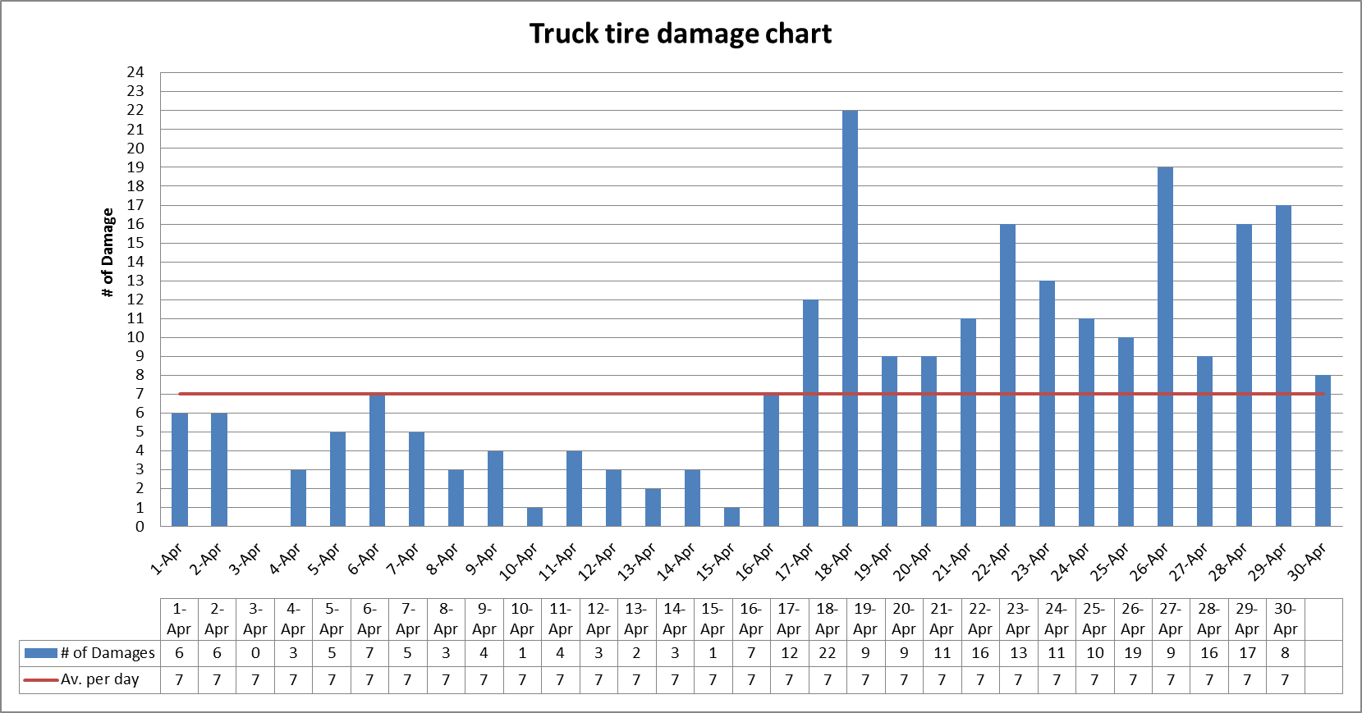

UG TRUCK TYRE KPI
 | Average of Failures/Day | Average of Repair Duration (hrs) | Average of Monthly Cost (USD)
Jan | 8.09 | 4.1 | $190,520
Feb | 7.12 | 4.31 | $167,676
Mar | 7.4 | 3.98 | $174,270
Apr | 8.09 | 4.08 | $190,520
May | 8.33 | 4.14 | $196,172
Jun | 8.08 | 3.92 | $190,284
Jul | 7.95 | 4.04 | $187,222
Aug | 7.86 | 4 | $185,103
Sep | 7.33 | 4.02 | $172,622
Oct | 7.68 | 3.85 | $180,864
Nov | 7.79 | 4 | $183,454
Dec | 8.48 | 4.1 | $199,704
Jan | 8.15 | 4.29 | $191,932
Feb | 7.21 | 4.19 | $169,796
Mar | 8.15 | 4.43 | $191,932
Apr | 7.83 | 3.85 | $184,396
May | 7.47 | 4.07 | $175,918
Jun | 7.82 | 3.84 | $184,161
Jul | 7.77 | 4.14 | $182,984
Aug | 7.5 | 3.44 | $176,625
Sep | 6.47 | 3.33 | $152,368
Oct | 6.48 | 3.28 | $152,604
Nov | 6.54 | 2.88 | $154,017
Dec | 6.6 | 3.09 | $155,430
Jan | 5.71 | 2.95 | $134,470
Feb | 5.62 | 3.03 | $132,351
Mar | 4.97 | 2.97 | $117,044
Apr | 4.7 | 3.18 | $110,685
May | 5.38 | 2.89 | $126,699
Jun | 5.39 | 2.48 | $126,934
Jul | 4.52 | 2.32 | $106,446
Aug | 4.77 | 2.5 | $112,334
Sep | 4.25 | 2.04 | $100,088
Oct | 4.1 | 2.57 | $96,555
Nov | 4.1 | 2.34 | $96,555
Dec | 4.1 | 1.91 | $96,555
UG SUMMARY — AVERAGEIF ANALYSIS
Metric | Baseline Avg | Post-Intervention Avg | Change | Value p.a.
Tyres/month | 7.8 | 5.8 | -25.9% reduction | $1,035,972
Tyre Cost (USD)/month | 4.1 | 3.0 | -26.7% reduction
Underground Tyre Failure Trend (Baseline vs Post-Intervention)

The results from the analysis above revealed that majority of the damages were coming from the truck which are mostly used undeground.
The trucks in the red highlighted sections are mostly used for underground hauling
(ie. from UG to UG-ROM
The Analysis above which is the number of tire damages by tire position was based on data capture by the underground mine controllers from 1st April to 31st April 2014.

UG Diamond Drilling
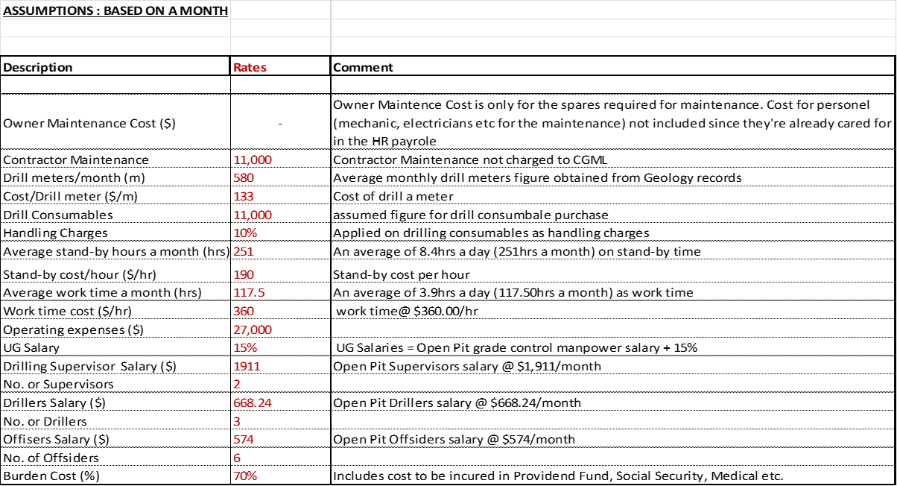
DIAMOND DRILLING — CONTRACTOR vs SELF-PERFORM COST ANALYSIS
Problem: Contractor drilling cost $275/m; no benefit tracking in place. Solution: In-house drill rig purchased. Self-perform model built and tracked against baseline. |  |  |  |  |  |  | VALUE DRIVER TREE SHOWING THE ANNUALIZED DIAMOND DRILLING KPI & COST CALCULATION

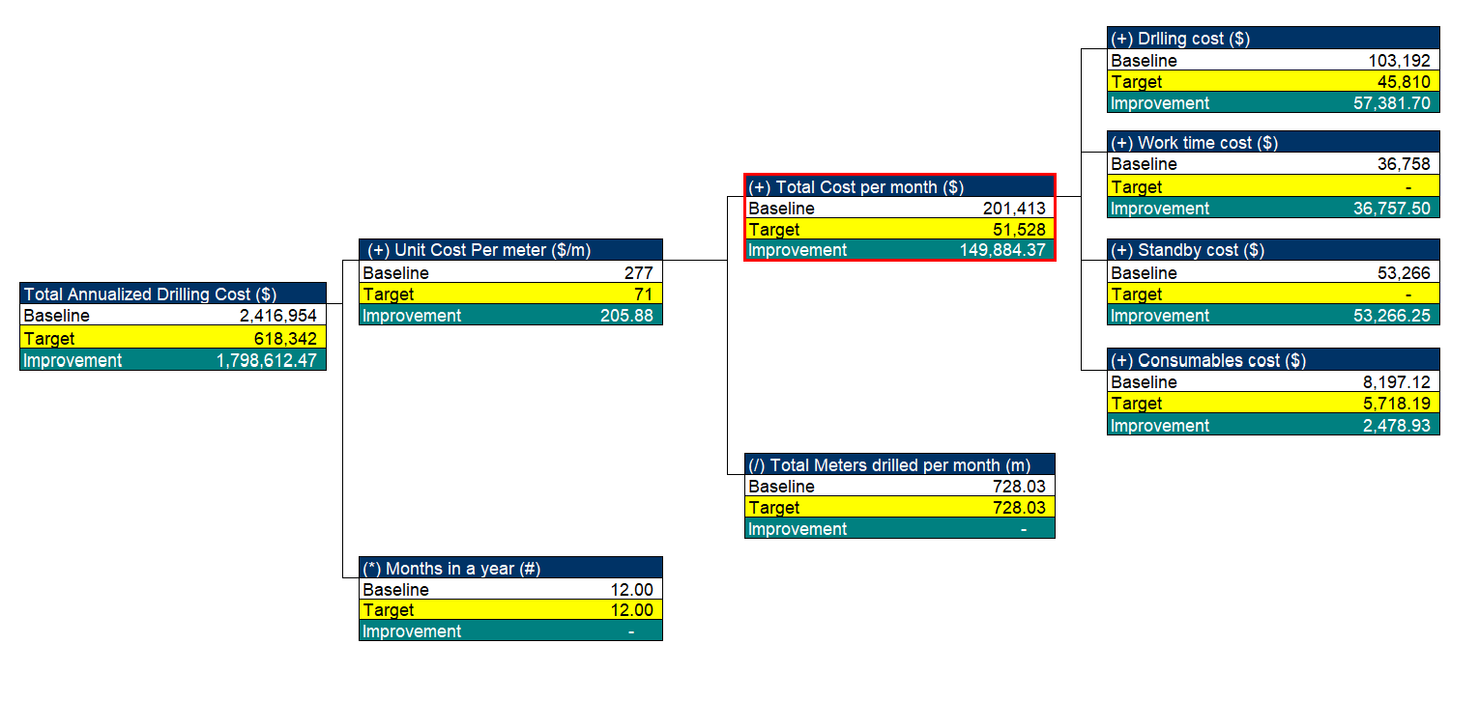
MONTHLY DRILLING COST DATA
Month | Type | Phase | Cost/Metre (USD) | Metres Drilled | Metres Drilled baseline | Total Cost (USD)
2023-01-01 | Contractor | Baseline | $282 | 594 | 517 | $167,627
2023-02-01 | Contractor | Baseline | $272 | 467 | 517 | $126,837
2023-03-01 | Contractor | Baseline | $270 | 564 | 517 | $152,280
2023-04-01 | Contractor | Baseline | $280 | 536 | 517 | $150,294
2023-05-01 | Contractor | Baseline | $275 | 488 | 517 | $134,005
2023-06-01 | Contractor | Baseline | $268 | 407 | 517 | $108,995
2023-07-01 | Contractor | Baseline | $266 | 511 | 517 | $136,079
2023-08-01 | Contractor | Baseline | $265 | 577 | 517 | $152,905
2023-09-01 | Contractor | Baseline | $276 | 505 | 517 | $139,330
2023-10-01 | Self-Perform | Post-Intervention | $268 | 570 | 534 | $152,646
2023-11-01 | Self-Perform | Post-Intervention | $259 | 561 | 534 | $145,355
2023-12-01 | Self-Perform | Post-Intervention | $245 | 486 | 534 | $119,216
2024-01-01 | Self-Perform | Post-Intervention | $224 | 527 | 534 | $118,048
2024-02-01 | Self-Perform | Post-Intervention | $209 | 522 | 534 | $109,150
2024-03-01 | Self-Perform | Post-Intervention | $198 | 524 | 534 | $103,909
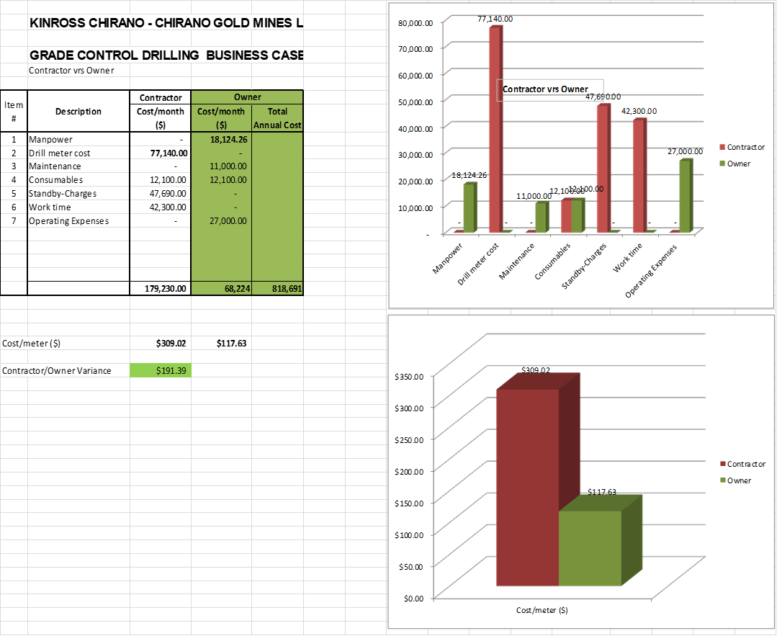
2024-04-01 | Self-Perform | Post-Intervention | $173 | 576 | 534 | $99,533 |  | BUSINESS CASE ANALYSIS
2024-05-01 | Self-Perform | Post-Intervention | $153 | 595 | 534 | $91,154
2024-06-01 | Self-Perform | Post-Intervention | $150 | 515 | 534 | $77,199
2024-07-01 | Self-Perform | Post-Intervention | $128 | 530 | 534 | $67,787
2024-08-01 | Self-Perform | Post-Intervention | $113 | 513 | 534 | $57,713
2024-09-01 | Self-Perform | Post-Intervention | $103 | 499 | 534 | $51,497
2024-10-01 | Self-Perform | Post-Intervention | $82 | 532 | 534 | $43,358
2024-11-01 | Self-Perform | Post-Intervention | $87 | 551 | 534 | $47,662
2024-12-01 | Self-Perform | Post-Intervention | $88 | 548 | 534 | $48,279
2025-01-01 | Self-Perform | Post-Intervention | $82 | 491 | 534 | $40,360
2025-02-01 | Self-Perform | Post-Intervention | $88 | 546 | 534 | $48,103
2025-03-01 | Self-Perform | Post-Intervention | $86 | 519 | 534 | $44,426
2025-04-01 | Self-Perform | Post-Intervention | $82 | 565 | 534 | $46,330
2025-05-01 | Self-Perform | Post-Intervention | $84 | 539 | 534 | $45,276
2025-06-01 | Self-Perform | Post-Intervention | $91 | 512 | 534 | $46,336
2025-07-01 | Self-Perform | Post-Intervention | $89 | 549 | 534 | $48,916
2025-08-01 | Self-Perform | Post-Intervention | $85 | 566 | 534 | $48,167
2025-09-01 | Self-Perform | Post-Intervention | $83 | 544 | 534 | $45,370
2025-10-01 | Self-Perform | Post-Intervention | $84 | 531 | 534 | $44,763
2025-11-01 | Self-Perform | Post-Intervention | $88 | 523 | 534 | $46,024
2025-12-01 | Self-Perform | Post-Intervention | $96 | 491 | 534 | $46,891

BEFORE vs AFTER — AVERAGEIF ANALYSIS
Metric | Contractor Avg |  | Self-Perform Avg | Saving |  | Value p.a.
Cost per Metre (USD) | $272.6 |  | $130.3 | 52.2% reduction |  | $1,798,612
Total Monthly Cost (USD) | $140,928 |  | $69,758 | 50.5% reduction
 |  |  |  |  |  |  |  | CONTRACTOR CHARGES


Drilling Cost per Metre — Monthly Trend

 |  |  |  |  |  |  |  | BUSINESS CASE FOR DD SELF PERFORM

Tyre Performance OPEN PIT
TYRE PERFORMANCE ANALYSIS — OPEN PIT
Problem: Improve Tyre Life for Volvo FMX480 Haul Trucks (Open Pit).19 Volvo haul trucks recorded 318 tyre damages in five months (63/month), causing 679 hours of downtime (~6 hrs/day) and $237,554 in tyre spend. Solution: Grade, compact, and regularly water all haul routes and loading/dumping floors, train operators on good driving practices, and station personnel at loading/dumping points to clear rocks lodged between tyres

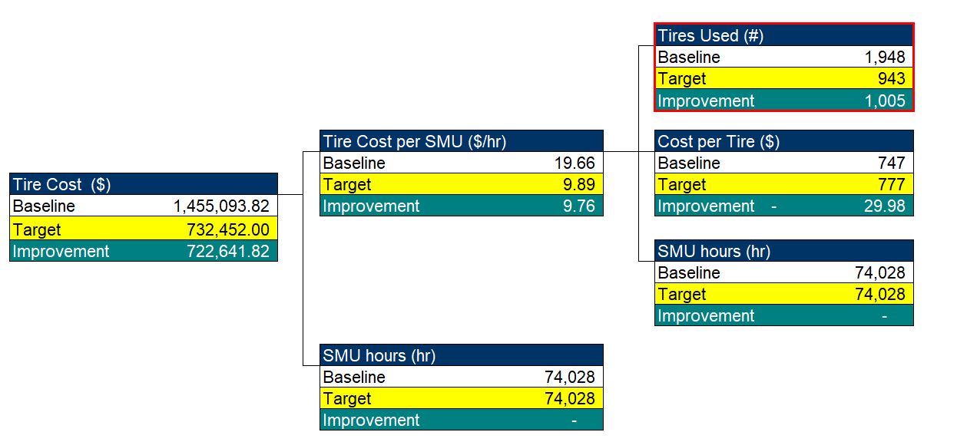
OPEN PIT — Monthly Tyre Consumption |  |  |  |  | VALUE DRIVER TREE (VDT) SHOWING THE OPEN PIT TYRE KPI & COST CALCULATION
Month | Tyres Used/month | Tyre Cost (USD)/month | Downtime (hrs)/month | Phase
2023-01-01 | 63.5 | $57,325 | 55.1 | Baseline
2023-02-01 | 61.6 | $55,609 | 53 | Baseline
2023-03-01 | 63.9 | $57,686 | 59.8 | Baseline
2023-04-01 | 66.6 | $60,123 | 61.5 | Baseline
2023-05-01 | 61.3 | $55,339 | 56.4 | Baseline
2023-06-01 | 61.3 | $55,339 | 56.4 | Baseline
2023-07-01 | 66.7 | $60,213 | 60 | Baseline
2023-08-01 | 64.3 | $58,047 | 56.1 | Baseline
2023-09-01 | 60.6 | $54,707 | 54.7 | Baseline
2023-10-01 | 63.6 | $57,415 | 55.9 | Baseline
2023-11-01 | 60.6 | $54,707 | 56.5 | Baseline
2023-12-01 | 60.6 | $54,707 | 54.2 | Baseline
2024-01-01 | 62.7 | $56,602 | 54.8 | Post-Intervention
2024-02-01 | 54.5 | $49,200 | 48.4 | Post-Intervention
2024-03-01 | 53.2 | $48,026 | 48.7 | Post-Intervention
2024-04-01 | 54.9 | $49,561 | 48.3 | Post-Intervention
2024-05-01 | 51.8 | $46,762 | 45 | Post-Intervention
2024-06-01 | 53.9 | $48,658 | 49 | Post-Intervention
2024-07-01 | 48.5 | $43,783 | 44.1 | Post-Intervention
2024-08-01 | 45.2 | $40,804 | 39.7 | Post-Intervention
2024-09-01 | 52 | $46,943 | 45.9 | Post-Intervention
2024-10-01 | 45.1 | $40,714 | 41.1 | Post-Intervention
2024-11-01 | 44.2 | $39,902 | 36.9 | Post-Intervention
2024-12-01 | 37.9 | $34,214 | 31.3 | Post-Intervention
2025-01-01 | 38.8 | $35,027 | 33.5 | Post-Intervention
2025-02-01 | 38.9 | $35,117 | 34.6 | Post-Intervention
2025-03-01 | 33.3 | $30,062 | 30.6 | Post-Intervention
Open Pit — Tyre Consumption Trend
2025-04-01 | 36.1 | $32,589 | 35.4 | Post-Intervention
2025-05-01 | 32 | $28,888 | 30.5 | Post-Intervention
2025-06-01 | 32 | $28,888 | 28.5 | Post-Intervention
2025-07-01 | 32 | $28,888 | 28.8 | Post-Intervention
2025-08-01 | 33.4 | $30,152 | 28.1 | Post-Intervention
2025-09-01 | 32 | $28,888 | 28.8 | Post-Intervention
2025-10-01 | 32 | $28,888 | 28.2 | Post-Intervention
2025-11-01 | 32 | $28,888 | 29.4 | Post-Intervention
2025-12-01 | 32 | $28,888 | 27.1 | Post-Intervention

OPEN PIT SUMMARY — AVERAGEIF ANALYSIS
Metric | Baseline Avg | Post-Intervention Avg | Change | Value p.a.
Tyres/month | 62.9 | 42.0 | -33.2% reduction | $722,641
Tyre Cost (USD)/month | 56768.1 | 37930.5 | -33.2% reduction

Mine Development Cycle
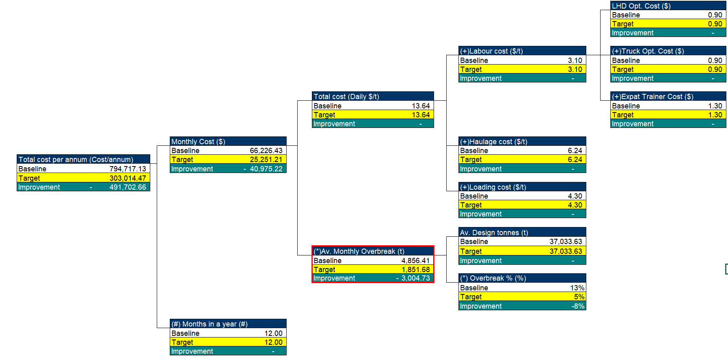
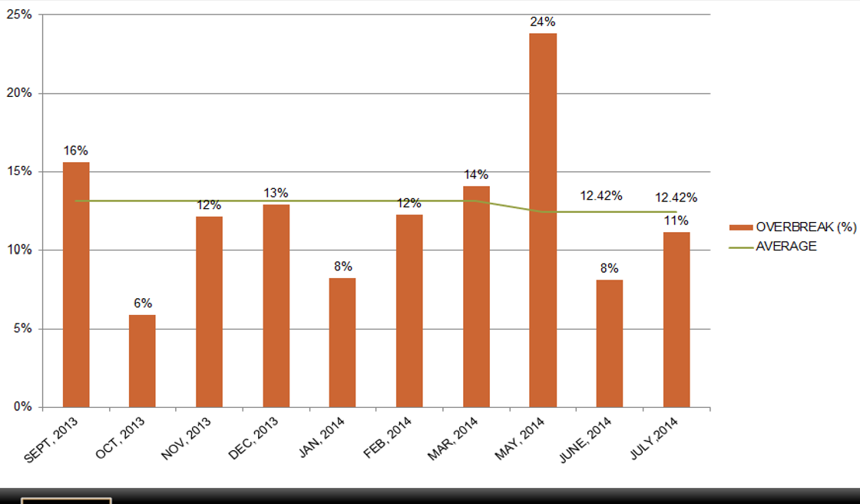
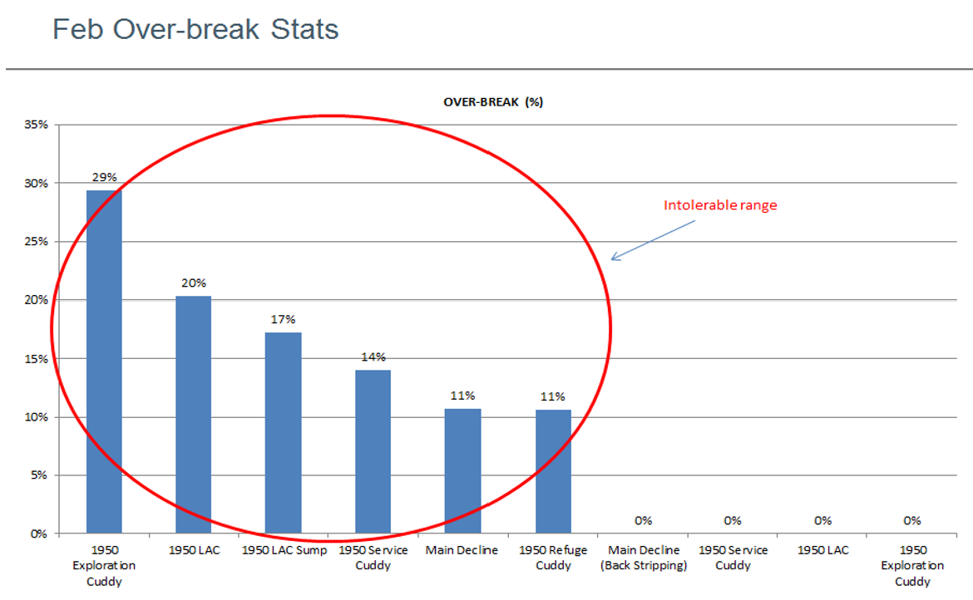
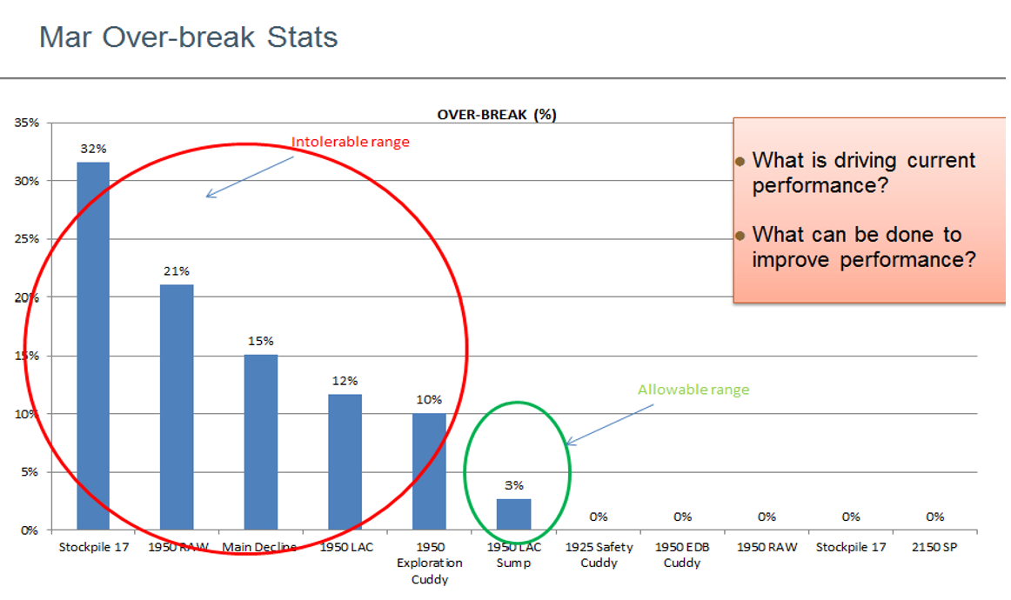
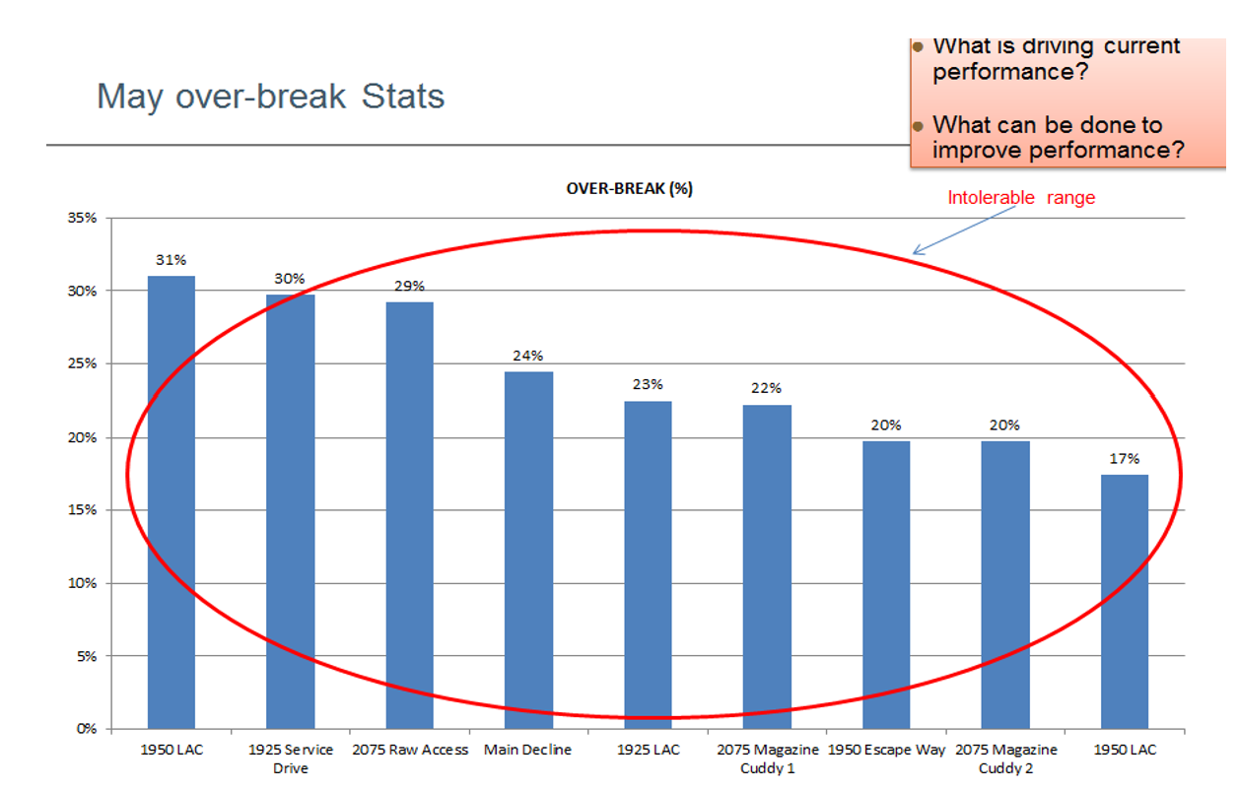
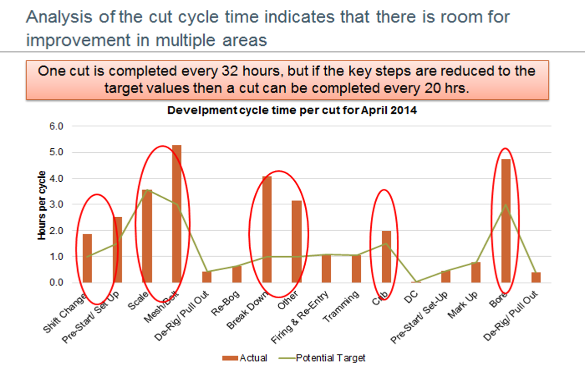
Reduce Jumbo Development Cycle per cut from 32hrs to 20hrs
DEVELOPMENT CYCLE & OVERBREAK ANALYSIS
Problem: Goldridge Underground Mine development is critical to the mine, as production is expected to commence in full in 18 months when the other mine is depleted. Jumbo development therefore needs to be facilitated to get operations on track to commence ore production as planned. There are currently four Jumbos and an average of 3 headings per day. Development target was 12.4m/day but we only achieved 3m/day. The Mine production data from Mine Control shows the low performance was driven by the long Jumbo development cycle time of 32 hrs per 3.1 m cut. The task is being performed by 4 expats and 8 national operator trainees. Overbreak 13%. Solution: Operator training, shift discipline, controlled blasting.

MONTHLY DEVELOPMENT KPI DATA
Month | Cycle Time (hrs/cut) | Dev Rate (m/day) | Overbreak (%) | Total meters drilled (m) | Phase
2023-01-01 | 32 | 3.83 | 11.2 | 118.73 | Baseline
2023-02-01 | 33 | 3.23 | 12.8 | 90.44 | Baseline
2023-03-01 | 32.1 | 2.4 | 12.8 | 74.4 | Baseline
2023-04-01 | 32.4 | 3.79 | 12.6 | 113.7 | Baseline
2023-05-01 | 31 | 3 | 13.6 | 93 | Baseline
2023-06-01 | 32.4 | 2.99 | 13.4 | 89.7 | Baseline
2023-07-01 | 32.1 | 3.59 | 12.5 | 111.29 | Baseline
2023-08-01 | 31.6 | 3.04 | 12 | 94.24 | Baseline
2023-09-01 | 32.4 | 3.3 | 13 | 99 | Baseline
2023-10-01 | 31.7 | 2.63 | 12.7 | 81.53 | Baseline
2023-11-01 | 31.6 | 2.88 | 12.9 | 86.4 | Baseline
2023-12-01 | 32.5 | 3.95 | 13.1 | 122.45 | Baseline
2024-01-01 | 32.3 | 3.17 | 11.7 | 98.27 | Baseline
2024-02-01 | 32 | 3.22 | 14.7 | 93.38 | Baseline
2024-03-01 | 31.8 | 3.32 | 13 | 102.92 | Post-Intervention
2024-04-01 | 30.1 | 3.86 | 13.2 | 115.8 | Post-Intervention
2024-05-01 | 31.9 | 3.24 | 13.4 | 100.44 | Post-Intervention
2024-06-01 | 28.8 | 4.03 | 13.6 | 120.9 | Post-Intervention
2024-07-01 | 28.8 | 3.77 | 11.9 | 116.87 | Post-Intervention
2024-08-01 | 28.9 | 3.58 | 10 | 110.98 | Post-Intervention
2024-09-01 | 27.7 | 4.59 | 10.6 | 137.7 | Post-Intervention
2024-10-01 | 30.4 | 4.29 | 10.7 | 132.99 | Post-Intervention
2024-11-01 | 29 | 4.31 | 10.8 | 129.3 | Post-Intervention
2024-12-01 | 29.1 | 4.36 | 10.4 | 135.16 | Post-Intervention
2025-01-01 | 27.3 | 5.51 | 9.1 | 170.81 | Post-Intervention
2025-02-01 | 24.9 | 5.61 | 9.9 | 157.08 | Post-Intervention
2025-03-01 | 26.3 | 5.74 | 8.9 | 177.94 | Post-Intervention
2025-04-01 | 25.8 | 5.92 | 8.6 | 177.6 | Post-Intervention
2025-05-01 | 27.2 | 6.19 | 8 | 191.89 | Post-Intervention | VALUE DRIVER TREE (VDT) SHOWING JUMBO DEVELOPMENT CYCLE TIME BREAKDOWN KPI & COST CALCULATION
2025-06-01 | 25.3 | 5.81 | 9.1 | 174.3 | Post-Intervention
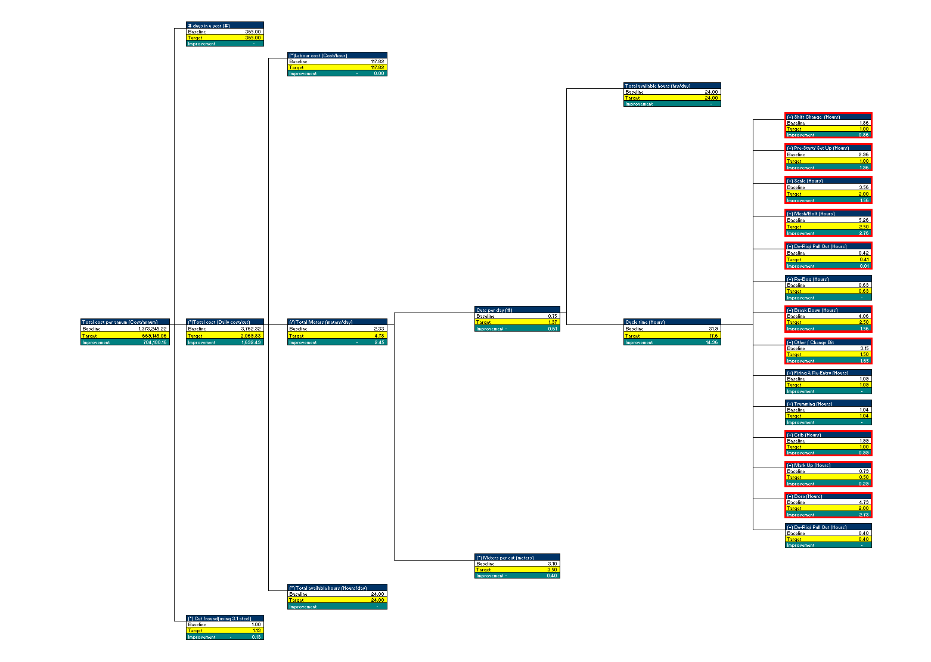
2025-07-01 | 25.4 | 6.07 | 8.9 | 188.17 | Post-Intervention
2025-08-01 | 24 | 6.93 | 9.2 | 214.83 | Post-Intervention
2025-09-01 | 22.7 | 6.5 | 7 | 195 | Post-Intervention
2025-10-01 | 21.5 | 6.97 | 7.5 | 216.07 | Post-Intervention
2025-11-01 | 22.3 | 7.53 | 7 | 225.9 | Post-Intervention
2025-12-01 | 23.7 | 7.09 | 8.6 | 219.79 | Post-Intervention

BEFORE vs AFTER — AVERAGEIF ANALYSIS
KPI | Baseline Avg | Post-Intervention Avg | Change |  | Value p.a.
Cycle Time (hrs/cut) | 32.1 | 27 | -15.9% reduction |  | $704,100
Dev Rate (m/day) | 3.22 | 5.24 | 62.7% increase |  | Included above
Overbreak (%) | 12.8 | 10 | -21.9% reduction |  | $491,702

Jumbo Cycle Time — Monthly Trend

 |  |  |  |  |  | UG DEVELOPMENT OVERBREAK ANALYSIS

 |  |  |  |  |  | ROOT CAUSE ANALYSIS OF UNDERGROUND MINE DEVELOPMENT OVERBREAK

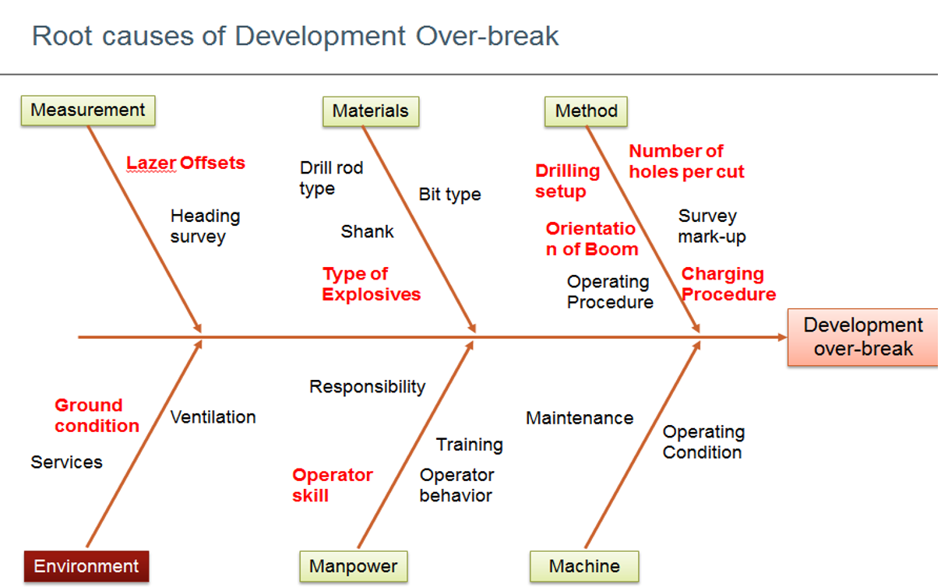

Development Overbreak — Monthly Trend (%)
 |  |  |  |  |  |  | Causes listed in red on the
 |  |  |  |  |  |  | fishbone diagram are root causes
 |  |  |  |  |  |  | we can work on to reduce the
 |  |  |  |  |  |  | overbreak and reduce cost

 |  |  |  |  |  | VDT OF UNDERGROUND MINE DEVELOPMENT OVERBREAK KPI & COST CALCULATION

Equipment Utilisation
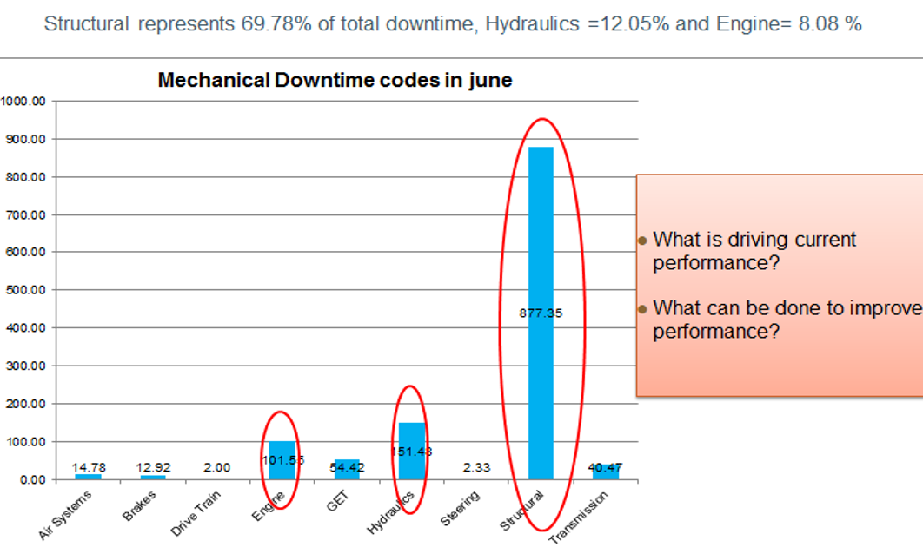
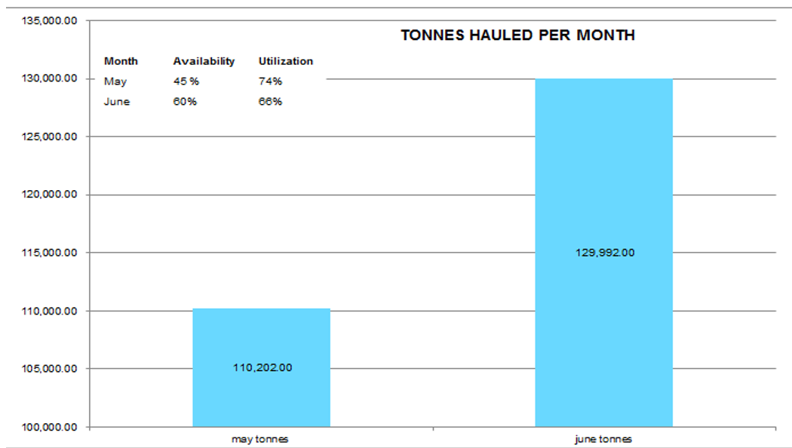
LHD LOADER UTILISATION & AVAILABILITY ANALYSIS
Problem: 5 operators for 7 loaders; availability 53%; utilisation 69%; 11.4 hrs/day downtime. Solution: Live mine-control data, additional operators, underground service bay.
 |  |  |  | VALUE DRIVER TREE (VDT) SHOWING THE UTILIZATION OF AVAILABLE LOADERS & COST CALCULATION
MONTHLY LHD PERFORMANCE DATA
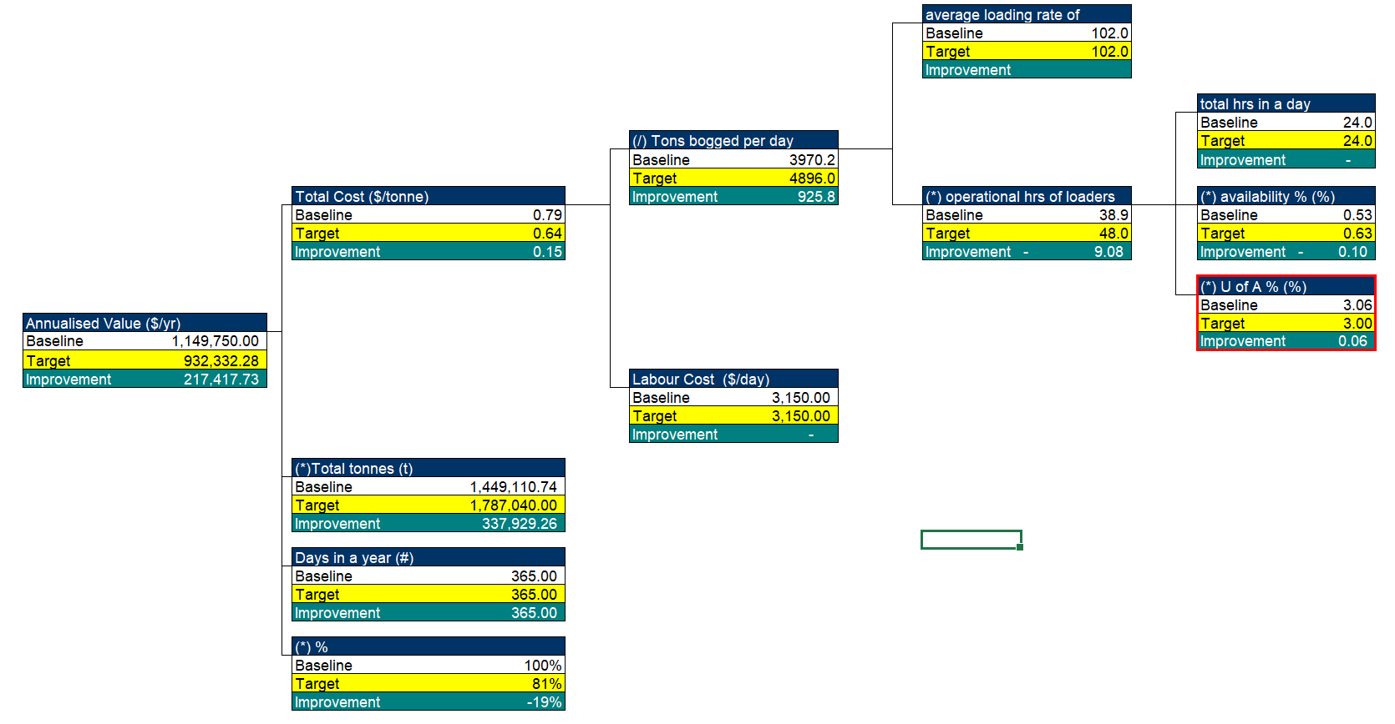
Month | Availability (%) | Utilisation (%) | Phase
2023-01-01 | 54.6% | 67.7% | Baseline
2023-02-01 | 50.3% | 69.7% | Baseline
2023-03-01 | 52.4% | 70.1% | Baseline
2023-04-01 | 54.2% | 68.9% | Baseline
2023-05-01 | 50.9% | 66.7% | Baseline
2023-06-01 | 51.9% | 70.3% | Baseline
2023-07-01 | 53.5% | 67.1% | Baseline
2023-08-01 | 53.4% | 69.6% | Baseline
2023-09-01 | 50.8% | 69.2% | Baseline
2023-10-01 | 53.1% | 67.3% | Baseline
2023-11-01 | 53.9% | 69.8% | Baseline
2023-12-01 | 55.7% | 70.6% | Baseline
2024-01-01 | 49.6% | 67.6% | Baseline
2024-02-01 | 54.3% | 69.8% | Post-Intervention
2024-03-01 | 55.0% | 75.0% | Post-Intervention
2024-04-01 | 55.8% | 71.2% | Post-Intervention
2024-05-01 | 57.5% | 70.7% | Post-Intervention
2024-06-01 | 55.0% | 71.1% | Post-Intervention
2024-07-01 | 54.6% | 69.9% | Post-Intervention
2024-08-01 | 56.0% | 70.6% | Post-Intervention
2024-09-01 | 63.7% | 67.9% | Post-Intervention
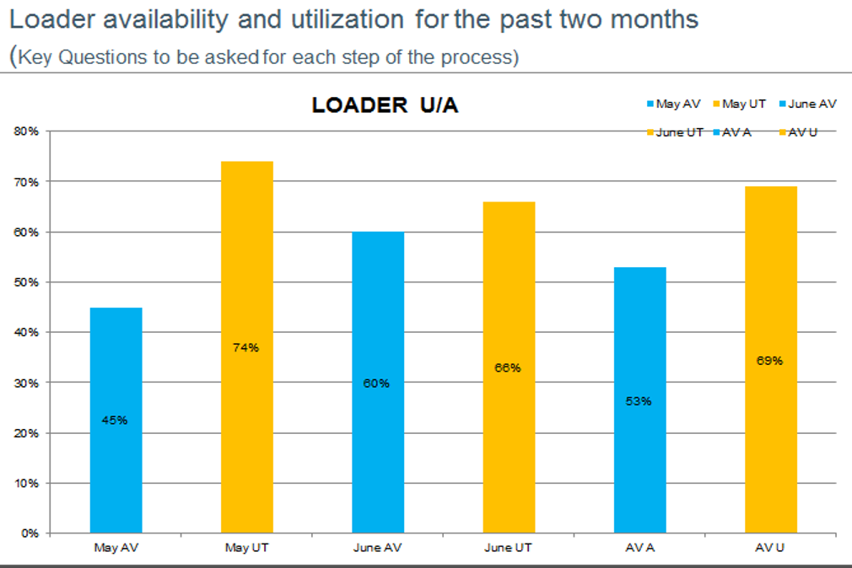
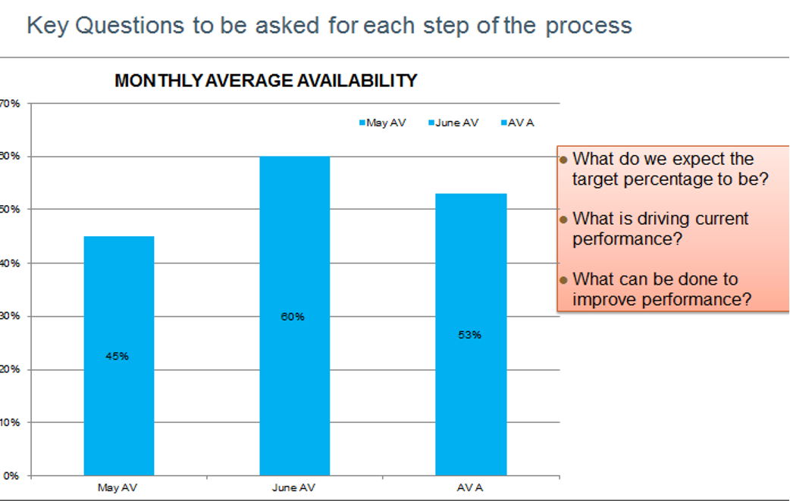
2024-10-01 | 60.3% | 68.5% | Post-Intervention
2024-11-01 | 58.1% | 72.8% | Post-Intervention
2024-12-01 | 60.2% | 69.8% | Post-Intervention
2025-01-01 | 58.9% | 72.7% | Post-Intervention
2025-02-01 | 59.6% | 72.3% | Post-Intervention
2025-03-01 | 62.2% | 71.2% | Post-Intervention
2025-04-01 | 68.2% | 73.4% | Post-Intervention
2025-05-01 | 58.4% | 73.0% | Post-Intervention
2025-06-01 | 62.5% | 74.2% | Post-Intervention
2025-07-01 | 62.9% | 73.0% | Post-Intervention
2025-08-01 | 66.9% | 74.7% | Post-Intervention
2025-09-01 | 63.3% | 73.2% | Post-Intervention
2025-10-01 | 65.8% | 72.9% | Post-Intervention
2025-11-01 | 72.1% | 74.8% | Post-Intervention
2025-12-01 | 64.8% | 75.6% | Post-Intervention

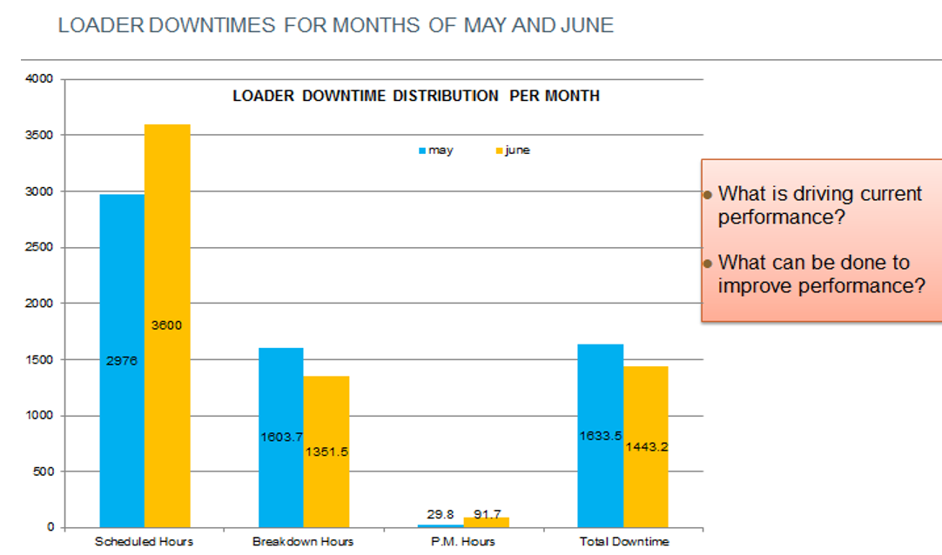
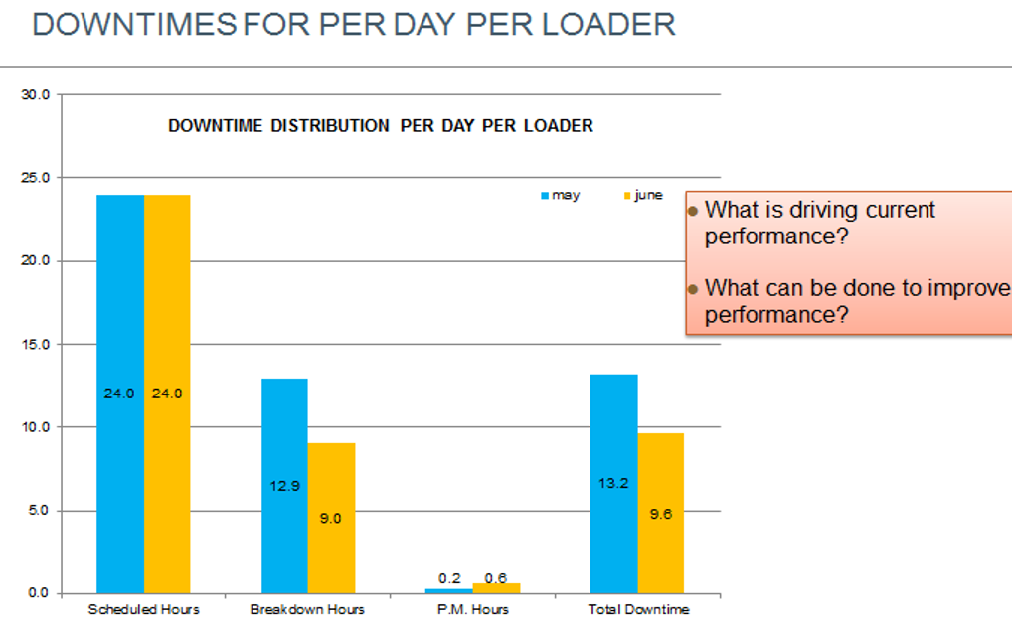
BEFORE vs AFTER — AVERAGEIF ANALYSIS
KPI | Baseline Avg | Post-Intervention Avg | Change
Availability (%) | 52.6 | 60.7 | 8.1
Utilisation (%) | 68.8 | 72.1 | 3.3

LHD Loader — Availability & Utilisation Trend

