Dashboards
Volve Field Production Analysis (2008 - 2016)
Equinor open dataset · Hugin Formation · water-injection waterflood
Summary: Total Oil: 10.0M Sm³ · Peak Rate: ~9,000 Sm³/d · Field Life: 2008 - 2016 · Peak Water Cut: 97%

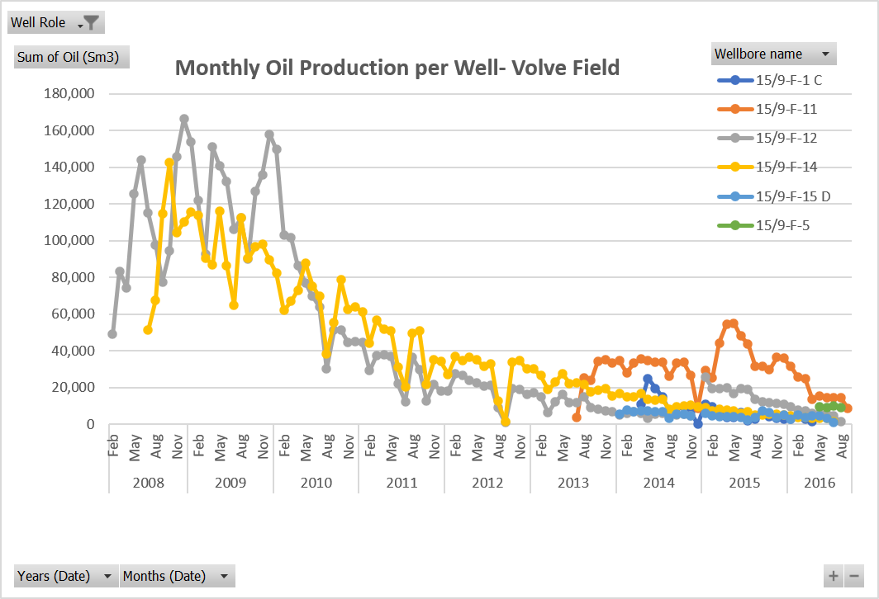

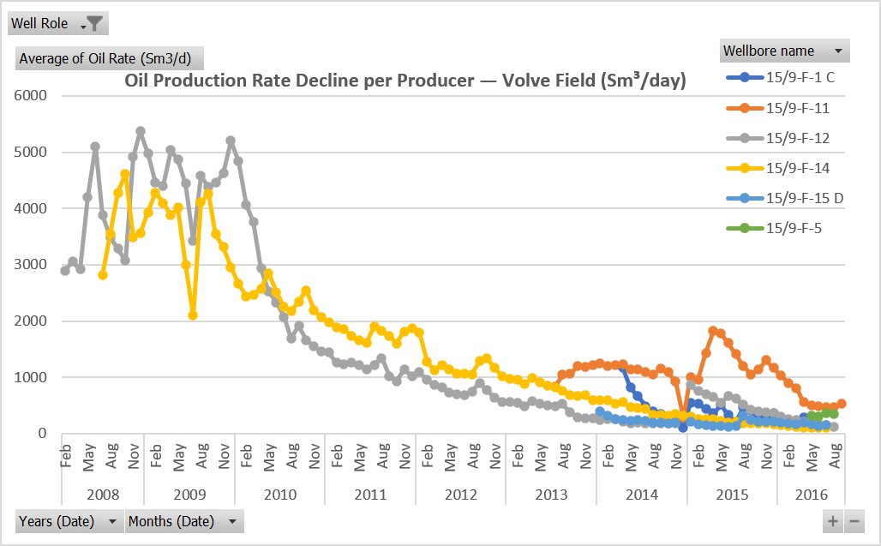
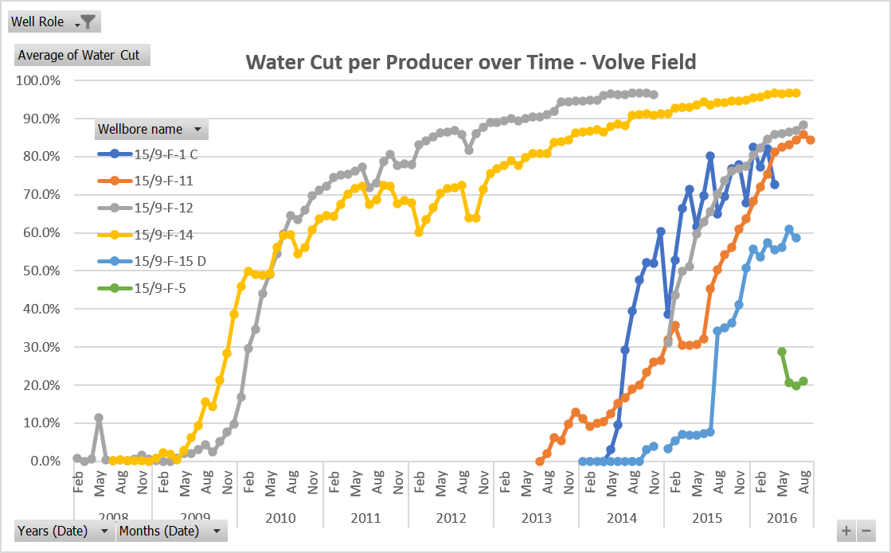
KEY FINDINGS
Two wells carried the Volve field. F-12 and F-14 produced ~8.5M of the field's ~10M Sm³ oil (85%). The five later wells contributed marginally.
Production validated against NPD using calculated peak rates. F-12 ~5,300 Sm³/d and F-14 ~4,600 Sm³/d are consistent with NPD's reported field peak of ~9,000 Sm³/d across all producers.
Waterflood breakthrough F-12 and F-14 show S-curve water cut rising to ~97%. Injected water front sweeping through to producers.
F-11, F-1 C and F-15 D broke through steeply on start-up, drilled late into an already-swept reservoir (NPD's second drilling campaign).
Field-wide water cut climbing past 90% is why Volve was abandoned in 2016, though pressure was maintained successfully

Well Summary
Well summary ranks all wells on the Volve Field by water-cut maturity.
F-12 and F-14 are the field's two main oil producers at 4.6M and 3.9M Sm³. They are flagged red at 97% water cut, fully swept and at end-of-life.
The injector F-4 shows zero oil.
The color scale shows well maturity.
Though Volve is shut-in, this logic on a live field will show early-warning on rate-of-change and rate-vs-choke signals.
Well | Total Oil | Peak Oil Rate | Peak Water Cut | Avg On-Stream Eff | Role
15/9-F-12 | 4,579,609.55 | 5369.02 | 97% | 88% | Producer
15/9-F-14 | 3,942,233.39 | 4616.31 | 97% | 89% | Producer
15/9-F-11 | 1,147,849.10 | 1818.53 | 86% | 91% | Producer
15/9-F-1 C | 177,709.33 | 1175.47 | 82% | 55% | Producer
15/9-F-15 D | 148,518.56 | 400.66 | 61% | 82% | Producer
15/9-F-5 | 41,160.68 | 358.41 | 41% | 86% | Producer
15/9-F-4 | - | 0.00 | 0% | 86% | Injector

Monthly Pivot
Cumulative Oil Production by Well - Volve Field
Row Labels | Sum of Oil (Sm3)
15/9-F-12 | 4,579,610
15/9-F-14 | 3,942,233
15/9-F-11 | 1,147,849
15/9-F-1 C | 177,709
15/9-F-15 D | 148,519
15/9-F-5 | 41,161
15/9-F-4 | 0
Grand Total | 10,037,081

Well Role | Producer

Sum of Oil (Sm3) | Column Labels
Row Labels | 15/9-F-1 C | 15/9-F-11 | 15/9-F-12 | 15/9-F-14 | 15/9-F-15 D | 15/9-F-5 | Grand Total
2008 |  |  | 1,173,447 | 590,928 |  |  | 1,764,375
Feb |  |  | 49,091 |  |  |  | 49,091
Monthly Oil Production per Well- Volve Field
 | 15/9-F-1 C | 15/9-F-11 | 15/9-F-12 | 15/9-F-14 | 15/9-F-15 D | 15/9-F-5
Feb |  |  | 49,091
Mar |  |  | 83,361
Apr |  |  | 74,532
May |  |  | 125,479
Jun |  |  | 143,787
Jul |  |  | 114,995 | 51,285
Aug |  |  | 97,822 | 67,621
Sept |  |  | 77,667 | 114,596
Oct |  |  | 94,357 | 142,817
Nov |  |  | 145,916 | 104,410
Dec |  |  | 166,440 | 110,199
Jan |  |  | 153,677 | 115,573
Feb |  |  | 121,905 | 113,881
Mar |  |  | 92,959 | 90,644
Apr |  |  | 150,956 | 86,944
May |  |  | 141,039 | 116,175
Jun |  |  | 132,430 | 86,654
Jul |  |  | 106,105 | 64,872
Aug |  |  | 112,414 | 112,494
Sept |  |  | 90,099 | 90,350
Oct |  |  | 126,940 | 96,707
Nov |  |  | 136,016 | 98,044
Dec |  |  | 158,002 | 89,514
Jan |  |  | 149,659 | 82,221
Feb |  |  | 103,026 | 62,093
Mar |  |  | 101,572 | 66,989
Apr |  |  | 86,254 | 73,036
May |  |  | 77,114 | 87,809
Jun |  |  | 69,617 | 75,310
Jul |  |  | 64,040 | 69,600
Aug |  |  | 30,117 | 38,414
Sept |  |  | 51,313 | 55,405
Oct |  |  | 51,431 | 78,755
Nov |  |  | 44,468 | 62,555
Dec |  |  | 45,218 | 63,886
Jan |  |  | 44,747 | 61,328
Feb |  |  | 29,157 | 44,066
Mar |  |  | 37,395 | 56,710
Apr |  |  | 37,820 | 51,814
May |  |  | 37,205 | 51,122
Jun |  |  | 22,026 | 31,195
Jul |  |  | 12,462 | 20,211
Aug |  |  | 36,380 | 49,730
Sept |  |  | 29,999 | 51,053
Oct |  |  | 12,648 | 21,807
Nov |  |  | 21,789 | 35,044
Dec |  |  | 18,090 | 34,166
Jan |  |  | 18,218 | 27,309
Feb |  |  | 27,362 | 36,798
Mar |  |  | 26,680 | 34,746
...
Mar |  |  | 83,361 |  |  |  | 83,361
Apr |  |  | 74,532 |  |  |  | 74,532
May |  |  | 125,479 |  |  |  | 125,479
Jun |  |  | 143,787 |  |  |  | 143,787
Jul |  |  | 114,995 | 51,285 |  |  | 166,280
Aug |  |  | 97,822 | 67,621 |  |  | 165,444
Sept |  |  | 77,667 | 114,596 |  |  | 192,263
Oct |  |  | 94,357 | 142,817 |  |  | 237,174
Nov |  |  | 145,916 | 104,410 |  |  | 250,325
Dec |  |  | 166,440 | 110,199 |  |  | 276,639
2009 |  |  | 1,522,541 | 1,161,852 |  |  | 2,684,392
Jan |  |  | 153,677 | 115,573 |  |  | 269,250
Feb |  |  | 121,905 | 113,881 |  |  | 235,786
Mar |  |  | 92,959 | 90,644 |  |  | 183,603
Apr |  |  | 150,956 | 86,944 |  |  | 237,900
May |  |  | 141,039 | 116,175 |  |  | 257,214
Jun |  |  | 132,430 | 86,654 |  |  | 219,084
Jul |  |  | 106,105 | 64,872 |  |  | 170,977
Aug |  |  | 112,414 | 112,494 |  |  | 224,908
Sept |  |  | 90,099 | 90,350 |  |  | 180,449
Oct |  |  | 126,940 | 96,707 |  |  | 223,647
Nov |  |  | 136,016 | 98,044 |  |  | 234,059
Dec |  |  | 158,002 | 89,514 |  |  | 247,516
2010 |  |  | 873,828 | 816,075 |  |  | 1,689,903
Jan |  |  | 149,659 | 82,221 |  |  | 231,880
Feb |  |  | 103,026 | 62,093 |  |  | 165,119
Mar |  |  | 101,572 | 66,989 |  |  | 168,561
Apr |  |  | 86,254 | 73,036 |  |  | 159,289
May |  |  | 77,114 | 87,809 |  |  | 164,923
Jun |  |  | 69,617 | 75,310 |  |  | 144,927
Jul |  |  | 64,040 | 69,600 |  |  | 133,640
Aug |  |  | 30,117 | 38,414 |  |  | 68,531
Sept |  |  | 51,313 | 55,405 |  |  | 106,718
Oct |  |  | 51,431 | 78,755 |  |  | 130,186
Nov |  |  | 44,468 | 62,555 |  |  | 107,024
Dec |  |  | 45,218 | 63,886 |  |  | 109,104
2011 |  |  | 339,718 | 508,247 |  |  | 847,965
Jan |  |  | 44,747 | 61,328 |  |  | 106,075
Feb |  |  | 29,157 | 44,066 |  |  | 73,224
Mar |  |  | 37,395 | 56,710 |  |  | 94,105
Apr |  |  | 37,820 | 51,814 |  |  | 89,634
May |  |  | 37,205 | 51,122 |  |  | 88,326
Jun |  |  | 22,026 | 31,195 |  |  | 53,221
Jul |  |  | 12,462 | 20,211 |  |  | 32,674
Aug |  |  | 36,380 | 49,730 |  |  | 86,110
Sept |  |  | 29,999 | 51,053 |  |  | 81,052
Oct |  |  | 12,648 | 21,807 |  |  | 34,455
Nov |  |  | 21,789 | 35,044 |  |  | 56,833
Dec |  |  | 18,090 | 34,166 |  |  | 52,257
2012 |  |  | 225,822 | 348,384 |  |  | 574,206
Jan |  |  | 18,218 | 27,309 |  |  | 45,527
Feb |  |  | 27,362 | 36,798 |  |  | 64,160
Mar |  |  | 26,680 | 34,746 |  |  | 61,425
Apr |  |  | 24,088 | 36,510 |  |  | 60,598
May |  |  | 22,415 | 35,052 |  |  | 57,467
Jun |  |  | 20,887 | 31,666 |  |  | 52,553
Jul |  |  | 21,207 | 32,961 |  |  | 54,168
Aug |  |  | 8,998 | 12,690 |  |  | 21,688
Sept |  |  | 1,014 | 1,655 |  |  | 2,669
Oct |  |  | 19,613 | 33,944 |  |  | 53,557
Nov |  |  | 19,019 | 34,932 |  |  | 53,951
Dec |  |  | 16,321 | 30,123 |  |  | 46,444
2013 |  | 156,101 | 138,153 | 263,758 |  |  | 558,013
Jan |  |  | 17,409 | 30,185 |  |  | 47,593
Feb |  |  | 15,087 | 26,596 |  |  | 41,683
Mar |  |  | 6,306 | 18,817 |  |  | 25,122
Apr |  |  | 12,351 | 22,875 |  |  | 35,227
May |  |  | 16,313 | 27,662 |  |  | 43,975
Jun |  |  | 11,900 | 22,298 |  |  | 34,198
Jul |  | 3,923 | 11,862 | 22,603 |  |  | 38,387
Aug |  | 25,496 | 15,147 | 21,667 |  |  | 62,310
Sept |  | 23,775 | 9,224 | 17,871 |  |  | 50,869
Oct |  | 34,115 | 8,305 | 18,441 |  |  | 60,861
Nov |  | 35,386 | 7,171 | 19,249 |  |  | 61,806
Dec |  | 33,406 | 7,080 | 15,496 |  |  | 55,981
2014 | 103,185 | 362,223 | 57,999 | 151,564 | 68,136 |  | 743,107
Jan |  | 34,552 | 4,997 | 16,687 | 5,675 |  | 61,911
Feb |  | 28,190 | 6,101 | 14,766 | 7,899 |  | 56,956
Mar |  | 33,291 | 6,836 | 14,955 | 7,081 |  | 62,163
Apr | 11,142 | 35,429 | 5,892 | 16,572 | 7,163 |  | 76,199
May | 24,902 | 34,832 | 3,238 | 13,637 | 7,219 |  | 83,827
Jun | 19,618 | 33,899 | 5,751 | 13,258 | 7,013 |  | 79,538
Jul | 15,086 | 33,760 | 5,792 | 13,496 | 6,847 |  | 74,981
Aug | 6,970 | 26,038 | 4,448 | 8,444 | 3,475 |  | 49,376
Sept | 9,168 | 33,222 | 5,063 | 9,622 | 5,315 |  | 62,389
Oct | 9,468 | 33,852 | 5,386 | 10,076 | 5,733 |  | 64,515
Nov | 6,710 | 26,612 | 4,495 | 10,386 | 4,716 |  | 52,920
Dec | 120 | 8,548 |  | 9,665 |  |  | 18,333
2015 | 62,235 | 465,818 | 200,201 | 78,396 | 55,099 |  | 861,749
Jan | 10,876 | 29,562 | 25,713 | 9,121 | 5,976 |  | 81,246
Feb | 9,587 | 25,347 | 19,579 | 7,179 | 4,581 |  | 66,273
Mar | 5,879 | 44,316 | 19,341 | 8,069 | 4,133 |  | 81,739
Apr | 3,924 | 54,556 | 19,797 | 7,687 | 4,260 |  | 90,224
May | 3,833 | 55,029 | 16,996 | 7,148 | 4,058 |  | 87,064
Jun | 6,345 | 48,231 | 19,536 | 6,070 | 3,666 |  | 83,848
Jul | 2,094 | 43,785 | 19,157 | 6,721 | 2,238 |  | 73,995
Aug | 2,871 | 31,498 | 13,473 | 4,876 | 3,578 |  | 56,296
Sept | 6,460 | 31,425 | 12,495 | 5,300 | 7,417 |  | 63,097
Oct | 4,086 | 29,725 | 11,889 | 5,635 | 6,347 |  | 57,681
Nov | 3,332 | 36,410 | 11,369 | 5,432 | 3,926 |  | 60,469
Dec | 2,949 | 35,934 | 10,856 | 5,158 | 4,919 |  | 59,816
2016 | 12,289 | 163,708 | 47,900 | 23,029 | 25,283 | 37,760 | 309,969
Jan | 2,981 | 31,603 | 9,495 | 4,606 | 2,891 |  | 51,577
Feb | 4,718 | 25,955 | 7,644 | 3,942 | 5,109 |  | 47,368
Mar | 2,918 | 25,024 | 7,360 | 3,754 | 3,748 |  | 42,802
Apr | 1,672 | 13,429 | 6,152 | 3,112 | 4,544 |  | 28,909
May |  | 15,529 | 5,865 | 3,213 | 4,699 | 9,724 | 39,030
Jun |  | 14,591 | 5,408 | 3,075 | 3,464 | 9,121 | 35,659
Jul |  | 14,385 | 4,534 | 1,327 | 829 | 9,985 | 31,059
Aug |  | 14,584 | 1,442 |  |  | 8,929 | 24,955
Sept |  | 8,609 |  |  |  |  | 8,609
Grand Total | 177,709 | 1,147,849 | 4,579,610 | 3,942,233 | 148,519 | 37,760 | 10,033,680

Oil Production Rate Decline per Producer — Volve Field (Sm³/day)
 | 15/9-F-1 C | 15/9-F-11 | 15/9-F-12 | 15/9-F-14 | 15/9-F-15 D | 15/9-F-5
Feb |  |  | 2897.4742551
Mar |  |  | 3053.9532438
Apr |  |  | 2914.9980218
May |  |  | 4204.8596293
Jun |  |  | 5105.4877784
Jul |  |  | 3883.0855628 | 2812.9028955
Aug |  |  | 3489.3322022 | 3540.3769634
Sept |  |  | 3281.8466179 | 4279.2509629
Oct |  |  | 3070.6081211 | 4616.3090101
Nov |  |  | 4913.9009686 | 3490.8251474
Dec |  |  | 5369.0216129 | 3554.8154839
Jan |  |  | 4978.5177589 | 3933.4586229
Feb |  |  | 4457.8440676 | 4281.1279931
Mar |  |  | 4406.2060776 | 4098.4418089
Apr |  |  | 5037.6866325 | 3881.1905527
May |  |  | 4869.2442184 | 4013.7249711
Jun |  |  | 4443.2252424 | 3005.7765286
Jul |  |  | 3431.2050611 | 2097.8087051
Aug |  |  | 4579.9643169 | 4110.4465911
Sept |  |  | 4383.9297719 | 4259.4807394
Oct |  |  | 4455.7056828 | 3541.1766646
Nov |  |  | 4625.400317 | 3317.6509931
Dec |  |  | 5205.2662732 | 2956.4372341
Jan |  |  | 4839.6298481 | 2658.8502372
Feb |  |  | 4061.9721549 | 2442.3018314
Mar |  |  | 3763.8476558 | 2457.9140042
Apr |  |  | 2932.1340925 | 2578.4612554
May |  |  | 2524.2901999 | 2847.2272603
Jun |  |  | 2329.746975 | 2518.196698
Jul |  |  | 2070.4345032 | 2249.9575609
Aug |  |  | 1691.062845 | 2168.7356387
Sept |  |  | 1910.058688 | 2348.715117
Oct |  |  | 1661.2838538 | 2543.3426198
Nov |  |  | 1545.981852 | 2196.8026036
Dec |  |  | 1463.8907979 | 2067.7943628
Jan |  |  | 1444.4078009 | 1978.3370968
Feb |  |  | 1255.7734815 | 1883.511024
Mar |  |  | 1229.7070452 | 1858.0737747
Apr |  |  | 1264.3156482 | 1732.7567407
May |  |  | 1213.1283817 | 1655.2025363
Jun |  |  | 1141.0823921 | 1609.433525
Jul |  |  | 1219.5804967 | 1905.915771
Aug |  |  | 1340.1881081 | 1829.650435
Sept |  |  | 1018.3593777 | 1730.6145763
Oct |  |  | 932.07164761 | 1600.1636811
Nov |  |  | 1138.4699399 | 1811.4113094
Dec |  |  | 1021.9930876 | 1877.9195722
Jan |  |  | 1094.0054448 | 1801.5159118
Feb |  |  | 953.44653037 | 1274.9911191
Mar |  |  | 864.80647262 | 1125.6164038
...

Well Role | Producer

Average of Oil Rate (Sm3/d) | Column Labels
Row Labels | 15/9-F-1 C | 15/9-F-11 | 15/9-F-12 | 15/9-F-14 | 15/9-F-15 D | 15/9-F-5 | Grand Total
2008 |  |  | 3834.9607285 | 3715.7467439 |  |  | 3792.8852045
Feb |  |  | 2897.4742551 |  |  |  | 2897.4742551
Mar |  |  | 3053.9532438 |  |  |  | 3053.9532438
Apr |  |  | 2914.9980218 |  |  |  | 2914.9980218
May |  |  | 4204.8596293 |  |  |  | 4204.8596293
Jun |  |  | 5105.4877784 |  |  |  | 5105.4877784
Jul |  |  | 3883.0855628 | 2812.9028955 |  |  | 3347.9942292
Aug |  |  | 3489.3322022 | 3540.3769634 |  |  | 3514.8545828
Sept |  |  | 3281.8466179 | 4279.2509629 |  |  | 3780.5487904
Oct |  |  | 3070.6081211 | 4616.3090101 |  |  | 3843.4585656
Nov |  |  | 4913.9009686 | 3490.8251474 |  |  | 4202.363058
Dec |  |  | 5369.0216129 | 3554.8154839 |  |  | 4461.9185484
2009 |  |  | 4572.8496184 | 3624.7267837 |  |  | 4098.788201
Jan |  |  | 4978.5177589 | 3933.4586229 |  |  | 4455.9881909
Feb |  |  | 4457.8440676 | 4281.1279931 |  |  | 4369.4860304
Mar |  |  | 4406.2060776 | 4098.4418089 |  |  | 4252.3239433
Apr |  |  | 5037.6866325 | 3881.1905527 |  |  | 4459.4385926
May |  |  | 4869.2442184 | 4013.7249711 |  |  | 4441.4845948
Jun |  |  | 4443.2252424 | 3005.7765286 |  |  | 3724.5008855
Jul |  |  | 3431.2050611 | 2097.8087051 |  |  | 2764.5068831
Aug |  |  | 4579.9643169 | 4110.4465911 |  |  | 4345.205454
Sept |  |  | 4383.9297719 | 4259.4807394 |  |  | 4321.7052557
Oct |  |  | 4455.7056828 | 3541.1766646 |  |  | 3998.4411737
Nov |  |  | 4625.400317 | 3317.6509931 |  |  | 3971.525655
Dec |  |  | 5205.2662732 | 2956.4372341 |  |  | 4080.8517537
2010 |  |  | 2566.1944555 | 2423.1915991 |  |  | 2494.6930273
Jan |  |  | 4839.6298481 | 2658.8502372 |  |  | 3749.2400427
Feb |  |  | 4061.9721549 | 2442.3018314 |  |  | 3252.1369932
Mar |  |  | 3763.8476558 | 2457.9140042 |  |  | 3110.88083
Apr |  |  | 2932.1340925 | 2578.4612554 |  |  | 2755.297674
May |  |  | 2524.2901999 | 2847.2272603 |  |  | 2685.7587301
Jun |  |  | 2329.746975 | 2518.196698 |  |  | 2423.9718365
Jul |  |  | 2070.4345032 | 2249.9575609 |  |  | 2160.196032
Aug |  |  | 1691.062845 | 2168.7356387 |  |  | 1929.8992419
Sept |  |  | 1910.058688 | 2348.715117 |  |  | 2129.3869025
Oct |  |  | 1661.2838538 | 2543.3426198 |  |  | 2102.3132368
Nov |  |  | 1545.981852 | 2196.8026036 |  |  | 1871.3922278
Dec |  |  | 1463.8907979 | 2067.7943628 |  |  | 1765.8425804
2011 |  |  | 1184.9231173 | 1789.4158369 |  |  | 1487.1694771
Jan |  |  | 1444.4078009 | 1978.3370968 |  |  | 1711.3724489
Feb |  |  | 1255.7734815 | 1883.511024 |  |  | 1569.6422528
Mar |  |  | 1229.7070452 | 1858.0737747 |  |  | 1543.89041
Apr |  |  | 1264.3156482 | 1732.7567407 |  |  | 1498.5361944
May |  |  | 1213.1283817 | 1655.2025363 |  |  | 1434.165459
Jun |  |  | 1141.0823921 | 1609.433525 |  |  | 1375.2579586
Jul |  |  | 1219.5804967 | 1905.915771 |  |  | 1562.7481338
Aug |  |  | 1340.1881081 | 1829.650435 |  |  | 1584.9192716
Sept |  |  | 1018.3593777 | 1730.6145763 |  |  | 1374.486977
Oct |  |  | 932.07164761 | 1600.1636811 |  |  | 1266.1176644
Nov |  |  | 1138.4699399 | 1811.4113094 |  |  | 1474.9406247
Dec |  |  | 1021.9930876 | 1877.9195722 |  |  | 1449.9563299
2012 |  |  | 788.23279179 | 1212.3362069 |  |  | 1000.2844994
Jan |  |  | 1094.0054448 | 1801.5159118 |  |  | 1447.7606783
Feb |  |  | 953.44653037 | 1274.9911191 |  |  | 1114.2188247
Mar |  |  | 864.80647262 | 1125.6164038 |  |  | 995.21143822
Apr |  |  | 813.91972399 | 1216.993 |  |  | 1015.456362
May |  |  | 729.25264291 | 1135.158483 |  |  | 932.20556295
Jun |  |  | 704.72884063 | 1068.6288209 |  |  | 886.67883075
Jul |  |  | 684.09483871 | 1063.2483871 |  |  | 873.6716129
Aug |  |  | 748.22957124 | 1055.1967432 |  |  | 901.71315721
Sept |  |  | 901.54958976 | 1290.3711197 |  |  | 1095.9603547
Oct |  |  | 771.43180235 | 1335.1194002 |  |  | 1053.2756013
Nov |  |  | 633.96266667 | 1164.3886667 |  |  | 899.17566667
Dec |  |  | 559.3653775 | 1016.8064278 |  |  | 788.08590265
2013 |  | 1091.0011409 | 452.35735364 | 813.22620764 |  |  | 724.43365269
Jan |  |  | 561.56677419 | 973.70322581 |  |  | 767.635
Feb |  |  | 538.835 | 955.64723665 |  |  | 747.24111833
Mar |  |  | 491.73168662 | 888.44185777 |  |  | 690.08677219
Apr |  |  | 577.31634787 | 985.06593891 |  |  | 781.19114339
May |  |  | 534.82294867 | 905.08072386 |  |  | 719.95183627
Jun |  |  | 503.97437685 | 849.34518106 |  |  | 676.65977895
Jul |  | 833.84672773 | 489.74946454 | 820.87244892 |  |  | 714.8228804
Aug |  | 1042.9321533 | 528.40778 | 756.0143932 |  |  | 775.78477549
Sept |  | 1058.7943401 | 375.20397976 | 684.23767399 |  |  | 706.07866463
Oct |  | 1206.7031814 | 293.118 | 671.94328615 |  |  | 723.9214892
Nov |  | 1192.7983146 | 265.31357444 | 678.11793028 |  |  | 712.07660644
Dec |  | 1210.9321281 | 268.2483107 | 590.24459511 |  |  | 689.80834464
2014 | 507.52954012 | 1063.5712559 | 203.77022454 | 441.39720108 | 243.50944337 |  | 500.86297622
Jan |  | 1241.2476749 | 246.70536375 | 594.84280728 | 400.66031478 |  | 620.86404018
Feb |  | 1202.4157962 | 260.604378 | 592.01834709 | 318.25131674 |  | 593.32245952
Mar |  | 1218.8847783 | 249.80931875 | 530.02633059 | 253.38096161 |  | 563.02534732
Apr | 1175.4693626 | 1229.6005802 | 204.04689729 | 567.00981796 | 245.29224184 |  | 684.28377999
May | 814.41761695 | 1142.80946 | 181.83792811 | 466.55521026 | 232.8583871 |  | 567.69572049
Jun | 666.97142408 | 1146.9464716 | 195.13968047 | 448.15740845 | 237.26672709 |  | 538.89634233
Jul | 487.67267696 | 1090.9980921 | 187.04304917 | 435.89124202 | 224.30137678 |  | 485.1812874
Aug | 386.35921994 | 1043.0371419 | 179.92881501 | 337.87121093 | 192.48684013 |  | 427.93664558
Sept | 349.10728225 | 1154.4199172 | 177.15989394 | 334.84733045 | 196.99985639 |  | 442.50685605
Oct | 305.01132886 | 1090.5252081 | 173.49616107 | 324.6030604 | 187.62447358 |  | 416.25204639
Nov | 277.77658574 | 922.4199229 | 185.7009844 | 351.83322512 | 189.48138104 |  | 385.44241984
Dec | 104.98036364 | 279.55002751 |  | 313.11042238 |  |  | 232.54693784
2015 | 389.2413149 | 1321.7096882 | 570.70392561 | 219.06318845 | 187.04061889 |  | 537.55174722
Jan | 543.87091826 | 1001.6233459 | 862.37503604 | 304.8229498 | 205.61877467 |  | 583.66220493
Feb | 525.99586568 | 962.29888235 | 754.47610782 | 263.01657747 | 169.31378515 |  | 535.02024369
Mar | 440.65462007 | 1429.874835 | 697.90538621 | 260.2916129 | 149.02846195 |  | 595.55098323
Apr | 358.32715737 | 1818.5253333 | 659.88533333 | 256.24 | 141.99733333 |  | 646.99503147
May | 507.96812716 | 1775.136129 | 548.27354839 | 230.57387097 | 132.11536002 |  | 638.81340711
Jun | 326.4402309 | 1610.3499659 | 661.01815991 | 202.66408123 | 122.36611769 |  | 584.56771112
Jul | 207.95089368 | 1412.4083871 | 617.98225806 | 217.6634699 | 127.85553439 |  | 516.77210863
Aug | 466.22708844 | 1196.1004645 | 507.8796079 | 185.94369698 | 310.7741089 |  | 533.38499334
Sept | 403.27664183 | 1049.3451608 | 416.87456763 | 176.90764491 | 247.53446061 |  | 458.78769517
Oct | 266.61021568 | 1137.9869838 | 386.27317515 | 182.28009353 | 204.96602734 |  | 435.62329909
Nov | 265.45058522 | 1301.7054164 | 379.2460267 | 181.17781541 | 214.76813937 |  | 468.46959661
Dec | 358.12343451 | 1165.1613548 | 356.25790013 | 167.17644835 | 218.14932323 |  | 452.9736922
2016 | 224.8630059 | 638.05468119 | 208.32962618 | 117.98401011 | 167.81383966 | 333.54281147 | 298.54711174
Jan | 184.5696026 | 1029.8414804 | 309.40872111 | 150.13744047 | 198.00890411 |  | 374.39322973
Feb | 233.71851068 | 895.52128859 | 263.74824135 | 136.00452443 | 176.50078445 |  | 341.0986699
Mar | 196.26731631 | 808.30126514 | 237.73663526 | 122.12996043 | 163.33395271 |  | 305.55382597
Apr | 284.89659399 | 556.56239589 | 205.40516673 | 104.35088291 | 189.17304822 |  | 268.07761755
May |  | 500.92741935 | 190.0919919 | 104.48650407 | 166.54133317 | 318.83278689 | 256.17600707
Jun |  | 487.4255493 | 184.56864919 | 103.0616367 | 137.43023708 | 304.71943253 | 243.44110096
Jul |  | 466.53601189 | 154.62224051 | 105.71712175 | 143.70861789 | 358.40864721 | 245.79852785
Aug |  | 470.6537675 | 121.05536338 |  |  | 352.21037926 | 314.63983671
Sept |  | 526.72295267 |  |  |  |  | 526.72295267
Grand Total | 405.52454654 | 1049.0223155 | 1644.2726729 | 1540.2129157 | 203.25960605 | 333.54281147 | 1264.6411073

Well Role | Producer

Average of Water Cut | Column Labels
Row Labels | 15/9-F-1 C | 15/9-F-11 | 15/9-F-12 | 15/9-F-14 | 15/9-F-15 D | 15/9-F-5 | Grand Total
2008 |  |  | 1.5% | 0.2% |  |  | 1.1%
Feb |  |  | 0.8% |  |  |  | 0.8%
Mar |  |  | 0.0% |  |  |  | 0.0%
Apr |  |  | 0.6% |  |  |  | 0.6%
May |  |  | 11.5% |  |  |  | 11.5%
Jun |  |  | 0.3% |  |  |  | 0.3%
Jul |  |  | 0.3% | 0.2% |  |  | 0.2%
Aug |  |  | 0.4% | 0.3% |  |  | 0.3%
Sept |  |  | 0.2% | 0.2% |  |  | 0.2%
Water Cut per Producer over Time - Volve Field
 | 15/9-F-1 C | 15/9-F-11 | 15/9-F-12 | 15/9-F-14 | 15/9-F-15 D | 15/9-F-5
Feb |  |  | 0.8%
Mar |  |  | 0.0%
Apr |  |  | 0.6%
May |  |  | 11.5%
Jun |  |  | 0.3%
Jul |  |  | 0.3% | 0.2%
Aug |  |  | 0.4% | 0.3%
Sept |  |  | 0.2% | 0.2%
Oct |  |  | 0.7% | 0.1%
Nov |  |  | 1.6% | 0.2%
Dec |  |  | 0.6% | 0.1%
Jan |  |  | 0.3% | 0.8%
Feb |  |  | 0.0% | 2.2%
Mar |  |  | 0.0% | 1.8%
Apr |  |  | 0.8% | 0.3%
May |  |  | 2.2% | 2.9%
Jun |  |  | 2.0% | 6.2%
Jul |  |  | 3.0% | 9.5%
Aug |  |  | 4.3% | 15.6%
Sept |  |  | 2.4% | 14.5%
Oct |  |  | 5.1% | 21.3%
Nov |  |  | 7.7% | 28.5%
Dec |  |  | 9.9% | 38.6%
Jan |  |  | 16.8% | 46.0%
Feb |  |  | 29.6% | 50.0%
Mar |  |  | 34.7% | 49.1%
Apr |  |  | 44.1% | 48.9%
May |  |  | 49.1% | 49.3%
Jun |  |  | 54.5% | 56.2%
Jul |  |  | 59.7% | 59.3%
Aug |  |  | 64.5% | 59.5%
Sept |  |  | 63.5% | 54.6%
Oct |  |  | 65.9% | 56.2%
Nov |  |  | 69.7% | 60.8%
Dec |  |  | 71.1% | 63.6%
Jan |  |  | 72.3% | 64.4%
Feb |  |  | 74.5% | 64.3%
Mar |  |  | 75.2% | 67.4%
Apr |  |  | 75.4% | 70.2%
May |  |  | 76.3% | 71.7%
Jun |  |  | 77.2% | 72.3%
Jul |  |  | 71.9% | 67.5%
Aug |  |  | 73.1% | 68.7%
Sept |  |  | 78.6% | 72.4%
Oct |  |  | 80.7% | 72.1%
Nov |  |  | 77.7% | 67.7%
Dec |  |  | 78.1% | 68.5%
Jan |  |  | 77.8% | 67.8%
Feb |  |  | 83.0% | 60.0%
Mar |  |  | 84.2% | 63.4%
...
Oct |  |  | 0.7% | 0.1% |  |  | 0.4%
Nov |  |  | 1.6% | 0.2% |  |  | 0.9%
Dec |  |  | 0.6% | 0.1% |  |  | 0.3%
2009 |  |  | 3.1% | 11.8% |  |  | 7.5%
Jan |  |  | 0.3% | 0.8% |  |  | 0.5%
Feb |  |  | 0.0% | 2.2% |  |  | 1.1%
Mar |  |  | 0.0% | 1.8% |  |  | 0.9%
Apr |  |  | 0.8% | 0.3% |  |  | 0.6%
May |  |  | 2.2% | 2.9% |  |  | 2.5%
Jun |  |  | 2.0% | 6.2% |  |  | 4.1%
Jul |  |  | 3.0% | 9.5% |  |  | 6.2%
Aug |  |  | 4.3% | 15.6% |  |  | 9.9%
Sept |  |  | 2.4% | 14.5% |  |  | 8.4%
Oct |  |  | 5.1% | 21.3% |  |  | 13.2%
Nov |  |  | 7.7% | 28.5% |  |  | 18.1%
Dec |  |  | 9.9% | 38.6% |  |  | 24.2%
2010 |  |  | 51.9% | 54.4% |  |  | 53.2%
Jan |  |  | 16.8% | 46.0% |  |  | 31.4%
Feb |  |  | 29.6% | 50.0% |  |  | 39.8%
Mar |  |  | 34.7% | 49.1% |  |  | 41.9%
Apr |  |  | 44.1% | 48.9% |  |  | 46.5%
May |  |  | 49.1% | 49.3% |  |  | 49.2%
Jun |  |  | 54.5% | 56.2% |  |  | 55.3%
Jul |  |  | 59.7% | 59.3% |  |  | 59.5%
Aug |  |  | 64.5% | 59.5% |  |  | 62.0%
Sept |  |  | 63.5% | 54.6% |  |  | 59.0%
Oct |  |  | 65.9% | 56.2% |  |  | 61.1%
Nov |  |  | 69.7% | 60.8% |  |  | 65.2%
Dec |  |  | 71.1% | 63.6% |  |  | 67.4%
2011 |  |  | 75.9% | 68.9% |  |  | 72.4%
Jan |  |  | 72.3% | 64.4% |  |  | 68.4%
Feb |  |  | 74.5% | 64.3% |  |  | 69.4%
Mar |  |  | 75.2% | 67.4% |  |  | 71.3%
Apr |  |  | 75.4% | 70.2% |  |  | 72.8%
May |  |  | 76.3% | 71.7% |  |  | 74.0%
Jun |  |  | 77.2% | 72.3% |  |  | 74.7%
Jul |  |  | 71.9% | 67.5% |  |  | 69.7%
Aug |  |  | 73.1% | 68.7% |  |  | 70.9%
Sept |  |  | 78.6% | 72.4% |  |  | 75.5%
Oct |  |  | 80.7% | 72.1% |  |  | 76.4%
Nov |  |  | 77.7% | 67.7% |  |  | 72.7%
Dec |  |  | 78.1% | 68.5% |  |  | 73.3%
2012 |  |  | 85.0% | 68.2% |  |  | 76.6%
Jan |  |  | 77.8% | 67.8% |  |  | 72.8%
Feb |  |  | 83.0% | 60.0% |  |  | 71.5%
Mar |  |  | 84.2% | 63.4% |  |  | 73.8%
Apr |  |  | 85.1% | 66.6% |  |  | 75.9%
May |  |  | 86.2% | 70.3% |  |  | 78.2%
Jun |  |  | 86.5% | 71.7% |  |  | 79.1%
Jul |  |  | 86.9% | 71.8% |  |  | 79.3%
Aug |  |  | 85.9% | 72.4% |  |  | 79.1%
Sept |  |  | 81.7% | 63.8% |  |  | 72.7%
Oct |  |  | 86.1% | 63.9% |  |  | 75.0%
Nov |  |  | 87.6% | 71.4% |  |  | 79.5%
Dec |  |  | 89.0% | 75.6% |  |  | 82.3%
2013 |  | 6.0% | 91.2% | 81.0% |  |  | 70.1%
Jan |  |  | 88.9% | 76.8% |  |  | 82.9%
Feb |  |  | 89.3% | 77.6% |  |  | 83.5%
Mar |  |  | 90.1% | 79.0% |  |  | 84.5%
Apr |  |  | 89.3% | 77.6% |  |  | 83.5%
May |  |  | 90.0% | 79.8% |  |  | 84.9%
Jun |  |  | 90.4% | 80.7% |  |  | 85.6%
Jul |  | 0.0% | 90.4% | 80.7% |  |  | 57.0%
Aug |  | 2.0% | 91.0% | 80.8% |  |  | 57.9%
Sept |  | 6.2% | 91.9% | 83.8% |  |  | 60.6%
Oct |  | 5.3% | 94.3% | 84.0% |  |  | 61.2%
Nov |  | 9.7% | 94.5% | 84.3% |  |  | 62.8%
Dec |  | 12.9% | 94.7% | 86.3% |  |  | 64.6%
2014 | 32.6% | 16.7% | 96.0% | 88.9% | 0.6% |  | 47.7%
Jan |  | 11.2% | 94.6% | 86.5% | 0.0% |  | 48.1%
Feb |  | 9.2% | 94.8% | 86.7% | 0.0% |  | 47.7%
Mar |  | 10.0% | 94.9% | 87.2% | 0.0% |  | 48.0%
Apr | 0.0% | 10.4% | 96.0% | 86.4% | 0.0% |  | 38.6%
May | 3.1% | 12.6% | 96.5% | 87.9% | 0.0% |  | 40.0%
Jun | 9.5% | 15.2% | 96.4% | 88.6% | 0.0% |  | 41.9%
Jul | 29.3% | 16.8% | 96.3% | 88.1% | 0.0% |  | 46.1%
Aug | 39.4% | 18.9% | 96.6% | 90.7% | 0.0% |  | 49.1%
Sept | 47.6% | 20.1% | 96.7% | 91.1% | 0.0% |  | 51.1%
Oct | 52.3% | 23.3% | 96.6% | 91.2% | 3.1% |  | 53.3%
Nov | 51.9% | 26.1% | 96.2% | 90.9% | 3.9% |  | 53.8%
Dec | 60.4% | 26.5% |  | 91.2% |  |  | 59.4%
2015 | 66.5% | 43.5% | 61.5% | 93.6% | 20.2% |  | 57.1%
Jan | 38.6% | 31.9% | 31.1% | 91.2% | 3.4% |  | 39.2%
Feb | 52.8% | 35.7% | 43.6% | 92.8% | 5.4% |  | 46.0%
Mar | 66.4% | 30.4% | 49.9% | 93.0% | 7.0% |  | 49.3%
Apr | 71.4% | 30.4% | 51.2% | 92.9% | 6.9% |  | 50.6%
May | 61.7% | 30.7% | 59.7% | 93.5% | 6.9% |  | 50.5%
Jun | 69.6% | 32.2% | 62.7% | 94.3% | 7.4% |  | 53.2%
Jul | 80.1% | 45.3% | 65.6% | 93.5% | 7.6% |  | 58.4%
Aug | 65.0% | 50.3% | 70.1% | 94.2% | 34.2% |  | 62.8%
Sept | 69.6% | 54.3% | 73.7% | 94.1% | 35.0% |  | 65.3%
Oct | 76.8% | 56.1% | 76.2% | 94.6% | 36.4% |  | 68.0%
Nov | 77.8% | 61.0% | 76.8% | 94.6% | 41.1% |  | 70.3%
Dec | 67.9% | 63.7% | 77.5% | 94.8% | 50.8% |  | 70.9%
2016 | 78.6% | 79.7% | 85.1% | 96.3% | 56.8% | 22.6% | 73.7%
Jan | 82.5% | 68.3% | 80.4% | 95.5% | 55.8% |  | 76.5%
Feb | 77.2% | 72.0% | 82.2% | 95.6% | 53.6% |  | 76.1%
Mar | 82.1% | 75.4% | 84.6% | 96.3% | 57.3% |  | 79.2%
Apr | 72.7% | 81.2% | 85.8% | 96.7% | 55.6% |  | 78.4%
May |  | 82.5% | 86.0% | 96.5% | 56.1% | 28.9% | 70.0%
Jun |  | 83.1% | 86.5% | 96.6% | 60.9% | 20.7% | 69.6%
Jul |  | 84.3% | 86.8% | 96.6% | 58.6% | 19.7% | 69.2%
Aug |  | 85.8% | 88.4% |  |  | 21.0% | 65.0%
Sept |  | 84.5% |  |  |  |  | 84.5%
Grand Total | 56.2% | 37.8% | 60.6% | 64.7% | 21.6% | 22.6% | 54.1%

