file_ids
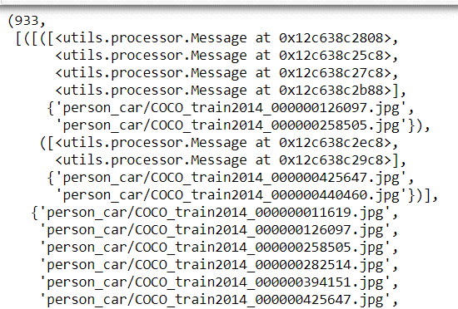
log json |  | test_sections .json | test_segments.json |  | test_chains . Json
game_id | [0, 1, 2 … ] |  | Segment | ooh or maybe the tokens are the indices from the vocab? [6, 23, 13, 759, 20, 8, 28, 51, 12, 7, 43], | Game_id | '37M28K1J0RBVOC8T4EBXFE0RON9JAH3SEPORI8WOXLORDXM0EJ38OH7LLZAH',
domain_id: |  |  | Image set |  | Chain_id
agent_ids: |  |  | Target | the index of the target image, probably index of the image set. Sometimes there are multiple targets [3, 5, 2], | target | 560784
agent_labels: |  |  | Length |  | segments | [1458, 1459, 1462, 1474],
start_time |  |  |  |  | lengths
feedback:
round_nr:
score:
images
A
B
common:
highlighted A:
highlighted B:
messages.
Time :
turn:
speaker:
agent_id:
message

