About
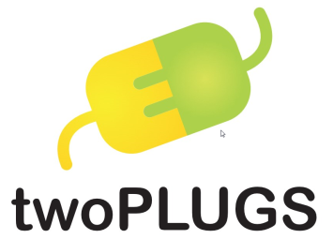
Regression Test Cases & Report
Test Case Version: 1.0
Build: qa-release-2017-May-26-1023

