Sheet1 (8)

G E O R G I A V E R D A N A T I M E S N E W R O M A N F R A N K L I N G O T H I C g e o r g i a v e r d a n a t i m e s n e w r o m a n f r a n k l i n g o t h i c 1 2 3 4 5 6 7 8 9 0 ~ # { } [ ] | ``` \\ ^ @ + ° * ¤ $ é à ç è ù ; , ?G E O R G I A V E R D A N A T I M E S N E W R O M A N F R A N K L I N G O T H I C g e o r g i a v e r d a n a t i m e s n e w r o m a n f r a n k l i n g o t h i c 1 2 3 4 5 6 7 8 9 0 ~ # { } [ ] | ``` \\ ^ @ + ° * ¤ $ é à ç è ù ; , ? G E O R G I A V E R D A N A T I M E S N E W R O M A N F R A N K L I N G O T H I C g e o r g i a v e r d a n a t i m e s n e w r o m a n f r a n k l i n g o t h i c 1 2 3 4 5 6 7 8 9 0 ~ # { } [ ] | ``` \\ ^ @ + ° * ¤ $ é à ç è ù ; , ? | G E O R G I A |  |  |  | G E O R G I A V E R D A N A T I M E S N E W R O M A N F R A N K L I N G O T H I C g e o r g i a v e r d a n a t i m e s n e w r o m a n f r a n k l i n g o t h i c 1 2 3 4 5 6 7 8 9 0 ~ # { } [ ] | ``` \\ ^ @ + ° * ¤ $ é à ç è ù ; , ?G E O R G I A V E R D A N A T I M E S N E W R O M A N F R A N K L I N G O T H I C g e o r g i a v e r d a n a t i m e s n e w r o m a n f r a n k l i n g o t h i c 1 2 3 4 5 6 7 8 9 0 ~ # { } [ ] | ``` \\ ^ @ + ° * ¤ $ é à ç è ù ; , ? G E O R G I A V E R D A N A T I M E S N E W R O M A N F R A N K L I N G O T H I C g e o r g i a v e r d a n a t i m e s n e w r o m a n f r a n k l i n g o t h i c 1 2 3 4 5 6 7 8 9 0 ~ # { } [ ] | ``` \\ ^ @ + ° * ¤ $ é à ç è ù ; , ? | ^ @ + ° * ¤ $ é à ç è ù ; , ? |  |  | G E O R G I A V E R D A N A T I M E S N E W R O M A N F R A N K L I N G O T H I C g e o r g i a v e r d a n a t i m e s n e w r o m a n f r a n k l i n g o t h i c 1 2 3 4 5 6 7 8 9 0 ~ # { } [ ] | ``` \\ ^ @ + ° * ¤ $ é à ç è ù ; , ?G E O R G I A V E R D A N A T I M E S N E W R O M A N F R A N K L I N G O T H I C g e o r g i a v e r d a n a t i m e s n e w r o m a n f r a n k l i n g o t h i c 1 2 3 4 5 6 7 8 9 0 ~ # { } [ ] | ``` \\ ^ @ + ° * ¤ $ é à ç è ù ; , ? G E O R G I A V E R D A N A T I M E S N E W R O M A N F R A N K L I N G O T H I C g e o r g i a v e r d a n a t i m e s n e w r o m a n f r a n k l i n g o t h i c 1 2 3 4 5 6 7 8 9 0 ~ # { } [ ] | ``` \\ ^ @ + ° * ¤ $ é à ç è ù ; , ?
 |  |  |  |  |  |  |  |  |  |  |  | Georgia,
 | Georgia :: core web font EST, 1993 The Georgia typeface was created by Matthew Carter, his design challenge was to create an “elegant & legible” typeface for on screen use. He chose to make a transition from his typeface Verdana towards Times New Roman for the Microsoft Corporation, both were released in 1993. The typeface is inspired by 19th century print typeface, and is a reimagination of transitional serif designs, but it has a larger x-height and fewer fine details. |  |  |  |  | Georgia shows several traditional features of "rational" serif typefaces from around the early 19th century, such as alternating thick and thinstrokes, ball terminals and a vertical axis. For example, taking the uppercase K in Georgia, the strokes of the vertical meet at the upper stroke, without a gap while in Verdana and the News 706 fonts, the digital strokes meet at the ‘T’ , and when compared to the Times New Roman where the leg of the uppercase K has two serifs the Georgia font, has just a single, right pointing serif, or foot, see below. It is a core font for web development, even if there is some restlessness towards other fonts like News 706, closer to Verdana. | G E O R G I A V E R D A N A T I M E S N E W R O M A N F R A N K L I N G O T H I C g e o r g i a v e r d a n a t i m e s n e w r o m a n f r a n k l i n g o t h i c 1 2 3 4 5 6 7 8 9 0 ~ # { } [ ] | ``` \\ ^ @ + ° * ¤ $ é à ç è ù ; , ?G E O R G I A V E R D A N A T I M E S N E W R O M A N F R A N K L I N G O T H I C g e o r g i a v e r d a n a t i m e s n e w r o m a n f r a n k l i n g o t h i c 1 2 3 4 5 6 7 8 9 0 ~ # { } [ ] | ``` \\ ^ @ + ° * ¤ $ é à ç è ù ; , ? G E O R G I A V E R D A N A T I M E S N E W R O M A N F R A N K L I N G O T H I C g e o r g i a v e r d a n a t i m e s n e w r o m a n f r a n k l i n g o t h i c 1 2 3 4 5 6 7 8 9 0 ~ # { } [ ] | ``` \\ ^ @ + ° * ¤ $ é à ç è ù ; , ? |  |  | K |  | a core web font
 |  |  |  |  |  |  |  |  |  |  | Georgia :: core web font EST, 1993 created by Matthew Carter.

 |  |  |  |  |  |  |  |  |  |  |  |  | Design challenge create an "elegant & legible" typeface for on screen use.

 |  |  |  |  |  |  |  |  |  | X

 |  |  |  |  |  |  |  |  |  | 27.00

 | 1 2 3 4 5 6 7 8 9 0 ~ # { } [ ] | ``` \\ ^ @ + ° * ¤ $ é à ç è ù ; , ? G E O R G I A V E R D A N A T I M E S N E W R O M A N F R A N K L I N G O T H I C g e o r g i a v e r d a n a t i m e s n e w r o m a n f r a n k l i n g o t h i c 1 2 3 4 5 6 7 8 9 0 ~ # { } [ ] | ``` \\ ^ @ + ° * ¤ $ é à ç è ù ; , ?
 | V E R D A N A T I M E S N E W R O M A N F R A N K L I N G O T H I C | Inspired by 19th century print typeface,he chose to make a transition from the typeface Verdana towards Times New Roman.

 |  |  |  |  |  | Traditional features maintained are alternating thick and thin strokes, ball terminals and a vertical axis. It distinguishes itself by its large x-height and that it has fewer fine details. |  |  |  | The Georgia typeface was created by Tom Ricker, his design challenge was to create an "elegant & legible" typeface for on screen use. He chose to make a transition from his typeface Verdana towards Times New Roman for the Microsoft Corporation, both were released in 1993. For example, taking the uppercase K in Georgia, the strokes of the vertical meet at the upper stroke, without a gap while in Verdana and the News 706 fonts, the digital strokes meet at the 'T' , and when compared to the Times New Roman where the leg of the uppercase K has two serifs the Georgia font, has just a single, right pointing serif, or foot, see LinkedIn article.

 | font design | 1 2 3 4 5 6 7 8 9 0 ~ # { } [ ] | ``` \\ ^ @ + ° * ¤ $ é à ç è ù ; , ? G E O R G I A V E R D A N A T I M E S N E W R O M A N F R A N K L I N G O T H I C g e o r g i a v e r d a n a t i m e s n e w r o m a n f r a n k l i n g o t h i c 1 2 3 4 5 6 7 8 9 0 ~ # { } [ ] | ``` \\ ^ @ + ° * ¤ $ é à ç è ù ; , ?
 |  |  |  |  |  |  |  |  |  | The typeface is inspired by 19th century print typeface, and is a reimagination of transitional serif designs, but it has a larger x-height and fewer fine details. Georgia shows several traditional features of "rational" serif typefaces from around the early 19th century, such as alternating thick and thin strokes, ball terminals and a vertical axis. It is a core font for web development, even if there is some restlessness towards other fonts like News 706 closer to Verdana
 |  |  | A reimagination of transitional serif designs, released in 1993 by the Microsoft Corporation.
 | @ $

 |  |  |  |  |  | Taking the uppercase K |  |  |  | The design challenge was to create an "elegant & legible" typeface for on screen use. He chose to make a transition from his typeface Verdana towards Times New Roman for the Microsoft Corporation, both were released in 1993. For example, taking the uppercase K in Georgia, the strokes of the vertical meet at the upper stroke, without a gap while in Verdana and the News 706 fonts, the digital strokes meet at the 'T' , and when compared to the Times New Roman where the leg of the uppercase K has two serifs the Georgia font, has just a single, right pointing serif, or foot.
 |  | é |  |  |  |  | G E O R G I A V E R D A N A T I M E S N E W R O M A N F R A N K L I N G O T H I C g e o r g i a v e r d a n a t i m e s n e w r o m a n f r a n k l i n g o t h i c 1 2 3 4 5 6 7 8 9 0 ~ # { } [ ] | ``` \\ ^ @ + ° * ¤ $ é à ç è ù ; , ? G E O R G I A V E R D A N A T I M E S N E W R O M A N F R A N K L I N G O T H I C g e o r g i a v e r d a n a t i m e s n e w r o m a n f r a n k l i n g o t h i c 1 2 3 4 5 6 7 8 9 0 ~ # { } [ ] | ``` \\ ^ @ + ° * ¤ $ é à ç è ù ; , ?
 | K |  |  |  |  | In Georgia,the strokes of the vertical meet at the upper stroke, without a gap as in Verdana where the digital strokes meet at the 'T'. |  | The Georgia font has just a single, right pointing serif, or foot, while that of the Times New Roman, has two serifs.

 |  |  |  |  |  |  |  |  |  | 1 | Georgia (typeface)
 |  |  |  |  |  |  |  |  |  | 2 | Georgia font family - Typography
 |  | vs | 19 93 | Going on to 30 years as a core font for web development. |  |  |  |  |  | 3 | Georgia alien heads found in

 |  |  |  |  |  |  |  |  |  | 4 | Font differences Verdana & Georgia
 |  |  |  |  |  |  |  |  |  | 5 | Font differences Times New Roman & Georgia
 | K | V E R D A N A T I M E S N E W R O M A N | K | G E O R G I A V E R D A N A T I M E S N E W R O M A N F R A N K L I N G O T H I C g e o r g i a v e r d a n a t i m e s n e w r o m a n f r a n k l i n g o t h i c 1 2 3 4 5 6 7 8 9 0 ~ # { } [ ] | ``` \\ ^ @ + ° * ¤ $ é à ç è ù ; , ?G E O R G I A V E R D A N A T I M E S N E W R O M A N F R A N K L I N G O T H I C g e o r g i a v e r d a n a t i m e s n e w r o m a n f r a n k l i n g o t h i c 1 2 3 4 5 6 7 8 9 0 ~ # { } [ ] | ``` \\ ^ @ + ° * ¤ $ é à ç è ù ; , ? G E O R G I A V E R D A N A T I M E S N E W R O M A N F R A N K L I N G O T H I C g e o r g i a v e r d a n a t i m e s n e w r o m a n f r a n k l i n g o t h i c 1 2 3 4 5 6 7 8 9 0 ~ # { } [ ] | ``` \\ ^ @ + ° * ¤ $ é à ç è ù ; , ? |  |  |  |  |  | 6 | Font differences Georgia News 706
 |  |  |  | G E O R G I A V E R D A N A T I M E S N E W R O M A N F R A N K L I N G O T H I C g e o r g i a v e r d a n a t i m e s n e w r o m a n f r a n k l i n g o t h i c 1 2 3 4 5 6 7 8 9 0 ~ # { } [ ] | ``` \\ ^ @ + ° * ¤ $ é à ç è ù ; , ?G E O R G I A V E R D A N A T I M E S N E W R O M A N F R A N K L I N G O T H I C g e o r g i a v e r d a n a t i m e s n e w r o m a n f r a n k l i n g o t h i c 1 2 3 4 5 6 7 8 9 0 ~ # { } [ ] | ``` \\ ^ @ + ° * ¤ $ é à ç è ù ; , ? G E O R G I A V E R D A N A T I M E S N E W R O M A N F R A N K L I N G O T H I C g e o r g i a v e r d a n a t i m e s n e w r o m a n f r a n k l i n g o t h i c 1 2 3 4 5 6 7 8 9 0 ~ # { } [ ] | ``` \\ ^ @ + ° * ¤ $ é à ç è ù ; , ? |  |  | G E O R G I A V E R D A N A T I M E S N E W R O M A N F R A N K L I N G O T H I C g e o r g i a v e r d a n a t i m e s n e w r o m a n f r a n k l i n g o t h i c |  |  | 7 | First Published on LinkedIn lindangulopez
 |  |  |  |  |  |  |  | Franklin Gothic makes a good pair: 01 23 or replacement for Georgia's numbers: 01 23
G E O R G I A V E R D A N A T I M E S N E W R O M A N F R A N K L I N G O T H I C g e o r g i a v e r d a n a t i m e s n e w r o m a n f r a n k l i n g o t h i c 1 2 3 4 5 6 7 8 9 0 ~ # { } [ ] | ``` \\ ^ @ + ° * ¤ $ é à ç è ù ; , ?G E O R G I A V E R D A N A T I M E S N E W R O M A N F R A N K L I N G O T H I C g e o r g i a v e r d a n a t i m e s n e w r o m a n f r a n k l i n g o t h i c 1 2 3 4 5 6 7 8 9 0 ~ # { } [ ] | ``` \\ ^ @ + ° * ¤ $ é à ç è ù ; , ? G E O R G I A V E R D A N A T I M E S N E W R O M A N F R A N K L I N G O T H I C g e o r g i a v e r d a n a t i m e s n e w r o m a n f r a n k l i n g o t h i c 1 2 3 4 5 6 7 8 9 0 ~ # { } [ ] | ``` \\ ^ @ + ° * ¤ $ é à ç è ù ; , ?
 |  |  | 18 points - Bold - Italic - Bold & Italics
 |  |  |  |  |  |  |  |  |  | SOURCES
 |  | 22 Points - Bold - Italic - Bold & Italics

 | 24 Points - Bold - Italic - Bold & Italics

~ # { } [ ] |$ | ..::.. WEB LINKS sources | [i](https://en.wikipedia.org/wiki/Georgia_(typeface)) [ii](https://docs.microsoft.com/en-us/typography/font-list/georgia) [iii]( http://www.marieannalee.com/images/students/typography/pdf/grodske.pdf) [iv](http://www.identifont.com/differencesfirst=Times+New+Roman&second=Georgia&q=Go) |  |  |  |  | G E O R G I A V E R D A N A T I M E S N E W R O M A N F R A N K L I N G O T H I C g e o r g i a v e r d a n a t i m e s n e w r o m a n f r a n k l i n g o t h i c 1 2 3 4 5 6 7 8 9 0 ~ # { } [ ] | ``` \\ ^ @ + ° * ¤ $ é à ç è ù ; , ? |  |  |  |  | 1111111
G E O R G I A V E R D A N A T I M E S N E W R O M A N F R A N K L I N G O T H I C g e o r g i a v e r d a n a t i m e s n e w r o m a n f r a n k l i n g o t h i c 1 2 3 4 5 6 7 8 9 0 ~ # { } [ ] | ``` \\ ^ @ + ° * ¤ $ é à ç è ù ; , ?G E O R G I A V E R D A N A T I M E S N E W R O M A N F R A N K L I N G O T H I C g e o r g i a v e r d a n a t i m e s n e w r o m a n f r a n k l i n g o t h i c 1 2 3 4 5 6 7 8 9 0 ~ # { } [ ] | ``` \\ ^ @ + ° * ¤ $ é à ç è ù ; , ? G E O R G I A V E R D A N A T I M E S N E W R O M A N F R A N K L I N G O T H I C g e o r g i a v e r d a n a t i m e s n e w r o m a n f r a n k l i n g o t h i c 1 2 3 4 5 6 7 8 9 0 ~ # { } [ ] | ``` \\ ^ @ + ° * ¤ $ é à ç è ù ; , ? |  |  |  |  |  |  |  | @lindangulopez 20/12/2020

Sheet1 (6)
 |  |  |  |  |  |  |  |  |  | Georgia,
 | :: Georgia core web font |  |  |  | 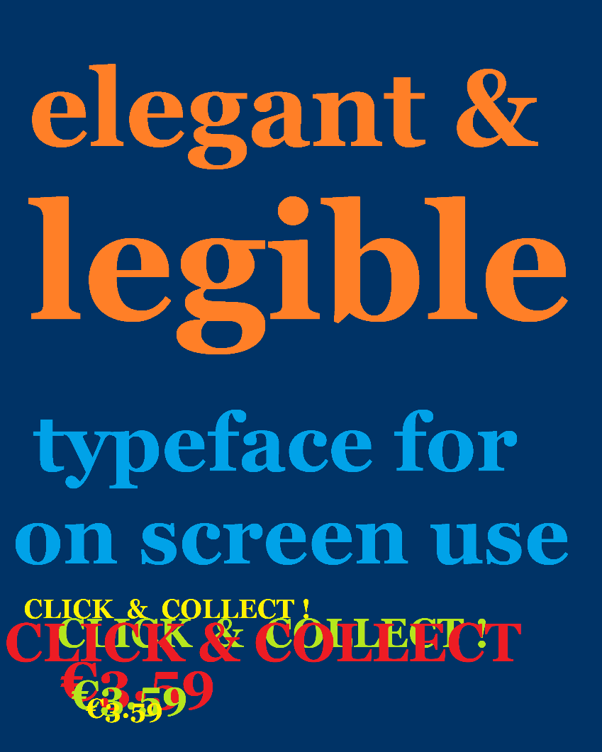 |  |  | K |  | a core web font

 |  |  |  |  |  |  |  |  |  |  | Design challenge create an "elegant & legible" typeface for on screen use.

 | created by Matthew Carter. |  |  |  |  |  |  | X

 |  |  |  |  |  |  |  | 27.00

 |  | Inspired by 19th century print typeface,he chose to make a transition from the typeface Verdana towards Times New Roman.

 |  |  |  |  | Traditional features maintained are alternating thick and thin strokes, ball terminals and a vertical axis. It distinguishes itself by its large x-height and that it has fewer fine details. |  |  | The Georgia typeface was created by Tom Ricker, his design challenge was to create an "elegant & legible" typeface for on screen use. He chose to make a transition from his typeface Verdana towards Times New Roman for the Microsoft Corporation, both were released in 1993. For example, taking the uppercase K in Georgia, the strokes of the vertical meet at the upper stroke, without a gap while in Verdana and the News 706 fonts, the digital strokes meet at the 'T' , and when compared to the Times New Roman where the leg of the uppercase K has two serifs the Georgia font, has just a single, right pointing serif, or foot, see LinkedIn article.

 | font design
 |  |  |  |  |  |  |  | The typeface is inspired by 19th century print typeface, and is a reimagination of transitional serif designs, but it has a larger x-height and fewer fine details. Georgia shows several traditional features of "rational" serif typefaces from around the early 19th century, such as alternating thick and thin strokes, ball terminals and a vertical axis. It is a core font for web development, even if there is some restlessness towards other fonts like News 706 closer to Verdana
 |  |  | A reimagination of transitional serif designs, released in 1993 by the Microsoft Corporation.

 |  |  |  |  | Taking the uppercase K |  |  | The design challenge was to create an "elegant & legible" typeface for on screen use. He chose to make a transition from his typeface Verdana towards Times New Roman for the Microsoft Corporation, both were released in 1993. For example, taking the uppercase K in Georgia, the strokes of the vertical meet at the upper stroke, without a gap while in Verdana and the News 706 fonts, the digital strokes meet at the 'T' , and when compared to the Times New Roman where the leg of the uppercase K has two serifs the Georgia font, has just a single, right pointing serif, or foot.

 | K |  |  |  | In Georgia,the strokes of the vertical meet at the upper stroke, without a gap as in Verdana where the digital strokes meet at the 'T'. |  | The Georgia font has just a single, right pointing serif, or foot, while that of the Times New Roman, has two serifs.

 |  |  |  |  |  |  |  | 1 | Georgia (typeface)
 |  |  |  |  |  |  |  | 2 | Georgia font family - Typography
 | Verdana | vs |  | Almost 30 years as a core font for web development. |  |  |  | 3 | Georgia alien heads found in

 |  |  |  |  |  |  |  | 4 | Font differences Verdana & Georgia
 |  |  |  |  |  |  |  | 5 | Font differences Times New Roman & Georgia
 | K |  | K |  |  |  |  | 6 | Font differences Georgia News 706
 |  |  |  |  |  | G E O R G I A V E R D A N A T I M E S N E W R O M A N F R A N K L I N G O T H I C |  | 7 | First Published on LinkedIn lindangulopez
 |  |  |  |  |  |  | Franklin Gothic makes a good pair: 01 23 or replacement for Georgia's numbers: 01 23
Times New Roman |  |  | Georgia
 |  |  | 12 points - Bold - Italic - Bold & Italics
 |  |  |  |  |  |  |  | SOURCES
 |  | 18 Points - Bold - Italic - Bold & Italics

 | 22 Points - Bold - Italic - Bold & Italics

 | ..::.. WEB LINKS sources | [i](https://en.wikipedia.org/wiki/Georgia_(typeface)) [ii](https://docs.microsoft.com/en-us/typography/font-list/georgia) [iii]( http://www.marieannalee.com/images/students/typography/pdf/grodske.pdf) [iv](http://www.identifont.com/differencesfirst=Times+New+Roman&second=Georgia&q=Go) |  |  |  |  |  |  |  | 1111111
 |  |  |  |  |  |  | @lindangulopez 19/12/2020

