Family Tree
FAMILY TREE

 |  |  |  | Father's Name

Ancestral family tree up to three generations |  |  |  | Birth Year

 |  |  | Father's Name

Remove Ancestors
Add Ancestors
 |  |  | Birth Year

 |  |  |  | Mother's Name

 |  |  |  | Birth Year

 |  | Father's Name

 |  | Birth Year

 |  |  |  | Father's Name

 |  |  |  | Birth Year

 |  |  | Mother's Name

 |  |  | Birth Year

 |  |  |  | Mother's Name

 |  |  |  | Birth Year

 | My Name

 | Birth Year

 |  |  |  | Father's Name

 |  |  |  | Birth Year

 |  |  | Father's Name

 |  |  | Birth Year

 |  |  |  | Mother's Name

 |  |  |  | Birth Year

 |  | Mother's Name

 |  | Birth Year

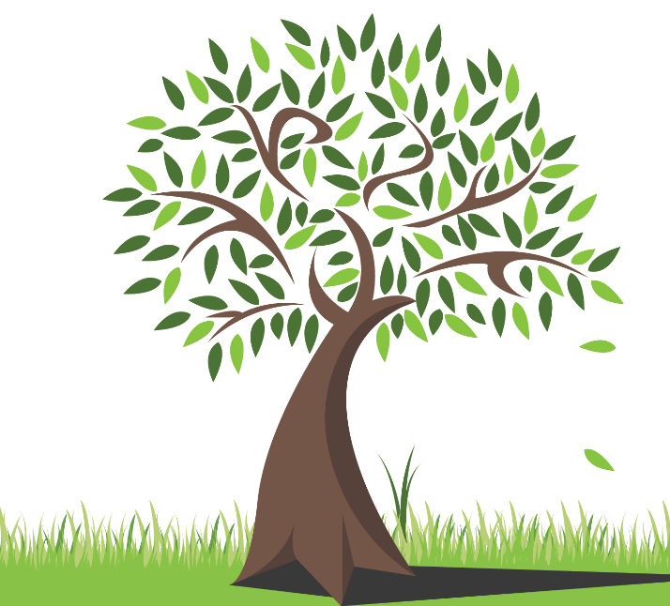
 |  |  |  | Father's Name

 |  |  |  | Birth Year

 |  |  | Mother's Name

 |  |  | Birth Year

 |  |  |  | Mother's Name

 |  |  |  | Birth Year

