1. Title Page
Instacart Grocery Basket Analysis

Date: September 11, 2022
By: Linda Zhang

Contents:
Population Flow
Consistency checks
Wrangling steps
Column derivations
Visualizations
Recommendations

Source: “The Instacart Online Grocery Shopping Dataset 2017”, Accessed from https://www.instacart.com/datasets/grocery-shopping-2017 on 08/07/2022.
Note: The customer data set and the “prices” column in the products data set, were both fabricated for the purpose of this analysis.

2. Population Flow
 | Title page

Population flow

Exclusion flag
Condition: max_order < 5
Obervations to be removed: 1,441,488
Final total count of order_products_all: 30,991,542

Orders_products_combined
Orders_products_merged
Orders_products_all

Total: 32,434,489
Total: 32,433,030
Total:
32,433,030

1.) The grey boxes in the first row of the population flow represent the original data sets as they were downloaded. The Total fields are the count of the rows when the data set was imported into Jupyter.
2.) The second row of boxes (colored) represent the data sets after they were manipulated, e.g., removed missing values and duplicates. In the Total fields are the count of rows after the data sets were cleaned.
3.) The third row, where the arrows are colored, represent the merges performed between the data sets. In the Total fields are the count of rows in the merged datasets.
Note: An exclusion flag was used to remove low-activity customers (customers with less than 5 orders) from the final orders_products_all data set.

3. Consistency checks
 |  |  |  | Title page
Consistency checks

Dataset | Missing Values | Missing Values Treatment | Duplicates
orders | days_since_prior_order: 206,209 missing values | changed missing values to NA | no duplicates

products | product_name: 16 missing values | dropped missing values | dropped 5 duplicates

orders_products_combined | days_since_prior_order: 2,078,068 missing values | kept missing values as NaN | no duplicates

customers | no missing values |  | no duplicates

orders_products_merged | product_name: 28171 missing values | changed missing values to "unknown" | no duplicates
 | days_since_prior_order: 2,077,979 missing values | kept missing values as NaN

departments | no missing values |  | no duplicates

orders_products_all | days_since_prior_order: 2,077,979 missing values | kept missing values as NaN | no duplicates

4. Wrangling steps
 |  |  |  |  | Title page
Wrangling steps

Dataset | Columns dropped | Columns renamed | Columns' type changed | Comment/Reason
orders | eval_set |  |  | Column not needed
 |  | order_dow --> orders_day_of_week |  | Column name was unclear
 |  | user_id --> customer_id |  | Column name was unclear
 |  |  | order_id | Changed to string

products |  |  | product_name | Changed to string

orders_products_combined |  | add_to_cart_order --> order_added_to_cart

customers |  | user_id --> customer_id |  | user_id is customer_id in all data sets
 |  | Surnam --> last_name |  | Column name was unclear
 |  |  | date_joined | Changed to datetime
 |  |  | First Name | Changed to string

orders_products_merged | order_added_to_cart |  |  | column not needed
 | reordered |  |  | column not needed
 | aisle_id |  |  | column not needed

departments
orders_products_all | First Name |  |  | Remove personally identifiable information
 | last_name |  |  | Remove personally identifiable information
 | date_joined |  |  | column not needed
 |  |  | Age | Changed to int64

5. Column derivations
 |  |  |  |  | Title page

Column derivations and aggregations

Dataset | New column | Column/s it was derived from | Why | Conditions
ords_prods_merged | price_range_loc | prices | To categorize products by price range | >= $15 is high range between $5 and $15 is mid range <= $5 is low range
 | busiest_day | orders_day_of_week | To identify busiest/slowest day of week | Saturday (orders_day_of_week = 0) is busiest day Wednesday (orders_day_of_week = 4) is slowest day All other days are regularly busy
 | busiest_days | orders_day_of_week | To identify 2 busiest/2 slowest days of week | Saturday (orders_day_of_week = 0) or Sunday (orders_day_of_week = 1) are busiest days Tuesday (orders_day_of_week = 3) or Wednesday (orders_day_of_week = 4) are slowest days All other days are regularly busy
 | period_of_day | order_hour_of_day | To identify period of day | order_hour_of_day (0-5) is 12am - 5am order_hour_of_day (6-11) is 6am -11am order_hour_of_day (12-17) is 12pm - 5pm order_hour_of_day (18-23) is 6pm - 11pm
 | busiest_periods | period_of_day | To identify busiest/slowest period of day | 12-5pm is most orders 12am - 5am is fewest orders 6am-11am and 6pm to 11pm is average orders
 | max_order | customer_id, order_number | To identify the maximum order number of a customer | Find the maximum order number of a customer
 | loyalty_flag | max_order | To identify customer loyalty based on number of orders | > 40 is loyal customer <= 40 is regular customer <= 10 is new customer
 | mean_spend | customer_id, prices | To obtain the average spent on products for each customer | Find the average spent on products for each customer
 | spend_flag | mean_spend | To categorize customers by average spent on products | <10 is low spender >=10 is high spender
 | median_days_since_prior_order | days_since_prior order | To obtain the median days since prior order for each customer | Find the median days since prior order for each customer
 | customer_frequency | median_days_since_prior order | To categorize customers by their frequency of use of IC | > 20 is non-frequent customer between 10 and 20 is regular customer <= 10 is frequent customer
ords_prods_all | region | STATE | To categorize states by region | Northeast=['Maine','New Hampshire','Vermont','Massachusetts','Rhode Island','Connecticut','New York','Pennsylvania','New Jersey'] Midwest=['Wisconsin','Michigan','Illinois','Indiana','Ohio','North Dakota','South Dakota','Nebraska','Kansas','Minnesota','Iowa','Missouri'] South=['Delaware','Maryland','District of Columbia','Virginia','West Virginia','North Carolina','South Carolina','Georgia','Florida','Kentucky', 'Tennessee','Mississippi','Alabama','Oklahoma','Texas','Arkansas','Louisiana'] West=['Idaho','Montana','Wyoming','Nevada','Utah','Colorado','Arizona','New Mexico','Alaska','Washington','Oregon', 'California','Hawaii']
high_activity_customers | profile | age, n_dependants, fam_status | To categorize customers that are single young adults and married adults | Single young adult (age = 18-26, n_dependants = 0, fam_status = single) Married adult (age = 27-64, n_dependants = 1+, fam_status = married)
 | profile_1 | n_dependants, fam_status | To categorize customers that are adults with dependants and w/o dependants | Adult with no dependants (age = 27-64, n_dependants = 0) Adult with dependants (age = 27 - 64, n_dependants = 1+)
 | age_bracket | age | To categorize ages by age bracket | 18-26 is young adult 27-64 is adult 65+ is senior

6. Visualizations
 |  |  |  |  |  |  |  | Title page

Visualizations

Key Question 1: What are the busiest times of day and days of the week for Instacart orders?
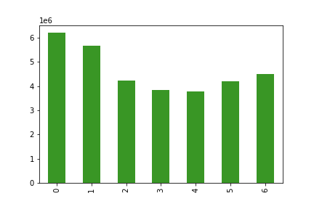
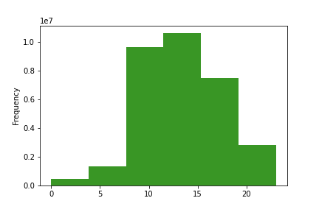

 |  |  |  | 0 = Saturday |  |  |  |  |  |  |  |  | 0 = 12am
 |  |  |  | 1= Sunday |  |  |  |  |  |  |  |  | 5 = 5am
 |  |  |  | 2 = Monday |  |  |  |  |  |  |  |  | 10 = 10am
 |  |  |  | 3 = Tuesday |  |  |  |  |  |  |  |  | 15 = 3pm
 |  |  |  | 4 = Wednesday |  |  |  |  |  |  |  |  | 20 = 8pm
 |  |  |  | 5 = Thursday
 |  |  |  | 6 = Friday

 |  |  |  | The busiest days for Instacart orders are Saturday and Sunday. |  |  |  |  |  |  |  |  | The busiest time for Instacart orders is from 7am to about 6pm.
 |  |  |  | There are fewer orders during the week.

Key Question 2: What are the days of the week and hours of the day where customers spend the most money on products?

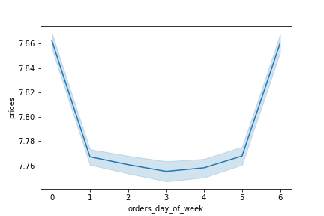
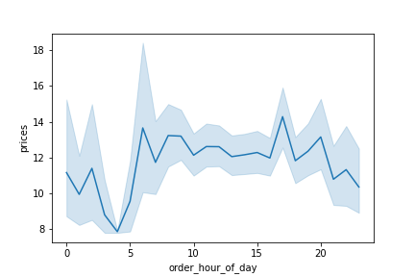

 |  |  |  | The prices of products being purchased are slightly higher on Friday and |  |  |  |  |  |  |  |  | The prices of products being purchased are higher during the day
 |  |  |  | Saturday than they are on weekdays. |  |  |  |  |  |  |  |  | between 6am and 6pm than they are in the evening and late at night.

Key Question 3: What is the distribution of product prices for Instacart orders? |  |  |  |  |  |  | Key Question 4: What are the most popular departments for Instacart orders?

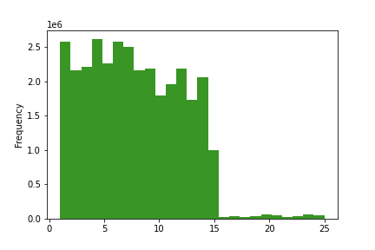

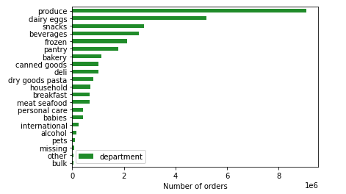

 |  |  |  |  |  |  |  |  |  |  |  |  | Produce, eggs, and snacks are the 3 most popular departments
 |  |  |  | Most Instacart orders are of products that are less than $15. |  |  |  |  |  |  |  |  | for Instacart orders. Alcohol, international products, and baby items are
 |  |  |  | More expensive orders are for products that fall between $15 and $25. |  |  |  |  |  |  |  |  | the least popular departments.

Key Question 5: What is the brand loyalty of customers making IC orders?

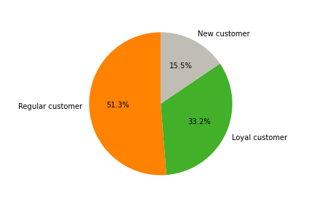

 |  |  |  | 51% of Instacart orders are being made by customers that are regular customers, meaning they have made anywhere between 10 and 40 orders.
 |  |  |  | Another 33% of orders are made by loyal customers that have made more than 40 orders. 19% of orders are made by new customers that have made 10 or less orders.

Key Question 6: What is the distribution of Instacart orders by region? Are there differences in customer spend by region?

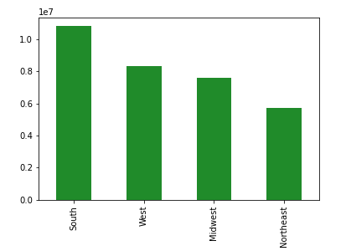

 |  |  |  |  |  |  |  |  |  |  |  |  | High spenders are customers that spend an averge of $10 or more per product.
 |  |  |  |  |  |  |  | spend_flag | Midwest | Northeast | South | West | Low spenders are customers that spend an average of less than $10 per product.
 |  |  |  | The South has the greatest number of Instacart orders. |  |  |  | High spender | 156125 | 108342 | 210180 | 160807
 |  |  |  | The Northeast has the fewest number of Instacart orders. |  |  |  | Low spender | 7447425 | 5619802 | 10591015 | 8139334 | The South has the largest population of high and low spenders.
 |  |  |  |  |  |  |  |  |  |  |  |  | The Northeast has the smallest population of high and low spenders.
 |  |  |  |  |  |  |  |  |  |  |  |  | Overall, there are more low spenders in each region than high spenders.

Key Question 7: What are the demographics of Instacart customers?

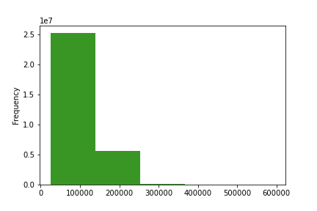
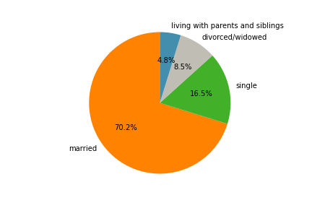

 |  |  |  | The majority of Instacart orders are being made by customers that are married (70%). |  |  |  |  |  |  |  |  | The majority of Instacart orders are being made by customers with incomes
 |  |  |  | Another 16% of Instacart orders are being made by single individuals. |  |  |  |  |  |  |  |  | between $25,000 and $120,000.

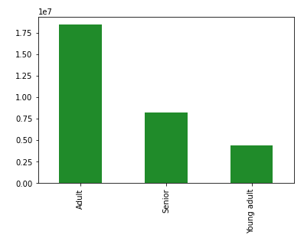
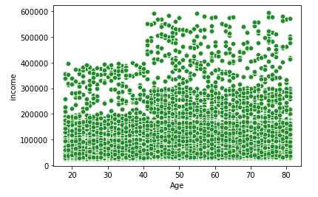

 |  |  |  | The majority of Instacart orders are being made by adults (ages 27-64). |  |  |  |  |  |  |  |  | Instacart customers 40 years old and over have more spending power.
 |  |  |  | Young adults (ages 18-26) are making the fewest Instacart orders.
 |  |  |  |  |  |  |  |  |  |  |  |  | The majority of Instacart customers that are 40 years old and under have an annual income of <$200,000.
 |  |  |  |  |  |  |  |  |  |  |  |  | The majority of Instacart customers that are 40 years old and over have an annual income of <$300,000.

Customer Profiles

What are the differences in ordering behavior for single young adults vs married adults?

Single young adult (fam_status = single, age = 18-26, n_dependants = 0) |  |  |  |  | Profile | # IC orders
Married adult (fam_status = married, age = 27 - 64, n_dependants = 1+) |  |  |  |  | married adult | 13,778,022
 |  |  |  |  | single young adult | 1,070,158

median_days_since_prior_order |  |  |  |  |  |  |  |  | prices

Profile | mean | min | max | The median days since prior order is about 10 days for both married adults |  |  |  |  | profile | mean | min | max | The mean price of products purchased by married adults is about $12 while the mean
married adult | 9.9957729056 | 0 | 30 | and single young adults. |  |  |  |  | married adult | 11.973203352 | 1 | 99999 | price of goods purchased by young adults is slightly higher at $13.
single young adult | 10.186044491 | 0 | 30 |  |  |  |  |  | single young adult | 13.093725786 | 1 | 99999

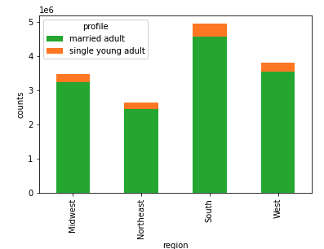
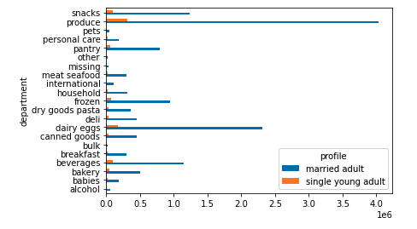

 |  |  |  | The South has the greatest number of Instacart orders from married adults |  |  |  |  |  |  |  |  | The 3 most popular Instacart orders for single young adults and married adults are produce, dairy eggs, and snacks.
 |  |  |  | and single young adults. The Northeast has the smallest number of Instacart
 |  |  |  | orders from married adults and single young adults.

What are the differences in ordering behavior for adults with dependants and adults without dependants?

Adult with no dependants (age = 27-64, n_dependants = 0) |  |  |  |  | Profile | # IC orders
Adult with dependants (age = 27-64, n_dependants = 1+) |  |  |  |  | Adult, with dependants | 13,778,022
 |  |  |  |  | Adult, no dependants | 4,652,695

median_days_since_prior_order |  |  |  |  |  |  |  |  | prices

Profile | mean | min | max | The median days since prior order is about 10 days for adults with dependants |  |  |  |  | profile | mean | min | max | The mean price of products purchased by adults with dependants and
Adult, with dependants | 9.995773 | 0 | 30 | and adults without dependants. |  |  |  |  | Adult, with dependants | 11.973203 | 1 | 99999 | adults without dependants is about $12.
Adult, no dependants | 9.898238 | 0 | 30 |  |  |  |  |  | Adult, no dependants | 11.916794 | 1 | 99999

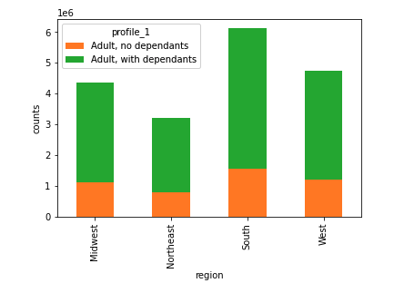

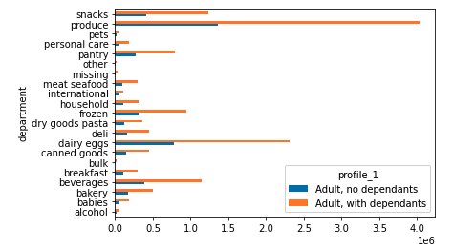

 |  |  |  | The South has the greatest number of Instacart orders from adults with |  |  |  |  |  |  |  |  | The 3 most popular Instacart orders for adults with dependants and adults
 |  |  |  | dependants and adults without dependants. The Northeast has the |  |  |  |  |  |  |  |  | without dependants are produce, dairy eggs, and snacks.
 |  |  |  | smallest number of Instacart orders from adults with or without dependants.

7. Recommendations
 |  | Title page

Recommendations

Question | Answer
Key Question 1 | The busiest days for IC orders are Saturday and Sunday. The busiest time for IC orders is from 7am to 6pm. IC should schedule more ads during the week and in the later evening or early morning where there are fewer orders.

Key Question 2 | The prices of products being purchased on Fridays and Saturdays are higher than they are Sun-Thu. The prices of products being purchased during the day between 6am and 6pm are also higher than they are in the late evening or early morning.
 | IC should advertise higher price items on Saturdays and Sundays and during the day. IC should advertise lower price items Sun-Thu and in the late evenings or early mornings to align with consumer preferences.

Key Question 3 | Most IC orders are for products that are $15 or less. More expensive orders are for products that fall between $15 and $25. IC can consider using the following price range grouping:
 | <=$5 is low range, between $5 and $15 is medium range, >=$15 is high range

Key Question 4 | Produce, eggs, and snacks are the 3 most popular departments for IC orders. Alcohol, international products, and baby items are the least popular departments. IC should continue to promote products from its most popular departments
 | but should also investigate how to promote products from its less popular departments.

Key Question 5 | 51% of IC orders are being made by customers that are regular customers, meaning they have made anywhere between 10 and 40 orders. Another 33% of orders are made by loyal customers that have made more than 40 orders.
 | 19% of orders are made by new customers that have made 10 or less orders. IC could consider developing programs that reward brand loyalty and convert new customers into regular and loyal customers.

Key Question 6 | The South has the greatest number of IC orders while the Northeast has the smallest number of IC orders. IC should focus more marketing efforts in its less popular regions such as the Midwest and Northeast.
 | In every region there are significantly more low spenders than high spenders. IC should also consider focusing marketing on its lower price items where there is higher consumer demand.

Key Question 7 | The majority of IC orders are being made by customers who are adults (age 27-64), married, and make an income between $25,000 and $125,000. IC should boost its marketing efforts towards seniors and young adults. It can also consider
 | targeting customers that are 40+ and have more spending power.

Customer Profile 1 | There is not a significant difference in ordering behavior for single young adults without dependants versus married adults with dependants. The median number of days between orders for both groups is 10 days and the most ordered
 | products are produce, eggs, and snacks. The mean price of products purchased by single young adults is slightly higher than the mean price of products purchased by married adults.

Customer Profile 2 | There is not a significant difference in ordering behavior for adults with dependants and adults without dependants. The median number of days between orders for both groups is 10 days and the most ordered
 | products are produce, eggs, and snacks.

