Todays Leads
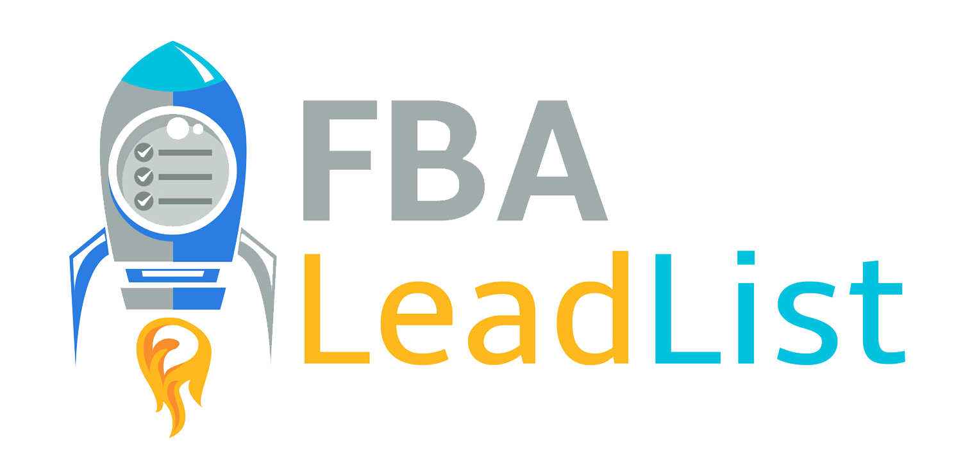
Neptune 44 - FBALEADLIST.COM |  |  |  |  |  | Today's Neptune 44 Averages |  |  |  |  | Other Useful Links:
High Profit Online Arbitrage Product Leads to Help You Blast Your FBA Business to the Moon. |  |  |  |  |  | Buy Price: | $14.66 | Current Rank: | 88,280 |  | Raise.com | Find discounted gift cards to save on your purchases.
Don't Forget: |  |  |  |  |  | Sell Price: | $36.46 | 90 Day Rank: | 167,461 |  | Cashback Monitor | Find lowest cashback % offered on net
Check EVERY lead to make sure you can sell it in your Amazon account. Everyone's account is different, and it's your responsibility to know your brand and product approvals and restrictions before you buy. We are not responsible for any purchases you make. All data is accurate to the time we created the sheet. |  |  |  |  |  | Net Profit: | $10.76 | ROI%: | 88.93% |  | RevSeller | $20 off RevSeller First Year (Use Code REVFBA20)
 |  |  |  |  |  |  |  |  |  |  | Informed.Co | Automated repricer to help you win the buy boxes. Free 14 Day Trial.

Product Title | Retailer | Retail Link | ASIN Link | ASIN | Buy Price | Sell Price | Net Profit | ROI % | Current Rank | Average 90-day Rank | Category | Estimated Sales Per Month Based on Rank | # of Sellers on Listing (FBA) | Promo / Discount Code | Promo Expiration Date | Highest Cashback % Available (Site) | Current High Gift Card % Available on Raise.com | Sourcing Notes, Trends, or Variations
Kwikset 83518-15 UL Adjustable Radius Corner Deadlatch Satin Nickel Finish | My Knobs | https://www.myknobs.com/pdp/kwikset-series-ul-radius-deadlatch/kwikset-8351815/kwikset-door-hardware-adjustable-ul-radius-corner-deadlatch-for-kwikset-series-products-in-satin-nickel | https://www.amazon.com/Kwikset-83518-15-Adjustable-Radius-Deadlatch/dp/B01KW5X1SA | B01KW5X1SA | $8.69 | $20.69 | $5.49 | 63.18% | 94,270 | 214,523 | Tools & Home Improvement | 49 | 3 |  |  | N/A | N/A | Slight jumpy price, mostly sold around this price. Tried adding 10 pcs, free shipping on orders $49 (Choose Economy Saver in delivery method). This store has excellent reviews on Trustpilot and Google: https://www.trustpilot.com/review/www.myknobs.com , https://goo.gl/maps/NnuoyMBePvrZAstd8
SRAM Power Link for 9 Speed Card/4 | Evergreen Mountain Sports | https://www.evergreenmountainsports.com/product/sram-power-link-chain-connector-329338-1.htm# | https://www.amazon.com/SRAM-Powerlink-9-Speed-Various-Patterns/dp/B00AELVW8O/ | B00AELVW8O | $4.99 | $15.99 | $5.37 | 107.62% | 59,854 | 123,506 | Sports & Outdoors | 66 | 2 |  |  | N/A | N/A | Mostly sold at above $15.15 ($4.66/93.39%). This store has good reviews on Yelp : https://www.yelp.com/biz/evergreen-mountain-sports-conifer . Backed by mfr's warranty. Free shipping over $99. Tried add 20. Matched UPC.
Maple Almond Wilde Terra High Fiber Cereal, 15 OZ Cereal Box | Target | https://www.target.com/p/wilde-terra-maple-almond-cereal---15oz---general-mills--no-aasa/-/A-87374783 | https://www.amazon.com/Wilde-Terra-Maple-Almond-Cereal/dp/B0B1W3YCCW/r?th=1 | B0B1W3YCCW | $8.49 | $26.99 | $7.91 | 93.17% | 35,127 | 102,360 | Grocery & Gourmet Food | 60 - All Variations | 3 |  |  | Top Cashback 3.6% | UP TO 5.00% OFF | This item went out of stock in March-May then restock in early June with around this price. Tried adding 10 pcs. Free shipping. Please note that the listed sales/rank is obtained per listing's parent ASIN and not from each variation of this listing. This is the most popular variation on the listing.
Nature's Sunshine Potassium Combination, 180 Capsules | Mr Vita Herbs | https://mrvitaherbs.com/combination-potassium-180-caps-ko/ | https://www.amazon.com/Natures-Sunshine-Potassium-Combination-Kosher/dp/B001JKIEQW | B001JKIEQW | $21.70 | $50.00 | $16.71 | 77.00% | 123,908 | 200,288 | Health, Household & Baby Care | 22 | 0 |  |  | N/A | N/A | Price jumped in early Feb then mostly sold at above $42.86 ($10.64/49.03%). Try add 10. Free shipping. Different packaging but matched UPC at packaging in retailer. Slightly high current rank beacuse this product just back in stock recently.
Under Armour Adult Scrimmage Backpack 2.0 , Black (001)/Silver , One Size Fits All | Under Armour | https://www.underarmour.com/en-us/p/bts_affiliate_promo_items/youth_ua_scrimmage_2.0_backpack/192810228177.html | https://www.amazon.com/Under-Armour-Scrimmage-Backpack-Electric/dp/B07J31ZHWX/?th=1&psc=1 | B07J31ZHWX | $18.87 | $58.09 | $17.97 | 95.23% | 85,079 | 64,140 | Sports & Outdoors | 134 - All Variations | 0 | TODAY30 |  | Rakuten (Formerly Ebates) 10% | 8.97% OFF | Currently unavailable on Amazon in New condition, previously sold at around this price. Use last buybox price as sell price. 30% off with code. Tried add 10. Free shipping. Matched UPC. Please note that the listed sales/rank is obtained per listing's parent ASIN and not from each variation of this listing. This is the most popular variation on the listing
Marvel Black Panther Costume PJ PALS for Boys, Size 4 | Shop Disney | https://www.shopdisney.com/black-panther-costume-pj-pals-for-kids-4903057393125M.html?CMP=KNC-DSSGoogle&efc=179006 | https://www.amazon.com/dp/B08BFD955V?psc=1 | B08BFD955V | $19.98 | $40.43 | $8.59 | 42.99% | 92,800 | 121,949 | Toys & Games | 58 - All Variations | 4 | SHIPMAGIC |  | Rakuten (Formerly Ebates) 5% | UP TO 3.00% OFF | Price jumped in the beginning of Dec then became pretty steady at this price. Tried adding 10 pcs to cart. Sale price. Free shipping with code. Please note that the listed sales/rank is obtained per listing's parent ASIN and not from each variation of this listing. This is one of the most popular variation on the listing.
Stanley The Quencher H2.0 FlowState Tumbler (Soft Matte) | 30 OZ Shale | Stanley | https://www.stanley1913.com/products/the-quencher-h2-0-flowstate-tumbler-soft-matte-30-oz?variant=44559679914111 | https://www.amazon.com/Stanley-Quencher-FlowState-Tumbler-Shale/dp/B0C4RMVPF8/ | B0C4RMVPF8 | $40.69 | $73.98 | $16.38 | 40.26% | 54,451 | 287,982 | Home & Kitchen | 119 | 4 |  |  | RebatesMe 10% | N/A | Steady price. Tried adding 10 to cart. Additional shipping $6.95
Bath & Body Works Aromatherapy Orange + Ginger Body Wash & Foam Bath, 10 fl oz (Orange + Ginger) | Bath and Body Works | https://www.bathandbodyworks.com/p/orange-ginger-body-wash-and-foam-bath-026353204.html | https://www.amazon.com/Bath-Body-Works-Aromatherapy-Orange/dp/B0BHXJVBCM/ | B0BHXJVBCM | $3.89 | $15.94 | $4.90 | 125.96% | 112,458 | 205,940 | Beauty & Personal Care | 26 - All Variations | 2 |  |  | Top Cashback 6.7% | UP TO 5.20% OFF | Price dropped in Mar, steady at this price since then. Tried adding 25 pcs to the cart, additional shipping cost $6.99. Please note that the listed rank is obtained per listing's parent ASIN and not from each variation of this listing. This is the most popular variation on this listing
Nature's Bounty Cinnamon 1,000 mg Caps, 100 ct | CVS | https://www.cvs.com/shop/nature-s-bounty-cinnamon-capsules-1000mg-100ct-prodid-1012938?skuId=328327 | https://www.amazon.com/Natures-Bounty-Cinnamon-000-Caps/dp/B003LZU25O/ | B003LZU25O | $7.40 | $22.50 | $7.85 | 106.08% | 99,962 | 104,026 | Health, Household & Baby Care | 137 | 1 |  |  | RetailMeNot 10% ($50**) | 0.80% OFF | Slight price dropped, but mostly sold around this price. BOGO Free. Tried adding 10 pcs to cart. Free shipping $35.
Havaianas Women's Slim Glitter Flip Flop Sandal, Crocus Rose, 11-12 | Havaianas | https://havaianas.com/us/en/product/slim-glitter-flip-flops/4146118-3544-412.html | https://www.amazon.com/dp/B08NX65K9Z?psc=1 | B08NX65K9Z | $11.89 | $39.95 | $16.38 | 137.76% | 124,889 | 249,891 | Clothing, Shoes & Jewelry | 110 - All Variations | 0 | ITSMINE |  | Top Cashback 5.25% | N/A | Mostly sold at above $34 ($11.44/96.22%). Tried add 10, 30% off with code, free shipping. Please note that the listed sales/rank is obtained per listing's parent ASIN and not from each variation of this listing. This variation has several reviews.

The Others
Sometimes we find leads that have issues or fall short of our Neptune 44 lead metrics standards. These may include items with lower ROI, lower profits, slight issues with product packaging, competition with Amazon as a seller, grey-area IP alerts, Hazmat and more. Sometimes these leads are decent buys for particular accounts, so we decided to share them with anyone who wants to explore as a bonus. As always, analyze and buy at your own risk. We are not responsible for any leads you purchase or resell. |  |  |  |  |  | Today's OTHER Averages
 |  |  |  |  |  | Buy Price: | $10.75 | Current Rank: | 185,064
 |  |  |  |  |  | Sell Price: | $26.95 | 90 Day Rank: | 156,101
 |  |  |  |  |  | Net Profit: | $6.98 | ROI%: | 67.33%

Product Title | Retailer | Retail Link | ASIN Link | ASIN | Buy Price | Sell Price | Net Profit | ROI % | Current Rank | Average 90-day Rank | Category | Estimated Sales Per Month Based on Rank | # of Sellers on Listing (FBA) | Promo / Discount Code | Promo Expiration Date | Highest Cashback % Available (Site) | Hight Gift Card % Available (Site) | Sourcing Notes, Trends, or Variations
Bath and Body Works White Barn Aromatherapy Comfort Vanilla Patchouli Candle 3 Wick 14.5 Ounce (packaging may vary) | Bath and Body Works | https://www.bathandbodyworks.com/p/vanilla-patchouli-3-wick-candle-026625031.html?cgid=3-wick-candles | https://www.amazon.com/Bath-Body-Works-Aromatherapy-Patchouli/dp/B075CX1NJF/ | B075CX1NJF | $12.22 | $28.90 | $6.08 | 49.75% | 297,004 | 233,437 | Health, Household & Baby Care | 17 | 8 |  |  | Top Cashback 6.7% | N/A | Steady price. Add 25, flat $6.99 shipping. Matched 3 Wicks and 14.5 Ounce. Amazon listing mentioned that packaging may vary.
Victorinox Brown Leather Knife Sheath Accepts 6-Inch blade, 6 Inch | Katom Restaurant Supply | https://www.katom.com/037-30215.html | https://www.amazon.com/Victorinox-Leather-Sheath-Accepts-6-Inch/dp/B0007RVA6Y | B0007RVA6Y | $9.27 | $24.99 | $7.87 | 84.90% | 73,123 | 78,765 | Home & Kitchen | 110 | 3 |  |  | Citi Bonus Cash Center 4% | N/A | Slightly jumpy price. Mostly sold at around $21 (profit $4.48/ROI 48.33%) or higher. Additional shipping fee $22.56. Try adding 24pcs. Matched model number (7.0898.15).

