Sheet1
Khi e click vào link All Classroom

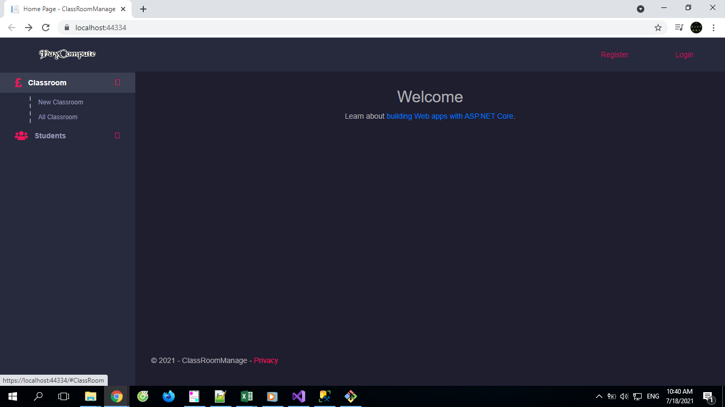

Thì bị error như hình dưới a.

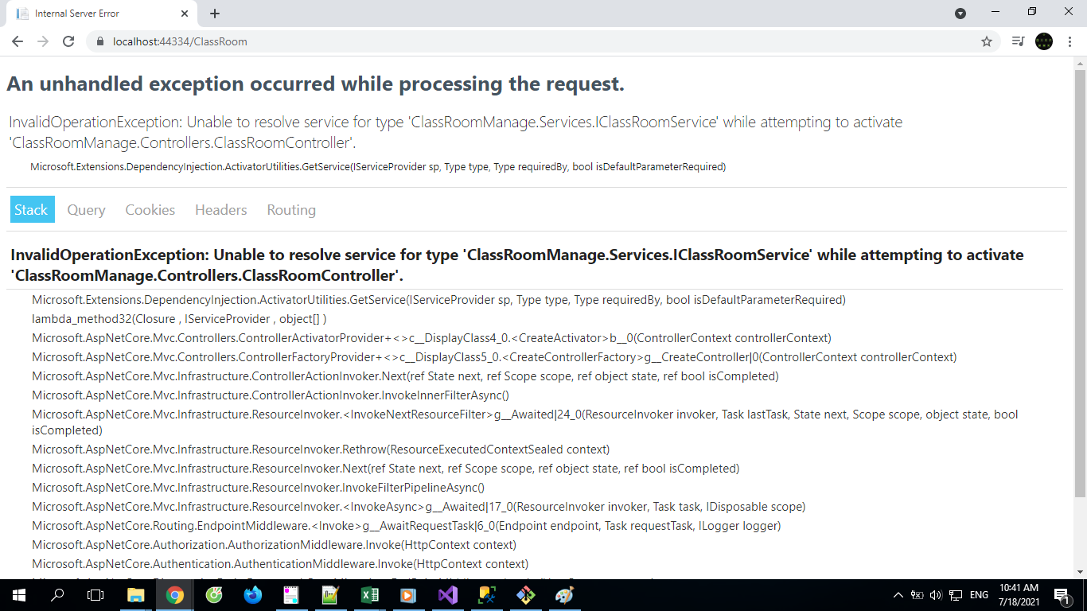

An unhandled exception occurred while processing the request.
InvalidOperationException: Unable to resolve service for type 'ClassRoomManage.Services.IClassRoomService' while attempting to activate 'ClassRoomManage.Controllers.ClassRoomController'.
Microsoft.Extensions.DependencyInjection.ActivatorUtilities.GetService(IServiceProvider sp, Type type, Type requiredBy, bool isDefaultParameterRequired)

InvalidOperationException: Unable to resolve service for type 'ClassRoomManage.Services.IClassRoomService' while attempting to activate 'ClassRoomManage.Controllers.ClassRoomController'.

Microsoft.Extensions.DependencyInjection.ActivatorUtilities.GetService(IServiceProvider sp, Type type, Type requiredBy, bool isDefaultParameterRequired)
lambda_method32(Closure , IServiceProvider , object[] )
Microsoft.AspNetCore.Mvc.Controllers.ControllerActivatorProvider+<>c__DisplayClass4_0.<CreateActivator>b__0(ControllerContext controllerContext)
Microsoft.AspNetCore.Mvc.Controllers.ControllerFactoryProvider+<>c__DisplayClass5_0.<CreateControllerFactory>g__CreateController|0(ControllerContext controllerContext)
Microsoft.AspNetCore.Mvc.Infrastructure.ControllerActionInvoker.Next(ref State next, ref Scope scope, ref object state, ref bool isCompleted)
Microsoft.AspNetCore.Mvc.Infrastructure.ControllerActionInvoker.InvokeInnerFilterAsync()
Microsoft.AspNetCore.Mvc.Infrastructure.ResourceInvoker.<InvokeNextResourceFilter>g__Awaited|24_0(ResourceInvoker invoker, Task lastTask, State next, Scope scope, object state, bool isCompleted)
Microsoft.AspNetCore.Mvc.Infrastructure.ResourceInvoker.Rethrow(ResourceExecutedContextSealed context)
Microsoft.AspNetCore.Mvc.Infrastructure.ResourceInvoker.Next(ref State next, ref Scope scope, ref object state, ref bool isCompleted)
Microsoft.AspNetCore.Mvc.Infrastructure.ResourceInvoker.InvokeFilterPipelineAsync()
Microsoft.AspNetCore.Mvc.Infrastructure.ResourceInvoker.<InvokeAsync>g__Awaited|17_0(ResourceInvoker invoker, Task task, IDisposable scope)
Microsoft.AspNetCore.Routing.EndpointMiddleware.<Invoke>g__AwaitRequestTask|6_0(Endpoint endpoint, Task requestTask, ILogger logger)
Microsoft.AspNetCore.Authorization.AuthorizationMiddleware.Invoke(HttpContext context)
Microsoft.AspNetCore.Authentication.AuthenticationMiddleware.Invoke(HttpContext context)
Microsoft.AspNetCore.Diagnostics.EntityFrameworkCore.MigrationsEndPointMiddleware.Invoke(HttpContext context)
Microsoft.AspNetCore.Diagnostics.DeveloperExceptionPageMiddleware.Invoke(HttpContext context)

