Sheet1
Question No | Passage | Question | Answer1 | Answer2 | Answer3 | Answer4 | Correct Answer | Demonstrate | Photo | Audio | Script
32 | 32 | What is the woman preparing for? | A move to a new city | A business trip | A building tour | A meeting with visiting colleagues | D
33 | 32 | Who most likely is the man? | An accountant | An administrative assistant | A marketing director | A company president | B
34 | 32 | What does the woman want to pick up on Friday morning? | A building map | A room key | An ID card | A parking pass | B
35 | 35 | What task is the man responsible for? | Writing a budget | Reviewing job applications | Organizing a company newsletter | Updating an employee handbook | A
36 | 35 | What does the woman want to do next year? | Organize a trade show | Open a new store | Redesign a product catalog | Hire some team members | D
37 | 35 | What does the man ask the woman to do? | Order some business cards | Write a press release | Provide some additional details | Set up a meeting time | C
38 | 38 | What does the woman need a suit for? | A job interview | A fashion show | A family celebration | A television appearance | A
39 | 38 | What does the woman dislike about a suit on display? | The fabric | The price | The style | The color | D
40 | 38 | What does the man say that the price includes? | Some accessories | Alterations | Sales tax | Delivery | B
41 | 41 | What kind of a business does the man most likely work for? | A legal consulting firm | An architecture firm | A film production company | A book publishing company | C
42 | 41 | What does the woman say she is concerned about? | The length of a project | The cost of an order | The opinion of the public | The skills of some workers | A
43 | 41 | What does the woman agree to let the man do? | Submit an application | Speak at a meeting | Review some books | Measure a space | B
44 | 44 | Who most likely is Axel Schmidt? | A store manager | A construction worker | A journalist | An artist | D
45 | 44 | What renovation does the woman mention? | Some walls are being painted | Some floors are being replaced. | Some windows are being installed. | Some light fixtures are being repaired. | B
46 | 44 | What does the woman encourage the man to do? | Visit a gift shop | Send a package | Wait for a bus | Take a photograph | A
47 | 47 | What does the speakers' company most likely sell? | Electronics | Clothing | Food | Automobiles | D
48 | 47 | Why is the woman surprised? | Some software is expensive. | Acolor is very bright. | The man has completed a report. | The man bought a new car. | C
49 | 47 | Why does the woman say: "The slides are available on our company intranet"? | To request assistance reviewing a document. | To recommend using a document as a reference. | To report that a task has been completed. | To indicate that a file is in the wrong location. | B
50 | 50 | According to the woman, what will happen at the end of November? | An executive will vist. | An employee will retire. | A product will be released. | Astudy will be completed. | B
51 | 50 | What does the man want to know? | Where he would be working. | When he would be starting a job. | How to get to an office building. | Why an event time has changed. | B
52 | 50 | What does the woman say the company will pay for? | A work vehicle. | A private office. | Moving expenses. | Visitors' meals. | C
53 | 53 | What industry do the speakers work in? | Manufacturing. | Agriculture. | Transportation. | Construction. | D
54 | 53 | What does the woman say a project will do for a city? | Increase tourism. | Generate electricity. | Preserve natural resources. | Improve property values. | B
55 | 53 | What does Gerhard say needs to be done? | Permits need to be approved. | Employees need to be trained. | Materials need to be ordered. | Inspections need to be made. | A
56 | 56 | What does the woman imply when she says: "I don't have much to do"? | She has time to help. | She plans to leave work early. | Her computer is not working. | She has not received an assignment. | A
57 | 56 | What does the man notice about some medication? | It needs to be refrigerated. | It has expired. | The dosage has changed. | The supply is limited. | D
58 | 56 | What does the man suggest doing in the future? | Installing some shelves. | Confirming with a doctor. | Increasing an order amount. | Recommending a different medication. | C
59 | 59 | Who most likely is the woman? | A travel agent | A bank teller | A lawyer | A mail-room worker | C
60 | 59 | What kind of document are the speakers discussing? | A user agreement | An employment contract | A list of travel expenses | An insurance certificate | A
61 | 59 | Why must the document be revised by the end of the month? | To be included in a personnel file | To use in a merger negotiation | To meet a production deadline | To avoid paying a fine | D
62 | 62 | Look at the graphic. How much did the man's company charge for its service? | $4,456 | $1,300 | $10,200 | $400 | C |  | 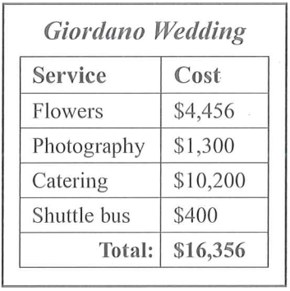
63 | 62 | Why does the man apologize? | Business hours have changed. | A price was wrong. | Some staff arrived late. | A request could not be fulfilled. | C
64 | 62 | What does the woman like about a venue? | It has a nice view. | It is conveniently located. | It is tastefully decorated. | It can host large events. | A
65 | 65 | Why is the man surprised? | A popular band is coming to town. | The woman plays a musical instrument. | The woman was able to get concert tickets. | Some musicians scheduled a second concert. | C |  | 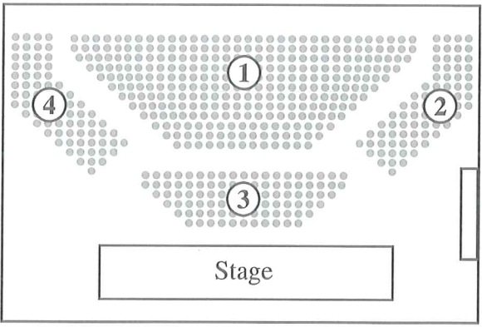
66 | 65 | Look at the graphic. In which section does the wornan have seats? | Section 1 | Section 2 | Section 3 | Section 4 | C
67 | 65 | What is the woman doing this weekend? | Practicing with her band | Entering a radio contest | Moving to Boston | Attending a party | D
68 | 68 | Who most likely is the man? | A maintenance worker | A property manager | A real estate agent | A bank employee | B |  | 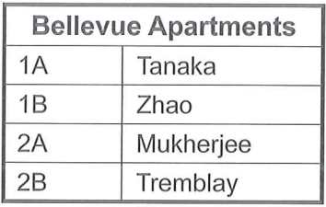
69 | 68 | Look at the graphic. Which name needs to be changed? | Tanaka | Zhao | Mukherjee | Tremblay | C
70 | 68 | What does the woman say she is going to do tomorrow? | Fill out a registration form | Meet with some neighbors | Order some furniture | Make a payment | D

Sheet2
4 | The man is buying a ticket at the bus station | The man is boarding the bus | The man is handing his baggage to a conductor | The man is checking the bus timetable | B | A.The man is buying a ticket at the bus station B.The man is boarding the bus C.The man is handing his baggage to a conductor D.The man is checking the bus timetable | 
5 | The worker is preparing to dig the earth | There are a lot of leaves on the road | The road is being resurfaced | The man is driving the truck down the hill | C | A.The worker is preparing to dig the earth B.There are a lot of leaves on the road C.The road is being resurfaced D.The man is driving the truck down the hill | 
6 | Neither of the phones is being used | The two phones are different in size from each other | The telephones are being repaired | Each telephone is in a separate booth | A | A.Neither of the phones is being used B.The two phones are different in size from each other C.The telephones are being repaired D.Each telephone is in a separate booth | 

