Sheet1
Question No | Passage | Question | Answer1 | Answer2 | Answer3 | Answer4 | Correct Answer | Demonstrate | Photo | Audio | Script
131 | 131 |  | serve | served | server | service | A |  | 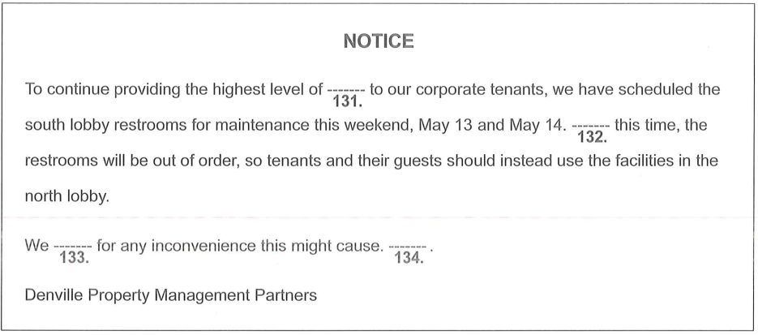
132 | 131 |  | A long | During | Without | Between | B
133 | 131 |  | apologize | organize | realize | recognize | A
134 | 131 |  | If you would like to join our property management team, call us today. | Thank you for your patience while the main lobby is being painted. | Please do not attempt to access the north lobby on these days. | Questions or comments may be directed to the Management Office. | D
135 | 135 |  | quickly | quicken | quickest | quickness | A |  | 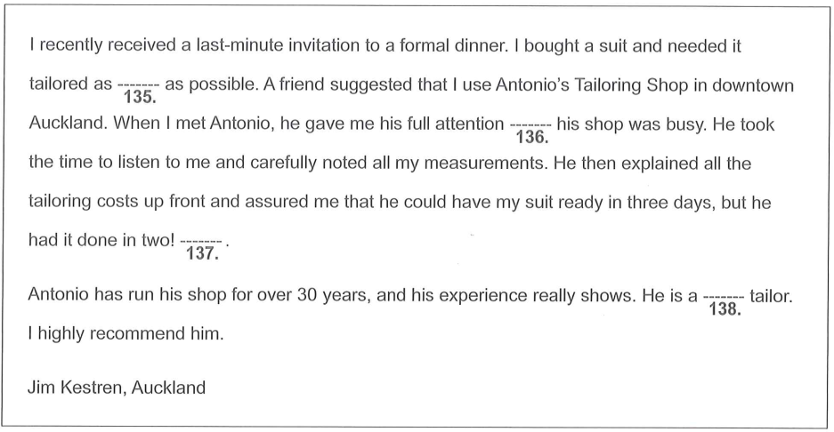
136 | 135 |  | as far as | even though | such as | whether | B
137 | 135 |  | Of course, the shop is busiest on Saturdays. | The suit fits me perfectly too. | I made another purchase. | He used to sell shirts. | B
138 | 135 |  | former | temporary | superb | best | C
139 | 139 |  | In the event of bad weather, the animals will be inside. | There are no exceptions to this policy. | Ones younger than that can find much to enjoy. | This fee includes lunch and a small souvenir. | B |  | 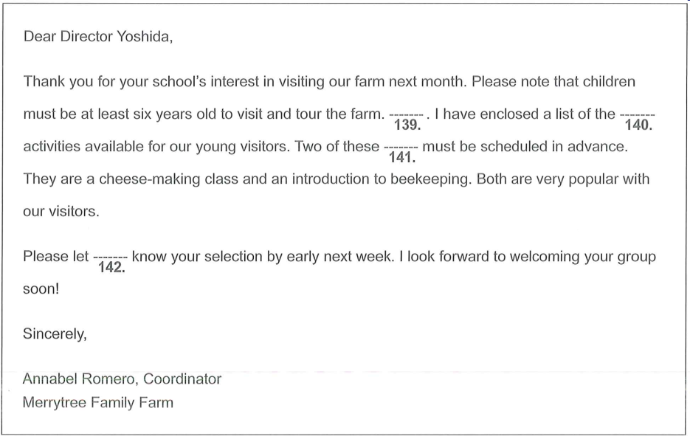
140 | 139 |  | legal | artistic | athletic | educational | D
141 | 139 |  | events | plays | treatments | trips | A
142 | 139 |  | they | me | her | one | B
143 | 143 |  | prouder | proudly | pride | proud | D |  | 
144 | 143 |  | They include general and cosmetic procedures. | We have relocated from neighboring Hillsborough. | The Web site is a creation of A to Z Host Builders. | Several of them are surprisingly expensive. | A
145 | 143 |  | scheduled | to schedule | scheduling | being scheduled | B
146 | 143 |  | shoppers | residents | patients | tenants | C

Sheet2
4 | The man is buying a ticket at the bus station | The man is boarding the bus | The man is handing his baggage to a conductor | The man is checking the bus timetable | B | A.The man is buying a ticket at the bus station B.The man is boarding the bus C.The man is handing his baggage to a conductor D.The man is checking the bus timetable | 
5 | The worker is preparing to dig the earth | There are a lot of leaves on the road | The road is being resurfaced | The man is driving the truck down the hill | C | A.The worker is preparing to dig the earth B.There are a lot of leaves on the road C.The road is being resurfaced D.The man is driving the truck down the hill | 
6 | Neither of the phones is being used | The two phones are different in size from each other | The telephones are being repaired | Each telephone is in a separate booth | A | A.Neither of the phones is being used B.The two phones are different in size from each other C.The telephones are being repaired D.Each telephone is in a separate booth | 

