Sheet1
Question No | Passage | Question | Answer1 | Answer2 | Answer3 | Answer4 | CorrectAnswer | Demonstrate | Photo | Audio | Script
1 | 1 |  | He's parking a truck. | He's lifting some furniture. | He's starting an engine. | He's driving a car. | B |  | 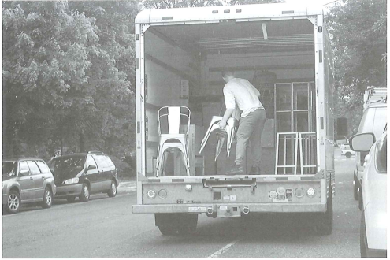
2 | 2 |  | Some curtains have been closed. | Some jackets have been laid on a chair. | Some people are gathered around a desk. | Someone is turning on a lamp. | C |  | 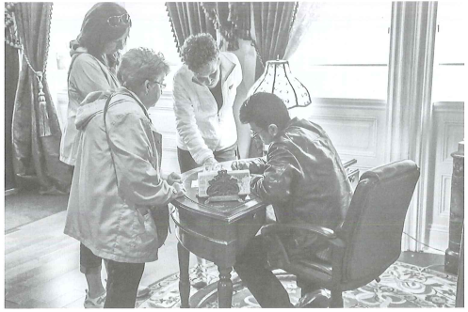
3 | 3 |  | One of the women is reaching into her bag. | The women are waiting in a line. | The man is leading a tour group. | The man is opening a cash register. | B |  | 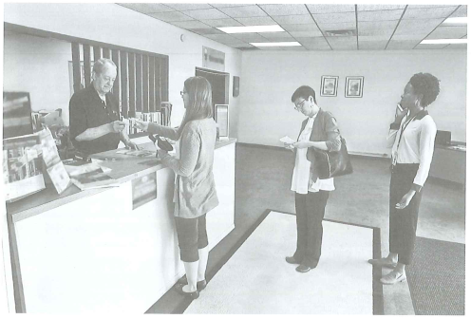
4 | 4 |  | The man is bending over a bicycle. | A wheel has been propped against a stack of bricks. | The man is collecting some pieces of wood. | A handrail is being installed. | A |  | 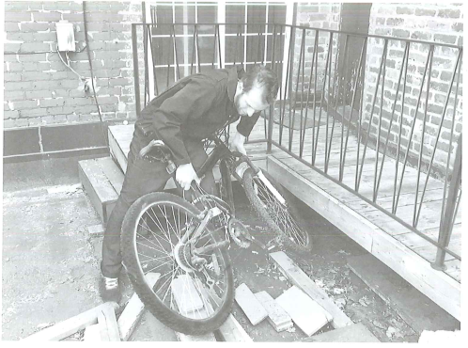
5 | 5 |  | An armchair has been placed under a window. | Some reading materials have fallen on the floor. | Some flowers are being watered. | Some picture frames are hanging on a wall. | D |  | 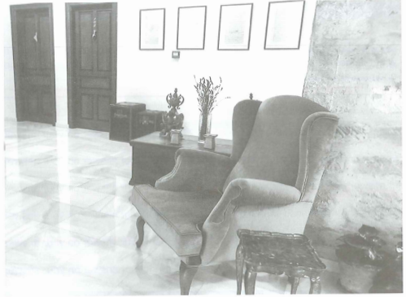
6 | 6 |  | She's adjusting the height of an umbrella. | She's inspecting the tires on a vending cart. | There's a mobile food stand on a walkway. | There are some cooking utensils on the ground. | C |  | 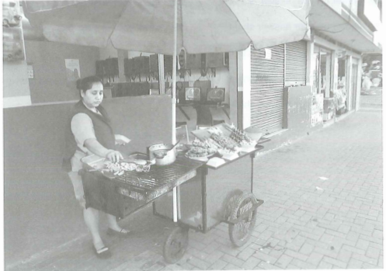

Sheet2
4 | The man is buying a ticket at the bus station | The man is boarding the bus | The man is handing his baggage to a conductor | The man is checking the bus timetable | B | A.The man is buying a ticket at the bus station B.The man is boarding the bus C.The man is handing his baggage to a conductor D.The man is checking the bus timetable | 
5 | The worker is preparing to dig the earth | There are a lot of leaves on the road | The road is being resurfaced | The man is driving the truck down the hill | C | A.The worker is preparing to dig the earth B.There are a lot of leaves on the road C.The road is being resurfaced D.The man is driving the truck down the hill | 
6 | Neither of the phones is being used | The two phones are different in size from each other | The telephones are being repaired | Each telephone is in a separate booth | A | A.Neither of the phones is being used B.The two phones are different in size from each other C.The telephones are being repaired D.Each telephone is in a separate booth | 

