File path
Change position | Change position depth 1 | Change position depth 2 | Path | Filename | Line | Remark | Image
Header |  |  | vendor\magento\module-theme\view\frontend\layout\ | default.xml
 | Sign in bar |  | vendor\magento\module-customer\view\frontend\templates\account\link\ | authorization.phtml
 | Logo |  | vendor\magento\module-theme\view\frontend\templates\html\header\ | logo.phtml
 | Search box |  | vendor\magento\module-search\view\frontend\templates\ | form.mini.phtml
 | Cart |  | vendor\magento\module-checkout\view\frontend\templates\cart\ | minicart.phtml
Content | Navigation |  | vendor\magento\module-theme\view\frontend\templates\html\ | topmenu.phtml
 | Page title |  | vendor\magento\module-theme\view\frontend\templates\html\ | title.phtml
Footer |  |  | vendor\magento\module-theme\view\frontend\layout\ | default.xml
 | Send subscribe email |  | vendor\magento\module-newsletter\view\frontend\templates\ | subscribe.phtml
 | Copyright |  | vendor\magento\module-theme\view\frontend\templates\html\ | copyright.phtml
Product page | Add to cart button |  | vendor\magento\module-catalog\view\frontend\templates\product\view\ | addtocart.phtml |  |  | 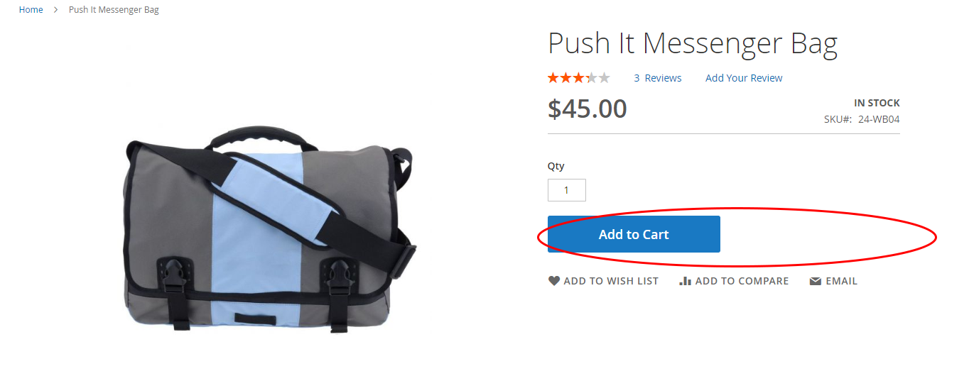
Insert library |  |  | vendor\magento\theme-frontend-{tên theme}\Magento_Theme\layout\ | default_head_blocks.xml |  | Insert CSS, JS file for all pages on theme + CSS in path: vendor\magento\theme-frontend-luma\web\css + JS in path: vendor\magento\theme-frontend-luma\web\js

