Sheet1
Tracking-D*Lite | Repeated-D*Lite | avg-Tracking-D*Lite | avg-Repeated-D*Lite | 去除了未追上目标点的例子
50 | 140 | 59.95745 | 69.59574
125 | 92 | 59.95745 | 69.59574
51 | 102 | 59.95745 | 69.59574
65 | 100 | 59.95745 | 69.59574
49 | 94 | 59.95745 | 69.59574
51 | 133 | 59.95745 | 69.59574
69 | 161 | 59.95745 | 69.59574
54 | 143 | 59.95745 | 69.59574
47 | 97 | 59.95745 | 69.59574
44 | 44 | 59.95745 | 69.59574
52 | 52 | 59.95745 | 69.59574
49 | 51 | 59.95745 | 69.59574
65 | 65 | 59.95745 | 69.59574
34 | 34 | 59.95745 | 69.59574
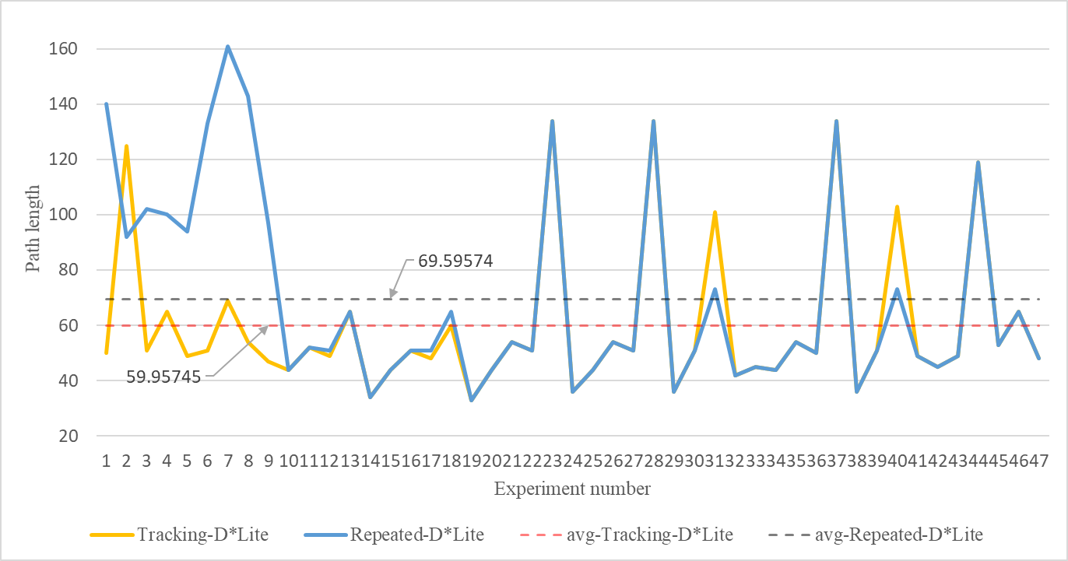
44 | 44 | 59.95745 | 69.59574
51 | 51 | 59.95745 | 69.59574
48 | 51 | 59.95745 | 69.59574
60 | 65 | 59.95745 | 69.59574
33 | 33 | 59.95745 | 69.59574
44 | 44 | 59.95745 | 69.59574
54 | 54 | 59.95745 | 69.59574
51 | 51 | 59.95745 | 69.59574
134 | 134 | 59.95745 | 69.59574
36 | 36 | 59.95745 | 69.59574
44 | 44 | 59.95745 | 69.59574
54 | 54 | 59.95745 | 69.59574
51 | 51 | 59.95745 | 69.59574
134 | 134 | 59.95745 | 69.59574
36 | 36 | 59.95745 | 69.59574
51 | 51 | 59.95745 | 69.59574
101 | 73 | 59.95745 | 69.59574
42 | 42 | 59.95745 | 69.59574
45 | 45 | 59.95745 | 69.59574
44 | 44 | 59.95745 | 69.59574
54 | 54 | 59.95745 | 69.59574
50 | 50 | 59.95745 | 69.59574
134 | 134 | 59.95745 | 69.59574
36 | 36 | 59.95745 | 69.59574
51 | 51 | 59.95745 | 69.59574
103 | 73 | 59.95745 | 69.59574
49 | 49 | 59.95745 | 69.59574
45 | 45 | 59.95745 | 69.59574
49 | 49 | 59.95745 | 69.59574
119 | 119 | 59.95745 | 69.59574
53 | 53 | 59.95745 | 69.59574
65 | 65 | 59.95745 | 69.59574
48 | 48 | 59.95745 | 69.59574
59.957446809 | 69.595744681

