Sheet1
Tracking-D*Lite | Repeated-D*Lite
36 | 36
17 | 17
13 | 13
29 | 29
41 | 41
16 | 16
12 | 12
24 | 24
9 | 9
17 | 17
15 | 15
18 | 18
36 | 36
15 | 15
13 | 13
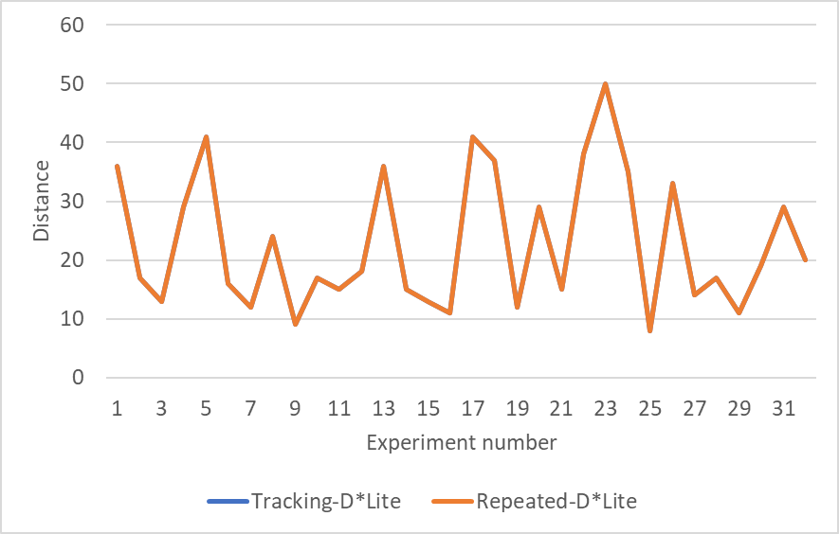
11 | 11
41 | 41
37 | 37
12 | 12
29 | 29
15 | 15
38 | 38
50 | 50
35 | 35
8 | 8
33 | 33
14 | 14
17 | 17
11 | 11
19 | 19
29 | 29
20 | 20

