Sheet1
Tracking-D*Lite | Repeated-D*Lite | avg-Tracking-D*Lite | avg-Repeated-D*Lite
3.53706 | 33.4393 | 3.186616 | 15.69079
3.29696 | 21.4451 | 3.186616 | 15.69079
4.72643 | 36.9341 | 3.186616 | 15.69079
11.0104 | 66.7319 | 3.186616 | 15.69079
3.54566 | 24.6211 | 3.186616 | 15.69079
3.68298 | 25.3489 | 3.186616 | 15.69079
1.39616 | 16.5972 | 3.186616 | 15.69079
1.32923 | 10.1149 | 3.186616 | 15.69079
2.66184 | 25.7564 | 3.186616 | 15.69079
9.78134 | 69.0923 | 3.186616 | 15.69079
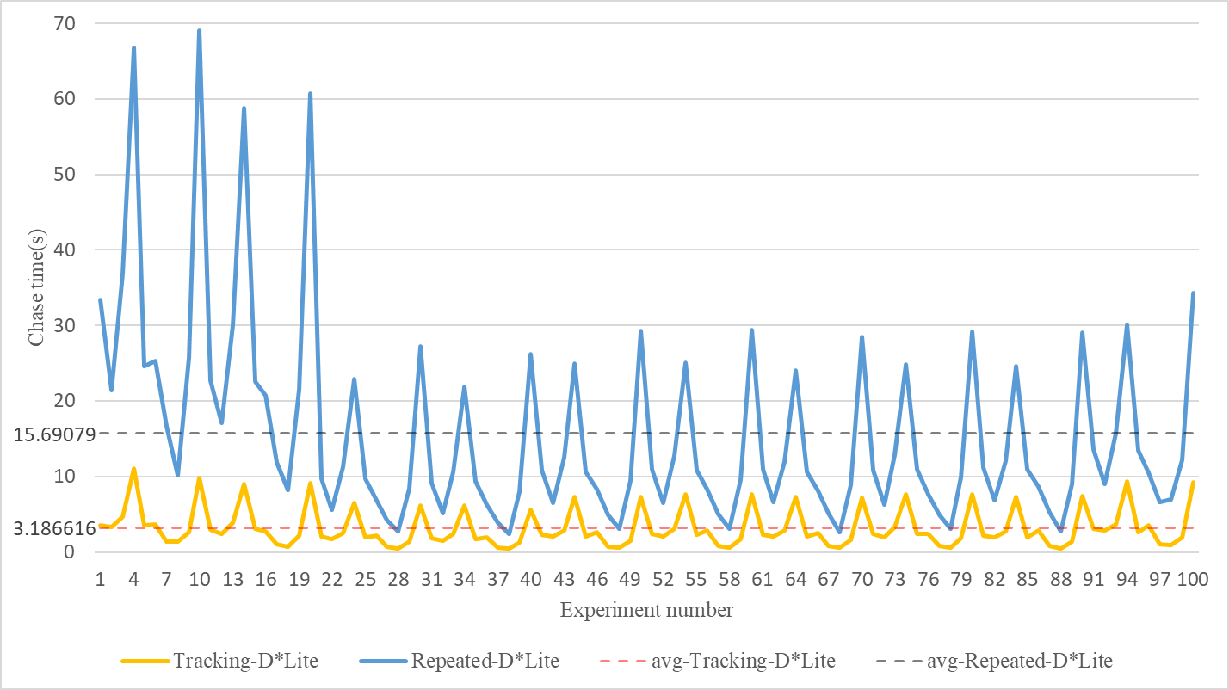
2.91876 | 22.7091 | 3.186616 | 15.69079
2.45883 | 17.1222 | 3.186616 | 15.69079
3.87472 | 30.139 | 3.186616 | 15.69079
8.9997 | 58.7964 | 3.186616 | 15.69079
3.04368 | 22.5558 | 3.186616 | 15.69079
2.71207 | 20.7393 | 3.186616 | 15.69079
1.06829 | 11.9033 | 3.186616 | 15.69079
0.702161 | 8.16521 | 3.186616 | 15.69079
2.16172 | 21.5184 | 3.186616 | 15.69079
9.11825 | 60.7414 | 3.186616 | 15.69079
2.08271 | 9.67731 | 3.186616 | 15.69079
1.71698 | 5.57873 | 3.186616 | 15.69079
2.50049 | 11.2701 | 3.186616 | 15.69079
6.46676 | 22.8723 | 3.186616 | 15.69079
1.90071 | 9.69645 | 3.186616 | 15.69079
2.23213 | 6.86936 | 3.186616 | 15.69079
0.68899 | 4.24474 | 3.186616 | 15.69079
0.48869 | 2.73528 | 3.186616 | 15.69079
1.33712 | 8.44897 | 3.186616 | 15.69079
6.20666 | 27.2346 | 3.186616 | 15.69079
1.82946 | 9.11252 | 3.186616 | 15.69079
1.49514 | 5.10513 | 3.186616 | 15.69079
2.35602 | 10.6362 | 3.186616 | 15.69079
6.16712 | 21.87 | 3.186616 | 15.69079
1.70361 | 9.31984 | 3.186616 | 15.69079
1.94084 | 6.30971 | 3.186616 | 15.69079
0.593705 | 3.92553 | 3.186616 | 15.69079
0.410139 | 2.40164 | 3.186616 | 15.69079
1.22931 | 7.99268 | 3.186616 | 15.69079
5.61096 | 26.2673 | 3.186616 | 15.69079
2.26705 | 10.8295 | 3.186616 | 15.69079
2.03463 | 6.52346 | 3.186616 | 15.69079
2.82419 | 12.5969 | 3.186616 | 15.69079
7.32108 | 24.9278 | 3.186616 | 15.69079
2.01886 | 10.6052 | 3.186616 | 15.69079
2.57982 | 8.34273 | 3.186616 | 15.69079
0.74906 | 4.90193 | 3.186616 | 15.69079
0.541346 | 3.06655 | 3.186616 | 15.69079
1.49304 | 9.46293 | 3.186616 | 15.69079
7.3574 | 29.3169 | 3.186616 | 15.69079
2.40429 | 10.9301 | 3.186616 | 15.69079
2.11468 | 6.55997 | 3.186616 | 15.69079
3.086 | 12.7449 | 3.186616 | 15.69079
7.64973 | 25.0489 | 3.186616 | 15.69079
2.2492 | 10.7892 | 3.186616 | 15.69079
2.82037 | 8.28797 | 3.186616 | 15.69079
0.860634 | 4.98835 | 3.186616 | 15.69079
0.558607 | 3.08397 | 3.186616 | 15.69079
1.66425 | 9.63595 | 3.186616 | 15.69079
7.66016 | 29.3872 | 3.186616 | 15.69079
2.24475 | 10.9088 | 3.186616 | 15.69079
2.02383 | 6.59769 | 3.186616 | 15.69079
2.84289 | 11.9423 | 3.186616 | 15.69079
7.29007 | 24.0308 | 3.186616 | 15.69079
2.05239 | 10.644 | 3.186616 | 15.69079
2.54762 | 8.1386 | 3.186616 | 15.69079
0.760927 | 5.16185 | 3.186616 | 15.69079
0.533284 | 2.59717 | 3.186616 | 15.69079
1.5727 | 8.89799 | 3.186616 | 15.69079
7.16794 | 28.4973 | 3.186616 | 15.69079
2.45765 | 10.8849 | 3.186616 | 15.69079
1.89605 | 6.22951 | 3.186616 | 15.69079
3.26467 | 12.8761 | 3.186616 | 15.69079
7.68685 | 24.8146 | 3.186616 | 15.69079
2.42089 | 10.9688 | 3.186616 | 15.69079
2.42791 | 7.69616 | 3.186616 | 15.69079
0.839215 | 4.93862 | 3.186616 | 15.69079
0.58153 | 3.10433 | 3.186616 | 15.69079
1.78265 | 9.87522 | 3.186616 | 15.69079
7.68099 | 29.1184 | 3.186616 | 15.69079
2.1464 | 11.145 | 3.186616 | 15.69079
1.90712 | 6.87123 | 3.186616 | 15.69079
2.73247 | 12.1363 | 3.186616 | 15.69079
7.33202 | 24.6574 | 3.186616 | 15.69079
1.9021 | 10.9344 | 3.186616 | 15.69079
2.82527 | 8.65562 | 3.186616 | 15.69079
0.779478 | 5.28963 | 3.186616 | 15.69079
0.492683 | 2.78265 | 3.186616 | 15.69079
1.41184 | 9.03984 | 3.186616 | 15.69079
7.46233 | 29.0873 | 3.186616 | 15.69079
3.08536 | 13.5928 | 3.186616 | 15.69079
2.81988 | 9.05593 | 3.186616 | 15.69079
3.66498 | 15.7629 | 3.186616 | 15.69079
9.4082 | 30.0864 | 3.186616 | 15.69079
2.6584 | 13.4186 | 3.186616 | 15.69079
3.58869 | 10.4549 | 3.186616 | 15.69079
1.02868 | 6.66226 | 3.186616 | 15.69079
0.924148 | 6.93954 | 3.186616 | 15.69079
1.96779 | 12.2139 | 3.186616 | 15.69079
9.2108 | 34.2988 | 3.186616 | 15.69079
3.18661627 | 15.6907865

