Sheet1
Tracking-D*Lite | Repeated-D*Lite | avg-Tracking-D*Lite | avg-Repeated-D*Lite
0.010476 | 0.0508848 | 0.035321 | 0.149175
0.0778193 | 0.261334 | 0.035321 | 0.149175
0.0478989 | 0.18164 | 0.035321 | 0.149175
0.0479013 | 0.203484 | 0.035321 | 0.149175
0.0189821 | 0.0867956 | 0.035321 | 0.149175
0.0289502 | 0.150624 | 0.035321 | 0.149175
0.0279539 | 0.0912905 | 0.035321 | 0.149175
0.042914 | 0.23839 | 0.035321 | 0.149175
0.0080076 | 0.0429092 | 0.035321 | 0.149175
0.0678474 | 0.229387 | 0.035321 | 0.149175
0.0409183 | 0.155281 | 0.035321 | 0.149175
0.0468745 | 0.179547 | 0.035321 | 0.149175
0.0149882 | 0.0678217 | 0.035321 | 0.149175
0.0269283 | 0.125205 | 0.035321 | 0.149175
0.0239358 | 0.0698408 | 0.035321 | 0.149175
0.036929 | 0.201462 | 0.035321 | 0.149175
0.0090052 | 0.0289687 | 0.035321 | 0.149175
0.065851 | 0.264293 | 0.035321 | 0.149175
0.0439107 | 0.17456 | 0.035321 | 0.149175
0.0438842 | 0.215958 | 0.035321 | 0.149175
0.0199452 | 0.124171 | 0.035321 | 0.149175
0.0259298 | 0.141621 | 0.035321 | 0.149175
0.0249609 | 0.0927799 | 0.035321 | 0.149175
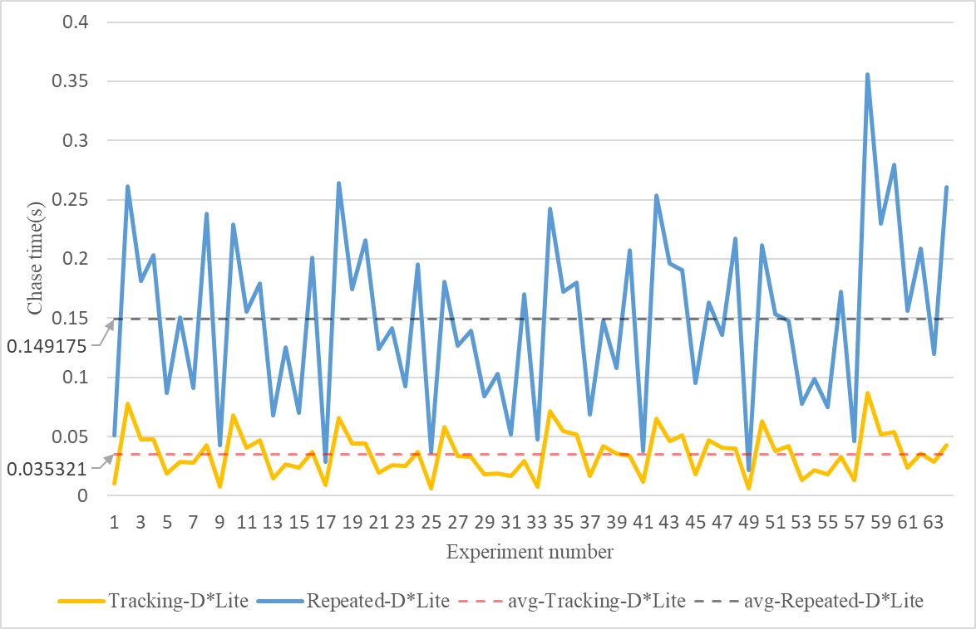
0.0369373 | 0.195204 | 0.035321 | 0.149175
0.0059842 | 0.0369005 | 0.035321 | 0.149175
0.0580955 | 0.180516 | 0.035321 | 0.149175
0.0339371 | 0.126662 | 0.035321 | 0.149175
0.0329115 | 0.139623 | 0.035321 | 0.149175
0.0179788 | 0.0838034 | 0.035321 | 0.149175
0.0189774 | 0.102756 | 0.035321 | 0.149175
0.0169533 | 0.051892 | 0.035321 | 0.149175
0.0294841 | 0.170571 | 0.035321 | 0.149175
0.0080053 | 0.0478996 | 0.035321 | 0.149175
0.0718062 | 0.242413 | 0.035321 | 0.149175
0.0548527 | 0.172244 | 0.035321 | 0.149175
0.0518606 | 0.180023 | 0.035321 | 0.149175
0.0169543 | 0.0688434 | 0.035321 | 0.149175
0.0419194 | 0.147637 | 0.035321 | 0.149175
0.0354262 | 0.107742 | 0.035321 | 0.149175
0.0339369 | 0.207473 | 0.035321 | 0.149175
0.011992 | 0.037926 | 0.035321 | 0.149175
0.0648497 | 0.253352 | 0.035321 | 0.149175
0.0465551 | 0.196503 | 0.035321 | 0.149175
0.0508643 | 0.190394 | 0.035321 | 0.149175
0.0182534 | 0.0953109 | 0.035321 | 0.149175
0.0469016 | 0.163155 | 0.035321 | 0.149175
0.0408897 | 0.135646 | 0.035321 | 0.149175
0.0399201 | 0.217449 | 0.035321 | 0.149175
0.0059838 | 0.0219697 | 0.035321 | 0.149175
0.0628615 | 0.211468 | 0.035321 | 0.149175
0.0376468 | 0.153617 | 0.035321 | 0.149175
0.0418869 | 0.148194 | 0.035321 | 0.149175
0.0129654 | 0.0778205 | 0.035321 | 0.149175
0.0219417 | 0.0987942 | 0.035321 | 0.149175
0.0179516 | 0.0748277 | 0.035321 | 0.149175
0.0329426 | 0.172566 | 0.035321 | 0.149175
0.0129939 | 0.0459054 | 0.035321 | 0.149175
0.0867971 | 0.356047 | 0.035321 | 0.149175
0.0518889 | 0.229959 | 0.035321 | 0.149175
0.053883 | 0.279281 | 0.035321 | 0.149175
0.0239595 | 0.15661 | 0.035321 | 0.149175
0.0359338 | 0.209073 | 0.035321 | 0.149175
0.0289217 | 0.119983 | 0.035321 | 0.149175
0.042914 | 0.260894 | 0.035321 | 0.149175
0.035320792187 | 0.14917494531

