竞品参考
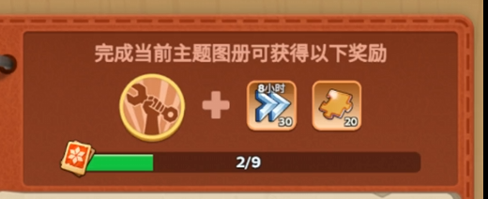
参考数值 |  | P2数值
金头 | 20 | BUFF：训练速度+2% | 1
8小时加速 | 30 | 节日头像框 | 1
 |  | 节日自选箱 | 10

