Business Risk Register
Business Risk Register Template
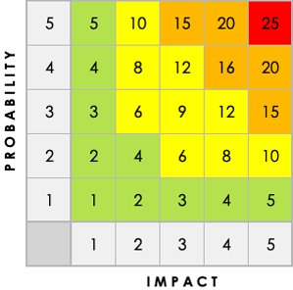 |  |  |  |  |  | Auto-calculates
Risk ID | Risk Title | Risk Description | Impact Description | Impact Level Rate 1 (LOW) to 5 (HIGH) | Probability Level Rate 1 (LOW) to 5 (HIGH) | Priority Level Impact x Probability Address the highest first. | Risk Type | Risk Category | Business Unit | Trigger Event | Mitigation Plan | Status | Owner | Last Reviewed
 |  |  |  | 1 | 1 | 1 |  | Operations | Finance |  |  | Open |  | MM/DD/YY
 |  |  |  | 2 | 3 | 6 |  | Finance | HR |  |  | In Progress
 |  |  |  |  |  |  |  | Compliance | IT/Systems |  |  | Closed
 |  |  |  |  |  |  |  | Legal | Legal and Compliance |  |  | Monitoring
 |  |  |  |  |  |  |  | IT/Systems | Sales and Marketing |  |  | Resolved
 |  |  |  |  |  |  |  | HR | Customer Service
 |  |  |  |  |  |  |  | Reputation | Executive/Strategy
 |  |  |  |  |  |  |  | Customer/Market | Finance
 |  |  |  |  |  |  |  | Environmental | Finance
 |  |  |  |  |  |  |  | Supply Chain | Finance
 |  |  |  |  |  |  |  | Operations | Finance
 |  |  |  |  |  |  |  | Operations | Finance
 |  |  |  |  |  |  |  | Operations | Finance
 |  |  |  |  |  |  |  | Operations | Finance
 |  |  |  |  |  |  |  | Operations | Finance
 |  |  |  |  |  |  |  | Operations | Finance
 |  |  |  |  |  |  |  | Operations | Finance
 |  |  |  |  |  |  |  | Operations | Finance
 |  |  |  |  |  |  |  | Operations | Finance
 |  |  |  |  |  |  |  | Operations | Finance
 |  |  |  |  |  |  |  | Operations | Finance

CLICK HERE TO CREATE IN SMARTSHEET

