Home page
The application displays policies from all users by academic year.
Guests can browse policies, but cannot add a new policy.

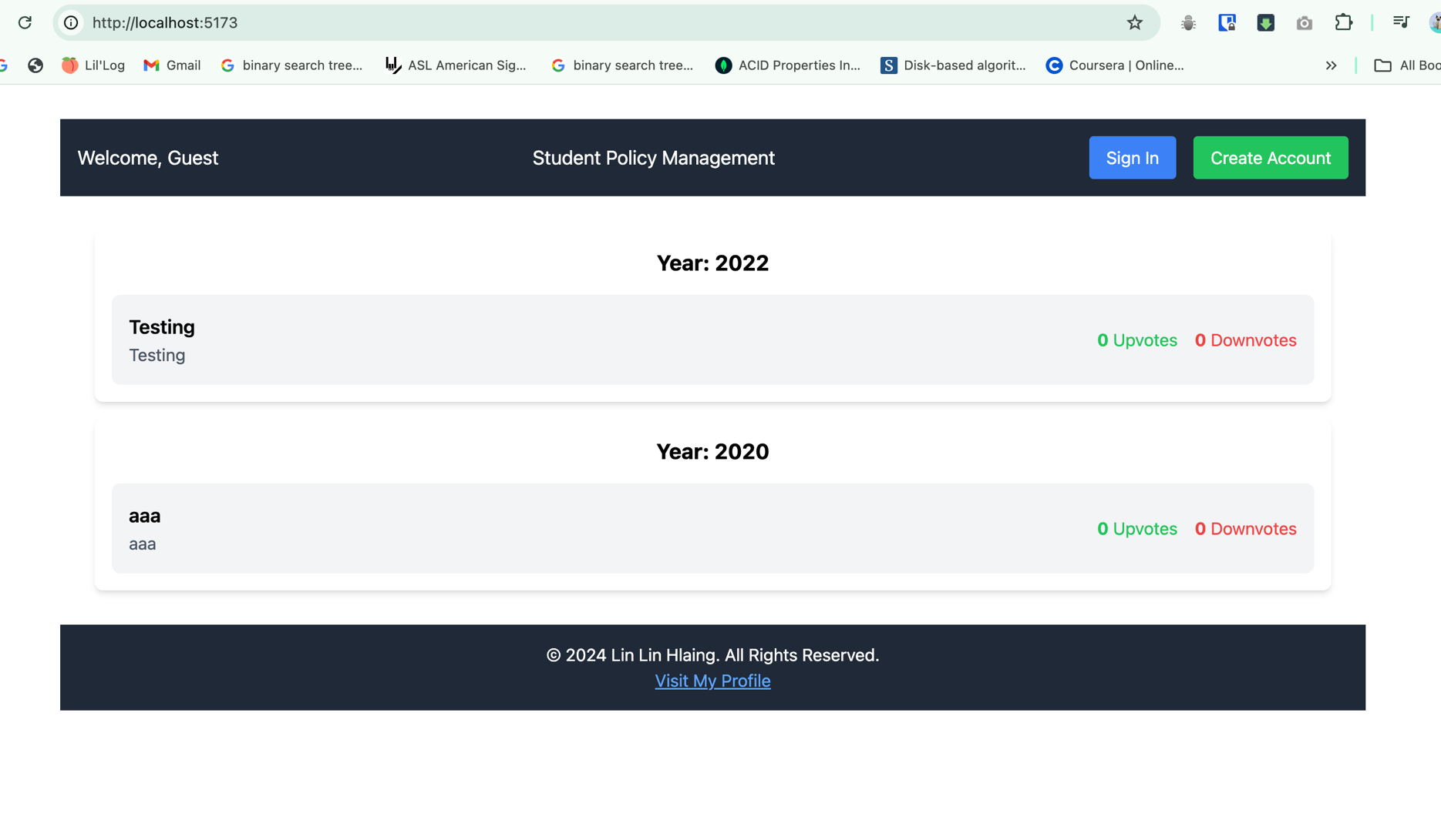

The application displays policies from all users by academic year.

Signu up page
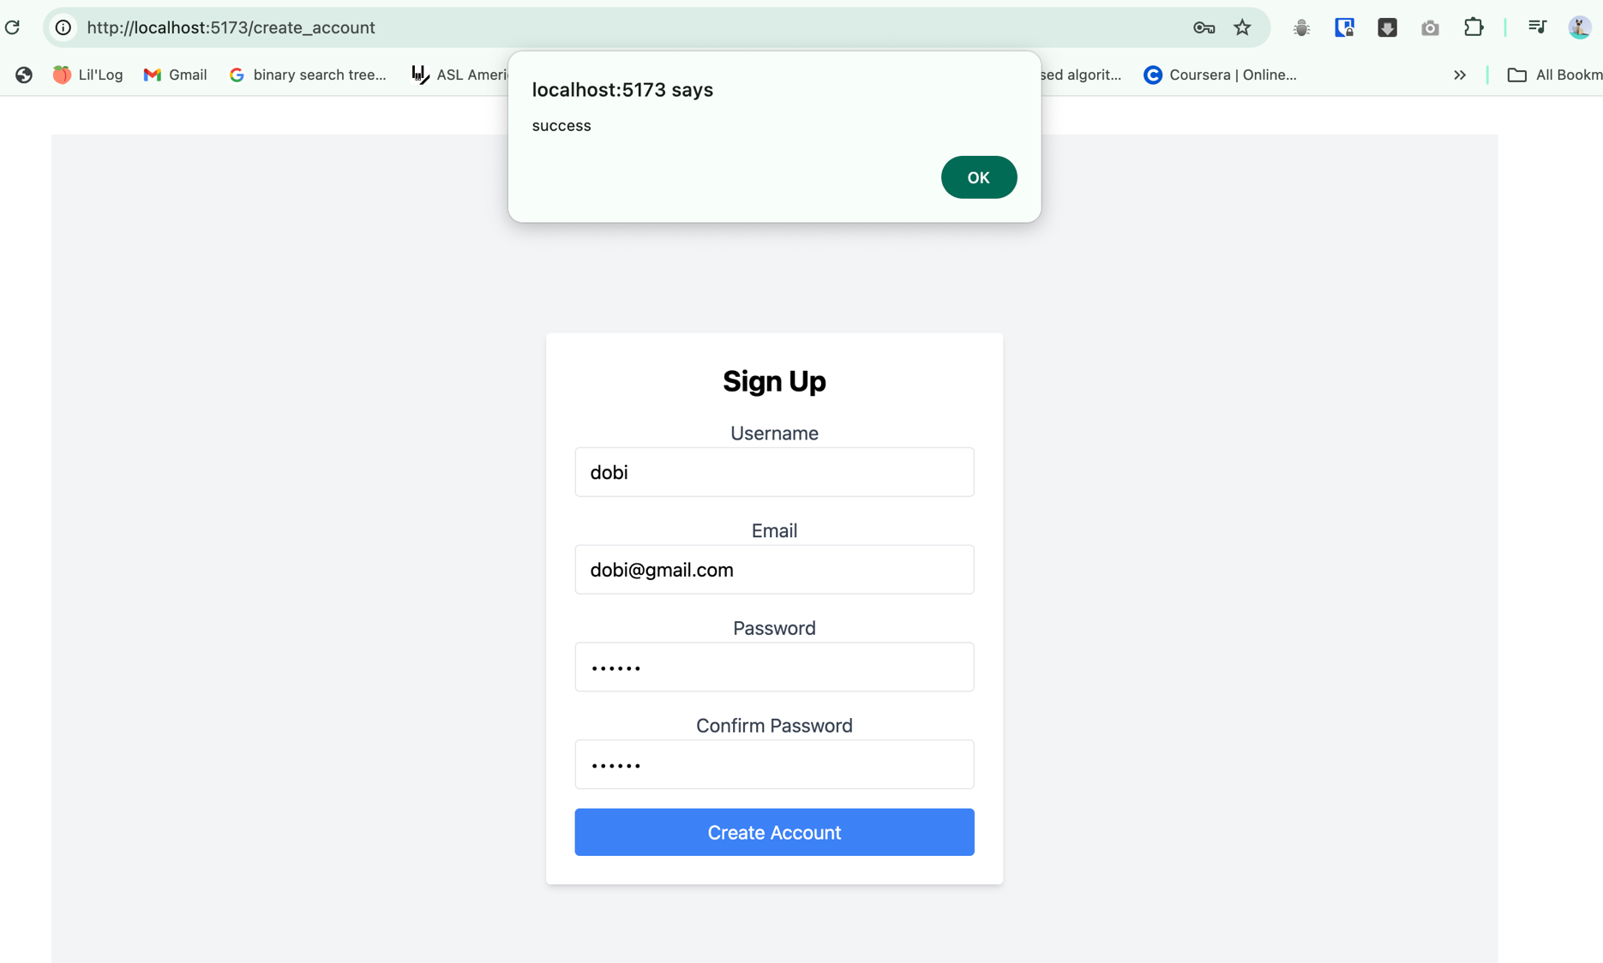

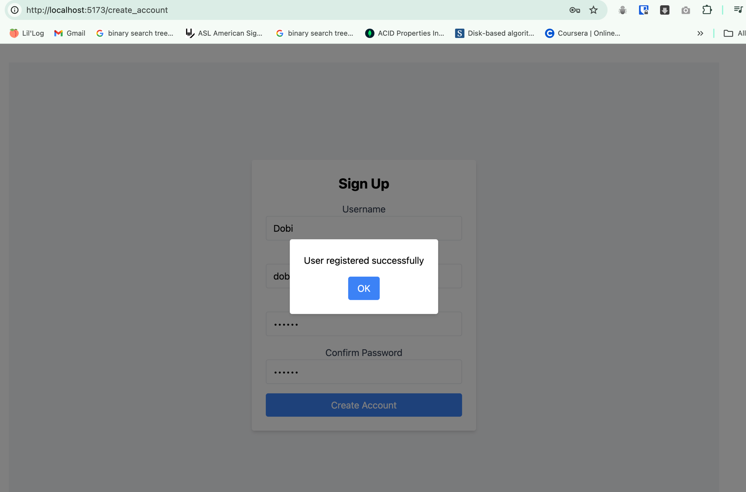

Sign in page
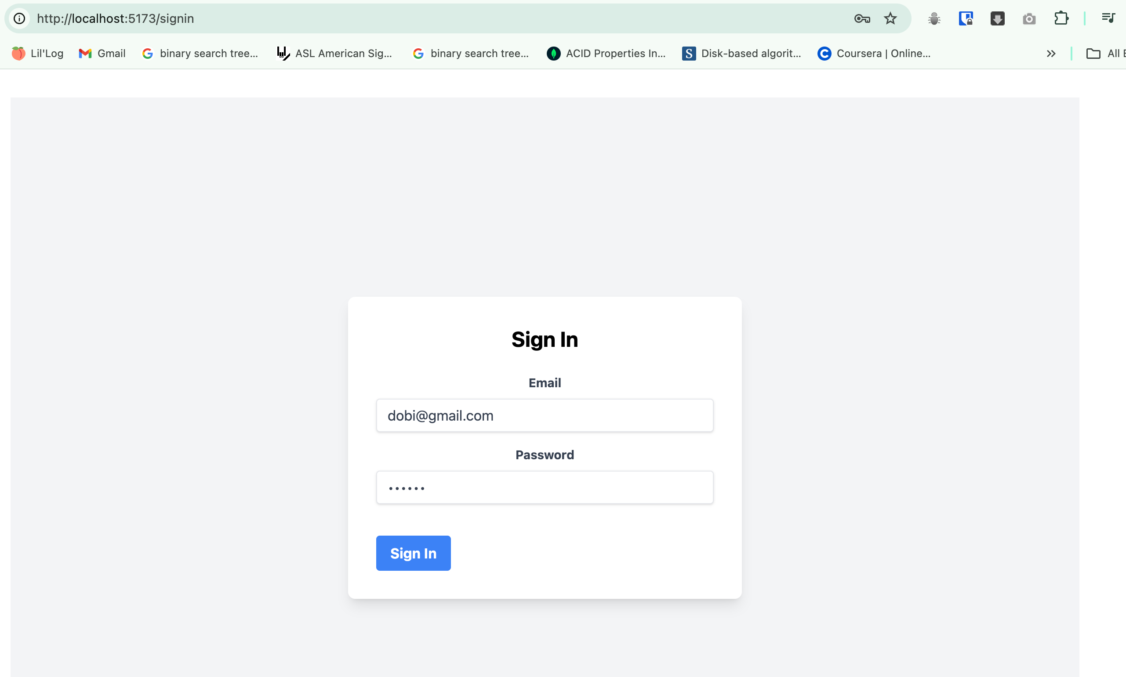

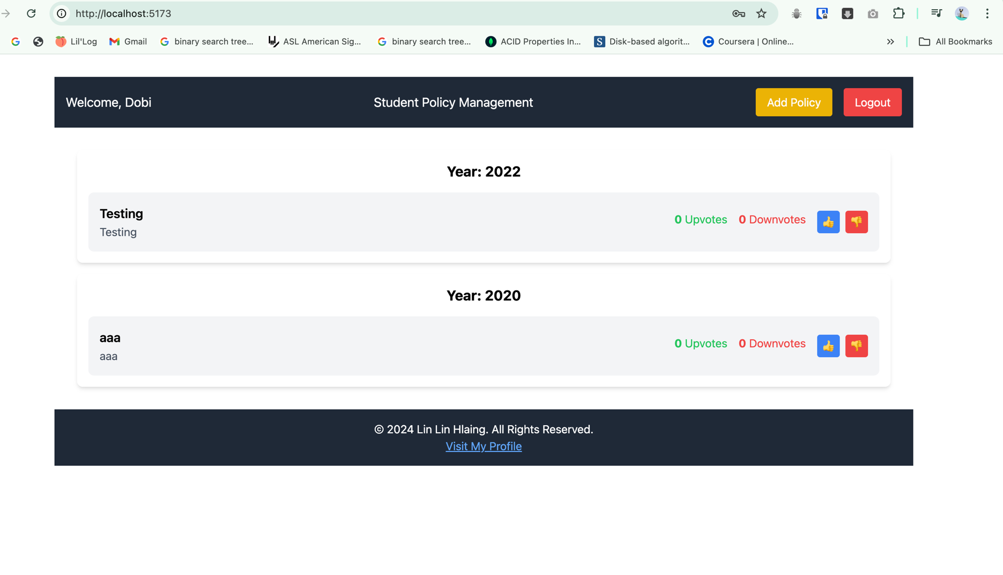

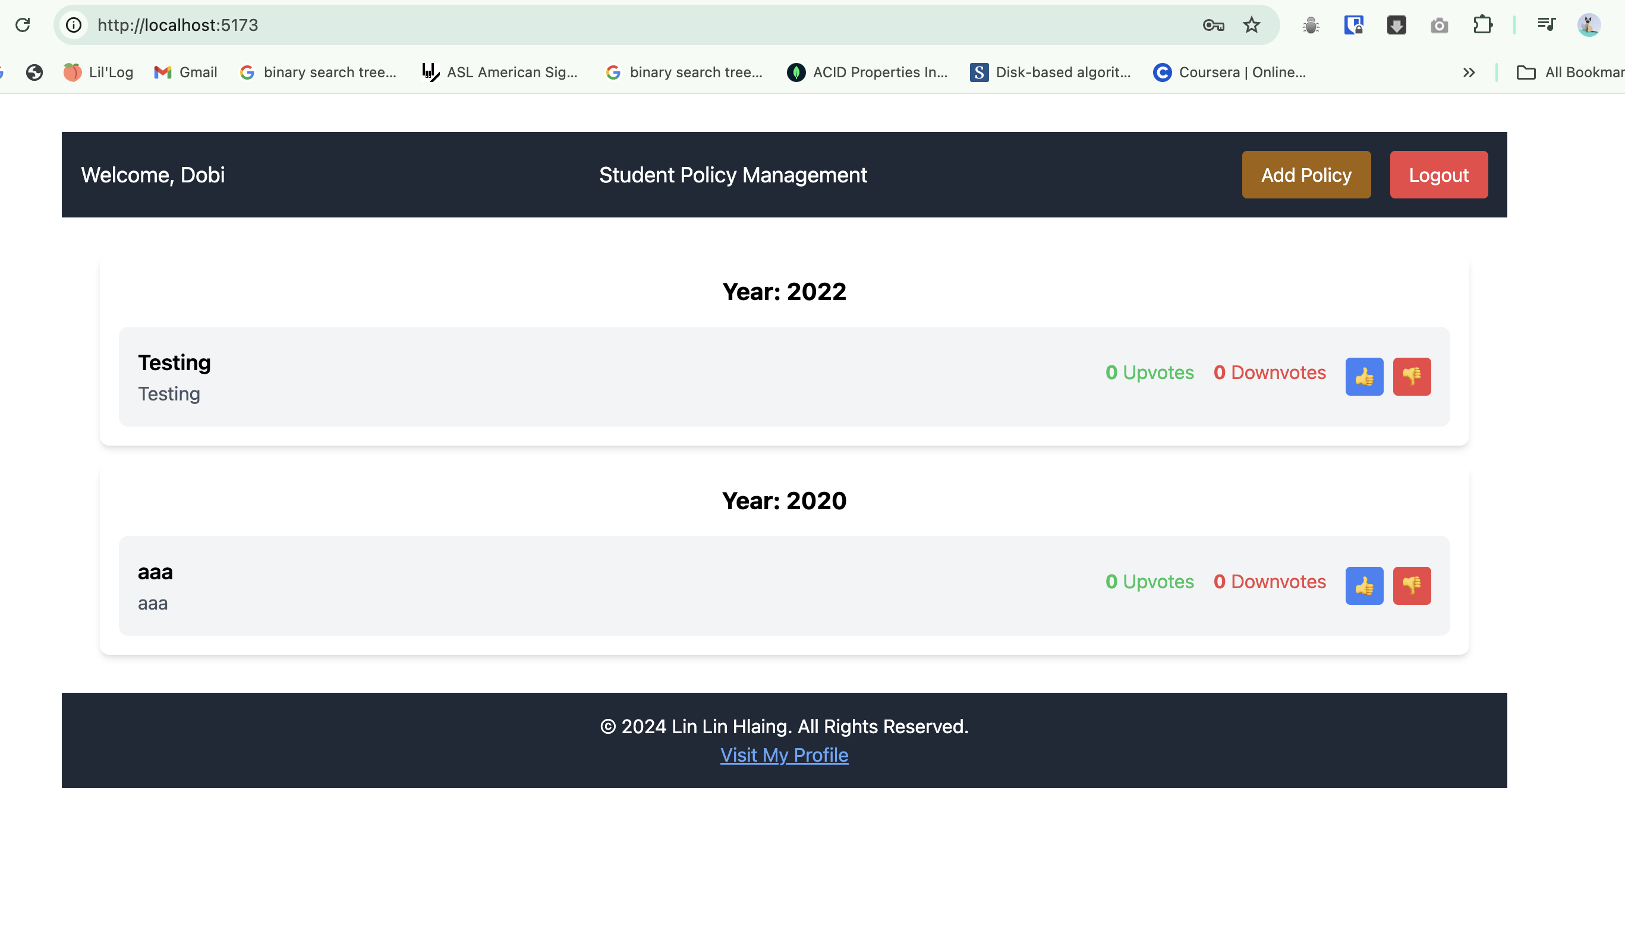

Only users can contribute and submit a new policy.

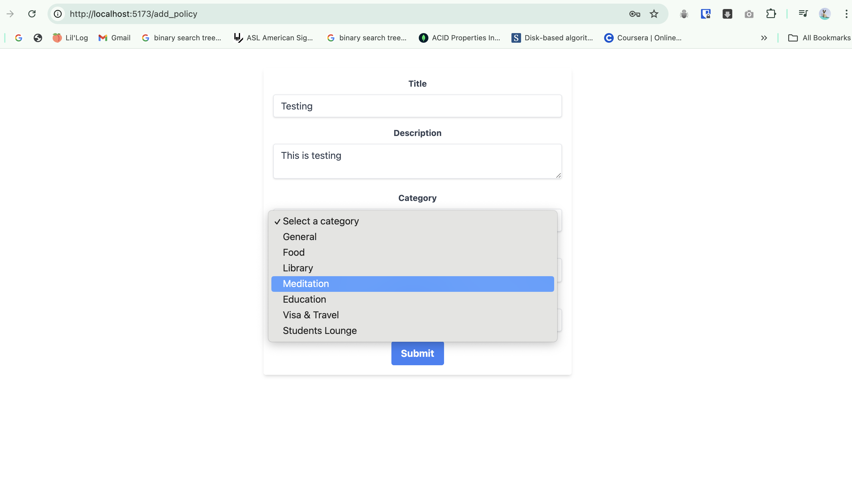

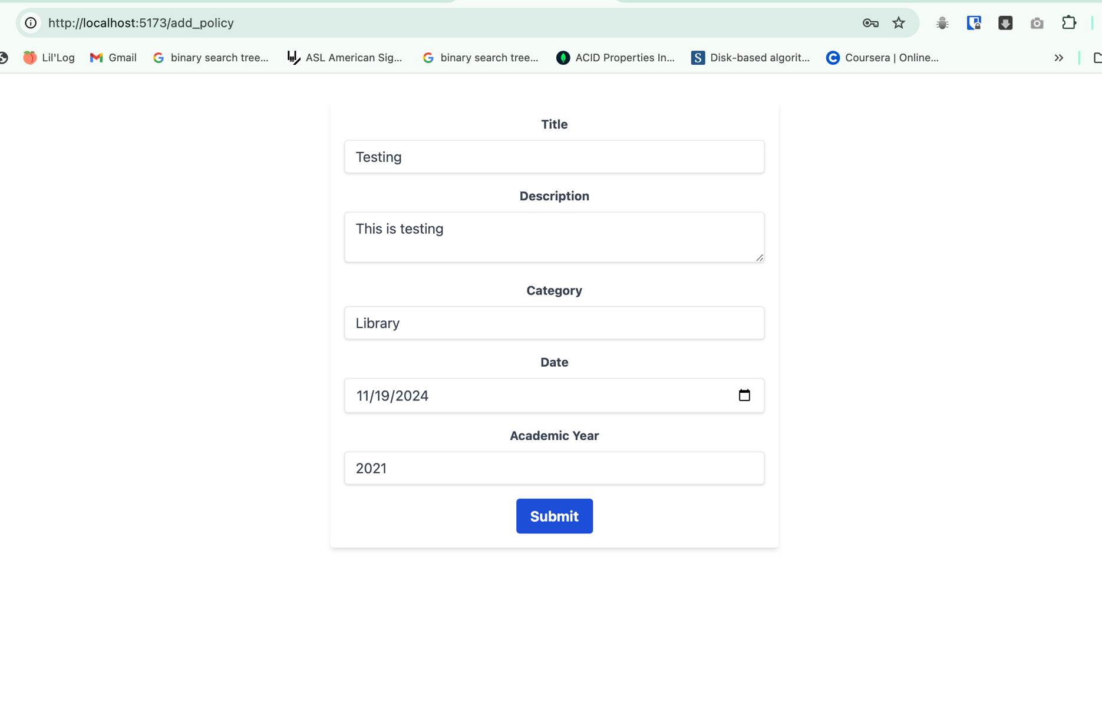

A policy consist ttitle, description, owner, date, and category (General, Food, Library, Meditation, Education, Visa & Travel, Students Lounge.. etc

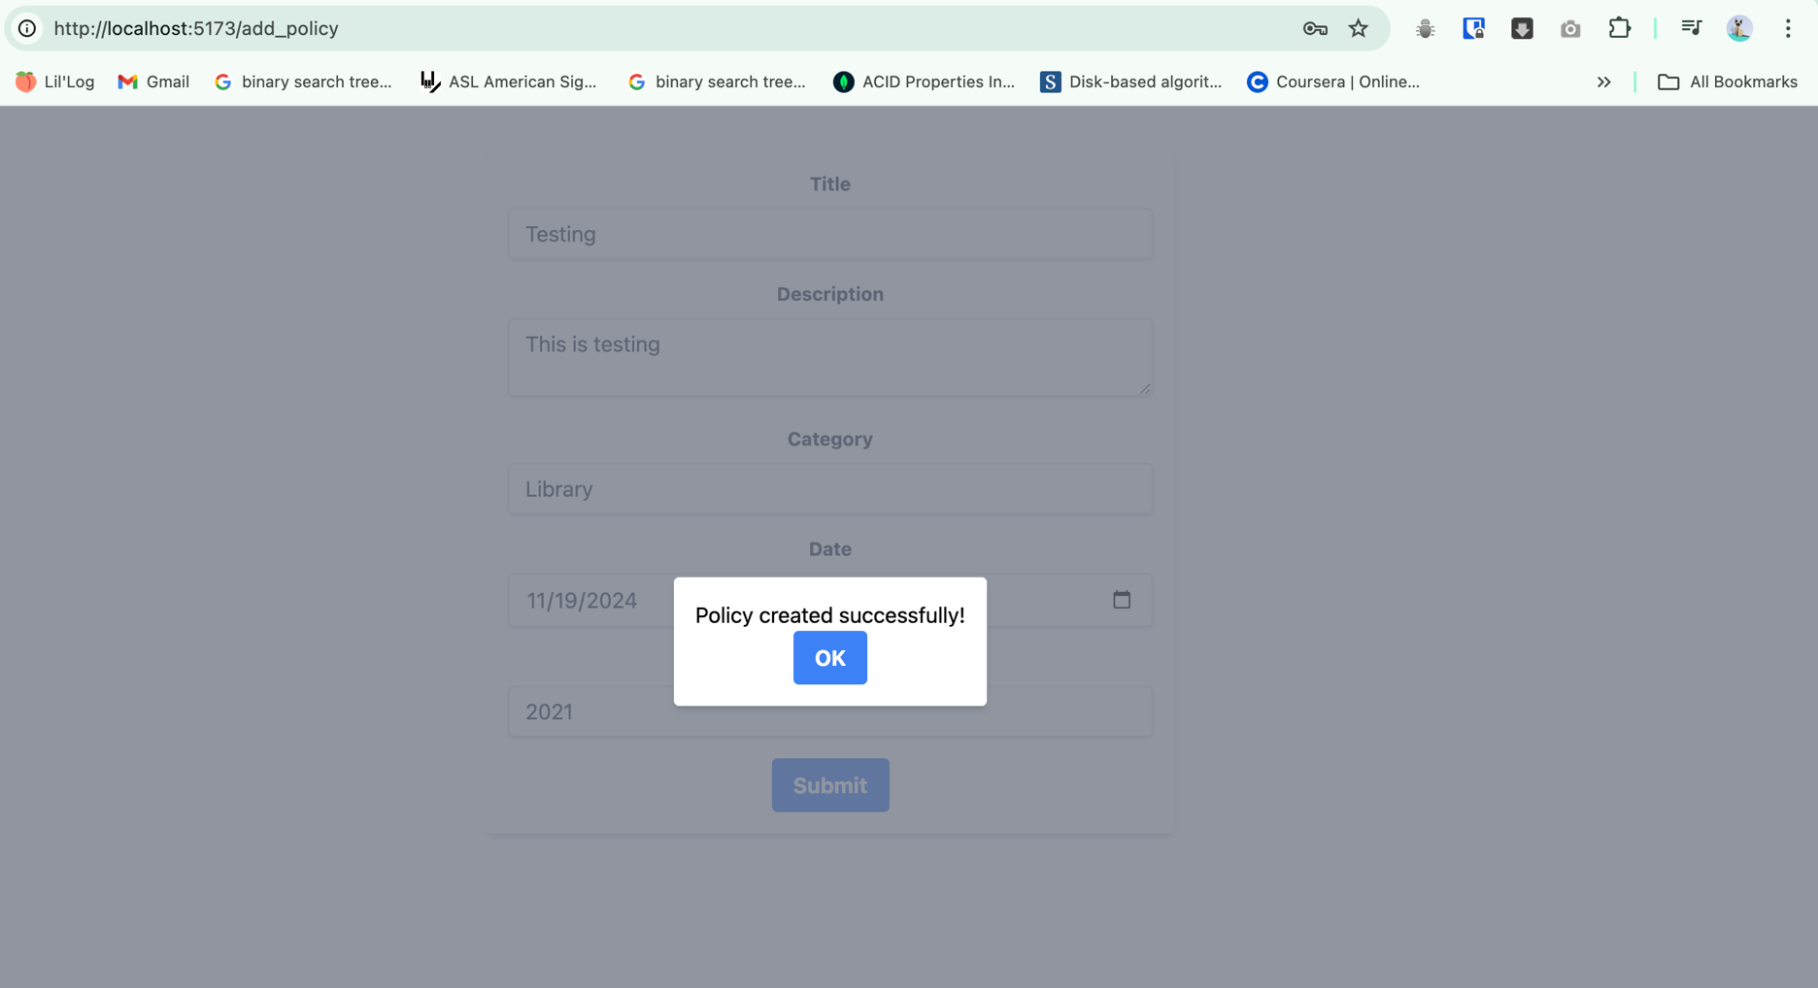

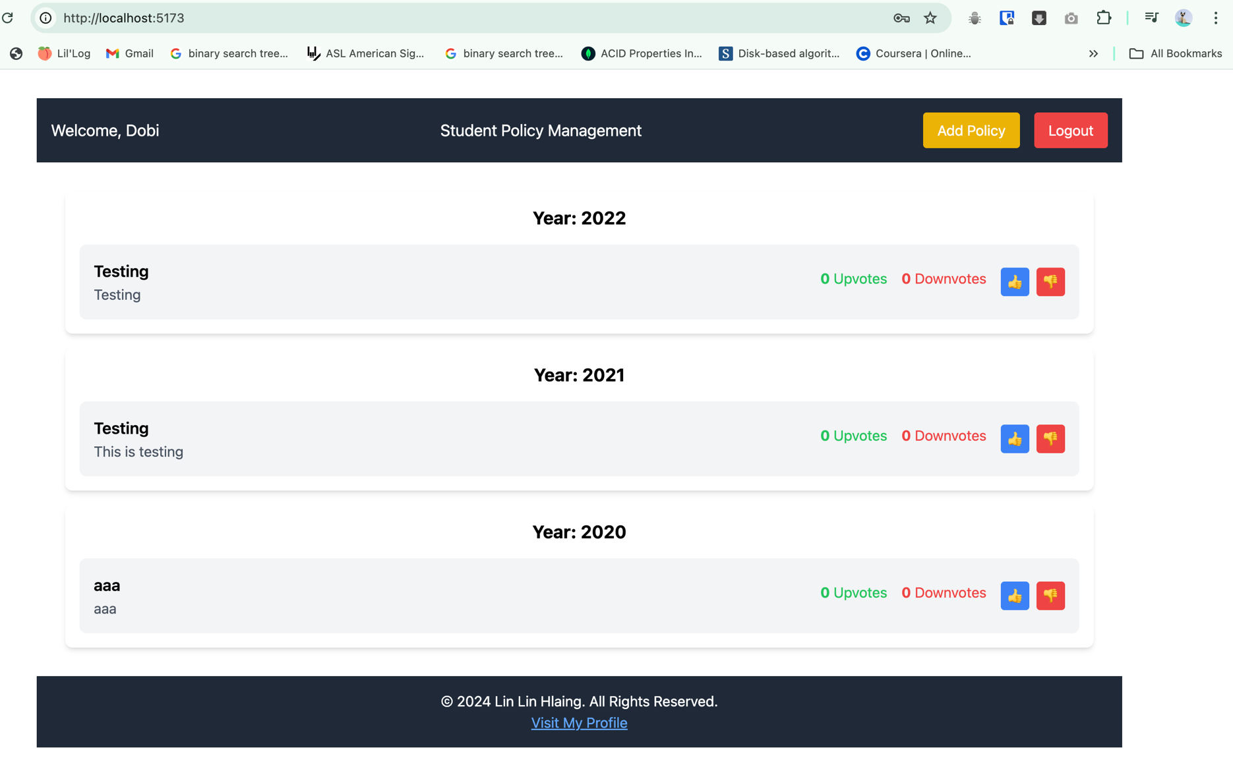

Policies are sorted by vote in descending order.

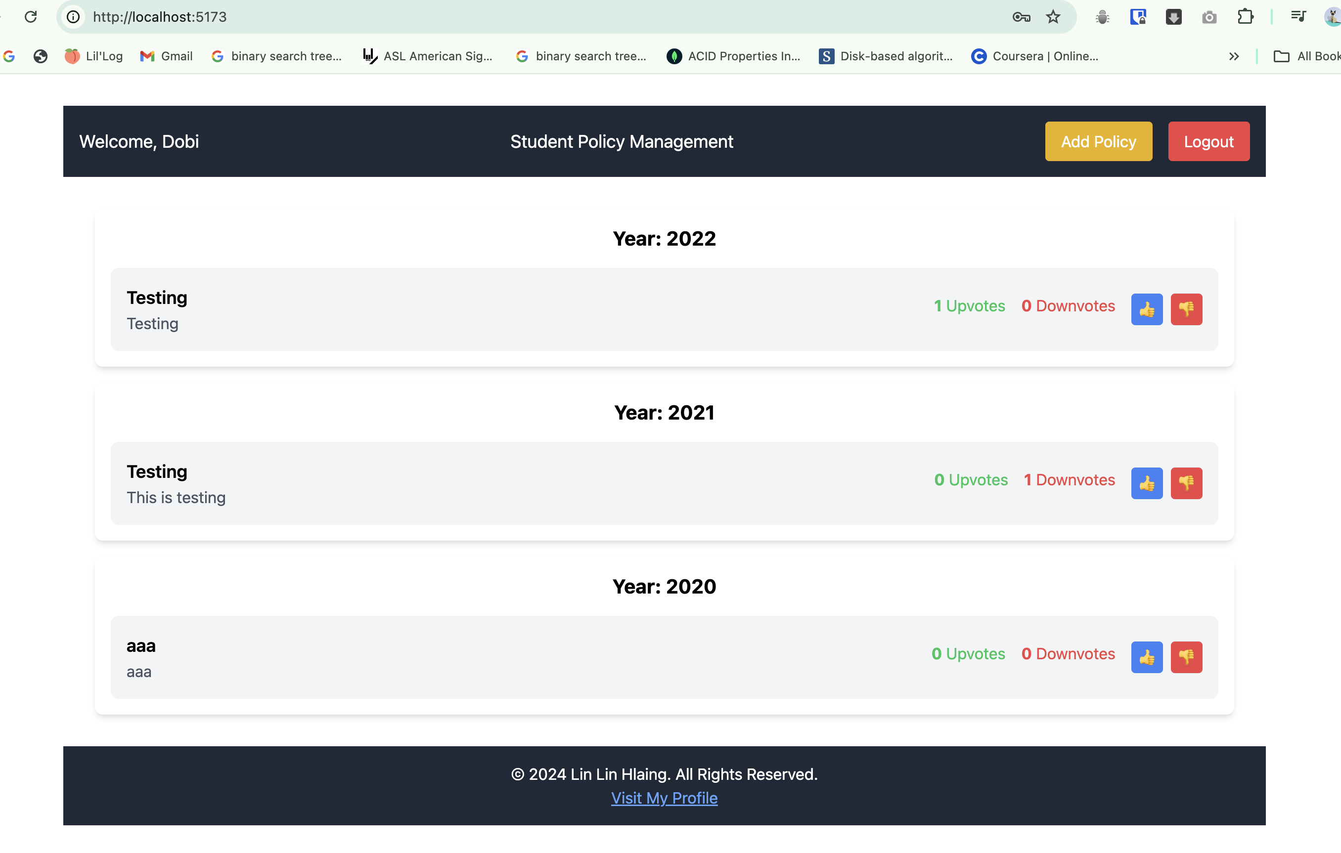

A policy can be up-voted or down-voted by users, once per policy. Guests cannot up-vote or down-vote.

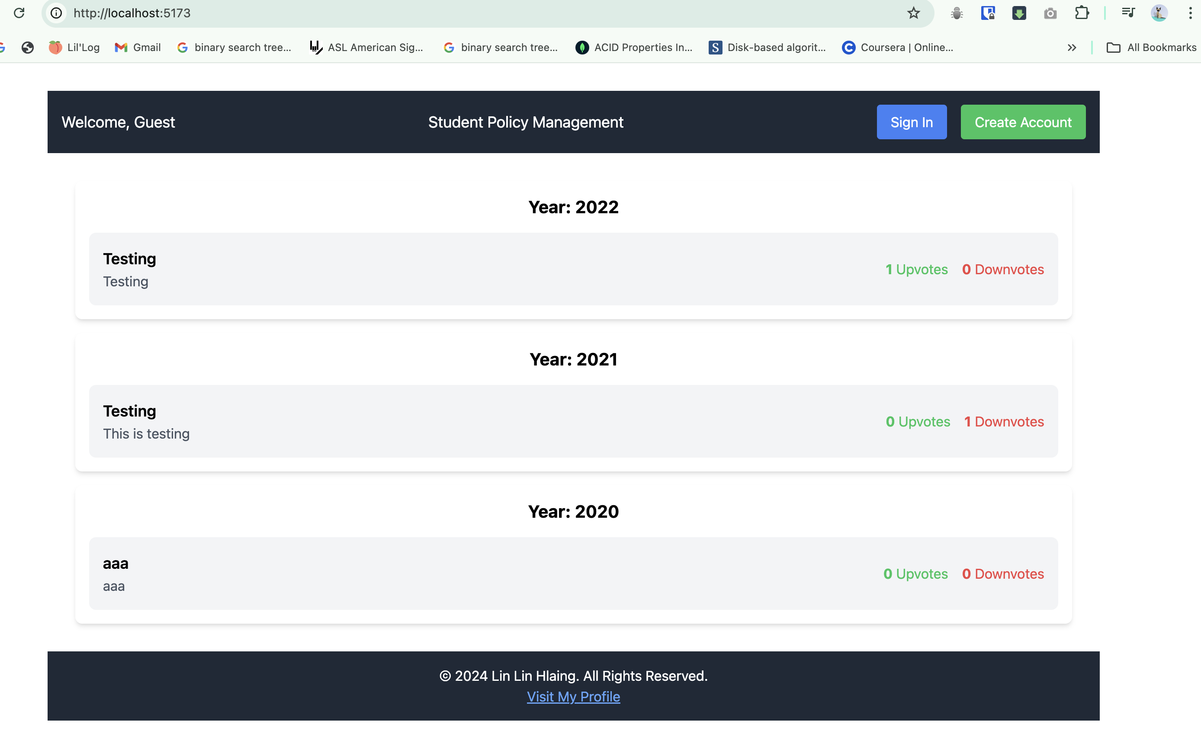

Guests cannot up-vote or down-vote. Guests can browse policies, but cannot add a new policy.

