Sheet1
2024-04-13
Vertex | attractions | 8:17:00 | 9:22:00 | 10:05:00 | 11:22:00 | 12:32:00 | 13:38:00 | 14:26:00 | 15:13:00 | 14:03:00 | 14:25:00 | Overall Average(mins)
A | Gate
W | Soaring Over the Horizon | 60 | 75 | 60 | 120 | 75 | 120 | 105 | 135 | 135 | 105 | 84
Q | Seven Dwarfs Mine Train | 50 | 75 | 105 | 135 | 120 | 135 | 135 | 135 | 135 | 135 | 68
X | Roaring Rapids | 30 | 50 | 60 | 75 | 75 | 75 | 75 | 90 | 105 | 90 | 57
T | Zootopia Hot Pursuit | 40 | 40 | 50 | 50 | 60 | 80 | 90 | 90 | 80 | 80 | 55
J | Rex’s Racer | 5 | 40 | 60 | 75 | 75 | 75 | 90 | 90 | 60 | 90 | 55
I | TRON Lightcycle Power Run – Presented by Chevrolet | 10 | 60 | 90 | 90 | 60 | 90 | 90 | 90 | 75 | 90 | 46
F | Jet Packs | 10 | 40 | 50 | 50 | 40 | 50 | 50 | 50 | 40 | 50 | 36
C | Dumbo the Flying Elephant | 5 | 40 | 50 | 60 | 40 | 40 | 40 | 40 | 40 | 40 | 34
M | Peter Pan’s Flight | 5 | 30 | 30 | 70 | 25 | 30 | 45 | 45 | 40 | 55 | 31
S | The Many Adventures Of Winnie The Pooh | 5 | 20 | 40 | 35 | 35 | 50 | 40 | 45 | 40 | 35 | 31
Y | Challenge Trails at Camp Discovery | 5 | 5 | 5 | 20 | 20 | 15 | 30 | 50 | 20 | 20 | 31
U | Explorer Canoes | null | 5 | 30 | 30 | 20 | 30 | 30 | 50 | 30 | 30 | 29
K | Slinky Dog Spin | 5 | 30 | 30 | 50 | 30 | 40 | 40 | 40 | 30 | 40 | 27
B | Fantasia Carousel | 5 | 20 | 30 | 20 | 30 | 20 | 30 | 20 | 10 | 30 | 25
V | Pirates of the Caribbean Battle for the Sunken Treasure | 5 | 30 | 60 | 50 | 50 | 60 | 55 | 55 | 30 | 30 | 24
 | Vista Trail at Camp Discovery | null | null | null | null | null | null | null | null | null | null | 22
N | Voyage to the Crystal Grotto | 5 | 20 | 30 | 40 | 30 | 40 | 40 | 30 | 30 | 30 | 22
L | Woody’s Roundup | 10 | 40 | 50 | 50 | 40 | 50 | 50 | 50 | 40 | 40 | 21
G | Stitch Encounter | null | null | null | 15 | 15 | 15 | 15 | 15 | 15 | 15 | 16
R | Hunny Pot Spin | null | 5 | 30 | 30 | 20 | 30 | 40 | 40 | 50 | 30 | 15
O | “Once Upon a Time” Adventure | 5 | 5 | 5 | 5 | 5 | 5 | 5 | 5 | 5 | 5 | 13
H | Buzz Lightyear Planet Rescue | 5 | 5 | 5 | 30 | 5 | 20 | 10 | 30 | 5 | 20 | 12
D | Become Iron Man | null | null | 5 | 20 | 5 | 20 | 10 | 10 | 5 | 5 | 12
 | TRON Realm, Chevrolet Digital Challenge | null | null | null | null | null | null | null | null | null | null | 8
 | Camp Discovery | 5 | 5 | 5 | 5 | 5 | 5 | 5 | 5 | 5 | 5 | 6
E | Marvel Universe | null | null | 5 | 5 | 5 | 5 | 5 | 5 | 5 | 5 | 6
P | Alice in Wonderland Maze | null | 5 | 5 | 5 | 5 | 5 | 5 | 5 | 5 | 5 | 6
 | Camp Discovery Excavation Site | 5 | 5 | 5 | 5 | 5 | 5 | 5 | 5 | 5 | 5 | 5
 | Selfie Spot with Disney Jungle Characters at Happy Circle | null | null | null | 20 | 20 | 5 | 30 | null | 20 | 20 | 5
 | Shipwreck Shore | null | 5 | 5 | 5 | 5 | 5 | 5 | 5 | 5 | 5 | 5
Z | Siren's Revenge | null | 5 | 5 | 5 | 5 | 5 | 5 | 5 | 5 | 5 | 5
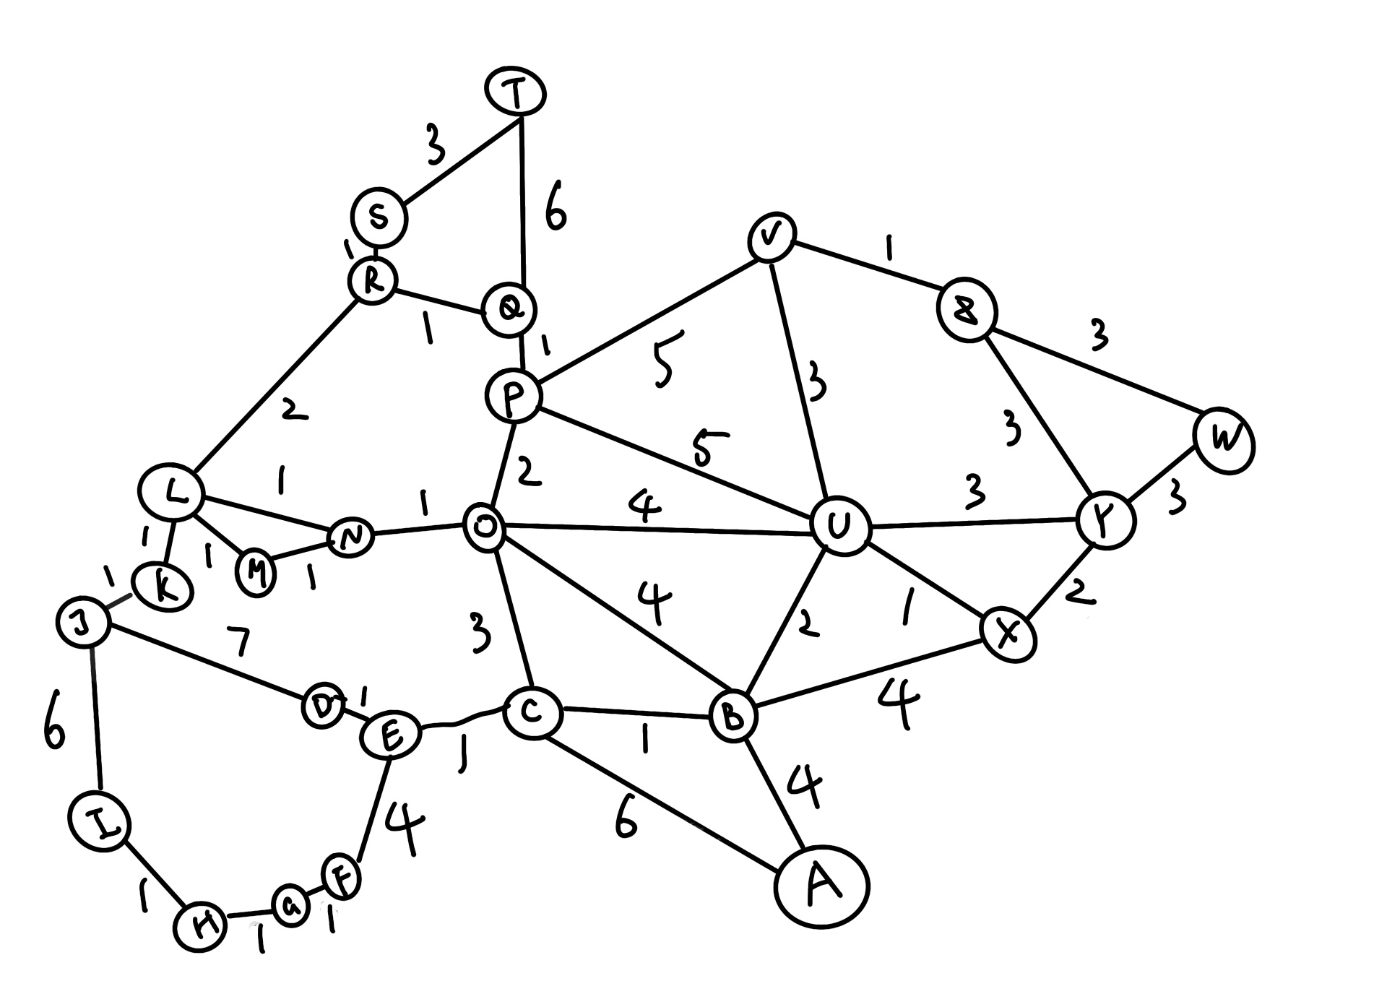

edge | weight (in mins)
AB | 4
AC | 6
BC | 1
BX | 4
BU | 2
BO | 4
CO | 3
CE | 1
DE | 1
DJ | 7
EF | 4
FG | 1
GH | 1
HI | 1
IJ | 6
JK | 1
KL | 1
LM | 1
MN | 1
LN | 1
NO | 1
OP | 2
PQ | 1
PU | 5
OU | 4
LR | 2
QR | 1
RS | 1
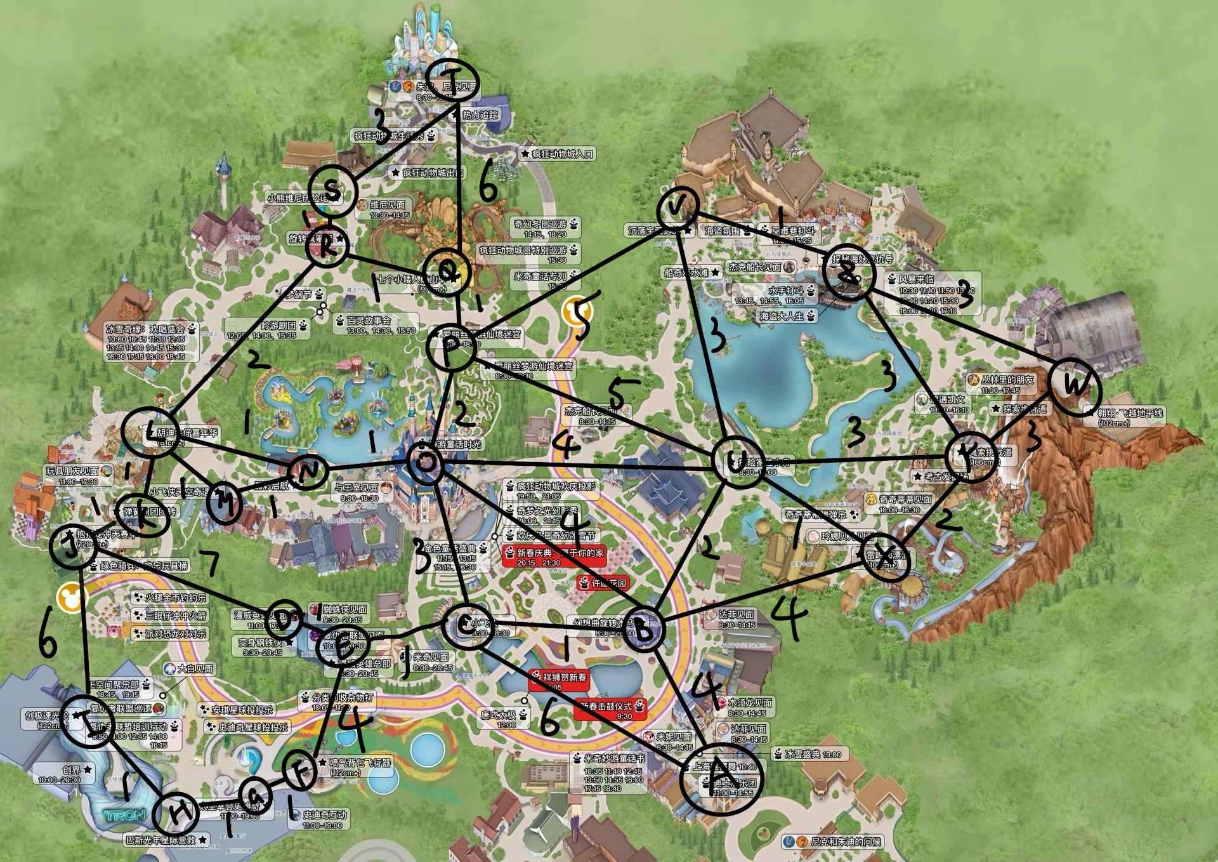
QT | 6
ST | 3
PV | 5
VU | 3
VZ | 1
ZW | 3
ZY | 3
YW | 3
XY | 2
UY | 3
UX | 1

