2027-09 September 2027
2027-09 Accelerator Workshop September 2027, United Kingdom
Images are final: cropped, colour-checked, max 1600 px (headers up to 2400 px), no EXIF data. Upload them as they are; do not crop them again in WordPress.

# | File name | Picture | Where on the page | Placement | How to show it | Size (px) | Alt text | Caption (gallery pop-up only) | Photo credit | Notes
1 | accelerator-workshop-september-2027-header.jpg | 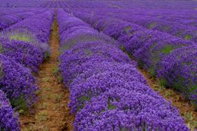 | Header (top of page) | Top of the page, under the title | Full content width, whole photo (no crop) | 2400 x 1600 | Rows of purple lavender in a field, a path of bare earth between them |  | Photo by Sue Winston on Unsplash (https://unsplash.com/photos/Hh8X0PJJ668). Show the credit under the header.
2 | accelerator-workshop-september-2027-card.jpg | 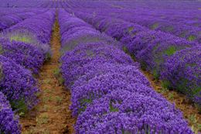 | Workshops page card | Card image on the Workshops listing page (/workshops/) | 3:2 card, cut from the header photo | 1200 x 800 | Rows of purple lavender in a field, a path of bare earth between them |  | Photo by Sue Winston on Unsplash (https://unsplash.com/photos/Hh8X0PJJ668). Show the credit under the header.

2027-05 May 2027
2027-05 Accelerator Workshop May 2027, New Mexico, United States
Images are final: cropped, colour-checked, max 1600 px (headers up to 2400 px), no EXIF data. Upload them as they are; do not crop them again in WordPress.

# | File name | Picture | Where on the page | Placement | How to show it | Size (px) | Alt text | Caption (gallery pop-up only) | Photo credit | Notes
1 | accelerator-workshop-may-2027-header.jpg | 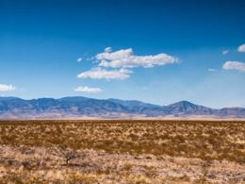 | Header (top of page) | Top of the page, under the title | Full content width, whole photo (no crop) | 2400 x 1800 | A wide open field of dry grass and shrubs, a blue mountain range on the horizon under a blue sky with white clouds |  | Photo by Raychel Sanner on Unsplash (https://unsplash.com/photos/fsP0vlPKYJ8). Show the credit under the header.
2 | accelerator-workshop-may-2027-card.jpg | 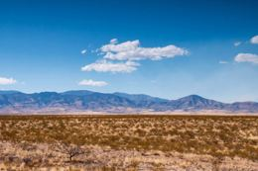 | Workshops page card | Card image on the Workshops listing page (/workshops/) | 3:2 card, cut from the header photo | 1200 x 800 | A wide open field of dry grass and shrubs, a blue mountain range on the horizon under a blue sky with white clouds |  | Photo by Raychel Sanner on Unsplash (https://unsplash.com/photos/fsP0vlPKYJ8). Show the credit under the header.

2027-01 January 2027
2027-01 Accelerator Workshop January 2027, Costa Rica
Images are final: cropped, colour-checked, max 1600 px (headers up to 2400 px), no EXIF data. Upload them as they are; do not crop them again in WordPress.

# | File name | Picture | Where on the page | Placement | How to show it | Size (px) | Alt text | Caption (gallery pop-up only) | Photo credit | Notes
1 | accelerator-workshop-january-2027-header.jpg | 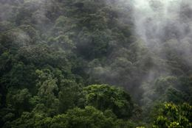 | Header (top of page) | Top of the page, under the title | Full content width, whole photo (no crop) | 2400 x 1602 | Mist drifting over dense green rainforest on a mountainside |  | Photo by Christina Victoria Craft on Unsplash (https://unsplash.com/photos/bjVoK4pDMj4). Show the credit under the header.
2 | accelerator-workshop-january-2027-card.jpg |  | Workshops page card | Card image on the Workshops listing page (/workshops/) | 3:2 card, cut from the header photo | 1200 x 800 | Mist drifting over dense green rainforest on a mountainside |  | Photo by Christina Victoria Craft on Unsplash (https://unsplash.com/photos/bjVoK4pDMj4). Show the credit under the header.

2026-10 October 2026
2026-10 Accelerator Workshop October 2026, Tamil Nadu, India
Images are final: cropped, colour-checked, max 1600 px (headers up to 2400 px), no EXIF data. Upload them as they are; do not crop them again in WordPress.

# | File name | Picture | Where on the page | Placement | How to show it | Size (px) | Alt text | Caption (gallery pop-up only) | Photo credit | Notes
1 | accelerator-workshop-october-2026-header-1.jpg |  | Header (top of page) | Left | Two photos side by side at the same height, together as one horizontal header | 1920 x 2400 | A giant black statue of a face with a crescent moon, above a wide plaza with visitors, hills behind
2 | accelerator-workshop-october-2026-header-2.jpg |  | Header (top of page) | Right | Two photos side by side at the same height, together as one horizontal header | 1920 x 2400 | People bathing in a large stone-walled pool under a tiled roof, a red curtain on one side
3 | accelerator-workshop-october-2026-header-3.jpg |  | Header (top of page) | Right | Two photos side by side at the same height, together as one horizontal header | 1920 x 2400 | A plate of South Indian food: vegetables, red rice, yellow rice, dal in steel bowls, peanuts and slices of watermelon
4 | accelerator-workshop-october-2026-header-4.jpg |  | Header (top of page) | Right | Two photos side by side at the same height, together as one horizontal header | 1920 x 2400 | A simple room with two low beds, an orange wall, a white door and a tall white cupboard
5 | accelerator-workshop-october-2026-card.jpg |  | Workshops page card | Card image on the Workshops listing page (/workshops/) | 3:2 card, cut from the header photo | 1200 x 800 | A giant black statue of a face with a crescent moon on its head, against a pale sky

2026-06 June 2026
2026-06 Accelerator Workshop June 2026, Norfolk, United Kingdom
Images are final: cropped, colour-checked, max 1600 px (headers up to 2400 px), no EXIF data. Upload them as they are; do not crop them again in WordPress.

# | File name | Picture | Where on the page | Placement | How to show it | Size (px) | Alt text | Caption (gallery pop-up only) | Photo credit | Notes
1 | accelerator-workshop-june-2026-header-1.jpg |  | Header (top of page) | Left | Two photos side by side at the same height, together as one horizontal header | 1190 x 1263 | Five people standing around a tall wire compost cage topped with green material and flowers, in a barn
2 | accelerator-workshop-june-2026-header-2.jpg | 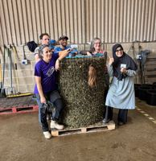 | Header (top of page) | Right | Two photos side by side at the same height, together as one horizontal header | 1188 x 1222 | Four people posing with a wire compost cage on a pallet, in a barn
3 | accelerator-workshop-june-2026-card.jpg | 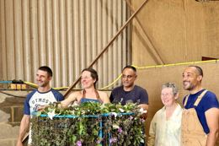 | Workshops page card | Card image on the Workshops listing page (/workshops/) | 3:2 card, cut from the header photo | 1200 x 800 | Five people standing around a tall wire compost cage packed with green material, in a barn

2026-02 February 2026
2026-02 Accelerator Workshop February 2026, Santa Fe, United States
Images are final: cropped, colour-checked, max 1600 px (headers up to 2400 px), no EXIF data. Upload them as they are; do not crop them again in WordPress.

# | File name | Picture | Where on the page | Placement | How to show it | Size (px) | Alt text | Caption (gallery pop-up only) | Photo credit | Notes
1 | accelerator-workshop-february-2026-header.jpg |  | Header (top of page) | Top of the page, under the title | Full content width, whole photo (no crop) | 2400 x 1350 | Workshop participants in caps and hats gathered around open blue barrels, inspecting the feedstock inside
2 | accelerator-workshop-february-2026-card.jpg | 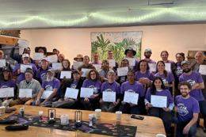 | Workshops page card | Card image on the Workshops listing page (/workshops/) | 3:2 card, cut from the header photo | 1200 x 800 | Workshop graduates in purple T-shirts holding certificates, gathered behind a long table indoors
3 | accelerator-workshop-february-2026-text-01.jpg |  | In the text | At the end of the section "What students did", photo 1 of 2 in the row | Row of 2 photos side by side at the same height, whole photos | 1600 x 900 | A large group of participants standing outdoors between juniper bushes and hoop houses, with mountains behind
4 | accelerator-workshop-february-2026-text-02.jpg |  | In the text | At the end of the section "What students did", photo 2 of 2 in the row | Row of 2 photos side by side at the same height, whole photos | 1600 x 900 | Workshop graduates in purple T-shirts holding certificates, gathered behind a long table indoors
5 | accelerator-workshop-february-2026-text-03.jpg |  | In the text | At the end of the section "The first workshop without Dr. Elaine", photo 1 of 2 in the row | Row of 2 photos side by side at the same height, whole photos | 1600 x 900 | Six mentors in purple T-shirts standing arm in arm indoors
6 | accelerator-workshop-february-2026-text-04.jpg |  | In the text | At the end of the section "The first workshop without Dr. Elaine", photo 2 of 2 in the row | Row of 2 photos side by side at the same height, whole photos | 1600 x 900 | People sitting around a fire pit outdoors
7 | accelerator-workshop-february-2026-gallery-01-ranch.jpg | 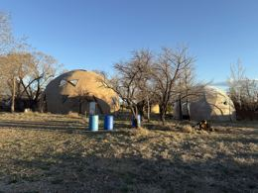 | Gallery (bottom of page) | Photo 1 of 22, under the heading "Photos from the workshop" | Justified grid of whole photos; click opens the full photo with its caption | 1600 x 1200 | Two tan adobe domes among bare cottonwood trees, with blue drums and a clear blue sky | Synergia Ranch, our home for the two weeks
8 | accelerator-workshop-february-2026-gallery-02-baby-goat.jpg |  | Gallery (bottom of page) | Photo 2 of 22, under the heading "Photos from the workshop" | Justified grid of whole photos; click opens the full photo with its caption | 1600 x 900 | A baby goat lying in dry grass next to a sheep | A new friend at the ranch
9 | accelerator-workshop-february-2026-gallery-03-classroom.jpg |  | Gallery (bottom of page) | Photo 3 of 22, under the heading "Photos from the workshop" | Justified grid of whole photos; click opens the full photo with its caption | 1600 x 900 | A full classroom seen from the back: long tables, a wooden beam ceiling and many students with laptops | A full classroom
10 | accelerator-workshop-february-2026-gallery-04-instructor-at-whiteboard.jpg | 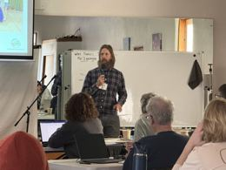 | Gallery (bottom of page) | Photo 4 of 22, under the heading "Photos from the workshop" | Justified grid of whole photos; click opens the full photo with its caption | 1600 x 1200 | An instructor in a plaid shirt speaking into a microphone in front of a whiteboard | Class in session
11 | accelerator-workshop-february-2026-gallery-05-instructor-outdoors.jpg |  | Gallery (bottom of page) | Photo 5 of 22, under the heading "Photos from the workshop" | Justified grid of whole photos; click opens the full photo with its caption | 900 x 1600 | An instructor in a rust fleece speaking outdoors, with a shed and a hoop house behind him | Teaching outdoors
12 | accelerator-workshop-february-2026-gallery-06-class-walking.jpg | 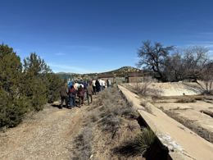 | Gallery (bottom of page) | Photo 6 of 22, under the heading "Photos from the workshop" | Justified grid of whole photos; click opens the full photo with its caption | 1600 x 1200 | The class walking in a line along a dirt path through dry scrub | Off on a walk across the ranch
13 | accelerator-workshop-february-2026-gallery-07-inspecting-feedstock.jpg |  | Gallery (bottom of page) | Photo 7 of 22, under the heading "Photos from the workshop" | Justified grid of whole photos; click opens the full photo with its caption | 1600 x 900 | A woman in a red jacket reaching into a blue drum of dry feedstock, with students in green caps around her | Getting hands-on with feedstock
14 | accelerator-workshop-february-2026-gallery-08-students-at-feedstock-drums.jpg |  | Gallery (bottom of page) | Photo 8 of 22, under the heading "Photos from the workshop" | Justified grid of whole photos; click opens the full photo with its caption | 900 x 1100 | Students crouched and kneeling at blue drums of feedstock, with shade structures behind | Inspecting feedstock together
15 | accelerator-workshop-february-2026-gallery-09-feedstock-from-above.jpg |  | Gallery (bottom of page) | Photo 9 of 22, under the heading "Photos from the workshop" | Justified grid of whole photos; click opens the full photo with its caption | 1600 x 900 | Blue drums of dry stems seen from above, a hand reaching in and a person in a straw hat | Feedstock, up close
16 | accelerator-workshop-february-2026-gallery-10-aged-wood-chips.jpg | 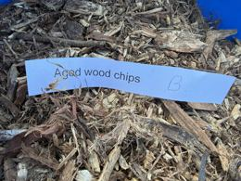 | Gallery (bottom of page) | Photo 10 of 22, under the heading "Photos from the workshop" | Justified grid of whole photos; click opens the full photo with its caption | 1600 x 1200 | A pile of aged wood chips with a blue label reading "Aged wood chips" | Aged wood chips, ready for the pile
17 | accelerator-workshop-february-2026-gallery-11-alfalfa-cubes.jpg | 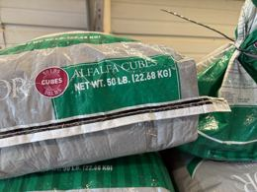 | Gallery (bottom of page) | Photo 11 of 22, under the heading "Photos from the workshop" | Justified grid of whole photos; click opens the full photo with its caption | 1600 x 1200 | A sack labeled "Alfalfa Cubes, net wt. 50 lb" | Alfalfa cubes for the compost recipe
18 | accelerator-workshop-february-2026-gallery-12-feedstock-buckets.jpg |  | Gallery (bottom of page) | Photo 12 of 22, under the heading "Photos from the workshop" | Justified grid of whole photos; click opens the full photo with its caption | 1600 x 900 | Rows of blue buckets of dark feedstock, with a hoop house and a hill behind | Feedstocks lined up for pile building
19 | accelerator-workshop-february-2026-gallery-13-thermometer-in-hay-bale.jpg |  | Gallery (bottom of page) | Photo 13 of 22, under the heading "Photos from the workshop" | Justified grid of whole photos; click opens the full photo with its caption | 1200 x 1600 | A long-stem compost thermometer and a sun hat on a hay bale | The compost thermometer, always close at hand
20 | accelerator-workshop-february-2026-gallery-14-class-in-hoop-house.jpg | 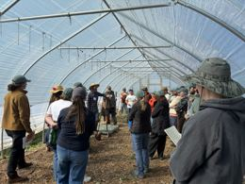 | Gallery (bottom of page) | Photo 14 of 22, under the heading "Photos from the workshop" | Justified grid of whole photos; click opens the full photo with its caption | 1600 x 1200 | Students in caps and wide hats standing close together inside a hoop house, listening | Listening in the hoop house
21 | accelerator-workshop-february-2026-gallery-15-insulated-compost-pile.jpg |  | Gallery (bottom of page) | Photo 15 of 22, under the heading "Photos from the workshop" | Justified grid of whole photos; click opens the full photo with its caption | 1200 x 1600 | A woody compost pile in a hoop house, its base wrapped in reflective insulation | A pile wrapped up against the winter cold
22 | accelerator-workshop-february-2026-gallery-16-compost-row-in-hoop-house.jpg |  | Gallery (bottom of page) | Photo 16 of 22, under the heading "Photos from the workshop" | Justified grid of whole photos; click opens the full photo with its caption | 1200 x 1600 | The inside of a hoop house with a long row of dark compost | A long row of compost in the hoop house
23 | accelerator-workshop-february-2026-gallery-17-worm-bin.jpg |  | Gallery (bottom of page) | Photo 17 of 22, under the heading "Photos from the workshop" | Justified grid of whole photos; click opens the full photo with its caption | 1200 x 1600 | A wooden worm bin full of vermicompost under hanging lights | The worm bin
24 | accelerator-workshop-february-2026-gallery-18-microscopy-lab.jpg | 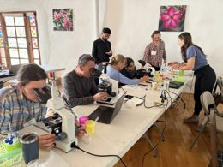 | Gallery (bottom of page) | Photo 18 of 22, under the heading "Photos from the workshop" | Justified grid of whole photos; click opens the full photo with its caption | 1600 x 1200 | A microscopy lab: students at white microscopes and laptops while mentors point things out | The microscopy lab in full swing
25 | accelerator-workshop-february-2026-gallery-19-at-the-microscope.jpg |  | Gallery (bottom of page) | Photo 19 of 22, under the heading "Photos from the workshop" | Justified grid of whole photos; click opens the full photo with its caption | 1600 x 900 | A woman looking into a microscope, with a mentor in a plaid shirt behind her | Looking closely, with a mentor nearby
26 | accelerator-workshop-february-2026-gallery-20-mentor-with-microscopes.jpg |  | Gallery (bottom of page) | Photo 20 of 22, under the heading "Photos from the workshop" | Justified grid of whole photos; click opens the full photo with its caption | 1200 x 1600 | A white-bearded mentor smiling beside a row of microscopes | One of our mentors, all smiles at the microscopes
27 | accelerator-workshop-february-2026-gallery-21-caps.jpg |  | Gallery (bottom of page) | Photo 21 of 22, under the heading "Photos from the workshop" | Justified grid of whole photos; click opens the full photo with its caption | 1600 x 900 | Dark green Soil Food Web caps on a table | Workshop caps, ready to wear
28 | accelerator-workshop-february-2026-gallery-22-certificate.jpg |  | Gallery (bottom of page) | Photo 22 of 22, under the heading "Photos from the workshop" | Justified grid of whole photos; click opens the full photo with its caption | 1600 x 900 | Two people in an adobe room, one holding a graduation certificate | A proud graduate

2025-10 October 2025
2025-10 Accelerator Workshop October 2025, Área Metropolitana de San José, Costa Rica
Images are final: cropped, colour-checked, max 1600 px (headers up to 2400 px), no EXIF data. Upload them as they are; do not crop them again in WordPress.

# | File name | Picture | Where on the page | Placement | How to show it | Size (px) | Alt text | Caption (gallery pop-up only) | Photo credit | Notes
1 | accelerator-workshop-october-2025-header.jpg | 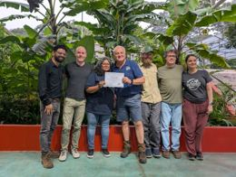 | Header (top of page) | Top of the page, under the title | Full content width, whole photo (no crop) | 2400 x 1807 | Eight people standing in front of tropical plants, one of them holding up a certificate
2 | accelerator-workshop-october-2025-card.jpg | 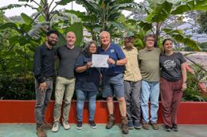 | Workshops page card | Card image on the Workshops listing page (/workshops/) | 3:2 card, cut from the header photo | 1200 x 800 | Eight people standing in front of tropical plants, one of them holding up a certificate
3 | accelerator-workshop-october-2025-text-01.jpg | 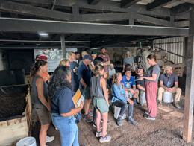 | In the text | At the end of the section "What students did", on its own | Full text width | 1600 x 1205 | Participants sitting on white buckets and standing in a circle under a covered shed, listening to a man in a leather hat
4 | accelerator-workshop-october-2025-gallery-01-room-set-up.jpg |  | Gallery (bottom of page) | Photo 1 of 25, under the heading "Photos from the workshop" | Justified grid of whole photos; click opens the full photo with its caption | 1112 x 1483 | The lecture room set up before day one: long wooden tables with a bagged lab kit and a "Group A" name card at each seat, orange walls | The room ready for day one
5 | accelerator-workshop-october-2025-gallery-02-lab-kit.jpg | 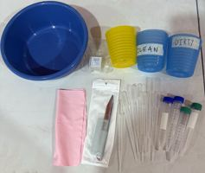 | Gallery (bottom of page) | Photo 2 of 25, under the heading "Photos from the workshop" | Justified grid of whole photos; click opens the full photo with its caption | 1600 x 1350 | A student lab kit: a blue washing bowl, a yellow cup, blue cups labeled "clean" and "dirty", cover glass, tweezers and slides, a pink cloth, transfer pipettes and sample tubes | Each student's lab kit
6 | accelerator-workshop-october-2025-gallery-03-opening-day.jpg | 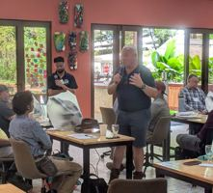 | Gallery (bottom of page) | Photo 3 of 25, under the heading "Photos from the workshop" | Justified grid of whole photos; click opens the full photo with its caption | 1600 x 1450 | Speakers with microphones at the front of the lecture room, carved masks on the orange wall, students at their desks | Opening day
7 | accelerator-workshop-october-2025-gallery-04-teaching-in-the-shed.jpg | 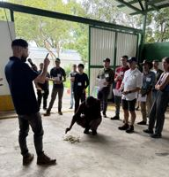 | Gallery (bottom of page) | Photo 4 of 25, under the heading "Photos from the workshop" | Justified grid of whole photos; click opens the full photo with its caption | 1064 x 1109 | An instructor with a microphone teaching in the shed, the class standing in a semicircle and a man crouching at a pile of material | Teaching in the shed
8 | accelerator-workshop-october-2025-gallery-05-sorting-feedstock.jpg |  | Gallery (bottom of page) | Photo 5 of 25, under the heading "Photos from the workshop" | Justified grid of whole photos; click opens the full photo with its caption | 1200 x 1296 | Students bent over buckets and sacks of green and dry feedstock, sorting it by hand | Sorting feedstock by hand
9 | accelerator-workshop-october-2025-gallery-06-teams-at-work.jpg | 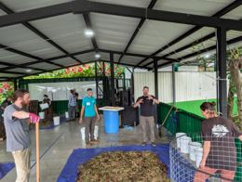 | Gallery (bottom of page) | Photo 6 of 25, under the heading "Photos from the workshop" | Justified grid of whole photos; click opens the full photo with its caption | 1600 x 1205 | Teams in the shed sweeping, shoveling and mixing feedstock on blue tarps, with white buckets, wire bins and pink flowers on the wall | Teams hard at work in the shed
10 | accelerator-workshop-october-2025-gallery-07-at-the-bin.jpg | 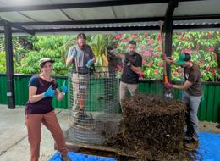 | Gallery (bottom of page) | Photo 7 of 25, under the heading "Photos from the workshop" | Justified grid of whole photos; click opens the full photo with its caption | 1600 x 1171 | A team at a tall wire mesh bin with a heap of woody feedstock: a woman in a cap and blue gloves smiling, a man with a pitchfork, pink flowering vines behind | All smiles at the compost bin
11 | accelerator-workshop-october-2025-gallery-08-lifting-the-tarp.jpg | 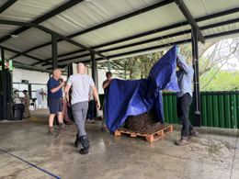 | Gallery (bottom of page) | Photo 8 of 25, under the heading "Photos from the workshop" | Justified grid of whole photos; click opens the full photo with its caption | 1600 x 1200 | Students lifting a blue tarp off a compost pile on a pallet | Lifting the tarp to check the pile
12 | accelerator-workshop-october-2025-gallery-09-pile-building.jpg | 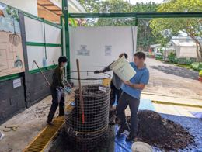 | Gallery (bottom of page) | Photo 9 of 25, under the heading "Photos from the workshop" | Justified grid of whole photos; click opens the full photo with its caption | 1600 x 1205 | Students building a pile in a wire mesh bin: a man in a blue shirt pouring a white bucket while another student guides it, feedstock signs on the white wall | Building a pile, bucket by bucket
13 | accelerator-workshop-october-2025-gallery-10-wide-shed.jpg | 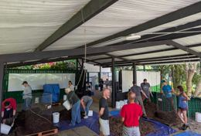 | Gallery (bottom of page) | Photo 10 of 25, under the heading "Photos from the workshop" | Justified grid of whole photos; click opens the full photo with its caption | 1600 x 1081 | A wide view of the open shed with several teams building piles at once | Every team building at once
14 | accelerator-workshop-october-2025-gallery-11-banner-and-bin.jpg |  | Gallery (bottom of page) | Photo 11 of 25, under the heading "Photos from the workshop" | Justified grid of whole photos; click opens the full photo with its caption | 1200 x 1600 | Three men behind a wire mesh compost bin under a green banner reading "Un suelo sano no es solo tierra, es un universo microscópico que sostiene la vida" | Healthy soil is not just dirt, it is a microscopic universe that sustains life
15 | accelerator-workshop-october-2025-gallery-12-laughing-at-the-bin.jpg |  | Gallery (bottom of page) | Photo 12 of 25, under the heading "Photos from the workshop" | Justified grid of whole photos; click opens the full photo with its caption | 1200 x 1600 | Five men laughing around a wire mesh compost bin, pink flowering vines behind | Laughter at the compost bin
16 | accelerator-workshop-october-2025-gallery-13-class-on-the-lawn.jpg | 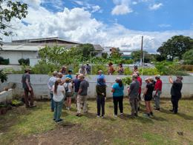 | Gallery (bottom of page) | Photo 13 of 25, under the heading "Photos from the workshop" | Justified grid of whole photos; click opens the full photo with its caption | 1600 x 1205 | The class on a lawn by a low white wall, under a blue sky with big white clouds | Class out on the lawn
17 | accelerator-workshop-october-2025-gallery-14-under-the-big-tree.jpg | 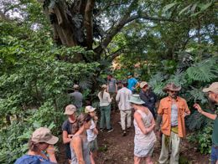 | Gallery (bottom of page) | Photo 14 of 25, under the heading "Photos from the workshop" | Justified grid of whole photos; click opens the full photo with its caption | 1600 x 1205 | The class standing under a huge tree in dense tropical forest | Under the big tree in the forest
18 | accelerator-workshop-october-2025-gallery-15-compost-tea-brew.jpg |  | Gallery (bottom of page) | Photo 15 of 25, under the heading "Photos from the workshop" | Justified grid of whole photos; click opens the full photo with its caption | 1205 x 1600 | A blue tub with a white frothy mass of foam over a bucket, tubing in place | Compost tea, brewing up a froth
19 | accelerator-workshop-october-2025-gallery-16-nematode-extraction-demo.jpg | 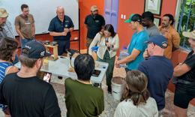 | Gallery (bottom of page) | Photo 16 of 25, under the heading "Photos from the workshop" | Justified grid of whole photos; click opens the full photo with its caption | 1600 x 962 | A nematode extraction demonstration: a woman with a microphone at a table of funnels with yellow tubing on wooden stands, a mentor in a navy shirt behind her and about 20 students watching | The nematode extraction demonstration
20 | accelerator-workshop-october-2025-gallery-17-temperature-curve-slide.jpg | 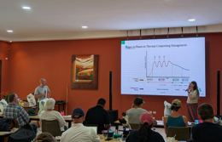 | Gallery (bottom of page) | Photo 17 of 25, under the heading "Photos from the workshop" | Justified grid of whole photos; click opens the full photo with its caption | 1600 x 1029 | A projected slide of a temperature curve for thermal compost management, beside a picture on the orange wall | Reading the temperature curve of a compost pile
21 | accelerator-workshop-october-2025-gallery-18-live-microscope-view.jpg | 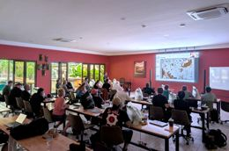 | Gallery (bottom of page) | Photo 18 of 25, under the heading "Photos from the workshop" | Justified grid of whole photos; click opens the full photo with its caption | 1600 x 1057 | The whole class watching a live microscope view projected on the screen, the instructor by the screen, carved masks on the red wall and glass doors open to tropical plants | Everyone watching a live microscope view
22 | accelerator-workshop-october-2025-gallery-19-holding-up-a-sample.jpg |  | Gallery (bottom of page) | Photo 19 of 25, under the heading "Photos from the workshop" | Justified grid of whole photos; click opens the full photo with its caption | 1200 x 1600 | A woman in a yellow top smiling and holding up a sample while another student works at a white microscope | Holding up a sample
23 | accelerator-workshop-october-2025-gallery-20-supply-shelf.jpg | 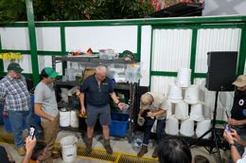 | Gallery (bottom of page) | Photo 20 of 25, under the heading "Photos from the workshop" | Justified grid of whole photos; click opens the full photo with its caption | 1600 x 1056 | A mentor in a navy shirt at a shelf of supplies and stacked white buckets, students in green caps watching | At the supply shelf with our mentor
24 | accelerator-workshop-october-2025-gallery-21-carved-masks.jpg |  | Gallery (bottom of page) | Photo 21 of 25, under the heading "Photos from the workshop" | Justified grid of whole photos; click opens the full photo with its caption | 1316 x 1600 | Six carved and painted wooden masks on an orange wall: a toucan, a scarlet macaw, a red-eyed tree frog, an iguana, jaguars and a horned mask in the center | The carved masks on the classroom wall
25 | accelerator-workshop-october-2025-gallery-22-bucket-circle.jpg | 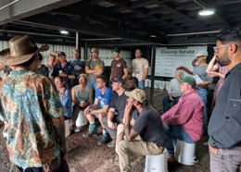 | Gallery (bottom of page) | Photo 22 of 25, under the heading "Photos from the workshop" | Justified grid of whole photos; click opens the full photo with its caption | 1600 x 1145 | The class seated on white buckets in a circle under the covered shed, listening to a man in a leather hat | Gathered on buckets in the compost shed
26 | accelerator-workshop-october-2025-gallery-23-arms-up-at-the-pile.jpg | 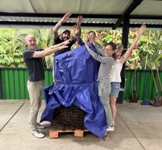 | Gallery (bottom of page) | Photo 23 of 25, under the heading "Photos from the workshop" | Justified grid of whole photos; click opens the full photo with its caption | 1600 x 1472 | People raising their arms around a compost pile covered in a blue tarp, tropical plants behind | Arms up around the pile
27 | accelerator-workshop-october-2025-gallery-24-farm-team.jpg | 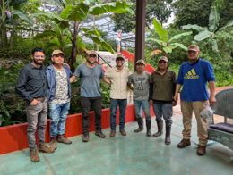 | Gallery (bottom of page) | Photo 24 of 25, under the heading "Photos from the workshop" | Justified grid of whole photos; click opens the full photo with its caption | 1600 x 1205 | About eight men, several in rubber boots and caps, standing in a row in front of tropical plants and a red wall | With the Armonía farm team
28 | accelerator-workshop-october-2025-gallery-25-certificate.jpg |  | Gallery (bottom of page) | Photo 25 of 25, under the heading "Photos from the workshop" | Justified grid of whole photos; click opens the full photo with its caption | 1018 x 1203 | Two men holding a certificate in front of banana plants | Certificate in hand

2025-06 June 2025
2025-06 Accelerator Workshop June 2025, Norfolk, United Kingdom
Images are final: cropped, colour-checked, max 1600 px (headers up to 2400 px), no EXIF data. Upload them as they are; do not crop them again in WordPress.

# | File name | Picture | Where on the page | Placement | How to show it | Size (px) | Alt text | Caption (gallery pop-up only) | Photo credit | Notes
1 | accelerator-workshop-june-2025-header.jpg |  | Header (top of page) | Top of the page, under the title | Full content width, whole photo (no crop) | 2400 x 1200 | Eleven students and mentors standing in a loose row in a green clover field, several in wide sun hats, some holding coffee cups and a clipboard, a drone flying overhead, rolling Norfolk fields and hedgerows behind, pale blue sky
2 | accelerator-workshop-june-2025-card.jpg | 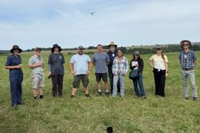 | Workshops page card | Card image on the Workshops listing page (/workshops/) | 3:2 card, cut from the header photo | 1200 x 800 | Eleven students and mentors standing in a loose row in a green clover field, several in wide sun hats, a drone flying overhead, Norfolk fields and hedgerows behind
3 | accelerator-workshop-june-2025-text-01.jpg | 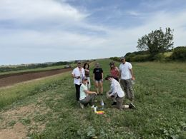 | In the text | At the end of the section "What the workshop was for", photo 1 of 2 in the row | Row of 2 photos side by side at the same height, whole photos | 1600 x 1200 | A group in grey T-shirts standing in long grass under trees, listening to a man in a cap
4 | accelerator-workshop-june-2025-text-02.jpg |  | In the text | At the end of the section "What the workshop was for", photo 2 of 2 in the row | Row of 2 photos side by side at the same height, whole photos | 1200 x 1600 | Two men examining a wooden stand that holds a filter bag over a table
5 | accelerator-workshop-june-2025-text-03.jpg |  | In the text | At the end of the section "What students did", on its own | Full text width | 1600 x 900 | Participants seated at round tables in a barn, facing two screens
6 | accelerator-workshop-june-2025-gallery-01-hay-feedstock.jpg | 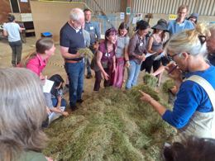 | Gallery (bottom of page) | Photo 1 of 25, under the heading "Photos from the workshop" | Justified grid of whole photos; click opens the full photo with its caption | 1600 x 1200 | Students crowded around a heap of hay feedstock in the barn, reaching in to feel it, instructor in the middle | Getting hands-on with the hay feedstock
7 | accelerator-workshop-june-2025-gallery-02-lecture-in-the-barn.jpg | 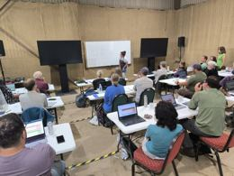 | Gallery (bottom of page) | Photo 2 of 25, under the heading "Photos from the workshop" | Justified grid of whole photos; click opens the full photo with its caption | 1600 x 1200 | Lecture in the barn: students at tables with laptops facing two large screens and a whiteboard | Morning lectures in the barn
8 | accelerator-workshop-june-2025-gallery-03-thermometer-lesson.jpg |  | Gallery (bottom of page) | Photo 3 of 25, under the heading "Photos from the workshop" | Justified grid of whole photos; click opens the full photo with its caption | 1219 x 1600 | Instructor holding up a long compost thermometer, class standing in a semicircle behind with notebooks | Learning to read the compost thermometer
9 | accelerator-workshop-june-2025-gallery-04-tarp-demonstration.jpg | 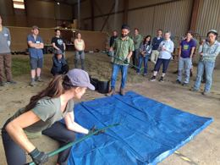 | Gallery (bottom of page) | Photo 4 of 25, under the heading "Photos from the workshop" | Justified grid of whole photos; click opens the full photo with its caption | 1600 x 1200 | Instructor demonstrating on a blue tarp with feedstock and black buckets, class watching in a circle, a student kneeling on the tarp | Gathered round for a demonstration on the tarp
10 | accelerator-workshop-june-2025-gallery-05-telehandler.jpg |  | Gallery (bottom of page) | Photo 5 of 25, under the heading "Photos from the workshop" | Justified grid of whole photos; click opens the full photo with its caption | 1200 x 1600 | Green telehandler tipping a bucket of fresh grass onto the feedstock heap inside the barn | Fresh grass arriving for the piles
11 | accelerator-workshop-june-2025-gallery-06-sorting-hay.jpg | 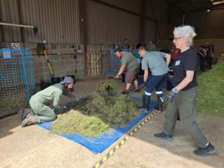 | Gallery (bottom of page) | Photo 6 of 25, under the heading "Photos from the workshop" | Justified grid of whole photos; click opens the full photo with its caption | 1600 x 1200 | Students kneeling and sorting hay on a blue tarp, a woman with white hair forking | Sorting the hay together
12 | accelerator-workshop-june-2025-gallery-07-filling-the-bin.jpg |  | Gallery (bottom of page) | Photo 7 of 25, under the heading "Photos from the workshop" | Justified grid of whole photos; click opens the full photo with its caption | 1127 x 1600 | Smiling team around a wire mesh bin they are filling | All smiles while filling the bin
13 | accelerator-workshop-june-2025-gallery-08-scooping-compost.jpg |  | Gallery (bottom of page) | Photo 8 of 25, under the heading "Photos from the workshop" | Justified grid of whole photos; click opens the full photo with its caption | 1140 x 1600 | Two students crouching to scoop compost into a black bucket at the base of a wire mesh bin | Scooping compost from the base of the bin
14 | accelerator-workshop-june-2025-gallery-09-arms-up-at-the-pile.jpg |  | Gallery (bottom of page) | Photo 9 of 25, under the heading "Photos from the workshop" | Justified grid of whole photos; click opens the full photo with its caption | 1522 x 1600 | Team with arms raised beside their finished compost pile in a tall blue wire mesh bin | Arms up beside our finished pile
15 | accelerator-workshop-june-2025-gallery-10-sampling.jpg |  | Gallery (bottom of page) | Photo 10 of 25, under the heading "Photos from the workshop" | Justified grid of whole photos; click opens the full photo with its caption | 1200 x 1600 | Student filling a sample bag from a bucket of compost, Nick Padwick beside her, students watching | Taking a compost sample with Nick Padwick
16 | accelerator-workshop-june-2025-gallery-11-compost-tea-brewer.jpg |  | Gallery (bottom of page) | Photo 11 of 25, under the heading "Photos from the workshop" | Justified grid of whole photos; click opens the full photo with its caption | 1200 x 1600 | Instructor lowering a stainless steel compost tea brewer basket into a tub, class watching in the open barn | Starting a compost tea brew
17 | accelerator-workshop-june-2025-gallery-12-windrow-turner.jpg |  | Gallery (bottom of page) | Photo 12 of 25, under the heading "Photos from the workshop" | Justified grid of whole photos; click opens the full photo with its caption | 1408 x 1600 | Green tractor-drawn windrow turner straddling a long windrow in a field, water tank on the tractor, blue sky | The windrow turner at work
18 | accelerator-workshop-june-2025-gallery-13-at-the-turner.jpg |  | Gallery (bottom of page) | Photo 13 of 25, under the heading "Photos from the workshop" | Justified grid of whole photos; click opens the full photo with its caption | 1200 x 1600 | Nick Padwick and students leaning in to feel compost at the windrow turner, blue sky | Feeling the compost at the turner
19 | accelerator-workshop-june-2025-gallery-14-woody-compost-mound.jpg |  | Gallery (bottom of page) | Photo 14 of 25, under the heading "Photos from the workshop" | Justified grid of whole photos; click opens the full photo with its caption | 1200 x 1600 | Nick Padwick climbing a huge mound of woody compost, poppy field and trees behind, big sky | Nick Padwick on the woody compost mound
20 | accelerator-workshop-june-2025-gallery-15-soil-core-sampler.jpg |  | Gallery (bottom of page) | Photo 15 of 25, under the heading "Photos from the workshop" | Justified grid of whole photos; click opens the full photo with its caption | 1200 x 1600 | Five students in caps standing in a circle in a green field, looking down at a soil core sampler | Looking at a soil core out in the field
21 | accelerator-workshop-june-2025-gallery-16-drone-on-the-tailgate.jpg |  | Gallery (bottom of page) | Photo 16 of 25, under the heading "Photos from the workshop" | Justified grid of whole photos; click opens the full photo with its caption | 1200 x 1600 | Two men on a pickup tailgate in a field, one holding a drone controller | Flying the drone from the tailgate
22 | accelerator-workshop-june-2025-gallery-17-farm-track-walk.jpg | 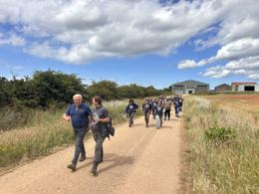 | Gallery (bottom of page) | Photo 17 of 25, under the heading "Photos from the workshop" | Justified grid of whole photos; click opens the full photo with its caption | 1600 x 1200 | Class walking along a long dirt farm track between hedgerows under a big cloudy sky, Nick Padwick and a student in front | Walking the farm tracks together
23 | accelerator-workshop-june-2025-gallery-18-rewilding-woodland.jpg |  | Gallery (bottom of page) | Photo 18 of 25, under the heading "Photos from the workshop" | Justified grid of whole photos; click opens the full photo with its caption | 1200 x 1600 | Person in a cap walking through long grass into a rewilding woodland of young birch trees | Into the rewilding woodland
24 | accelerator-workshop-june-2025-gallery-19-at-the-microscope.jpg |  | Gallery (bottom of page) | Photo 19 of 25, under the heading "Photos from the workshop" | Justified grid of whole photos; click opens the full photo with its caption | 1200 x 1600 | Student in a white t-shirt with both eyes at a white microscope, sample tubes and a counting sheet on the table, burlap barn walls | Eyes on the microscope
25 | accelerator-workshop-june-2025-gallery-20-microscope-view.jpg | 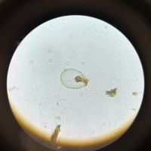 | Gallery (bottom of page) | Photo 20 of 25, under the heading "Photos from the workshop" | Justified grid of whole photos; click opens the full photo with its caption | 1600 x 1600 | View down the microscope: round bright field with soil organisms | What we found under the microscope
26 | accelerator-workshop-june-2025-gallery-21-extraction-bowls.jpg |  | Gallery (bottom of page) | Photo 21 of 25, under the heading "Photos from the workshop" | Justified grid of whole photos; click opens the full photo with its caption | 1200 x 1600 | Two clear bowls with mesh extraction bags and brown extract on a wooden stand, burlap wall | Extracts ready on the stand
27 | accelerator-workshop-june-2025-gallery-22-extraction-thumbs-up.jpg |  | Gallery (bottom of page) | Photo 22 of 25, under the heading "Photos from the workshop" | Justified grid of whole photos; click opens the full photo with its caption | 1200 x 1600 | Man in a Soil Food Web School t-shirt at the extraction stand, smiling with a thumbs up, two bowls of extract in front | Thumbs up at the extraction stand
28 | accelerator-workshop-june-2025-gallery-23-turning-the-pile.jpg |  | Gallery (bottom of page) | Photo 23 of 25, under the heading "Photos from the workshop" | Justified grid of whole photos; click opens the full photo with its caption | 1200 x 1600 | Team turning a pile: a woman lifting a wire mesh bin off a block of compost, others with buckets and forks | Turning the pile together
29 | accelerator-workshop-june-2025-gallery-24-meadow-table.jpg |  | Gallery (bottom of page) | Photo 24 of 25, under the heading "Photos from the workshop" | Justified grid of whole photos; click opens the full photo with its caption | 1200 x 1600 | Students working together at a long outdoor table in a sunny meadow, big sky | Working together in the meadow
30 | accelerator-workshop-june-2025-gallery-25-certificate.jpg |  | Gallery (bottom of page) | Photo 25 of 25, under the heading "Photos from the workshop" | Justified grid of whole photos; click opens the full photo with its caption | 1200 x 1600 | Two women smiling with a certificate in front of the brick and carrstone estate office, pale green door, orange tile roof | Graduation day smiles

2025-03 March 2025
2025-03 Accelerator Workshop March 2025, Área Metropolitana de San José, Costa Rica
Images are final: cropped, colour-checked, max 1600 px (headers up to 2400 px), no EXIF data. Upload them as they are; do not crop them again in WordPress.

# | File name | Picture | Where on the page | Placement | How to show it | Size (px) | Alt text | Caption (gallery pop-up only) | Photo credit | Notes
1 | accelerator-workshop-march-2025-header.jpg | 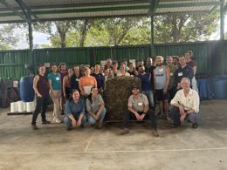 | Header (top of page) | Top of the page, under the title | Full content width, whole photo (no crop) | 1600 x 1200 | A large group posing around a freshly built compost pile under an open-sided roof
2 | accelerator-workshop-march-2025-card.jpg | 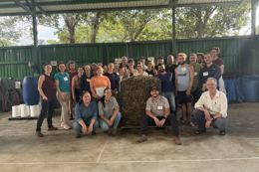 | Workshops page card | Card image on the Workshops listing page (/workshops/) | 3:2 card, cut from the header photo | 1200 x 800 | A large group posing around a freshly built compost pile under an open-sided roof
3 | accelerator-workshop-march-2025-text-01.jpg | 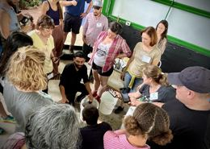 | In the text | At the end of the section "Where students learned", photo 1 of 2 in the row | Row of 2 photos side by side at the same height, whole photos | 1536 x 1092 | Participants crowding around a mentor who kneels next to white buckets
4 | accelerator-workshop-march-2025-text-02.jpg | 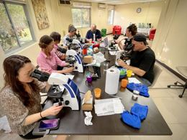 | In the text | At the end of the section "Where students learned", photo 2 of 2 in the row | Row of 2 photos side by side at the same height, whole photos | 1536 x 1152 | Students seated at microscopes along a table in a classroom
5 | accelerator-workshop-march-2025-text-03.jpg | 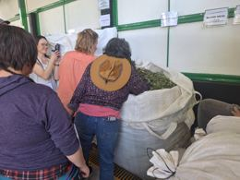 | In the text | At the end of the section "What students did", photo 1 of 2 in the row | Row of 2 photos side by side at the same height, whole photos | 1600 x 1200 | Participants looking into large white sacks of feedstock
6 | accelerator-workshop-march-2025-text-04.jpg |  | In the text | At the end of the section "What students did", photo 2 of 2 in the row | Row of 2 photos side by side at the same height, whole photos | 1200 x 1600 | A group posing in front of a large carved sign, among tropical plants
7 | accelerator-workshop-march-2025-text-05.jpg | 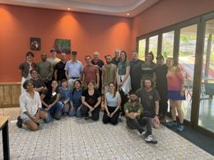 | In the text | At the end of the section "What students said", photo 1 of 2 in the row | Row of 2 photos side by side at the same height, whole photos | 1600 x 1200 | Staff and mentors posing together in a room with orange walls
8 | accelerator-workshop-march-2025-text-06.jpg | 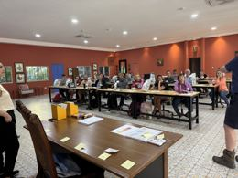 | In the text | At the end of the section "What students said", photo 2 of 2 in the row | Row of 2 photos side by side at the same height, whole photos | 1600 x 1200 | Participants seated at long tables in a classroom with orange walls
9 | accelerator-workshop-march-2025-gallery-01-sorting-leaves.jpg |  | Gallery (bottom of page) | Photo 1 of 25, under the heading "Photos from the workshop" | Justified grid of whole photos; click opens the full photo with its caption | 1200 x 1600 | Three students crouching on the floor sorting green leaves by hand | Sorting the greens by hand
10 | accelerator-workshop-march-2025-gallery-02-drying-house.jpg |  | Gallery (bottom of page) | Photo 2 of 25, under the heading "Photos from the workshop" | Justified grid of whole photos; click opens the full photo with its caption | 1200 x 1600 | Large drying house with a mesh roof, the floor covered in a deep layer of dried grass feedstock | The drying house, full of feedstock
11 | accelerator-workshop-march-2025-gallery-03-calibrating-thermometer.jpg |  | Gallery (bottom of page) | Photo 3 of 25, under the heading "Photos from the workshop" | Justified grid of whole photos; click opens the full photo with its caption | 1600 x 1200 | Two men crouching on the floor, holding a long compost thermometer in a white jug of water to calibrate it | Calibrating the compost thermometer
12 | accelerator-workshop-march-2025-gallery-04-feedstock-on-the-tarp.jpg |  | Gallery (bottom of page) | Photo 4 of 25, under the heading "Photos from the workshop" | Justified grid of whole photos; click opens the full photo with its caption | 1600 x 1200 | Students with buckets around a low heap of feedstock on a blue tarp in the green-walled shed | Buckets ready around the feedstock
13 | accelerator-workshop-march-2025-gallery-05-team-at-the-pile.jpg |  | Gallery (bottom of page) | Photo 5 of 25, under the heading "Photos from the workshop" | Justified grid of whole photos; click opens the full photo with its caption | 1600 x 1200 | Team of four reaching up to touch the top of their tall finished woody pile, smiling | Reaching for the top of our finished pile
14 | accelerator-workshop-march-2025-gallery-06-probing-the-pile.jpg |  | Gallery (bottom of page) | Photo 6 of 25, under the heading "Photos from the workshop" | Justified grid of whole photos; click opens the full photo with its caption | 1200 x 1600 | Woman in glasses pushing a probe into the side of a woody pile in a wire mesh bin, close-up | Checking inside the pile
15 | accelerator-workshop-march-2025-gallery-07-lecture-in-the-classroom.jpg |  | Gallery (bottom of page) | Photo 7 of 25, under the heading "Photos from the workshop" | Justified grid of whole photos; click opens the full photo with its caption | 1600 x 988 | Lecture in the orange classroom: instructor with a microphone at a whiteboard, a slide on surface area to volume ratio, the full class at wooden tables, botanical prints, a blue door, tiled floor | Learning together in the classroom
16 | accelerator-workshop-march-2025-gallery-08-compost-recipe.jpg |  | Gallery (bottom of page) | Photo 8 of 25, under the heading "Photos from the workshop" | Justified grid of whole photos; click opens the full photo with its caption | 1200 x 1600 | Whiteboard with the class's handwritten compost recipe: corn 15%, greens 30%, browns 55%, with bucket counts | Our compost recipe on the whiteboard
17 | accelerator-workshop-march-2025-gallery-09-mentors-at-the-microscope.jpg |  | Gallery (bottom of page) | Photo 9 of 25, under the heading "Photos from the workshop" | Justified grid of whole photos; click opens the full photo with its caption | 1390 x 1600 | Two mentors in navy shirts leaning over a student at a microscope, others watching the laptop screen | Our mentors at the microscope
18 | accelerator-workshop-march-2025-gallery-10-organism-on-screen.jpg |  | Gallery (bottom of page) | Photo 10 of 25, under the heading "Photos from the workshop" | Justified grid of whole photos; click opens the full photo with its caption | 1479 x 1600 | Two students looking at an organism on a laptop screen connected to the microscope camera | Spotting organisms on the screen
19 | accelerator-workshop-march-2025-gallery-11-brewing-jars.jpg |  | Gallery (bottom of page) | Photo 11 of 25, under the heading "Photos from the workshop" | Justified grid of whole photos; click opens the full photo with its caption | 1200 x 1600 | Glass jars of dark liquid with aeration tubing on a white table, a small-scale brewing setup | Small brews bubbling away
20 | accelerator-workshop-march-2025-gallery-12-extraction-table.jpg |  | Gallery (bottom of page) | Photo 12 of 25, under the heading "Photos from the workshop" | Justified grid of whole photos; click opens the full photo with its caption | 1200 x 1600 | Woman in a floral top explaining at the extraction table, a crowd of students behind her watching and filming | Gathered round the extraction table
21 | accelerator-workshop-march-2025-gallery-13-filling-the-mesh-bag.jpg |  | Gallery (bottom of page) | Photo 13 of 25, under the heading "Photos from the workshop" | Justified grid of whole photos; click opens the full photo with its caption | 1200 x 1600 | Close-up of a hand pressing wet compost into a mesh bag inside a blue bowl | Packing the mesh bag
22 | accelerator-workshop-march-2025-gallery-14-pouring-extract.jpg |  | Gallery (bottom of page) | Photo 14 of 25, under the heading "Photos from the workshop" | Justified grid of whole photos; click opens the full photo with its caption | 1200 x 1600 | Student in a Soil Food Web cap pouring liquid from a graduated jug, orange classroom | Pouring an extract
23 | accelerator-workshop-march-2025-gallery-15-crowd-at-the-microscope.jpg |  | Gallery (bottom of page) | Photo 15 of 25, under the heading "Photos from the workshop" | Justified grid of whole photos; click opens the full photo with its caption | 1600 x 1200 | Man at a microscope surrounded by students watching closely, paintings on the orange wall | All eyes on the microscope
24 | accelerator-workshop-march-2025-gallery-16-nematode-extraction-stand.jpg |  | Gallery (bottom of page) | Photo 16 of 25, under the heading "Photos from the workshop" | Justified grid of whole photos; click opens the full photo with its caption | 1200 x 1600 | Students setting up a nematode extraction stand: black funnels with yellow tubing on a wooden frame by a window | Setting up the nematode extraction
25 | accelerator-workshop-march-2025-gallery-17-nematode.jpg |  | Gallery (bottom of page) | Photo 17 of 25, under the heading "Photos from the workshop" | Justified grid of whole photos; click opens the full photo with its caption | 1600 x 1200 | Nematode under the microscope, head end with mouthparts in focus | A nematode up close
26 | accelerator-workshop-march-2025-gallery-18-turning-the-pile.jpg |  | Gallery (bottom of page) | Photo 18 of 25, under the heading "Photos from the workshop" | Justified grid of whole photos; click opens the full photo with its caption | 1600 x 1200 | Team turning a dark compost pile with forks and shovels on a blue tarp in the green-walled shed | Turning the pile together
27 | accelerator-workshop-march-2025-gallery-19-teaching-at-the-pile.jpg |  | Gallery (bottom of page) | Photo 19 of 25, under the heading "Photos from the workshop" | Justified grid of whole photos; click opens the full photo with its caption | 1600 x 1200 | Instructor with a microphone, one hand on a tall woody pile in a wire mesh bin, the class standing around listening | Learning at the pile
28 | accelerator-workshop-march-2025-gallery-20-turning-with-the-paddle.jpg |  | Gallery (bottom of page) | Photo 20 of 25, under the heading "Photos from the workshop" | Justified grid of whole photos; click opens the full photo with its caption | 1200 x 1600 | Two men laughing while turning compost with a long wooden paddle | Laughing while turning the compost
29 | accelerator-workshop-march-2025-gallery-21-orchids.jpg |  | Gallery (bottom of page) | Photo 21 of 25, under the heading "Photos from the workshop" | Justified grid of whole photos; click opens the full photo with its caption | 1200 x 1600 | Purple orchids in a garden, close-up | Orchids in the garden
30 | accelerator-workshop-march-2025-gallery-22-passion-flower.jpg |  | Gallery (bottom of page) | Photo 22 of 25, under the heading "Photos from the workshop" | Justified grid of whole photos; click opens the full photo with its caption | 1200 x 1600 | Bright red passion flower with white filaments against green leaves | A passion flower in bloom
31 | accelerator-workshop-march-2025-gallery-23-pink-trumpet-flowers.jpg |  | Gallery (bottom of page) | Photo 23 of 25, under the heading "Photos from the workshop" | Justified grid of whole photos; click opens the full photo with its caption | 1200 x 1600 | Pink trumpet flowers with yellow throats on a flowering tree | Pink blossoms overhead
32 | accelerator-workshop-march-2025-gallery-24-oxen-and-oxcart.jpg |  | Gallery (bottom of page) | Photo 24 of 25, under the heading "Photos from the workshop" | Justified grid of whole photos; click opens the full photo with its caption | 1200 x 1600 | Two oxen with decorated yokes beside a painted oxcart, blue sky | Oxen and a painted oxcart
33 | accelerator-workshop-march-2025-gallery-25-sunset-in-the-shed.jpg |  | Gallery (bottom of page) | Photo 25 of 25, under the heading "Photos from the workshop" | Justified grid of whole photos; click opens the full photo with its caption | 1200 x 1600 | Golden sunset through the open shed door, students working in silhouette | Golden hour in the shed

2025-01 January 2025
2025-01 Accelerator Workshop January 2025, Kampia, Cyprus
Images are final: cropped, colour-checked, max 1600 px (headers up to 2400 px), no EXIF data. Upload them as they are; do not crop them again in WordPress.

# | File name | Picture | Where on the page | Placement | How to show it | Size (px) | Alt text | Caption (gallery pop-up only) | Photo credit | Notes
1 | accelerator-workshop-january-2025-header.jpg |  | Header (top of page) | Top of the page, under the title | Full content width, whole photo (no crop) | 2400 x 1603 | Students and mentors of the January 2025 Accelerator Workshop gathered under burlap bunting in a garden in Kampia, Cyprus
2 | accelerator-workshop-january-2025-card.jpg |  | Workshops page card | Card image on the Workshops listing page (/workshops/) | 3:2 card, cut from the header photo | 1200 x 800 | Students and mentors of the January 2025 Accelerator Workshop gathered under burlap bunting in a garden in Kampia, Cyprus
3 | accelerator-workshop-january-2025-text-01.jpg |  | In the text | At the end of the section "What the workshop was for", on its own | One portrait photo, narrower than the text (about 350 px wide) | 900 x 1600 | A student holds up his hand-drawn microscopy notebook, with steps for setting up the microscope at 4x, 10x and 40x

2024-07 July 2024
2024-07 Accelerator Workshop July 2024, Área Metropolitana de San José, Costa Rica
Images are final: cropped, colour-checked, max 1600 px (headers up to 2400 px), no EXIF data. Upload them as they are; do not crop them again in WordPress.

# | File name | Picture | Where on the page | Placement | How to show it | Size (px) | Alt text | Caption (gallery pop-up only) | Photo credit | Notes
1 | accelerator-workshop-july-2024-header.jpg |  | Header (top of page) | Top of the page, under the title | Full content width, whole photo (no crop) | 2400 x 2317 | Five people around a wire compost cage on a pallet, one kneeling with a pitchfork and giving a thumbs up
2 | accelerator-workshop-july-2024-card.jpg |  | Workshops page card | Card image on the Workshops listing page (/workshops/) | 3:2 card, cut from the header photo | 1200 x 800 | Five people around a wire compost cage on a pallet, one kneeling with a pitchfork and giving a thumbs up
3 | accelerator-workshop-july-2024-text-01.jpg |  | In the text | At the end of the section "What the workshop was for", photo 1 of 4 in the row | Row of 4 photos side by side at the same height, whole photos | 1200 x 1600 | Two students reading a feedstock label on a white sack, one taking notes on a notepad
4 | accelerator-workshop-july-2024-text-02.jpg |  | In the text | At the end of the section "What the workshop was for", photo 2 of 4 in the row | Row of 4 photos side by side at the same height, whole photos | 1200 x 1600 | Students leaning over a heap of dry hay feedstock in the shed, one reaching in with gloved hands
5 | accelerator-workshop-july-2024-text-03.jpg |  | In the text | At the end of the section "What the workshop was for", photo 3 of 4 in the row | Row of 4 photos side by side at the same height, whole photos | 1200 x 1600 | Hands digging into woody feedstock in a sack beside a compost thermometer, a student taking notes on a yellow pad
6 | accelerator-workshop-july-2024-text-04.jpg |  | In the text | At the end of the section "What the workshop was for", photo 4 of 4 in the row | Row of 4 photos side by side at the same height, whole photos | 1346 x 1600 | Rows of white buckets on a blue tarp, filled with dark compost, wood chips, green leaves and cracked corn, seen from above
7 | accelerator-workshop-july-2024-gallery-01-feedstock-sign.jpg |  | Gallery (bottom of page) | Photo 1 of 29, under the heading "Photos from the workshop" | Justified grid of whole photos; click opens the full photo with its caption | 1600 x 1464 | Sign on the wall reading "Green Feedstock" with the Armonía logo | Day one: getting to know the feedstocks
8 | accelerator-workshop-july-2024-gallery-02-feedstock-sacks.jpg |  | Gallery (bottom of page) | Photo 2 of 29, under the heading "Photos from the workshop" | Justified grid of whole photos; click opens the full photo with its caption | 1219 x 1600 | Students crowded around white sacks of feedstock in the shed | Exploring the feedstock sacks
9 | accelerator-workshop-july-2024-gallery-03-smelling-the-feedstock.jpg |  | Gallery (bottom of page) | Photo 3 of 29, under the heading "Photos from the workshop" | Justified grid of whole photos; click opens the full photo with its caption | 1200 x 1600 | A student leaning into a white sack of feedstock to smell a handful, more sacks behind | Smelling the feedstock on day one
10 | accelerator-workshop-july-2024-gallery-04-thermometer-in-feedstock.jpg |  | Gallery (bottom of page) | Photo 4 of 29, under the heading "Photos from the workshop" | Justified grid of whole photos; click opens the full photo with its caption | 1200 x 1600 | Compost thermometer dial in a sack of fresh grass clippings | Taking the temperature of fresh greens
11 | accelerator-workshop-july-2024-gallery-05-cracked-corn-close-up.jpg |  | Gallery (bottom of page) | Photo 5 of 29, under the heading "Photos from the workshop" | Justified grid of whole photos; click opens the full photo with its caption | 1600 x 1200 | Close-up of cracked corn in an open white sack | Cracked corn, ready for the recipe
12 | accelerator-workshop-july-2024-gallery-06-writing-the-recipe.jpg |  | Gallery (bottom of page) | Photo 6 of 29, under the heading "Photos from the workshop" | Justified grid of whole photos; click opens the full photo with its caption | 1200 x 1600 | Students kneeling over the rows of feedstock buckets, one writing the recipe on a clipboard | Writing down our recipe
13 | accelerator-workshop-july-2024-gallery-07-instructor-in-the-shed.jpg |  | Gallery (bottom of page) | Photo 7 of 29, under the heading "Photos from the workshop" | Justified grid of whole photos; click opens the full photo with its caption | 1200 x 1600 | Instructor in a blue shirt speaking into a microphone in the green shed, students listening | Learning in the shed
14 | accelerator-workshop-july-2024-gallery-08-filling-the-bin.jpg |  | Gallery (bottom of page) | Photo 8 of 29, under the heading "Photos from the workshop" | Justified grid of whole photos; click opens the full photo with its caption | 1200 x 1600 | Students tipping buckets into a tall wire mesh bin | Filling the bin
15 | accelerator-workshop-july-2024-gallery-09-moisture-squeeze-test.jpg |  | Gallery (bottom of page) | Photo 9 of 29, under the heading "Photos from the workshop" | Justified grid of whole photos; click opens the full photo with its caption | 1200 x 1600 | Hand squeezing a fist of compost above a pile to test the moisture, a man in glasses watching | The squeeze test for moisture
16 | accelerator-workshop-july-2024-gallery-10-hands-in-the-compost.jpg |  | Gallery (bottom of page) | Photo 10 of 29, under the heading "Photos from the workshop" | Justified grid of whole photos; click opens the full photo with its caption | 1200 x 1600 | Close-up of gloved and bare hands pressing into dark woody compost | Hands in the compost
17 | accelerator-workshop-july-2024-gallery-11-team-at-the-pile.jpg |  | Gallery (bottom of page) | Photo 11 of 29, under the heading "Photos from the workshop" | Justified grid of whole photos; click opens the full photo with its caption | 1369 x 1600 | Team smiling behind their finished pile in a wire mesh bin | Proud of our finished pile
18 | accelerator-workshop-july-2024-gallery-12-cheer-at-the-covered-pile.jpg |  | Gallery (bottom of page) | Photo 12 of 29, under the heading "Photos from the workshop" | Justified grid of whole photos; click opens the full photo with its caption | 1418 x 1600 | Team of five cheering with arms raised behind their pile covered in a blue tarp | Arms up for a finished pile
19 | accelerator-workshop-july-2024-gallery-13-misting-the-pile.jpg |  | Gallery (bottom of page) | Photo 13 of 29, under the heading "Photos from the workshop" | Justified grid of whole photos; click opens the full photo with its caption | 1277 x 1600 | Laughing man spraying water from a hose onto a pile in the green shed | Watering the pile, with a smile
20 | accelerator-workshop-july-2024-gallery-14-laughing-at-the-pallet-bin.jpg |  | Gallery (bottom of page) | Photo 14 of 29, under the heading "Photos from the workshop" | Justified grid of whole photos; click opens the full photo with its caption | 1375 x 1600 | Team laughing around a wooden pallet bin, one waving | All smiles at the pallet bin
21 | accelerator-workshop-july-2024-gallery-15-microscopy-presentation.jpg |  | Gallery (bottom of page) | Photo 15 of 29, under the heading "Photos from the workshop" | Justified grid of whole photos; click opens the full photo with its caption | 1260 x 1600 | Woman presenting in the orange classroom, a slide on a large screen, students at microscopes | Microscopy in the orange classroom
22 | accelerator-workshop-july-2024-gallery-16-extract-brewer.jpg |  | Gallery (bottom of page) | Photo 16 of 29, under the heading "Photos from the workshop" | Justified grid of whole photos; click opens the full photo with its caption | 900 x 1600 | Air pump on a white 5-gallon bucket with tubing, green wall | A 5-gallon extract brew. Photo: Horacio Narvaez-Mena | Horacio Narvaez-Mena
23 | accelerator-workshop-july-2024-gallery-17-compost-tea-prep.jpg |  | Gallery (bottom of page) | Photo 17 of 29, under the heading "Photos from the workshop" | Justified grid of whole photos; click opens the full photo with its caption | 900 x 1600 | Bucket brewer with a mesh bag and air tubing, kelp food for the tea | Preparing compost tea with kelp food. Photo: Horacio Narvaez-Mena | Horacio Narvaez-Mena
24 | accelerator-workshop-july-2024-gallery-18-tea-foods.jpg |  | Gallery (bottom of page) | Photo 18 of 29, under the heading "Photos from the workshop" | Justified grid of whole photos; click opens the full photo with its caption | 900 x 1600 | A black bag labelled "Humic Acid" standing in a clear tub, white bottles and sacks behind | Foods for the compost tea. Photo: Horacio Narvaez-Mena | Horacio Narvaez-Mena
25 | accelerator-workshop-july-2024-gallery-19-kelp-sample.jpg |  | Gallery (bottom of page) | Photo 19 of 29, under the heading "Photos from the workshop" | Justified grid of whole photos; click opens the full photo with its caption | 900 x 1600 | A hand holding up a sample tube of hydrated kelp for the compost tea, white buckets behind | Hydrated kelp for the compost tea. Photo: Horacio Narvaez-Mena | Horacio Narvaez-Mena
26 | accelerator-workshop-july-2024-gallery-20-nematode-extraction.jpg |  | Gallery (bottom of page) | Photo 20 of 29, under the heading "Photos from the workshop" | Justified grid of whole photos; click opens the full photo with its caption | 1280 x 1600 | Woman in a red bandana leaning over two bowls of cloth-wrapped samples on a wooden stand in the orange room | Setting up the nematode extraction
27 | accelerator-workshop-july-2024-gallery-21-fungal-hyphae.jpg |  | Gallery (bottom of page) | Photo 21 of 29, under the heading "Photos from the workshop" | Justified grid of whole photos; click opens the full photo with its caption | 1200 x 1600 | Close-up of dark compost with white fungal hyphae spreading over it | Fungal hyphae in our compost
28 | accelerator-workshop-july-2024-gallery-22-holding-up-a-cup.jpg |  | Gallery (bottom of page) | Photo 22 of 29, under the heading "Photos from the workshop" | Justified grid of whole photos; click opens the full photo with its caption | 1200 x 1600 | Instructor in a wide hat holding up a cup of liquid to the class in the shed | Showing the class an extract
29 | accelerator-workshop-july-2024-gallery-23-under-the-trees.jpg |  | Gallery (bottom of page) | Photo 23 of 29, under the heading "Photos from the workshop" | Justified grid of whole photos; click opens the full photo with its caption | 1200 x 1600 | A woman with a backpack sprayer standing on bare soil under tall trees, green picnic tables on the lawn behind | Out under the trees
30 | accelerator-workshop-july-2024-gallery-24-greenhouse.jpg |  | Gallery (bottom of page) | Photo 24 of 29, under the heading "Photos from the workshop" | Justified grid of whole photos; click opens the full photo with its caption | 1200 x 1600 | Greenhouse with rows of red cabbage and lettuce | The greenhouse at Armonía
31 | accelerator-workshop-july-2024-gallery-25-garden.jpg |  | Gallery (bottom of page) | Photo 25 of 29, under the heading "Photos from the workshop" | Justified grid of whole photos; click opens the full photo with its caption | 1328 x 1600 | Garden at Armonía with stone picnic tables and a greenhouse | The garden at Armonía
32 | accelerator-workshop-july-2024-gallery-26-mushroom-sculpture.jpg |  | Gallery (bottom of page) | Photo 26 of 29, under the heading "Photos from the workshop" | Justified grid of whole photos; click opens the full photo with its caption | 1200 x 1600 | Painted mushroom sculpture in the garden, red cap with white spots | A friendly mushroom in the garden
33 | accelerator-workshop-july-2024-gallery-27-spider-on-a-leaf.jpg |  | Gallery (bottom of page) | Photo 27 of 29, under the heading "Photos from the workshop" | Justified grid of whole photos; click opens the full photo with its caption | 1200 x 1600 | A large spider in its web on a split monstera leaf | A neighbour on the monstera
34 | accelerator-workshop-july-2024-gallery-28-tropical-trees.jpg |  | Gallery (bottom of page) | Photo 28 of 29, under the heading "Photos from the workshop" | Justified grid of whole photos; click opens the full photo with its caption | 1200 x 1600 | Tall tropical trees and broad monstera leaves under a grey sky | Tall trees on the farm
35 | accelerator-workshop-july-2024-gallery-29-lunch-on-the-terrace.jpg |  | Gallery (bottom of page) | Photo 29 of 29, under the heading "Photos from the workshop" | Justified grid of whole photos; click opens the full photo with its caption | 1200 x 1600 | Long lunch table on a covered terrace with a wooden roof, students smiling | Lunch together on the terrace

2024-02 ERW February 2024
2024-02 Ecosystem Restoration Workshop February 2024, Yucatán, México
Images are final: cropped, colour-checked, max 1600 px (headers up to 2400 px), no EXIF data. Upload them as they are; do not crop them again in WordPress.

# | File name | Picture | Where on the page | Placement | How to show it | Size (px) | Alt text | Caption (gallery pop-up only) | Photo credit | Notes
1 | ecosystem-restoration-workshop-february-2024-header.jpg |  | Header (top of page) | Top of the page, under the title | Full content width, whole photo (no crop) | 2400 x 1793 | Three people walking along a red dirt track between green shrubs and trees, carrying buckets of seedlings, wide sun hats |  |  | From SFW's own 2023 registration page (promo.soilfoodweb.com/?p=106500); shows the reserve, not confirmed as taken during the workshop.
2 | ecosystem-restoration-workshop-february-2024-card.jpg |  | Workshops page card | Card image on the Workshops listing page (/workshops/) | 3:2 card, cut from the header photo | 1200 x 800 | Three people walking along a red dirt track between green shrubs and trees, carrying buckets of seedlings, wide sun hats
3 | ecosystem-restoration-workshop-february-2024-text-01.jpg |  | In the text | At the end of the section "What the workshop was for", photo 1 of 2 in the row | Row of 2 photos side by side at the same height, whole photos | 1600 x 1200 | A person in a pink shirt and a straw hat bending to dig among dense green shrubs |  |  | From SFW's own 2023 registration page (promo.soilfoodweb.com/?p=106500); shows the reserve, not confirmed as taken during the workshop.
4 | ecosystem-restoration-workshop-february-2024-text-02.jpg |  | In the text | At the end of the section "What the workshop was for", photo 2 of 2 in the row | Row of 2 photos side by side at the same height, whole photos | 960 x 720 | Looking up from the water of a cenote: tree roots hanging down the rock walls to the water, a wooden ladder, sunlight and trees at the opening |  |  | From SFW's own 2023 registration page (promo.soilfoodweb.com/?p=106500); shows the reserve, not confirmed as taken during the workshop.

2023-08 August 2023
2023-08 Accelerator Workshop August 2023, Área Metropolitana de San José, Costa Rica
Images are final: cropped, colour-checked, max 1600 px (headers up to 2400 px), no EXIF data. Upload them as they are; do not crop them again in WordPress.

# | File name | Picture | Where on the page | Placement | How to show it | Size (px) | Alt text | Caption (gallery pop-up only) | Photo credit | Notes
1 | accelerator-workshop-august-2023-header.jpg |  | Header (top of page) | Top of the page, under the title | Full content width, whole photo (no crop) | 2400 x 1350 | Students reaching up for a high five over a compost pile
2 | accelerator-workshop-august-2023-card.jpg |  | Workshops page card | Card image on the Workshops listing page (/workshops/) | 3:2 card, cut from the header photo | 1200 x 800 | Students reaching up for a high five over a compost pile
3 | accelerator-workshop-august-2023-text-01.jpg |  | In the text | At the end of the section "What the workshop was for", photo 1 of 2 in the row | Row of 2 photos side by side at the same height, whole photos | 1600 x 1200 | Workshop graduates holding certificates under a white tent
4 | accelerator-workshop-august-2023-text-02.jpg |  | In the text | At the end of the section "What the workshop was for", photo 2 of 2 in the row | Row of 2 photos side by side at the same height, whole photos | 1600 x 901 | A man in a bucket hat and a laughing woman working a wire compost cage with a pitchfork
5 | accelerator-workshop-august-2023-text-03.jpg |  | In the text | At the end of the section "Why it matters", photo 1 of 2 in the row | Row of 2 photos side by side at the same height, whole photos | 1600 x 1200 | Students standing in a row holding white buckets, with trees behind
6 | accelerator-workshop-august-2023-text-04.jpg |  | In the text | At the end of the section "Why it matters", photo 2 of 2 in the row | Row of 2 photos side by side at the same height, whole photos | 1600 x 900 | A student lifting an armful of finished compost while another waters the pile with a hose
7 | accelerator-workshop-august-2023-gallery-01-graduates.jpg |  | Gallery (bottom of page) | Photo 1 of 19, under the heading "Photos from the workshop" | Justified grid of whole photos; click opens the full photo with its caption | 1600 x 900 | Graduates holding certificates under a white tent, tropical plants behind | Our proud graduates
8 | accelerator-workshop-august-2023-gallery-02-compost-area.jpg |  | Gallery (bottom of page) | Photo 2 of 19, under the heading "Photos from the workshop" | Justified grid of whole photos; click opens the full photo with its caption | 1040 x 780 | The open shed set up before the workshop: stacked wire mesh bins, pallets and blue drums | The compost area, ready for day one
9 | accelerator-workshop-august-2023-gallery-03-dirtiest-shirt.jpg |  | Gallery (bottom of page) | Photo 3 of 19, under the heading "Photos from the workshop" | Justified grid of whole photos; click opens the full photo with its caption | 1200 x 1600 | Smiling woman in a yellow shirt and gloves, covered in compost, holding a white bucket in the shed | Winner of the dirtiest shirt
10 | accelerator-workshop-august-2023-gallery-04-smiling-in-the-shed.jpg |  | Gallery (bottom of page) | Photo 4 of 19, under the heading "Photos from the workshop" | Justified grid of whole photos; click opens the full photo with its caption | 1200 x 1600 | Smiling woman in a white top in the shed, blue drums and a blue tarp, teams working behind | All smiles in the shed
11 | accelerator-workshop-august-2023-gallery-05-green-t-shirt.jpg |  | Gallery (bottom of page) | Photo 5 of 19, under the heading "Photos from the workshop" | Justified grid of whole photos; click opens the full photo with its caption | 1200 x 1600 | Smiling woman in a green t-shirt in the shed, teams working with buckets behind | Happy to be here
12 | accelerator-workshop-august-2023-gallery-06-instructor-on-camera.jpg |  | Gallery (bottom of page) | Photo 6 of 19, under the heading "Photos from the workshop" | Justified grid of whole photos; click opens the full photo with its caption | 1600 x 1200 | Instructor being filmed in the shed, buckets and a blue tarp | Our instructor on camera
13 | accelerator-workshop-august-2023-gallery-07-clowning-around.jpg |  | Gallery (bottom of page) | Photo 7 of 19, under the heading "Photos from the workshop" | Justified grid of whole photos; click opens the full photo with its caption | 1024 x 768 | Students in the shed clowning around, one kicking a leg in the air, buckets and blue drums | Having fun between piles
14 | accelerator-workshop-august-2023-gallery-08-laughing-at-the-bin.jpg |  | Gallery (bottom of page) | Photo 8 of 19, under the heading "Photos from the workshop" | Justified grid of whole photos; click opens the full photo with its caption | 1600 x 901 | Man in a bucket hat and a laughing woman building compost in a wire mesh bin | Laughter at the compost bin
15 | accelerator-workshop-august-2023-gallery-09-student-laughing.jpg |  | Gallery (bottom of page) | Photo 9 of 19, under the heading "Photos from the workshop" | Justified grid of whole photos; click opens the full photo with its caption | 1600 x 899 | Smiling woman in a purple cap and green polo, flowers behind | Smiles in the garden
16 | accelerator-workshop-august-2023-gallery-10-at-the-microscope.jpg |  | Gallery (bottom of page) | Photo 10 of 19, under the heading "Photos from the workshop" | Justified grid of whole photos; click opens the full photo with its caption | 1600 x 900 | Student looking into a microscope | A close look through the microscope
17 | accelerator-workshop-august-2023-gallery-11-at-the-microscope-2.jpg |  | Gallery (bottom of page) | Photo 11 of 19, under the heading "Photos from the workshop" | Justified grid of whole photos; click opens the full photo with its caption | 1600 x 900 | Student looking into a microscope | Focused at the microscope
18 | accelerator-workshop-august-2023-gallery-12-elaine-pouring-a-sample.jpg |  | Gallery (bottom of page) | Photo 12 of 19, under the heading "Photos from the workshop" | Justified grid of whole photos; click opens the full photo with its caption | 1600 x 900 | Dr. Elaine Ingham pouring a sample from a jar, a student beside her | Dr. Elaine Ingham sharing a sample
19 | accelerator-workshop-august-2023-gallery-13-elaine-at-the-table.jpg |  | Gallery (bottom of page) | Photo 13 of 19, under the heading "Photos from the workshop" | Justified grid of whole photos; click opens the full photo with its caption | 1600 x 900 | Dr. Elaine Ingham talking at a table, smiling | Dr. Elaine Ingham in conversation
20 | accelerator-workshop-august-2023-gallery-14-students-at-the-bin.jpg |  | Gallery (bottom of page) | Photo 14 of 19, under the heading "Photos from the workshop" | Justified grid of whole photos; click opens the full photo with its caption | 1600 x 945 | Students smiling around a round wire mesh bin of finished compost, green wall | Proud of our finished compost
21 | accelerator-workshop-august-2023-gallery-15-team-at-the-pile.jpg |  | Gallery (bottom of page) | Photo 15 of 19, under the heading "Photos from the workshop" | Justified grid of whole photos; click opens the full photo with its caption | 1200 x 1600 | A team posing around their finished pile in a round wire mesh bin in the green shed | Our team with the finished pile
22 | accelerator-workshop-august-2023-gallery-16-tropical-leaves.jpg |  | Gallery (bottom of page) | Photo 16 of 19, under the heading "Photos from the workshop" | Justified grid of whole photos; click opens the full photo with its caption | 1200 x 1600 | Close-up of large tropical leaves over rocks | Tropical leaves around the farm
23 | accelerator-workshop-august-2023-gallery-17-tropical-undergrowth.jpg |  | Gallery (bottom of page) | Photo 17 of 19, under the heading "Photos from the workshop" | Justified grid of whole photos; click opens the full photo with its caption | 1200 x 1600 | Dense tropical undergrowth with palms and a fallen log | The green heart of the farm
24 | accelerator-workshop-august-2023-gallery-18-graduate-on-screen.jpg |  | Gallery (bottom of page) | Photo 18 of 19, under the heading "Photos from the workshop" | Justified grid of whole photos; click opens the full photo with its caption | 1200 x 1600 | Last day under the white tent: a graduate joining by video on a large screen while a woman beside it holds up her certificate of attendance | Celebrating a graduate who joined online
25 | accelerator-workshop-august-2023-gallery-19-elaine-with-a-graduate.jpg |  | Gallery (bottom of page) | Photo 19 of 19, under the heading "Photos from the workshop" | Justified grid of whole photos; click opens the full photo with its caption | 1362 x 767 | Dr. Elaine Ingham standing beside a graduate holding his diploma | Dr. Elaine Ingham with a new graduate

