Mowi_Mapping
Topic | DR / Reference | Datapoint Name | Page Reference | DR Type
E1 | E1-1 | Transition plan for climate change mitigation | 96 | Topical DR
E1 | E1 IRO-1 | Climate change related risks and opportunities | 99 | Cross-cutting (IRO)
E1 | E1-3 | Actions and resources | 101 | Topical DR
p. 75-76 from Sust report
E1 | E1-4 | Targets and metrics | 102 | Topical DR
E1 | E1-5 | Energy consumption and mix | 103 | Topical DR
E1 | E1-6 | Gross scopes 1, 2, 3 and total GHG emissions | 104 | Topical DR
E3 | E3 SBM-3 | Material impacts, risks, and opportunities related to water and marine resources | 110 | Cross-cutting (SBM)
E3 | E3-1 | Management of impacts, risks and opportunities | 112 | Topical DR
E3 | E3-2 | Actions and resources | 113 | Topical DR
E3 | E3-3 | Targets and metrics | 115 | Topical DR
E3 | E3-4 | Water consumption and marine resource performance | 115 | Topical DR
E4 | E4-1 | Consideration of biodiversity and ecosystems in strategy and business model | 120 | Topical DR
E4 | E4 SBM-3 | Disclosure on biodiversity-sensitive areas | 120 | Cross-cutting (SBM)
E4 | E4 IRO-1 | Material impacts, risks and opportunities related to biodiversity and ecosystems | 121 | Cross-cutting (IRO)
E4 | E4-2 | Management of material impacts, risks and opportunities | 126 | Topical DR
E4 | E4-3 | Biodiversity and ecosystems-related actions and resources | 127 | Topical DR
E4 | E4-4 | Biodiversity and ecosystem-related targets | 129 | Topical DR
...

Espersen2025_Mapping
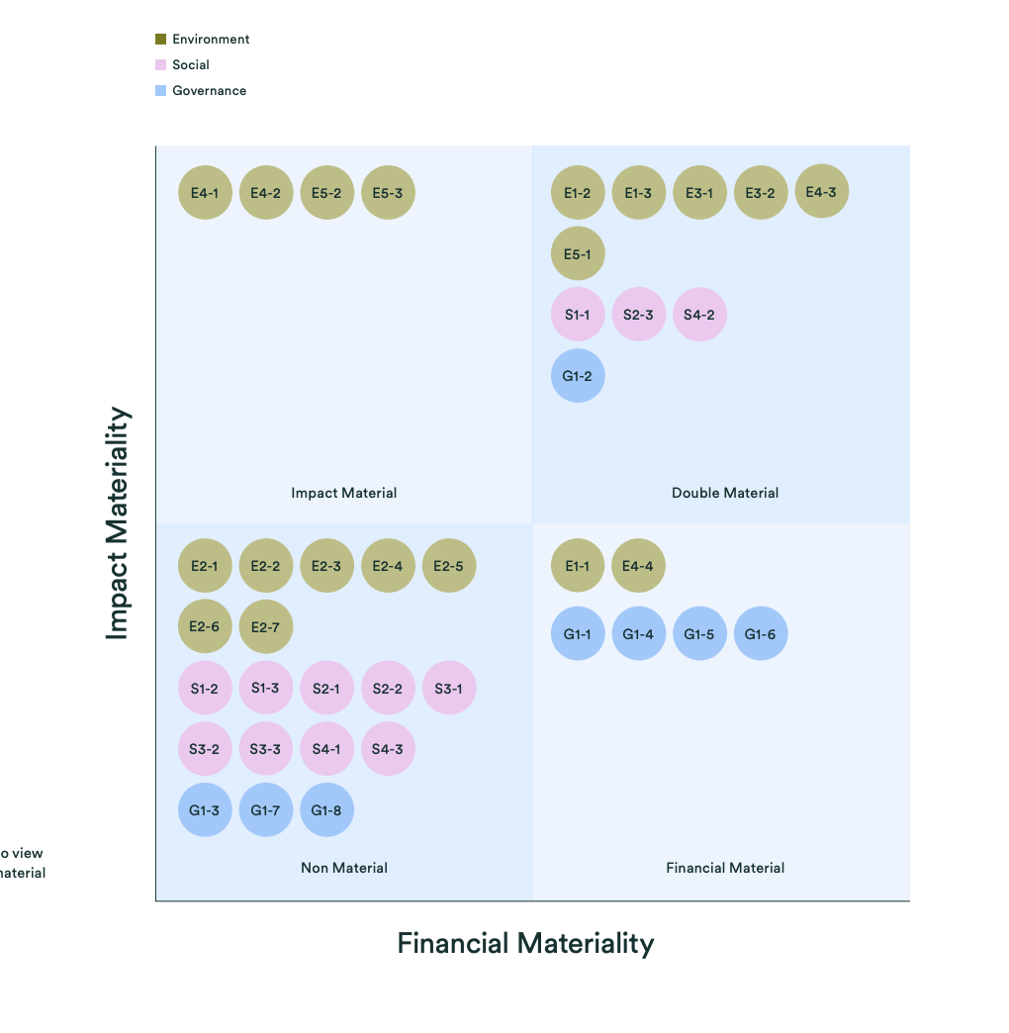
Page reference | Comments
24
28
26-27, 97
32-33, 99
25, 96
34, 38
34, 38-39
38
38-39, 100
40, 42
40, 42
40-42
48, 51
44, 46-47, 49, 51
44-51
43-45
50-52
56, 60
101
56-57, 101-102
61, 103
65
65
65
67
70
71
68-69
69
73-75
78-81
75-76
76
77

Bolton_Mapping
Company | Topic | DR | Datapoint name | Page reference | Comments | Coverage status | Relevance to seafood processing | Business activity flag | Notes on ambiguity
Bolton | E1 | E1-1 | Transition plan for climate change mitigation | 60–68
Bolton | E1 | E1-2 | Policies related to climate change mitigation and adaptation | 59
From sust. report 221-222
Bolton | E1 | E1-3 | Actions and resources in relation to climate change policies | 60–68
Bolton | E1 | E1-4 | Targets related to climate change mitigation and adaptation | 60
Bolton | E1 | E1-5 | Energy consumption and mix | 77–80
Bolton | E1 | E1-6 | Gross Scopes 1,2, 3 and Total GHG emissions
Bolton | E3 | E3-1 | Policies related to water and marine resources | 112; 120–121
Bolton | E3 | E3-2 | Actions and resources related to water and marine resources | 121–131
Bolton | E3 | E3-3 | Targets related to water and marine resources | 113; 132
Bolton | E3 | E3-4 | Water consumption | 114–116
Bolton | E5 | E5-1 | Policies related to resource use and circular economy | 84–85
Bolton | E5 | E5-2 | Actions and resources related to resource use and circular economy | 86–88
Bolton | E5 | E5-3 | Targets related to resource use and circular economy | 92
Bolton | E5 | E5-4 | Resource inflows | 94–98
Bolton | E5 | E5-5 | Resource outflows | 97; 98–101
...

Profand_Mapping
Datapoint name | Page reference | Comments
Employees | Annex 1
Non-employee workers | Work continues to report on this indicator in future versions of the ESG Report
Delegation of responsibility for impact management | 4.4. Compliance, good corporate governance and fiscal transparency
From Excell Gri-ESRS
Total annual compensation ratio | Annex 1
Commitments and policies | 2.2. Quality and the customer at the heart of our activity / 4.2. Protection and respect for human and labor rights / 4.4. Compliance, good corporate governance and fiscal transparency
Commitments and policies | 2.2. Quality and the customer at the heart of our activity / 4.2. Protection and respect for human and labor rights / 4.4. Compliance, good corporate governance and fiscal transparency
Commitments and policies | 2.2. Quality and the customer at the heart of our activity / 4.2. Protection and respect for human and labor rights / 4.4. Compliance, good corporate governance and fiscal transparency
Incorporating commitments and policies | 2.2. Quality and the customer at the heart of our activity / 4.2. Protection and respect for human and labor rights
Processes to remedy negative impacts | 4.4. Compliance, good corporate governance and fiscal transparency
Processes to remedy negative impacts | 4.4. Compliance, good corporate governance and fiscal transparency
Processes to remedy negative impacts | 4.4. Compliance, good corporate governance and fiscal transparency
Processes to remedy negative impacts | 4.4. Compliance, good corporate governance and fiscal transparency
Processes to remedy negative impacts | 4.4. Compliance, good corporate governance and fiscal transparency
Processes to remedy negative impacts | 4.4. Compliance, good corporate governance and fiscal transparency
Mechanisms for seeking advice and raising concerns | 2.2. Quality and the customer at the heart of our activity / 4.2. Protection and respect for human and labor rights
...

Nomad_Mapping
From Excell Gri-ESRS
Company | Topic | DR | Datapoint name | Page reference | Comments
Nomad | E1 | E1-3 | Financial implications and other risks/opportunities due to climate change | Annual report / TCFD statement
Nomad | E1 | E1-9 | Financial implications and other risks/opportunities due to climate change | Annual report / TCFD statement
Nomad | E1 | E1-2 | Management approach — Energy | Packaging
Nomad | E1 | E1-3 | Management approach — Energy | Packaging
Nomad | E1 | E1-4 | Management approach — Energy | Packaging
Nomad | E1 | E1-5 | Energy consumption within the organisation | Packaging
Nomad | E1 | E1-2 | Management approach — Emissions | Climate change and greenhouse gases / Data tables
Nomad | E1 | E1-3 | Management approach — Emissions | Climate change and greenhouse gases / Data tables
Nomad | E1 | E1-4 | Management approach — Emissions | Climate change and greenhouse gases / Data tables
Nomad | E1 | E1-4 | Direct (Scope 1) GHG emissions | Climate change and greenhouse gases / Data tables
Nomad | E1 | E1-6 | Direct (Scope 1) GHG emissions | Climate change and greenhouse gases / Data tables
Nomad | E1 | E1-4 | Energy indirect (Scope 2) GHG emissions | Climate change and greenhouse gases / Data tables
Nomad | E1 | E1-6 | Energy indirect (Scope 2) GHG emissions | Climate change and greenhouse gases / Data tables
Nomad | E1 | E1-4 | Other indirect (Scope 3) GHG emissions | Climate change and greenhouse gases / Data tables
...

Nomad2025_Mapping
Topic | DR | Datapoint name | Page reference | Comments
E1 | E1-2 | Management approach — Emissions | Climate change and GHGs / ESG databook
E1 | E1-3 | Management approach — Emissions | Climate change and GHGs / ESG databook
E1 | E1-4 | Management approach — Emissions | Climate change and GHGs / ESG databook
From Excell Gri-ESRS
E1 | E1-4 | Direct (Scope 1) GHG emissions | Climate change and GHGs / ESG databook
E1 | E1-6 | Direct (Scope 1) GHG emissions | Climate change and GHGs / ESG databook
E1 | E1-4 | Energy indirect (Scope 2) GHG emissions | Climate change and GHGs / ESG databook
E1 | E1-6 | Energy indirect (Scope 2) GHG emissions | Climate change and GHGs / ESG databook
E1 | E1-4 | Other indirect (Scope 3) GHG emissions | Climate change and GHGs / ESG databook
E1 | E1-6 | Other indirect (Scope 3) GHG emissions | Climate change and GHGs / ESG databook
E1 | E1-6 | GHG emissions intensity | Climate change and GHGs / ESG databook
E1 | E1-3 | Reduction of GHG emissions | Climate change and GHGs / ESG databook
E1 | E1-4 | Reduction of GHG emissions | Climate change and GHGs / ESG databook
E1 | E1-7 | Reduction of GHG emissions | Climate change and GHGs / ESG databook
E1 | E1-2 | Management approach — Energy | Climate change and GHGs / ESG databook
...

ThaiUnion_Mapping
Company | Topic | DR | Datapoint name | Page reference | Comments
Thai Union | S1 | S1-6 | Employees | Performance of Key Indicators 2024, Social Performance p.2
Thai Union | S1 | S1-7 | Workers who are not employees | Performance of Key Indicators 2024, Social Performance p.2
Thai Union | G1 | G1-3 | Delegation of responsibility for managing impacts | TU 56-1 one report 2024, Sub-Committees p.89-92
Thai Union | G1 | G1-1 | Communication of critical concerns | TU 56-1 one report 2024, Whistleblowing and Complaints p.205; Whistleblowing (website)
Thai Union | G1 | G1-3 | Communication of critical concerns | TU 56-1 one report 2024, Whistleblowing and Complaints p.205; Whistleblowing (website)
From Excell Gri-ESRS
Thai Union | S1 | S1-16 | Annual total compensation ratio | TU 56-1 one report 2024, Policy for Paying Remuneration to Directors and Executives p.184
Thai Union | S1 | S1-1 | Policy commitments | SeaChange 2030 (website); TU SR 2024, Sustainability at Thai Union p.10-15
Thai Union | S2 | S2-1 | Policy commitments | SeaChange 2030 (website); TU SR 2024, Sustainability at Thai Union p.10-15
Thai Union | G1 | G1-1 | Policy commitments | SeaChange 2030 (website); TU SR 2024, Sustainability at Thai Union p.10-15
Thai Union | G1 | G1-1 | Embedding policy commitments | SeaChange 2030 (website); TU SR 2024, Sustainability at Thai Union p.10-15
Thai Union | S1 | S1-1 | Processes to remediate negative impacts | TU 56-1 one report 2024, Risk Management Policy and Governance p.86; SeaChange 2030
Thai Union | S1 | S1-3 | Processes to remediate negative impacts | TU 56-1 one report 2024, Risk Management Policy and Governance p.86; SeaChange 2030
Thai Union | S2 | S2-1 | Processes to remediate negative impacts | TU 56-1 one report 2024, Risk Management Policy and Governance p.86; SeaChange 2030
Thai Union | S2 | S2-3 | Processes to remediate negative impacts | TU 56-1 one report 2024, Risk Management Policy and Governance p.86; SeaChange 2030
Thai Union | S3 | S3-1 | Processes to remediate negative impacts | TU 56-1 one report 2024, Risk Management Policy and Governance p.86; SeaChange 2030
Thai Union | S4 | S4-1 | Processes to remediate negative impacts | TU 56-1 one report 2024, Risk Management Policy and Governance p.86; SeaChange 2030
Thai Union | S1 | S1-3 | Mechanisms for seeking advice and raising concerns | TU 56-1 one report 2024, Stakeholder Analysis and Engagement p.111-113; Whistleblowing (website)
Thai Union | S2 | S2-3 | Mechanisms for seeking advice and raising concerns | TU 56-1 one report 2024, Stakeholder Analysis and Engagement p.111-113; Whistleblowing (website)
...

Espersen_Mapping_FULL
Company | Topic | DR | Datapoint name | Page reference | Comments | Page reference | Mapping type | Coverage status | Relevance to seafood processing | Business activity flag | Notes on ambiguity
Espersen | E1 | E1-1 | Transition plan for climate change mitigation | - | Current data gaps/alignment in progress
Espersen | E1 | E1-2 | Policies related to climate change mitigation and adaptation | 24
Espersen | E1 | E1-3 | Actions and resources in relation to climate change policies | 27
Espersen | E1 | E1-4 | Targets related to climate change mitigation and adaptation | 26; 87
Espersen | E1 | E1-5 | Energy consumption and mix | 28–29; 89
Espersen | E1 | E1-6 | Gross scopes 1, 2, 3 and total GHG emissions | 25; 86
From p. 95-98 sust report - delete current data gaps/ alignment in progress + phase in disclosure (bc. also not in materiality matrix)
Espersen | E1 | E1-9 | Anticipated financial effects from material physical and transition risks and potential climate-related opportunities | - | Phase in disclosure
Espersen | E3 | E3-1 | Policies related to water and marine resources | 30; 32
Espersen | E3 | E3-2 | Actions and resources related to water and marine resources | 30; 33
Espersen | E3 | E3-3 | Targets related to water and marine resources | 32
Espersen | E3 | E3-4 | Water consumption | 90
Espersen | E3 | E3-5 | Anticipated financial effects from water and marine resources-related impacts risks and opportunities | - | Phase in disclosure
Espersen | E4 | E4-1 | Transition plan on biodiversity and ecosystems | 34; 36
Espersen | E4 | E4-2 | Policies related to biodiversity and ecosystems | 34; 36
Espersen | E4 | E4-3 | Actions and resources related to biodiversity and ecosystems | 35–36
Espersen | E4 | E4-4 | Targets related to biodiversity and ecosystems | - | Current data gaps/alignment in progress
Espersen | E4 | E4-5 | Impact metrics related to biodiversity and ecosystems change | - | Current data gaps/alignment in progress
Espersen | E4 | E4-6 | Anticipated financial effects from biodiversity and ecosystems-related risks and opportunities | - | Phase in disclosure
Espersen | E5 | E5-1 | Policies related to resource use and circular economy | 39; 41
Espersen | E5 | E5-2 | Actions and resources related to resource use and circular economy | 40; 44
...

Espersen2025_Mapping_FULL
Company | Topic | DR | Datapoint name | Page reference | Comments
Espersen | E1 | E1-1 | Transition plan for climate change mitigation |  | Current data gaps/alignment in progress
Espersen | E1 | E1-2 | Policies related to climate change mitigation and adaptation | 24
Espersen | E1 | E1-3 | Actions and resources in relation to climate change policies | 28
From p. 105-108 sust report
Espersen | E1 | E1-4 | Targets related to climate change mitigation and adaptation | 26-27, 97
Espersen | E1 | E1-5 | Energy consumption and mix | 32-33, 99
Espersen | E1 | E1-6 | Gross scopes 1, 2, 3 and total GHG emissions | 25, 96
Espersen | E1 | E1-9 | Anticipated financial effects from material physical and transition risks and potential climate-related opportunities |  | Phase in disclosure
Espersen | E3 | E3-1 | Policies related to water and marine resources | 34, 38
Espersen | E3 | E3-2 | Actions and resources related to water and marine resources | 34, 38-39
Espersen | E3 | E3-3 | Targets related to water and marine resources | 38
Espersen | E3 | E3-4 | Water consumption | 38-39, 100
Espersen | E3 | E3-5 | Anticipated financial effects from water and marine resources-related impacts, risks and opportunities |  | Phase in disclosure
Espersen | E4 | E4-1 | Transition plan on biodiversity and ecosystems | 40, 42
Espersen | E4 | E4-2 | Policies related to biodiversity and ecosystems | 40, 42
Espersen | E4 | E4-3 | Actions and resources related to biodiversity and ecosystems | 40-42
Espersen | E4 | E4-4 | Targets related to biodiversity and ecosystems |  | Current data gaps/ alignment in progress
Espersen | E4 | E4-5 | Impact metrics related to biodiversity and ecosystems change |  | Current data gaps/ alignment in progress
...

MOWI_Mapping_Datapoints
p. 171 from Sust report
Company | Topic | DR | Datapoint name | Page reference | Comments | Relevance to seafood processing | Business activity flag | Notes on ambiguity
Mowi | E1 | E1-1 | Transition plan to reach climate neutrality by 2050 paragraph 14 | 96
Mowi | E1 | E1-1 | Undertakings excluded from Paris-aligned Benchmarks paragraph 16 (g) | 96 | Delegated Regulation (EU) 2020/1818 Article12.1 (d) to (g) and Article 12.2
Mowi | E1 | E1-4 | GHG emission reduction targets paragraph 34 | 102 | Indicator number 4 Table #2 of Annex 1
Mowi | E1 | E1-5 | Energy consumption from fossil sources disaggregated by sources (only high climate impact sectors) paragraph 38 | 103 | Indicator number 5 Table #1 and Indicator n.5 Table #2 of Annex 1
Mowi | E1 | E1-5 | Energy consumption and mix paragraph 37 | 103 | Indicator number 5 Table #1 of Annex 1
Mowi | E1 | E1-5 | Energy intensity associated with activities in high climate impact sectors paragraphs 40 to 43 | 103 | Indicator number 6 Table #1 of Annex 1
Mowi | E1 | E1-6 | Gross Scope 1 2 3 and Total GHG emissions paragraph 44 | 104 | Indicators number 1 and 2 Table #1 of Annex 1
Mowi | E1 | E1-6 | Gross GHG emissions intensity paragraphs 53 to 55 | 104 | Indicators number 3 Table #1 of Annex 1
Mowi | E2 | E2-4 | Amount of each pollutant listed in Annex II of the E-PRTR Regulation emitted to air water and soil paragraph 28 |  | Indicator number 8 Table #1 of Annex 1 Indicator number 2 Table #2 of Annex 1 Indicator number 1 Table #2 of Annex 1
Mowi | E3 | E3-1 | Water and marine resources paragraph 9 | 112 | Indicator number 7 Table #2 of Annex 1
Mowi | E3 | E3-1 | Dedicated policy paragraph 13 | 113 | Indicator number 8 Table #2 of Annex 1
Mowi | E3 | E3-1 | Sustainable oceans and seas paragraph 14 | 113 | Indicator number 12 Table #2 of Annex 1
Mowi | E3 | E3-4 | Total water recycled and reused paragraph 28 (c) | 115 | Indicator number 62 Table #2 of Annex 1
Mowi | E3 | E3-4 | Total water consumption in m3 per net revenue on own operations paragraph 29 | 116 | Indicator number 61 Table #2 of Annex 1
...

