Sheet2
 |  | 1 | 2 | 3 | 4 | 5 | 6 | 7 | 8 | 9 | 10 | 11 | 12 | 13 | 14 | 15 | 16 | 17 | 18 | 19 | 20 | 21 | 22 | 23 | 24 | 25 | 26 | 27 | 28 | 29 | 30 | 31 | 32 |  | 33 | 34 | 35 | 36 | 37 | 38 | 39 | 40 | 41 | 42 | 43 | 44 | 45 | 46 | 47 | 48 | 49 | 50 | 51 | 52 | 53 | 54 | 55 | 56 | 57 | 58 | 59 | 60 | 61 | 62 | 63 | 75 | 76 | 77 | 78 | 79 | 80 | 81 | 82 | 83 | 84 | 85 | 86 | 87 | 88 | 89 | 90 | 91 | 92 | 93 | 94 | 95 | 96 | 97 | 98 | 99 | 100 | 101 | 102 | 103 | 104 | 105 | 106 | 107 | 108 | 109 | 110

1 | PRESS PLANNING SHEET (PPS) |  |  |  |  |  |  |  |  |  |  |  |  |  |  |  |  |  |  |  |  |  |  |  |  |  |  |  |  |  |  |  |  |  |  |  |  |  |  |  |  |  |  |  |  |  | REVISION |  |  |  |  |  |  |  |  |  |  |  |  |  |  |  |  |  |  |  |  |  |  |  |  |  |  | PROCESS LAYOUT |  |  |  |  |  |  |  |  |  |  |  |  |  |  |  |  |  |  |  |  |  |  |  |  |  |  |  |  | PRESS M/C | CAPACITY | CUSHION
2 |  |  |  |  |  |  |  |  |  |  |  |  |  |  |  |  |  |  |  |  |  |  |  |  |  |  |  |  |  |  |  |  |  |  |  |  |  |  |  |  |  |  |  |  |  |  | 4 |  |  |  |  |  |  |  |  |  |  |  |  |  |  |  |  |  |  |  |  |  |  |  |  |  |  | TTL QTY |  |  |  |  |  |  |  |  |  |  |  |  |  |  |  |  |  |  |  |  |  |  |  |  |  |  |  |  | A1 | 1,000 T | DC
3 | CUST. |  |  |  |  |  |  |  |  | MODEL |  |  |  |  |  |  |  |  |  |  |  | RECEIVE |  |  |  |  |  |  |  |  |  |  |  | UPDATE |  |  |  |  |  |  |  |  |  |  |  |  | 3 |  |  |  |  |  |  |  |  |  |  |  |  |  |  |  |  |  |  |  |  |  |  |  |  |  |  | 3 |  |  |  |  |  |  |  |  |  |  |  |  |  |  |  |  |  |  |  |  |  |  |  |  |  |  |  |  | A2 | 600 T | -
4 | MMKI |  |  |  |  |  |  |  |  | 5pv |  |  |  |  |  |  |  |  |  |  |  | 2025-02-18 |  |  |  |  |  |  |  |  |  |  |  |  |  |  |  |  |  |  |  |  |  |  |  |  | 2 |  |  |  |  |  |  |  |  |  |  |  |  |  |  |  |  |  |  |  |  |  |  |  |  |  |  | TTL M/P |  |  |  |  |  |  |  |  |  |  |  |  |  |  |  |  |  |  |  |  |  |  |  |  |  |  |  |  | A3 | 600 T | DC
5 |  |  |  |  |  |  |  |  |  |  |  |  |  |  |  |  |  |  |  |  |  |  |  |  |  |  |  |  |  |  |  |  |  |  |  |  |  |  |  |  |  |  |  |  |  |  | 1 |  |  |  |  |  |  |  |  |  |  |  |  |  |  |  |  |  |  |  |  |  |  |  |  |  |  | 6 |  |  |  |  |  |  |  |  |  |  |  |  |  |  |  |  |  |  |  |  |  |  |  |  |  |  |  |  | A4 | 600 T | -
6 |  | C-LAYOUT |  |  |  |  |  |  |  |  |  |  |  |  |  |  |  |  |  |  |  |  |  |  |  |  |  |  |  |  |  |  |  |  | DIE CONSTRUCTION |  |  |  |  |  |  |  |  |  |  |  |  |  |  |  |  |  |  |  |  |  |  |  |  |  |  |  |  |  |  |  |  |  |  |  |  |  |  | TTL STROKE |  |  |  |  |  |  |  |  |  |  |  |  |  |  |  |  |  |  |  |  |  |  |  |  |  |  |  |  | B1 | 800 T | DC
7 | OP |  |  |  |  |  |  |  |  |  |  |  |  |  |  |  |  |  |  |  |  |  |  |  |  |  |  |  |  |  |  |  |  |  | 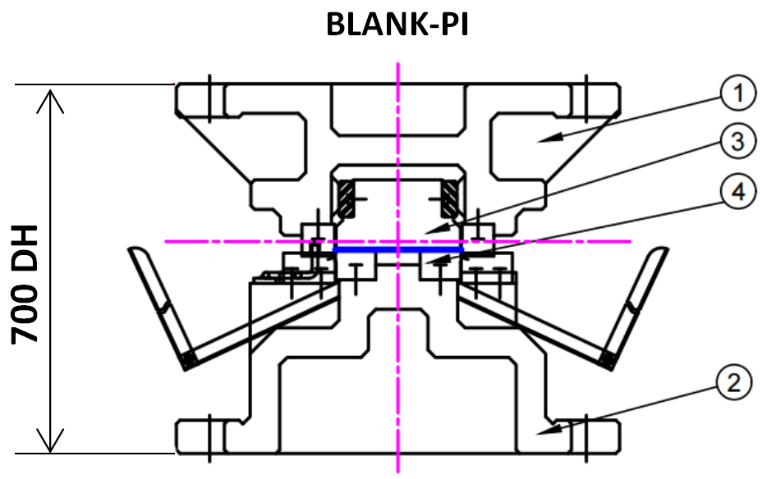 |  |  |  |  |  |  |  |  |  |  |  |  |  |  |  |  |  |  |  |  |  |  |  |  |  |  |  |  |  |  |  |  |  |  |  |  |  |  | 3 |  |  |  |  |  |  |  |  |  |  |  |  |  |  |  |  |  |  |  |  |  |  |  |  |  |  |  |  | B2 | 400 T | DC
8 |  |  |  |  |  |  |  |  |  |  |  |  |  |  |  |  |  |  |  |  |  |  |  |  |  |  |  |  |  |  |  |  |  |  |  |  |  |  |  |  |  |  |  |  |  |  |  |  |  |  |  |  |  |  |  |  |  |  |  |  |  |  |  |  |  |  |  |  |  |  |  |  |  | DOC-LEVEL |  |  |  |  |  |  |  |  |  |  |  |  |  |  |  |  |  |  |  |  |  |  |  |  |  |  |  |  | B3 | 400 T | DC
9 |  |  |  |  |  |  |  |  |  |  |  |  |  |  |  |  |  |  |  |  |  |  |  |  |  |  |  |  |  |  |  |  |  |  |  |  |  |  |  |  |  |  |  |  |  |  |  |  |  |  |  |  |  |  |  |  |  |  |  |  |  |  |  |  |  |  |  |  |  |  |  |  |  | RFQ |  |  |  |  |  |  |  |  |  |  |  |  |  |  |  |  |  |  |  |  |  |  |  |  |  |  |  |  | B4 | 400 T | -
10 | OP10 |  |  |  |  |  |  |  |  |  |  |  |  |  |  |  |  |  |  |  |  |  |  |  |  |  |  |  |  |  |  |  |  |  |  |  |  |  |  |  |  |  |  |  |  |  |  |  |  |  |  |  |  |  |  |  |  |  |  |  |  |  |  |  |  |  |  |  |  |  |  |  |  |  |  |  |  |  |  |  |  |  |  |  |  |  |  |  |  |  |  |  |  |  |  |  |  |  |  |  |  |  | C1 | 350 T | DC
11 |  |  |  |  |  |  |  |  |  |  |  |  |  |  |  |  |  |  |  |  |  |  |  |  |  |  |  |  |  |  |  |  |  |  |  |  |  |  |  |  |  |  |  |  |  |  |  |  |  |  |  |  |  |  |  |  |  |  |  |  |  |  |  |  |  |  |  |  |  |  |  |  |  |  |  |  |  |  |  |  |  |  |  |  |  |  |  |  |  |  |  |  |  |  |  |  |  |  |  |  |  |  | C2 | 350 T | DC
12 |  |  |  |  |  |  |  |  |  |  |  |  |  |  |  |  |  |  |  |  |  |  |  |  |  |  |  |  |  |  |  |  |  |  |  |  |  |  |  |  |  |  |  |  |  |  |  |  |  |  |  |  |  |  |  |  |  |  |  |  |  |  |  |  |  |  |  |  |  |  |  |  |  | BLANK LAYOUT |  |  |  |  |  |  |  |  |  |  |  |  |  |  |  |  |  |  |  |  |  |  |  |  |  |  |  |  | D1 | 1,000 T | DC
13 | PROC. |  |  |  |  |  |  |  |  |  |  |  |  |  |  |  |  |  |  |  |  |  |  |  |  |  |  |  |  |  |  |  |  |  |  |  |  |  |  |  |  |  |  |  |  |  |  |  |  |  |  |  |  |  |  |  |  |  |  |  |  |  |  |  |  |  |  |  |  |  |  |  |  |  |  |  |  |  |  |  |  |  |  |  |  |  |  |  |  |  |  |  |  |  |  |  |  |  |  |  |  |  | D2 | 800 T | DC

14 |  |  |  |  |  |  |  |  |  |  |  |  |  |  |  |  |  |  |  |  |  |  |  |  |  |  |  |  |  |  |  |  |  |  |  |  |  |  |  |  |  |  |  |  |  |  |  |  |  |  |  |  |  |  |  |  |  |  |  |  |  |  |  |  |  |  |  |  |  |  |  |  |  |  |  |  |  |  |  |  |  |  |  |  |  |  |  |  |  |  |  |  |  |  |  |  |  |  |  |  |  |  | D3 | 500 T | -
15 |  |  |  |  |  |  |  |  |  |  |  |  |  |  |  |  |  |  |  |  |  |  |  |  |  |  |  |  |  |  |  |  |  |  |  |  |  |  |  |  |  |  |  |  |  |  |  |  |  |  |  |  |  |  |  |  |  |  |  |  |  |  |  |  |  |  |  |  |  |  |  |  |  |  |  |  |  |  |  |  |  |  |  |  |  |  |  |  |  |  |  |  |  |  |  |  |  |  |  |  |  |  | D4 | 500 T | -
16 | DRAW |  |  |  |  |  |  |  |  |  |  |  |  |  |  |  |  |  |  |  |  |  |  |  |  |  |  |  |  |  |  |  |  |  | 1 | Upper |  |  |  | UPPER |  |  |  |  | 4 | SLIDING |  |  |  |  |  |  |  |  |  |  |  |  |  | 7 | INSERT |  |  |  |  |  |  |  |  |  |  |  |  |  |  |  |  |  |  |  |  |  |  |  |  |  |  |  |  |  |  |  |  |  |  |  |  |  |  |  |  |  | E1 | 1,500 T | DC
17 |  |  |  |  |  |  |  |  |  |  |  |  |  |  |  |  |  |  |  |  |  |  |  |  |  |  |  |  |  |  |  |  |  |  | 2 | Lower |  |  |  | PAD |  |  |  |  | 5 | PAD LIFTER |  |  |  |  |  |  |  |  |  |  |  |  |  | Flame Hard |  |  |  |  |  |  |  |  |  |  |  |  |  |  |  |  |  |  |  |  |  |  |  |  |  |  |  |  |  |  |  |  |  |  |  |  |  |  |  |  |  |  | E2 | 600 T | -
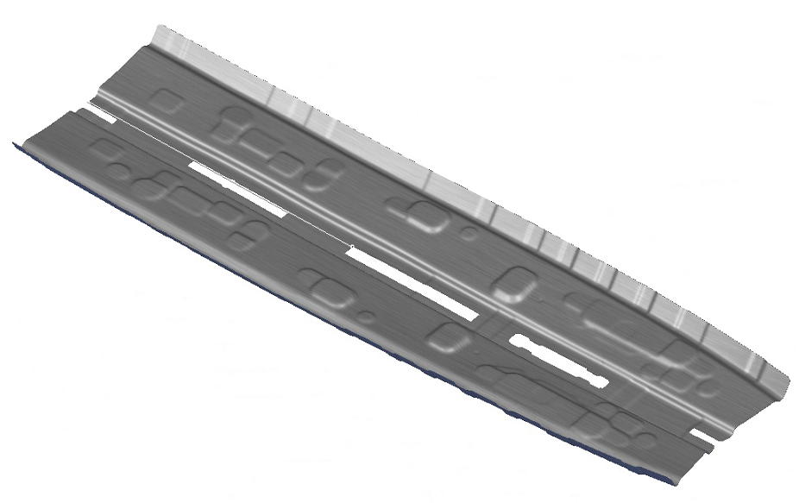
18 |  |  |  |  |  |  |  |  |  |  |  |  |  |  |  |  |  |  |  |  |  |  |  |  |  |  |  |  |  |  |  |  |  |  | 3 | PAD |  |  |  | FC300 |  |  |  |  | 6 | Pad Lifter |  |  |  |  |  |  |  | Gas Spring |  |  |  |  |  |  |  |  |  |  |  |  |  |  |  |  |  |  |  |  |  |  |  |  |  |  |  |  |  |  |  |  |  |  |  |  |  |  |  |  |  |  |  |  |  |  |  |  | E3 | 600 T | -
19 | OP |  |  |  |  |  |  |  |  |  |  |  |  |  |  |  |  |  |  |  |  |  |  |  |  |  |  |  |  |  |  |  |  |  | 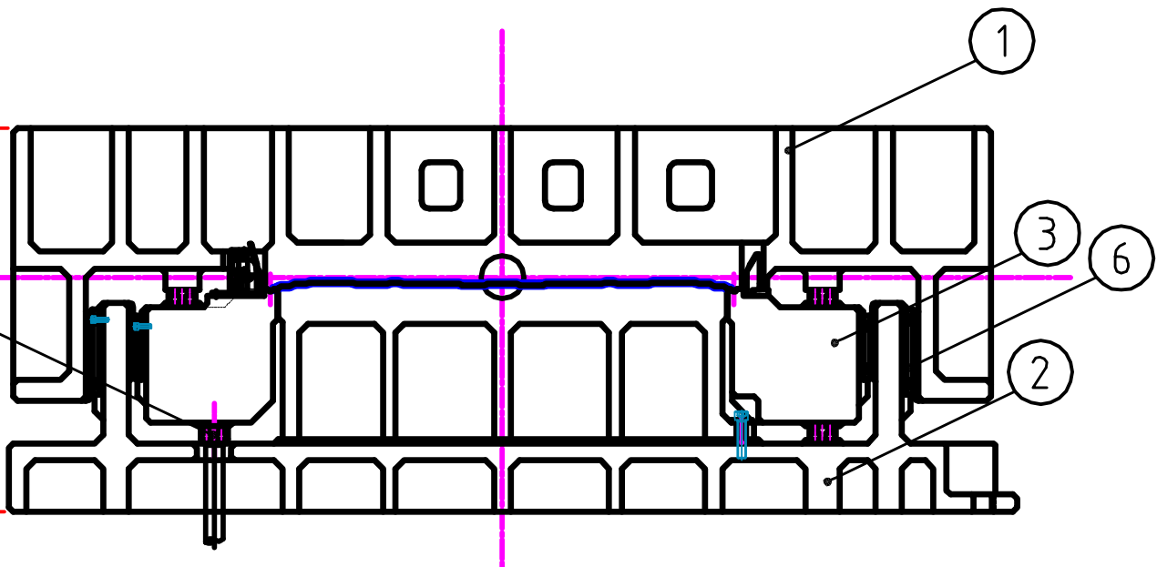 |  |  |  |  |  |  |  |  |  |  |  |  |  |  |  |  |  |  |  |  |  |  |  |  |  |  |  |  |  |  |  |  |  |  |  |  |  |  |  |  |  |  |  |  |  |  |  |  |  |  |  |  |  |  |  |  |  |  |  |  |  |  |  |  |  |  |  | E4 | 600 T | -
20 |  |  |  |  |  |  |  |  |  |  |  |  |  |  |  |  |  |  |  |  |  |  |  |  |  |  |  |  |  |  |  |  |  |  |  |  |  |  |  |  |  |  |  |  |  |  |  |  |  |  |  |  |  |  |  |  |  |  |  |  |  |  |  |  |  |  |  |  |  |  |  |  |  |  |  |  |  |  |  |  |  |  |  |  |  |  |  |  |  |  |  |  |  |  |  |  |  |  |  |  |  |  | F1 | 1,000 T | DC | PRESS LAYOUT
21 |  |  |  |  |  |  |  |  |  |  |  |  |  |  |  |  |  |  |  |  |  |  |  |  |  |  |  |  |  |  |  |  |  |  |  |  |  |  |  |  |  |  |  |  |  |  |  |  |  |  |  |  |  |  |  |  |  |  |  |  |  |  |  |  |  |  |  |  |  |  |  |  |  |  |  |  |  |  |  |  |  |  |  |  |  |  |  |  |  |  |  |  |  |  |  |  |  |  |  |  |  |  | F2 | 600 T | -
22 | OP20 |  |  |  |  |  |  |  |  |  |  |  |  |  |  |  |  |  |  |  |  |  |  |  |  |  |  |  |  |  |  |  |  |  |  |  |  |  |  |  |  |  |  |  |  |  |  |  |  |  |  |  |  |  |  |  |  |  |  |  |  |  |  |  |  |  |  |  |  |  |  |  |  |  |  |  |  |  |  |  |  |  |  |  |  |  |  |  |  |  |  |  |  |  |  |  |  |  |  |  |  |  | F3 | 600 T | DC | Total Qty = 5 SET DIES
23 |  |  |  |  |  |  |  |  |  |  |  |  |  |  |  |  |  |  |  |  |  |  |  |  |  |  |  |  |  |  |  |  |  |  |  |  |  |  |  |  |  |  |  |  |  |  |  |  |  |  |  |  |  |  |  |  |  |  |  |  |  |  |  |  |  |  |  |  |  |  |  |  |  |  |  |  |  |  |  |  |  |  |  |  |  |  |  |  |  |  |  |  |  |  |  |  |  |  |  |  |  |  | F4 | 600 T | - | Total M/P = 10 M/P
24 |  |  |  |  |  |  |  |  |  |  |  |  |  |  |  |  |  |  |  |  |  |  |  |  |  |  |  |  |  |  |  |  |  |  |  |  |  |  |  |  |  |  |  |  |  |  |  |  |  |  |  |  |  |  |  |  |  |  |  |  |  |  |  |  |  |  |  |  |  |  |  |  |  |  |  |  |  |  |  |  |  |  |  |  |  |  |  |  |  |  |  |  |  |  |  |  |  |  |  |  |  |  | G1 | 1,000 T | DC | Total Stroke = 5 Stroke
25 | PROC. |  |  |  |  |  |  |  |  |  |  |  |  |  |  |  |  |  |  |  |  |  |  |  |  |  |  |  |  |  |  |  |  |  |  |  |  |  |  |  |  |  |  |  |  |  |  |  |  |  |  |  |  |  |  |  |  |  |  |  |  |  |  |  |  |  |  |  |  |  |  |  |  |  |  |  |  |  |  |  |  |  |  |  |  |  |  |  |  |  |  |  |  |  |  |  |  |  |  |  |  |  | G2 | 600 T | -
26 |  |  |  |  |  |  |  |  |  |  |  |  |  |  |  |  |  |  |  |  |  |  |  |  |  |  |  |  |  |  |  |  |  |  |  |  |  |  |  |  |  |  |  |  |  |  |  |  |  |  |  |  |  |  |  |  |  |  |  |  |  |  |  |  |  |  |  |  |  |  |  |  |  |  |  |  |  |  |  |  |  |  |  |  |  |  |  |  |  |  |  |  |  |  |  |  |  |  |  |  |  |  | G3 | 600 T | DC
27 |  |  |  |  |  |  |  |  |  |  |  |  |  |  |  |  |  |  |  |  |  |  |  |  |  |  |  |  |  |  |  |  |  |  |  |  |  |  |  |  |  |  |  |  |  |  |  |  |  |  |  |  |  |  |  |  |  |  |  |  |  |  |  |  |  |  |  |  |  |  |  |  |  |  |  |  |  |  |  |  |  |  |  |  |  |  |  |  |  |  |  |  |  |  |  |  |  |  |  |  |  |  | G4 | 600 T | -
28 | DRAW |  |  |  |  |  |  |  |  |  |  |  |  |  |  |  |  |  |  |  |  |  |  |  |  |  |  |  |  |  |  |  |  |  | 1 | Upper |  |  |  | UPPER |  |  |  |  | 4 | SLIDING |  |  |  |  |  |  |  |  |  |  |  |  |  | 7 | INSERT |  |  |  |  |  |  |  |  |  |  |  |  |  |  |  |  |  |  |  |  |  |  |  |  |  |  |  |  |  |  |  |  |  |  |  |  |  |  |  |  |  | H1 | 800 T | DC
29 |  |  |  |  |  |  |  |  |  |  |  |  |  |  |  |  |  |  |  |  |  |  |  |  |  |  |  |  |  |  |  |  |  |  | 2 | Lower |  |  |  | LOWER |  |  |  |  | 5 | GUIDE |  |  |  |  |  |  |  |  |  |  |  |  |  | Vacum FullHard |  |  |  |  |  |  |  |  |  |  |  |  |  |  |  |  |  |  |  |  |  |  |  |  |  |  |  |  |  |  |  |  |  |  |  |  |  |  |  |  |  |  | H2 | 500 T | -
30 |  |  |  |  |  |  |  |  |  |  |  |  |  |  |  |  |  |  |  |  |  |  |  |  |  |  |  |  |  |  |  |  |  |  | 3 | Pad |  |  |  | PAD |  |  |  |  | 6 | PAD LIFTER |  |  |  |  |  |  |  |  |  |  |  |  |  |  |  |  |  |  |  |  |  |  |  |  |  |  |  |  |  |  |  |  |  |  |  |  |  |  |  |  |  |  |  |  |  |  |  |  |  |  |  |  |  |  |  |  | H3 | 500 T | DC
31 | OP | 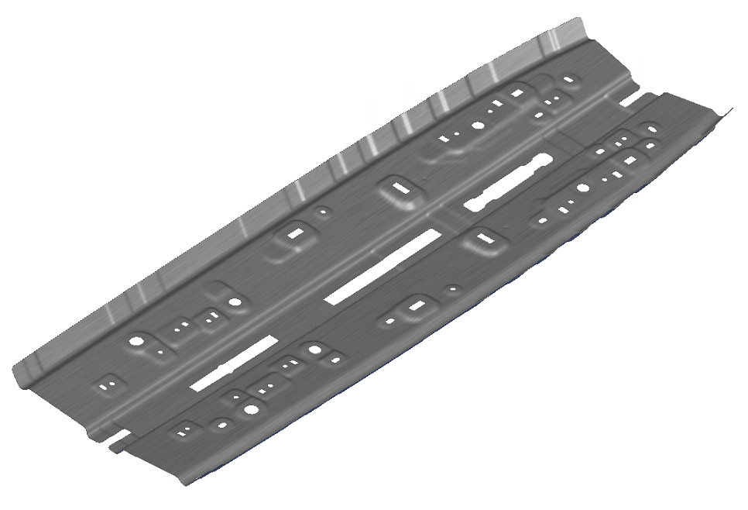 |  |  |  |  |  |  |  |  |  |  |  |  |  |  |  |  |  |  |  |  |  |  |  |  |  |  |  |  |  |  |  |  | 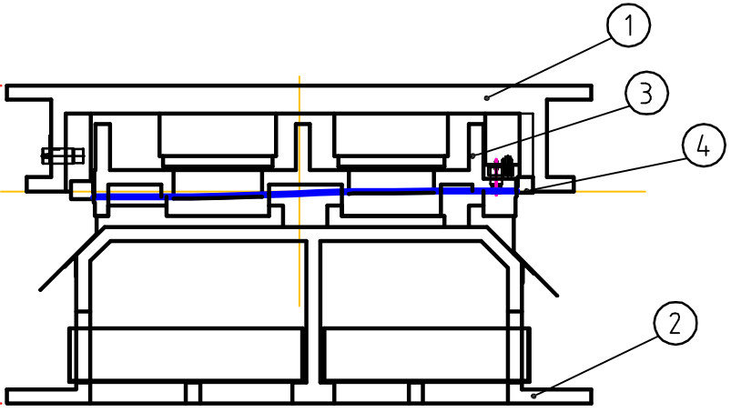 |  |  |  |  |  |  |  |  |  |  |  |  |  |  |  |  |  |  |  |  |  |  |  |  |  |  |  |  |  |  |  |  |  |  |  |  |  |  | PRESS M/C SPEC |  |  |  |  |  |  |  |  |  |  |  |  |  |  |  |  |  |  |  |  |  |  |  |  |  |  |  |  | H4 | 500 T | -
32 |  |  |  |  |  |  |  |  |  |  |  |  |  |  |  |  |  |  |  |  |  |  |  |  |  |  |  |  |  |  |  |  |  |  |  |  |  |  |  |  |  |  |  |  |  |  |  |  |  |  |  |  |  |  |  |  |  |  |  |  |  |  |  |  |  |  |  |  |  |  |  |  |  | MACHINE STD |  |  |  |  |  |  |  |  |  | B1 |  |  |  |  |  | B2-3 |  |  |  |  |  | B4 |  |  |  |  |  |  | MP | 300 T | DC
33 |  |  |  |  |  |  |  |  |  |  |  |  |  |  |  |  |  |  |  |  |  |  |  |  |  |  |  |  |  |  |  |  |  |  |  |  |  |  |  |  |  |  |  |  |  |  |  |  |  |  |  |  |  |  |  |  |  |  |  |  |  |  |  |  |  |  |  |  |  |  |  |  |  | Bolster Area |  |  |  |  |  |  |  | L |  | 2500 |  |  |  |  |  | 2500 |  |  |  |  |  | 2500 |  |  |  |  |  |  | SP1 | 150 T | DC
34 | OP30 |  |  |  |  |  |  |  |  |  |  |  |  |  |  |  |  |  |  |  |  |  |  |  |  |  |  |  |  |  |  |  |  |  |  |  |  |  |  |  |  |  |  |  |  |  |  |  |  |  |  |  |  |  |  |  |  |  |  |  |  |  |  |  |  |  |  |  |  |  |  |  |  |  |  |  |  |  |  |  |  | W |  | 1700 |  |  |  |  |  | 1600 |  |  |  |  |  | 1600 |  |  |  |  |  |  | SP2 | 110 T | -
35 |  |  |  |  |  |  |  |  |  |  |  |  |  |  |  |  |  |  |  |  |  |  |  |  |  |  |  |  |  |  |  |  |  |  |  |  |  |  |  |  |  |  |  |  |  |  |  |  |  |  |  |  |  |  |  |  |  |  |  |  |  |  |  |  |  |  |  |  |  |  |  |  |  | Slide Area |  |  |  |  |  |  |  | L |  | 2500 |  |  |  |  |  | 2500 |  |  |  |  |  | 2500 |  |  |  |  |  |  | SP3 | 80 T | -
36 |  |  |  |  |  |  |  |  |  |  |  |  |  |  |  |  |  |  |  |  |  |  |  |  |  |  |  |  |  |  |  |  |  |  |  |  |  |  |  |  |  |  |  |  |  |  |  |  |  |  |  |  |  |  |  |  |  |  |  |  |  |  |  |  |  |  |  |  |  |  |  |  |  |  |  |  |  |  |  |  |  | W |  | 1700 |  |  |  |  |  | 1600 |  |  |  |  |  | 1600
37 | PROC. |  |  |  |  |  |  |  |  |  |  |  |  |  |  |  |  |  |  |  |  |  |  |  |  |  |  |  |  |  |  |  |  |  |  |  |  |  |  |  |  |  |  |  |  |  |  |  |  |  |  |  |  |  |  |  |  |  |  |  |  |  |  |  |  |  |  |  |  |  |  |  |  | Die height max |  |  |  |  |  |  |  |  |  | 750 |  |  |  |  |  | 750 |  |  |  |  |  | 750
38 |  |  |  |  |  |  |  |  |  |  |  |  |  |  |  |  |  |  |  |  |  |  |  |  |  |  |  |  |  |  |  |  |  |  |  |  |  |  |  |  |  |  |  |  |  |  |  |  |  |  |  |  |  |  |  |  |  |  |  |  |  |  |  |  |  |  |  |  |  |  |  |  |  | Slide Adjust. |  |  |  |  |  |  |  |  |  | 350 |  |  |  |  |  | 350 |  |  |  |  |  | 350
39 |  |  |  |  |  |  |  |  |  |  |  |  |  |  |  |  |  |  |  |  |  |  |  |  |  |  |  |  |  |  |  |  |  |  |  |  |  |  |  |  |  |  |  |  |  |  |  |  |  |  |  |  |  |  |  |  |  |  |  |  |  |  |  |  |  |  |  |  |  |  |  |  |  | Die Cushion Pad |  |  |  |  |  |  |  | L |  | 2000 |  |  |  |  |  | 1850 |  |  |  |  |  | - |  |  |  |  |  |  | CASTING | PLATE
40 | DRAW |  |  |  |  |  |  |  |  |  |  |  |  |  |  |  |  |  |  |  |  |  |  |  |  |  |  |  |  |  |  |  |  |  | 1 | Upper |  |  |  | UPPER |  |  |  |  | 4 | SLIDING |  |  |  |  |  |  |  |  |  |  |  |  |  | 7 | INSERT |  |  |  |  |  |  |  |  |  |  |  |  |  |  |  |  |  |  |  |  | W |  | 1000 |  |  |  |  |  | 950 |  |  |  |  |  | -
41 |  |  |  |  |  |  |  |  |  |  |  |  |  |  |  |  |  |  |  |  |  |  |  |  |  |  |  |  |  |  |  |  |  |  | 2 | Lower |  |  |  | LOWER |  |  |  |  | 5 | GUIDE |  |  |  |  |  |  |  |  |  |  |  |  |  |  |  |  |  |  |  |  |  |  |  |  |  |  |  | Cushion Stroke |  |  |  |  |  |  |  |  |  | 0-250 |  |  |  |  |  | 0-250 |  |  |  |  |  | - |  |  |  |  |  |  | DIE WEIGHT CONST. | DIE WEIGHT CONST.
42 |  |  |  |  |  |  |  |  |  |  |  |  |  |  |  |  |  |  |  |  |  |  |  |  |  |  |  |  |  |  |  |  |  |  | 3 | Pad |  |  |  | PAD |  |  |  |  | 6 | PAD LIFTER |  |  |  |  |  |  |  |  |  |  |  |  |  |  |  |  |  |  |  |  |  |  |  |  |  |  |  | PROCESS DETAIL
43 | OP | 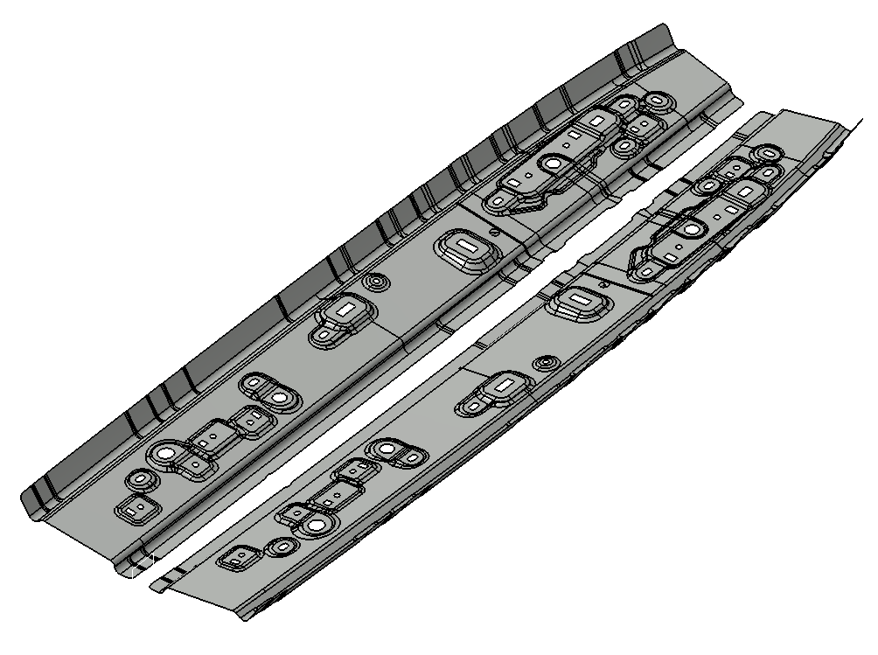 |  |  |  |  |  |  |  |  |  |  |  |  |  |  |  |  |  |  |  |  |  |  |  |  |  |  |  |  |  |  |  |  |  |  |  |  |  |  |  |  |  |  |  |  |  |  |  |  |  |  |  |  |  |  |  |  |  |  |  |  |  |  |  |  |  |  |  |  |  |  |  | PRO CESS |  |  |  |  | QTY |  |  | MC & DIE CUSHION |  |  |  |  |  | DIE SIZE (mm) |  |  |  |  |  |  | DIE WGHT & MAIN PRESSURE |  |  |  |  |  |  |  | 44% | 50% | BEND
44
45
46 | 40 |  |  |  |  |  |  |  |  |  |  |  |  |  |  |  |  |  |  |  |  |  |  |  |  |  |  |  |  |  |  |  |  |  |  |  |  |  |  |  |  |  |  |  |  |  |  |  |  |  |  |  |  |  |  |  |  |  |  |  |  |  |  |  |  |  |  |  |  |  |  |  |  | OP OP10 |  |  |  |  | 1 |  |  | B4 |  |  |  |  |  | L |  | 550 |  |  |  |  | 169 kg |  |  |  |  |  |  |  | 40% | 52% | BLANK
47 |  |  |  |  |  |  |  |  |  |  |  |  |  |  |  |  |  |  |  |  |  |  |  |  |  |  |  |  |  |  |  |  |  |  |  |  |  |  |  |  |  |  |  |  |  |  |  |  |  |  |  |  |  |  |  |  |  |  |  |  |  |  |  |  |  |  |  |  |  |  |  |  |  | OP10 |  |  |  |  |  |  |  | 400 T |  |  |  |  |  | W |  | 350
48 |  |  |  |  |  |  |  |  |  |  |  |  |  |  |  |  |  |  |  |  |  |  |  |  |  |  |  |  |  |  |  |  |  |  |  |  |  |  |  |  |  |  |  |  |  |  |  |  |  |  |  |  |  |  |  |  |  |  |  |  |  |  |  |  |  |  |  |  |  |  |  |  |  |  |  |  |  |  |  |  |  | - |  |  |  |  |  | H |  | 280 |  |  |  |  | 328.0 T |  |  |  |  |  |  | 327859.2
49 | PROC. |  |  |  |  |  |  |  |  |  |  |  |  |  |  |  |  |  |  |  |  |  |  |  |  |  |  |  |  |  |  |  |  |  |  |  |  |  |  |  |  |  |  |  |  |  |  |  |  |  |  |  |  |  |  |  |  |  |  |  |  |  |  |  |  |  |  |  |  |  |  |  |  | OP OP20 |  |  |  |  | 1 |  |  | B1 |  |  |  |  |  | L |  | 500 |  |  |  |  | 166 kg |  |  |  |  |  |  |  | 37% | 45% | DRAW
50 |  |  |  |  |  |  |  |  |  |  |  |  |  |  |  |  |  |  |  |  |  |  |  |  |  |  |  |  |  |  |  |  |  |  |  |  |  |  |  |  |  |  |  |  |  |  |  |  |  |  |  |  |  |  |  |  |  |  |  |  |  |  |  |  |  |  |  |  |  |  |  |  |  | OP20 |  |  |  |  |  |  |  | 800 T |  |  |  |  |  | W |  | 300
51 |  |  |  |  |  |  |  |  |  |  |  |  |  |  |  |  |  |  |  |  |  |  |  |  |  |  |  |  |  |  |  |  |  |  |  |  |  |  |  |  |  |  |  |  |  |  |  |  |  |  |  |  |  |  |  |  |  |  |  |  |  |  |  |  |  |  |  |  |  |  |  |  |  |  |  |  |  |  |  |  |  | DC |  |  |  |  |  | H |  | 320 |  |  |  |  | 545.0 T |  |  |  |  |  |  | 544704
52 | PI-SEPARATING |  |  |  |  |  |  |  |  |  |  |  |  |  |  |  |  |  |  |  |  |  |  |  |  |  |  |  |  |  |  |  |  |  | 1 | Upper |  |  |  | FC300 |  |  |  |  | 4 | Sliding |  |  |  |  | Wear Plate |  |  |  |  |  |  |  |  | 7 | Insert |  |  |  | SX105V |  |  |  |  |  |  |  |  | OP OP30 |  |  |  |  | 1 |  |  | B2 |  |  |  |  |  | L |  | 620 |  |  |  |  | 243 kg |  |  |  |  |  |  |  | 40% | 46% | FLANGE
53 |  |  |  |  |  |  |  |  |  |  |  |  |  |  |  |  |  |  |  |  |  |  |  |  |  |  |  |  |  |  |  |  |  |  | 2 | Lower |  |  |  | FC300 |  |  |  |  | 5 | Guide |  |  |  |  | Guide Post |  |  |  |  |  |  |  |  | Flame Hard |  |  |  |  |  |  |  |  |  |  |  |  |  | OP30 |  |  |  |  |  |  |  | 400 T |  |  |  |  |  | W |  | 400
54 |  |  |  |  |  |  |  |  |  |  |  |  |  |  |  |  |  |  |  |  |  |  |  |  |  |  |  |  |  |  |  |  |  |  | 3 | Pad |  |  |  | FC300 |  |  |  |  | 6 | Pad Lifter |  |  |  |  |  |  |  | Coil Spring |  |  |  |  |  |  |  |  |  |  |  |  |  |  |  |  |  |  |  |  |  |  |  |  |  |  |  | DC |  |  |  |  |  | H |  | 320 |  |  |  |  | 126.0 T |  |  |  |  |  |  | 405120
55 | OP |  |  |  |  |  |  |  |  |  |  |  |  |  |  |  |  |  |  |  |  |  |  |  |  |  |  |  |  |  |  |  |  |  |  |  |  |  |  |  |  |  |  |  |  |  |  |  |  |  |  |  |  |  |  |  |  |  |  |  |  |  |  |  |  |  |  |  |  |  |  |  |  | OP 40 |  |  |  |  | 1 |  |  | B3 |  |  |  |  |  | L |  | 1650 |  |  |  |  | 3182 kg |  |  |  |  |  |  |  | 43% | 50% | FORM
56 |  |  |  |  |  |  |  |  |  |  |  |  |  |  |  |  |  |  |  |  |  |  |  |  |  |  |  |  |  |  |  |  |  |  |  |  |  |  |  |  |  |  |  |  |  |  |  |  |  |  |  |  |  |  |  |  |  |  |  |  |  |  |  |  |  |  |  |  |  |  |  |  |  | PI-SEPARATING |  |  |  |  |  |  |  | 400 T |  |  |  |  |  | W |  | 900
57 |  |  |  |  |  |  |  |  |  |  |  |  |  |  |  |  |  |  |  |  |  |  |  |  |  |  |  |  |  |  |  |  |  |  |  |  |  |  |  |  |  |  |  |  |  |  |  |  |  |  |  |  |  |  |  |  |  |  |  |  |  |  |  |  |  |  |  |  |  |  |  |  |  |  |  |  |  |  |  |  |  | DC |  |  |  |  |  | H |  | 700 |  |  |  |  | 126 T |  |  |  |  |  |  | 125491.2
58 |  |  |  |  |  |  |  |  |  |  |  |  |  |  |  |  |  |  |  |  |  |  |  |  |  |  |  |  |  |  |  |  |  |  |  |  |  |  |  |  |  |  |  |  |  |  |  |  |  |  |  |  |  |  |  |  |  |  |  |  |  |  |  |  |  |  |  |  |  |  |  |  |  |  |  |  |  |  |  |  |  |  |  |  |  |  |  |  |  |  |  |  |  |  |  |  |  |  |  |  |  |  | 39% | 46% | PIE
59
60
61 | PROC. |  |  |  |  |  |  |  |  |  |  |  |  |  |  |  |  |  |  |  |  |  |  |  |  |  |  |  |  |  |  |  |  |  |  |  |  |  |  |  |  |  |  |  |  |  |  |  |  |  |  |  |  |  |  |  |  |  |  |  |  |  |  |  |  |  |  |  |  |  |  |  |  |  |  |  |  |  |  |  |  |  |  |  |  |  |  |  |  |  |  |  |  |  |  |  |  |  |  |  |  |  | 38% | 52% | TRIM
62
63
64 |  |  |  |  |  |  |  |  |  |  |  |  |  |  |  |  |  |  |  |  |  |  |  |  |  |  |  |  |  |  |  |  |  |  |  |  |  |  |  |  |  |  |  |  |  |  |  |  |  |  |  |  |  |  |  |  |  |  |  |  |  |  |  |  |  |  |  |  |  |  |  |  |  | C/F |  |  |  |  |  |  |  | 1 Unit |  |  |  |  |  |  |  |  |  |  |  |  |  |  |  |  |  |  |  | RUMUS MP
65 |  |  |  |  |  |  |  |  |  |  |  |  |  |  |  |  |  |  |  |  |  |  |  |  |  |  |  |  |  |  |  |  |  |  | 1 | Upper |  |  |  |  |  |  |  |  | 4 | Sliding |  |  |  |  |  |  |  |  |  |  |  |  |  | 7 | Insert |  |  |  |  |  |  |  |  |  |  |  |  | LOCATION |  |  |  |  |  |  |  |  |  |  |  |  |  | MAJ TAMBUN |  |  |  |  |  |  |  |  |  |  |  |  |  |  |  |  | BL/TR
66 |  |  |  |  |  |  |  |  |  |  |  |  |  |  |  |  |  |  |  |  |  |  |  |  |  |  |  |  |  |  |  |  |  |  | 2 | Lower |  |  |  |  |  |  |  |  | 5 | Guide |  |  |  |  |  |  |  |  |  |  |  |  |  |  |  |  |  |  |  |  |  |  |  |  |  |  |  | MTL SPEC. |  |  |  |  |  |  |  |  |  |  |  | mjax590r |  |  |  |  |  |  |  |  |  | t= |  | 2.00 |  |  |  | (l x t x 0.8 x 1.2 x kons. Temsile x 2.5) |  |  | DRAW
67 |  |  |  |  |  |  |  |  |  |  |  |  |  |  |  |  |  |  |  |  |  |  |  |  |  |  |  |  |  |  |  |  |  |  | 3 | Pad |  |  |  |  |  |  |  |  | 6 | Pad Lifter |  |  |  |  |  |  |  |  |  |  |  |  |  |  |  |  |  |  |  |  |  |  |  |  |  |  |  | BLANK SIZE |  |  |  |  |  |  |  | WEIGHT (kg)
68 | OP |  |  |  |  |  |  |  |  |  |  |  |  |  |  |  |  |  |  |  |  |  |  |  |  |  |  |  |  |  |  |  |  |  |  |  |  |  |  |  |  |  |  |  |  |  |  |  |  |  |  |  |  |  |  |  |  |  |  |  |  |  |  |  |  |  |  |  |  |  |  |  |  | L |  | 1040 |  |  |  |  |  | BLANK |  |  |  |  |  | PANEL |  |  |  |  |  |  | SCRAP |  |  |  |  |  |  | RM WEIGHT
69 |  |  |  |  |  |  |  |  |  |  |  |  |  |  |  |  |  |  |  |  |  |  |  |  |  |  |  |  |  |  |  |  |  |  |  |  |  |  |  |  |  |  |  |  |  |  |  |  |  |  |  |  |  |  |  |  |  |  |  |  |  |  |  |  |  |  |  |  |  |  |  |  |  | W |  | 360 |  |  |  |  |  | 0.206 kg |  |  |  |  |  | 0.158 kg |  |  |  |  |  |  | 0.048 kg |  |  |  |  |  |  | 5.87808 | KG ------------> | BAIK TIDAK LEBIH DARI 6KG
70 |  |  |  |  |  |  |  |  |  |  |  |  |  |  |  |  |  |  |  |  |  |  |  |  |  |  |  |  |  |  |  |  |  |  |  |  |  |  |  |  |  |  |  |  |  |  |  |  |  |  |  |  |  |  |  |  |  |  |  |  |  |  |  |  |  |  |  |  |  |  |  |  |  | n |  | 2
71 |  |  |  |  |  |  |  |  |  |  |  |  |  |  |  |  |  |  |  |  |  |  |  |  |  |  |  |  |  |  |  |  |  |  |  |  |  |  |  |  |  |  |  |  |  |  |  |  |  |  |  |  |  |  |  |  |  |  |  |  |  |  |  |  |  |  |  |  |  |  |  |  |  | Part No : 7441 |  |  |  |  |  |  |  |  |  |  |  |  |  | Part Name : sym
72
73
74 | PROC. |  |  |  |  |  |  |  |  |  |  |  |  |  |  |  |  |  |  |  |  |  |  |  |  |  |  |  |  |  |  |  |  |  |  |  |  |  |  |  |  |  |  |  |  |  |  |  |  |  |  |  |  |  |  |  |  |  |  |  |  |  |  |  |  |  |  |  |  |  |  |  |  | APPROVED |  |  |  |  |  |  | CHECKED |  |  |  |  |  |  | CHECKED |  |  |  |  |  |  | PREPARED
75
76
77 |  |  |  |  |  |  |  |  |  |  |  |  |  |  |  |  |  |  |  |  |  |  |  |  |  |  |  |  |  |  |  |  |  |  |  |  |  |  |  |  |  |  |  |  |  |  |  |  |  |  |  |  |  |  |  |  |  |  |  |  |  |  |  |  |  |  |  |  |  |  |  |  |  | W. NUGROHO |  |  |  |  |  |  | HADI |  |  |  |  |  |  | ISKANDAR |  |  |  |  |  |  | NUR FAJRI
78 |  |  |  |  |  |  |  |  |  |  |  |  |  |  |  |  |  |  |  |  |  |  |  |  |  |  |  |  |  |  |  |  |  |  | 1 | Upper |  |  |  |  |  |  |  |  | 4 | Sliding |  |  |  |  |  |  |  |  |  |  |  |  |  | 7 | Insert
79 |  |  |  |  |  |  |  |  |  |  |  |  |  |  |  |  |  |  |  |  |  |  |  |  |  |  |  |  |  |  |  |  |  |  | 2 | Lower |  |  |  |  |  |  |  |  | 5 | Guide
80 |  |  |  |  |  |  |  |  |  |  |  |  |  |  |  |  |  |  |  |  |  |  |  |  |  |  |  |  |  |  |  |  |  |  | 3 | Pad |  |  |  |  |  |  |  |  | 6 | Pad Lifter

