Sheet1
 |  | 1 | 2 | 3 | 4 | 5 | 6 | 7 | 8 | 9 | 10 | 11 | 12 | 13 | 14 | 15 | 16 | 17 | 18 | 19 | 20 | 21 | 22 | 23 | 24 | 25 | 26 | 27 | 28 | 29 | 30 | 31 | 32 |  | 33 | 34 | 35 | 36 | 37 | 38 | 39 | 40 | 41 | 42 | 43 | 44 | 45 | 46 | 47 | 48 | 49 | 50 | 51 | 52 | 53 | 54 | 55 | 56 | 57 | 58 | 59 | 60 | 61 | 62 | 63 | 75 | 76 | 77 | 78 | 79 | 80 | 81 | 82 | 83 | 84 | 85 | 86 | 87 | 88 | 89 | 90 | 91 | 92 | 93 | 94 | 95 | 96 | 97 | 98 | 99 | 100 | 101 | 102 | 103 | 104 | 105 | 106 | 107 | 108 | 109 | 110

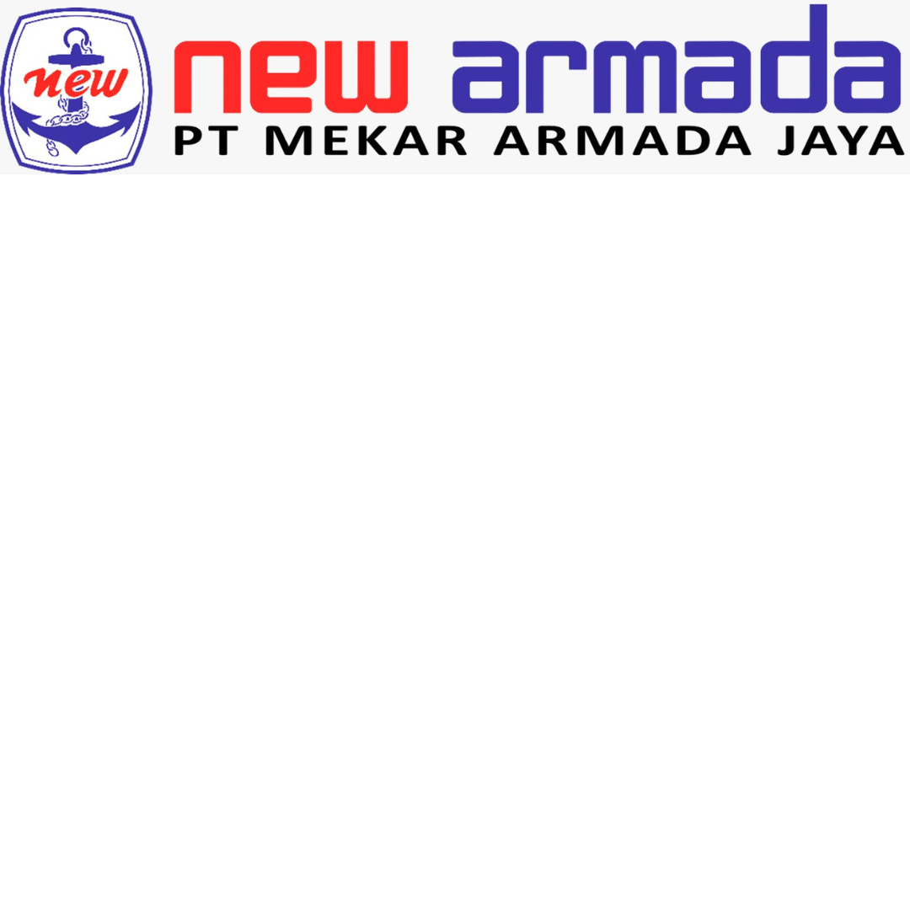
1 | PRESS PLANNING SHEET (PPS) |  |  |  |  |  |  |  |  |  |  |  |  |  |  |  |  |  |  |  |  |  |  |  |  |  |  |  |  |  |  |  |  |  |  |  |  |  |  |  |  |  |  |  |  |  | REVISION |  |  |  |  |  |  |  |  |  |  |  |  |  |  |  |  |  |  |  |  |  |  |  |  |  |  | PROCESS LAYOUT
2 |  |  |  |  |  |  |  |  |  |  |  |  |  |  |  |  |  |  |  |  |  |  |  |  |  |  |  |  |  |  |  |  |  |  |  |  |  |  |  |  |  |  |  |  |  |  | 4 |  |  |  |  |  |  |  |  |  |  |  |  |  |  |  |  |  |  |  |  |  |  |  |  |  |  | TTL QTY
3 | CUST. |  |  |  |  |  |  |  |  | MODEL |  |  |  |  |  |  |  |  |  |  |  | RECEIVE |  |  |  |  |  |  |  |  |  |  |  | UPDATE |  |  |  |  |  |  |  |  |  |  |  |  | 3 |  |  |  |  |  |  |  |  |  |  |  |  |  |  |  |  |  |  |  |  |  |  |  |  |  |  | 3
4 | MMKI |  |  |  |  |  |  |  |  | 5pv |  |  |  |  |  |  |  |  |  |  |  |  |  |  |  |  |  |  |  |  |  |  |  | 2025-03-04 |  |  |  |  |  |  |  |  |  |  |  |  | 2 |  |  |  |  |  |  |  |  |  |  |  |  |  |  |  |  |  |  |  |  |  |  |  |  |  |  | TTL M/P
5 |  |  |  |  |  |  |  |  |  |  |  |  |  |  |  |  |  |  |  |  |  |  |  |  |  |  |  |  |  |  |  |  |  |  |  |  |  |  |  |  |  |  |  |  |  |  | 1 |  |  |  |  |  |  |  |  |  |  |  |  |  |  |  |  |  |  |  |  |  |  |  |  |  |  | 6
6 |  | C-LAYOUT |  |  |  |  |  |  |  |  |  |  |  |  |  |  |  |  |  |  |  |  |  |  |  |  |  |  |  |  |  |  |  |  | DIE CONSTRUCTION |  |  |  |  |  |  |  |  |  |  |  |  |  |  |  |  |  |  |  |  |  |  |  |  |  |  |  |  |  |  |  |  |  |  |  |  |  |  | TTL STROKE
7 | OP | 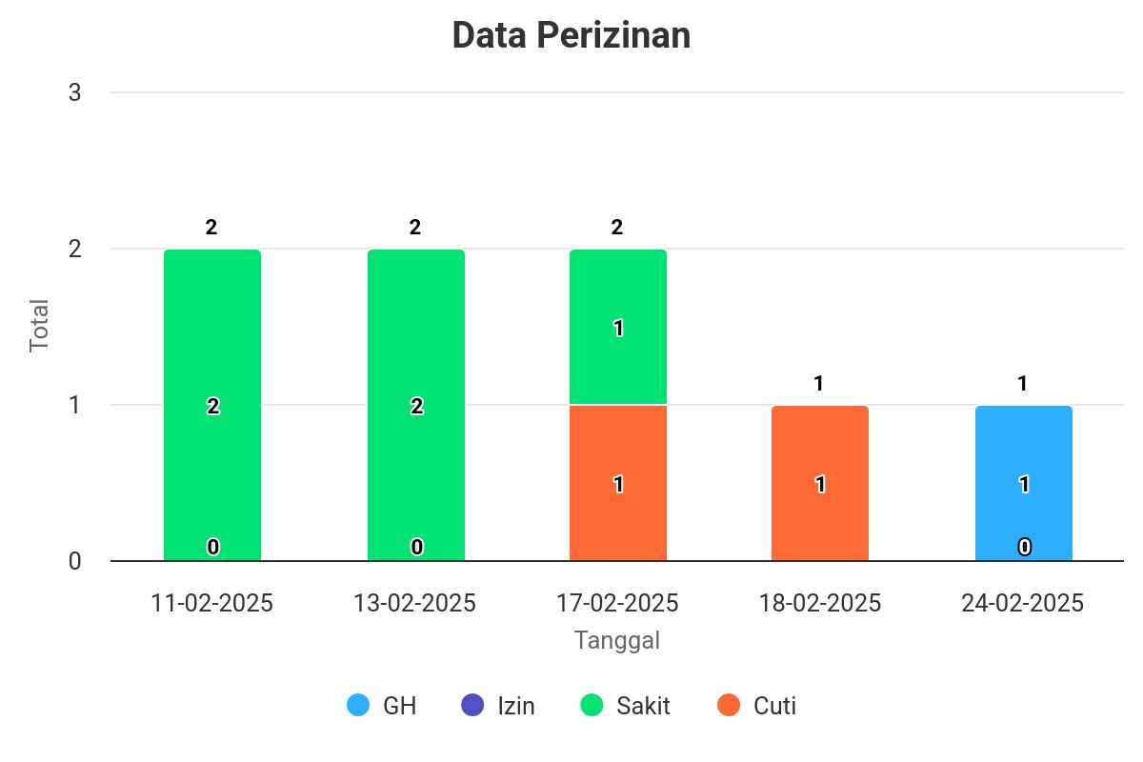 |  |  |  |  |  |  |  |  |  |  |  |  |  |  |  |  |  |  |  |  |  |  |  |  |  |  |  |  |  |  |  |  |  |  |  |  |  |  |  |  |  |  |  |  |  |  |  |  |  |  |  |  |  |  |  |  |  |  |  |  |  |  |  |  |  |  |  |  |  |  |  | 3
8 |  |  |  |  |  |  |  |  |  |  |  |  |  |  |  |  |  |  |  |  |  |  |  |  |  |  |  |  |  |  |  |  |  |  |  |  |  |  |  |  |  |  |  |  |  |  |  |  |  |  |  |  |  |  |  |  |  |  |  |  |  |  |  |  |  |  |  |  |  |  |  |  |  | DOC-LEVEL
9 |  |  |  |  |  |  |  |  |  |  |  |  |  |  |  |  |  |  |  |  |  |  |  |  |  |  |  |  |  |  |  |  |  |  |  |  |  |  |  |  |  |  |  |  |  |  |  |  |  |  |  |  |  |  |  |  |  |  |  |  |  |  |  |  |  |  |  |  |  |  |  |  |  | RFQ
10 | OP10
11
12 |  |  |  |  |  |  |  |  |  |  |  |  |  |  |  |  |  |  |  |  |  |  |  |  |  |  |  |  |  |  |  |  |  |  |  |  |  |  |  |  |  |  |  |  |  |  |  |  |  |  |  |  |  |  |  |  |  |  |  |  |  |  |  |  |  |  |  |  |  |  |  |  |  | BLANK LAYOUT
13 | PROC.
14
15
16 | DRAW |  |  |  |  |  |  |  |  |  |  |  |  |  |  |  |  |  |  |  |  |  |  |  |  |  |  |  |  |  |  |  |  |  |  | UPPER |  |  |  | FC300 |  |  |  |  |  | SLIDING |  |  |  |  | Wear Plate |  |  |  |  |  |  |  |  |  | INSERT
17 |  |  |  |  |  |  |  |  |  |  |  |  |  |  |  |  |  |  |  |  |  |  |  |  |  |  |  |  |  |  |  |  |  |  |  | LOWER |  |  |  | FC300 |  |  |  |  |  | PAD LIFTER |  |  |  |  | Guide Hell
18 |  |  |  |  |  |  |  |  |  |  |  |  |  |  |  |  |  |  |  |  |  |  |  |  |  |  |  |  |  |  |  |  |  |  |  | PAD
19 | OP |  |  |  |  |  |  |  |  |  |  |  |  |  |  |  |  |  |  |  |  |  |  |  |  |  |  |  |  |  |  |  |  |  | 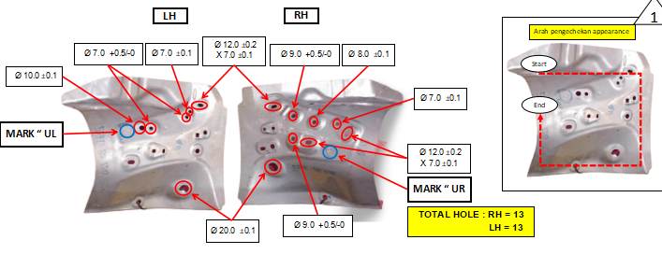
20
21
22 | OP20
23
24
25 | PROC.
26
27
28 | DRAW |  |  |  |  |  |  |  |  |  |  |  |  |  |  |  |  |  |  |  |  |  |  |  |  |  |  |  |  |  |  |  |  |  |  | UPPER |  |  |  | FC300 |  |  |  |  |  | SLIDING |  |  |  |  | Wear Plate |  |  |  |  |  |  |  |  |  | INSERT
29 |  |  |  |  |  |  |  |  |  |  |  |  |  |  |  |  |  |  |  |  |  |  |  |  |  |  |  |  |  |  |  |  |  |  |  | LOWER |  |  |  | FC300 |  |  |  |  |  | GUIDE |  |  |  |  | Guide Hell
30 |  |  |  |  |  |  |  |  |  |  |  |  |  |  |  |  |  |  |  |  |  |  |  |  |  |  |  |  |  |  |  |  |  |  |  |  |  |  |  |  |  |  |  |  |  | PAD LIFTER |  |  |  |  |  |  |  | Gas Spring
31 | OP | 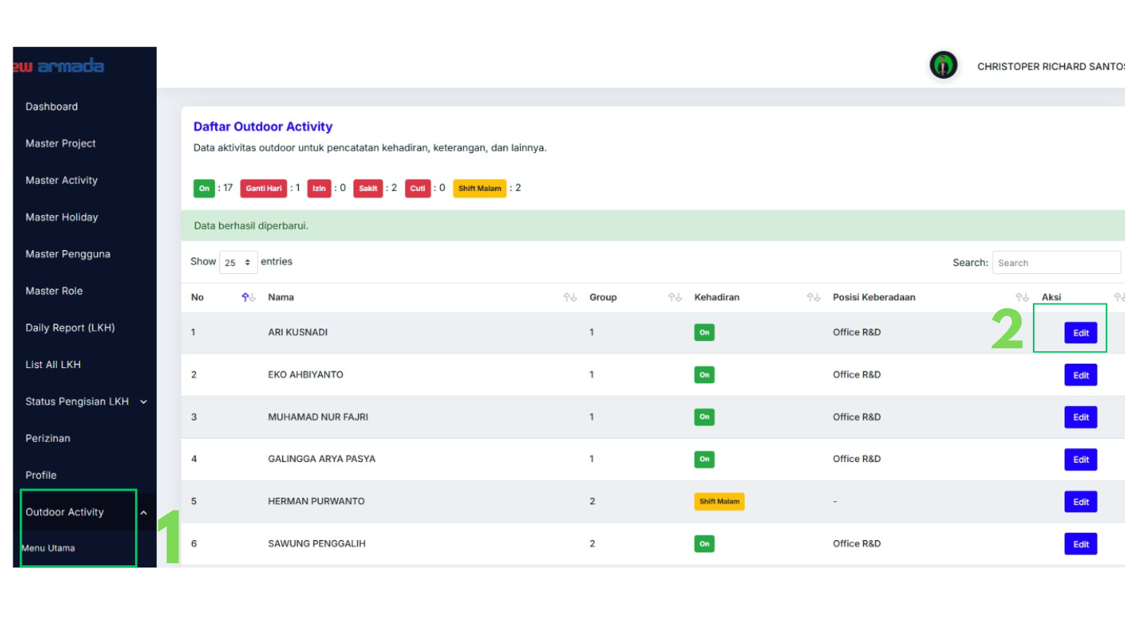 |  |  |  |  |  |  |  |  |  |  |  |  |  |  |  |  |  |  |  |  |  |  |  |  |  |  |  |  |  |  |  |  |  |  |  |  |  |  |  |  |  |  |  |  |  |  |  |  |  |  |  |  |  |  |  |  |  |  |  |  |  |  |  |  |  |  |  |  |  |  |  | PRESS M/C SPEC
32 |  |  |  |  |  |  |  |  |  |  |  |  |  |  |  |  |  |  |  |  |  |  |  |  |  |  |  |  |  |  |  |  |  |  |  |  |  |  |  |  |  |  |  |  |  |  |  |  |  |  |  |  |  |  |  |  |  |  |  |  |  |  |  |  |  |  |  |  |  |  |  |  |  | MACHINE STD |  |  |  |  |  |  |  |  |  | B1 |  |  |  |  |  | B2 - B3 |  |  |  |  |  | B1 - B2 - B3
33 |  |  |  |  |  |  |  |  |  |  |  |  |  |  |  |  |  |  |  |  |  |  |  |  |  |  |  |  |  |  |  |  |  |  |  |  |  |  |  |  |  |  |  |  |  |  |  |  |  |  |  |  |  |  |  |  |  |  |  |  |  |  |  |  |  |  |  |  |  |  |  |  |  | Bolster Area |  |  |  |  |  |  |  | L |  | 2500 |  |  |  |  |  | 2500
34 | OP30 |  |  |  |  |  |  |  |  |  |  |  |  |  |  |  |  |  |  |  |  |  |  |  |  |  |  |  |  |  |  |  |  |  |  |  |  |  |  |  |  |  |  |  |  |  |  |  |  |  |  |  |  |  |  |  |  |  |  |  |  |  |  |  |  |  |  |  |  |  |  |  |  |  |  |  |  |  |  |  |  | W |  | 1700 |  |  |  |  |  | 1600
35 |  |  |  |  |  |  |  |  |  |  |  |  |  |  |  |  |  |  |  |  |  |  |  |  |  |  |  |  |  |  |  |  |  |  |  |  |  |  |  |  |  |  |  |  |  |  |  |  |  |  |  |  |  |  |  |  |  |  |  |  |  |  |  |  |  |  |  |  |  |  |  |  |  | Slide Area |  |  |  |  |  |  |  | L |  | 2500 |  |  |  |  |  | 2500
36 |  |  |  |  |  |  |  |  |  |  |  |  |  |  |  |  |  |  |  |  |  |  |  |  |  |  |  |  |  |  |  |  |  |  |  |  |  |  |  |  |  |  |  |  |  |  |  |  |  |  |  |  |  |  |  |  |  |  |  |  |  |  |  |  |  |  |  |  |  |  |  |  |  |  |  |  |  |  |  |  |  | W |  | 1700 |  |  |  |  |  | 1600
37 | PROC. |  |  |  |  |  |  |  |  |  |  |  |  |  |  |  |  |  |  |  |  |  |  |  |  |  |  |  |  |  |  |  |  |  |  |  |  |  |  |  |  |  |  |  |  |  |  |  |  |  |  |  |  |  |  |  |  |  |  |  |  |  |  |  |  |  |  |  |  |  |  |  |  | Die height max |  |  |  |  |  |  |  |  |  | 280 |  |  |  |  |  | 280 |  |  |  |  |  | 600-950
38 |  |  |  |  |  |  |  |  |  |  |  |  |  |  |  |  |  |  |  |  |  |  |  |  |  |  |  |  |  |  |  |  |  |  |  |  |  |  |  |  |  |  |  |  |  |  |  |  |  |  |  |  |  |  |  |  |  |  |  |  |  |  |  |  |  |  |  |  |  |  |  |  |  | Slide Adjust. |  |  |  |  |  |  |  |  |  | 2000 |  |  |  |  |  | 1850
39 |  |  |  |  |  |  |  |  |  |  |  |  |  |  |  |  |  |  |  |  |  |  |  |  |  |  |  |  |  |  |  |  |  |  |  |  |  |  |  |  |  |  |  |  |  |  |  |  |  |  |  |  |  |  |  |  |  |  |  |  |  |  |  |  |  |  |  |  |  |  |  |  |  | Die Cushion Pad |  |  |  |  |  |  |  | L |  | 1000 |  |  |  |  |  | 950
40 | DRAW |  |  |  |  |  |  |  |  |  |  |  |  |  |  |  |  |  |  |  |  |  |  |  |  |  |  |  |  |  |  |  |  |  |  | UPPER |  |  |  | FC300 |  |  |  |  |  | SLIDING |  |  |  |  | Wear Plate |  |  |  |  |  |  |  |  |  | INSERT |  |  |  |  |  |  |  |  |  |  |  |  |  |  |  |  |  |  |  |  | W |  | 250 |  |  |  |  |  | 250
41 |  |  |  |  |  |  |  |  |  |  |  |  |  |  |  |  |  |  |  |  |  |  |  |  |  |  |  |  |  |  |  |  |  |  |  | LOWER |  |  |  | FC300 |  |  |  |  |  | GUIDE |  |  |  |  | Guide Hell |  |  |  |  |  |  |  |  |  |  |  |  |  |  |  |  |  |  |  |  |  |  | Cushion Stroke
42 |  |  |  |  |  |  |  |  |  |  |  |  |  |  |  |  |  |  |  |  |  |  |  |  |  |  |  |  |  |  |  |  |  |  |  |  |  |  |  |  |  |  |  |  |  | PAD LIFTER |  |  |  |  |  |  |  | Gas Spring |  |  |  |  |  |  |  |  |  |  |  |  |  |  |  |  |  |  |  | PROCESS DETAIL
43 |  |  |  |  |  |  |  |  |  |  |  |  |  |  |  |  |  |  |  |  |  |  |  |  |  |  |  |  |  |  |  |  |  |  |  |  |  |  |  |  |  |  |  |  |  |  |  |  |  |  |  |  |  |  |  |  |  |  |  |  |  |  |  |  |  |  |  |  |  |  |  |  |  | PRO CESS |  |  |  |  | QTY |  |  | MC & DIE CUSHION |  |  |  |  |  | DIE SIZE (mm) |  |  |  |  |  |  | DIE WGHT & MAIN PRESSURE
44
45
46 |  |  |  |  |  |  |  |  |  |  |  |  |  |  |  |  |  |  |  |  |  |  |  |  |  |  |  |  |  |  |  |  |  |  |  |  |  |  |  |  |  |  |  |  |  |  |  |  |  |  |  |  |  |  |  |  |  |  |  |  |  |  |  |  |  |  |  |  |  |  |  |  |  | OP OP10 |  |  |  |  | 1 |  |  | B1 |  |  |  |  |  | L |  | 850 |  |  |  |  | 1214 kg
47 |  |  |  |  |  |  |  |  |  |  |  |  |  |  |  |  |  |  |  |  |  |  |  |  |  |  |  |  |  |  |  |  |  |  |  |  |  |  |  |  |  |  |  |  |  |  |  |  |  |  |  |  |  |  |  |  |  |  |  |  |  |  |  |  |  |  |  |  |  |  |  |  |  | DRAW |  |  |  |  |  |  |  | 800 T |  |  |  |  |  | W |  | 1214.39
48 |  |  |  |  |  |  |  |  |  |  |  |  |  |  |  |  |  |  |  |  |  |  |  |  |  |  |  |  |  |  |  |  |  |  |  |  |  |  |  |  |  |  |  |  |  |  |  |  |  |  |  |  |  |  |  |  |  |  |  |  |  |  |  |  |  |  |  |  |  |  |  |  |  |  |  |  |  |  |  |  |  | DC |  |  |  |  |  | H |  | 280 |  |  |  |  | 489.6 T
49 |  |  |  |  |  |  |  |  |  |  |  |  |  |  |  |  |  |  |  |  |  |  |  |  |  |  |  |  |  |  |  |  |  |  |  |  |  |  |  |  |  |  |  |  |  |  |  |  |  |  |  |  |  |  |  |  |  |  |  |  |  |  |  |  |  |  |  |  |  |  |  |  |  | OP OP20 |  |  |  |  | 1 |  |  | B2 |  |  |  |  |  | L |  | 850 |  |  |  |  | 1214 kg
50 |  |  |  |  |  |  |  |  |  |  |  |  |  |  |  |  |  |  |  |  |  |  |  |  |  |  |  |  |  |  |  |  |  |  |  |  |  |  |  |  |  |  |  |  |  |  |  |  |  |  |  |  |  |  |  |  |  |  |  |  |  |  |  |  |  |  |  |  |  |  |  |  |  | DRAW |  |  |  |  |  |  |  | 400 T |  |  |  |  |  | W |  | 1214.39
51 |  |  |  |  |  |  |  |  |  |  |  |  |  |  |  |  |  |  |  |  |  |  |  |  |  |  |  |  |  |  |  |  |  |  |  |  |  |  |  |  |  |  |  |  |  |  |  |  |  |  |  |  |  |  |  |  |  |  |  |  |  |  |  |  |  |  |  |  |  |  |  |  |  |  |  |  |  |  |  |  |  | DC |  |  |  |  |  | H |  | 280 |  |  |  |  | 37.2 T
52 |  |  |  |  |  |  |  |  |  |  |  |  |  |  |  |  |  |  |  |  |  |  |  |  |  |  |  |  |  |  |  |  |  |  |  |  |  |  |  |  |  |  |  |  |  |  |  |  |  |  |  |  |  |  |  |  |  |  |  |  |  |  |  |  |  |  |  |  |  |  |  |  |  | OP OP30 |  |  |  |  | 1 |  |  | B3 |  |  |  |  |  | L |  | 850 |  |  |  |  | 1214 kg
53 |  |  |  |  |  |  |  |  |  |  |  |  |  |  |  |  |  |  |  |  |  |  |  |  |  |  |  |  |  |  |  |  |  |  |  |  |  |  |  |  |  |  |  |  |  |  |  |  |  |  |  |  |  |  |  |  |  |  |  |  |  |  |  |  |  |  |  |  |  |  |  |  |  | DRAW |  |  |  |  |  |  |  | 400 T |  |  |  |  |  | W |  | 1214.39
54 |  |  |  |  |  |  |  |  |  |  |  |  |  |  |  |  |  |  |  |  |  |  |  |  |  |  |  |  |  |  |  |  |  |  |  |  |  |  |  |  |  |  |  |  |  |  |  |  |  |  |  |  |  |  |  |  |  |  |  |  |  |  |  |  |  |  |  |  |  |  |  |  |  |  |  |  |  |  |  |  |  | DC |  |  |  |  |  | H |  | 280 |  |  |  |  | 37.2 T
55 |  |  |  |  |  |  |  |  |  |  |  |  |  |  |  |  |  |  |  |  |  |  |  |  |  |  |  |  |  |  |  |  |  |  |  |  |  |  |  |  |  |  |  |  |  |  |  |  |  |  |  |  |  |  |  |  |  |  |  |  |  |  |  |  |  |  |  |  |  |  |  |  |  |  |  |  |  |  |  |  |  |  |  |  |  |  |  | L
56 |  |  |  |  |  |  |  |  |  |  |  |  |  |  |  |  |  |  |  |  |  |  |  |  |  |  |  |  |  |  |  |  |  |  |  |  |  |  |  |  |  |  |  |  |  |  |  |  |  |  |  |  |  |  |  |  |  |  |  |  |  |  |  |  |  |  |  |  |  |  |  |  |  |  |  |  |  |  |  |  |  |  |  |  |  |  |  | W
57 |  |  |  |  |  |  |  |  |  |  |  |  |  |  |  |  |  |  |  |  |  |  |  |  |  |  |  |  |  |  |  |  |  |  |  |  |  |  |  |  |  |  |  |  |  |  |  |  |  |  |  |  |  |  |  |  |  |  |  |  |  |  |  |  |  |  |  |  |  |  |  |  |  |  |  |  |  |  |  |  |  |  |  |  |  |  |  | H |  | 600-950
58 |  |  |  |  |  |  |  |  |  |  |  |  |  |  |  |  |  |  |  |  |  |  |  |  |  |  |  |  |  |  |  |  |  |  |  |  |  |  |  |  |  |  |  |  |  |  |  |  |  |  |  |  |  |  |  |  |  |  |  |  |  |  |  |  |  |  |  |  |  |  |  |  |  |  |  |  |  |  |  |  |  |  |  |  |  |  |  | L
59 |  |  |  |  |  |  |  |  |  |  |  |  |  |  |  |  |  |  |  |  |  |  |  |  |  |  |  |  |  |  |  |  |  |  |  |  |  |  |  |  |  |  |  |  |  |  |  |  |  |  |  |  |  |  |  |  |  |  |  |  |  |  |  |  |  |  |  |  |  |  |  |  |  |  |  |  |  |  |  |  |  |  |  |  |  |  |  | W
60 |  |  |  |  |  |  |  |  |  |  |  |  |  |  |  |  |  |  |  |  |  |  |  |  |  |  |  |  |  |  |  |  |  |  |  |  |  |  |  |  |  |  |  |  |  |  |  |  |  |  |  |  |  |  |  |  |  |  |  |  |  |  |  |  |  |  |  |  |  |  |  |  |  |  |  |  |  |  |  |  |  |  |  |  |  |  |  | H |  | 600-950
61 |  |  |  |  |  |  |  |  |  |  |  |  |  |  |  |  |  |  |  |  |  |  |  |  |  |  |  |  |  |  |  |  |  |  |  |  |  |  |  |  |  |  |  |  |  |  |  |  |  |  |  |  |  |  |  |  |  |  |  |  |  |  |  |  |  |  |  |  |  |  |  |  |  |  |  |  |  |  |  |  |  |  |  |  |  |  |  | L
62 |  |  |  |  |  |  |  |  |  |  |  |  |  |  |  |  |  |  |  |  |  |  |  |  |  |  |  |  |  |  |  |  |  |  |  |  |  |  |  |  |  |  |  |  |  |  |  |  |  |  |  |  |  |  |  |  |  |  |  |  |  |  |  |  |  |  |  |  |  |  |  |  |  |  |  |  |  |  |  |  |  |  |  |  |  |  |  | W
63 |  |  |  |  |  |  |  |  |  |  |  |  |  |  |  |  |  |  |  |  |  |  |  |  |  |  |  |  |  |  |  |  |  |  |  |  |  |  |  |  |  |  |  |  |  |  |  |  |  |  |  |  |  |  |  |  |  |  |  |  |  |  |  |  |  |  |  |  |  |  |  |  |  |  |  |  |  |  |  |  |  |  |  |  |  |  |  | H |  | 600-950
64 |  |  |  |  |  |  |  |  |  |  |  |  |  |  |  |  |  |  |  |  |  |  |  |  |  |  |  |  |  |  |  |  |  |  |  |  |  |  |  |  |  |  |  |  |  |  |  |  |  |  |  |  |  |  |  |  |  |  |  |  |  |  |  |  |  |  |  |  |  |  |  |  |  |  |  |  |  |  |  |  |  | 1 Unit
65
66 |  |  |  |  |  |  |  |  |  |  |  |  |  |  |  |  |  |  |  |  |  |  |  |  |  |  |  |  |  |  |  |  |  |  |  |  |  |  |  |  |  |  |  |  |  |  |  |  |  |  |  |  |  |  |  |  |  |  |  |  |  |  |  |  |  |  |  |  |  |  |  |  |  | MTL SPEC. |  |  |  |  |  |  |  |  |  |  |  | mjax590r |  |  |  |  |  |  |  |  |  | t=
67 |  |  |  |  |  |  |  |  |  |  |  |  |  |  |  |  |  |  |  |  |  |  |  |  |  |  |  |  |  |  |  |  |  |  |  |  |  |  |  |  |  |  |  |  |  |  |  |  |  |  |  |  |  |  |  |  |  |  |  |  |  |  |  |  |  |  |  |  |  |  |  |  |  | BLANK SIZE |  |  |  |  |  |  |  | WEIGHT (kg)
68 |  |  |  |  |  |  |  |  |  |  |  |  |  |  |  |  |  |  |  |  |  |  |  |  |  |  |  |  |  |  |  |  |  |  |  |  |  |  |  |  |  |  |  |  |  |  |  |  |  |  |  |  |  |  |  |  |  |  |  |  |  |  |  |  |  |  |  |  |  |  |  |  |  | L |  | 985 |  |  |  |  |  | BLANK |  |  |  |  |  | PANEL |  |  |  |  |  |  | SCRAP
69 |  |  |  |  |  |  |  |  |  |  |  |  |  |  |  |  |  |  |  |  |  |  |  |  |  |  |  |  |  |  |  |  |  |  |  |  |  |  |  |  |  |  |  |  |  |  |  |  |  |  |  |  |  |  |  |  |  |  |  |  |  |  |  |  |  |  |  |  |  |  |  |  |  | W |  | 260 |  |  |  |  |  | 4.021 kg |  |  |  |  |  | 0.975 kg |  |  |  |  |  |  | 3.046 kg
70 |  |  |  |  |  |  |  |  |  |  |  |  |  |  |  |  |  |  |  |  |  |  |  |  |  |  |  |  |  |  |  |  |  |  |  |  |  |  |  |  |  |  |  |  |  |  |  |  |  |  |  |  |  |  |  |  |  |  |  |  |  |  |  |  |  |  |  |  |  |  |  |  |  | n |  | 1
71 |  |  |  |  |  |  |  |  |  |  |  |  |  |  |  |  |  |  |  |  |  |  |  |  |  |  |  |  |  |  |  |  |  |  |  |  |  |  |  |  |  |  |  |  |  |  |  |  |  |  |  |  |  |  |  |  |  |  |  |  |  |  |  |  |  |  |  |  |  |  |  |  |  | Part No : 7441 |  |  |  |  |  |  |  |  |  |  |  |  |  | Part Name : sym
72
73
74 |  |  |  |  |  |  |  |  |  |  |  |  |  |  |  |  |  |  |  |  |  |  |  |  |  |  |  |  |  |  |  |  |  |  |  |  |  |  |  |  |  |  |  |  |  |  |  |  |  |  |  |  |  |  |  |  |  |  |  |  |  |  |  |  |  |  |  |  |  |  |  |  |  | APPROVED |  |  |  |  |  |  | CHECKED |  |  |  |  |  |  | CHECKED |  |  |  |  |  |  | PREPARED
75
76
77 |  |  |  |  |  |  |  |  |  |  |  |  |  |  |  |  |  |  |  |  |  |  |  |  |  |  |  |  |  |  |  |  |  |  |  |  |  |  |  |  |  |  |  |  |  |  |  |  |  |  |  |  |  |  |  |  |  |  |  |  |  |  |  |  |  |  |  |  |  |  |  |  |  | W. NUGROHO |  |  |  |  |  |  | HADI |  |  |  |  |  |  | ISKANDAR |  |  |  |  |  |  | CHRISTOPER RICHARD SANTOSO
78
79
80

