Sheet1
...
PROCESS LAYOUT
6
TTL M/P
12
TTL STROKE
6
DOC-LEVEL
RFQ
...
PROCESS LAYOUT
BLANK LAYOUT
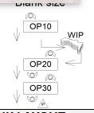
...
PROCESS LAYOUT
PRESS M/C SPEC
MACHINE STD |  | F1
Bolster Area | L | 3200
 | W | 2000
Slide Area | L | 3200
 | W | 2150
Die height max |  | 1300
...

