Sheet1
 |  | 1 | 2 | 3 | 4 | 5 | 6 | 7 | 8 | 9 | 10 | 11 | 12 | 13 | 14 | 15 | 16 | 17 | 18 | 19 | 20 | 21 | 22 | 23 | 24 | 25 | 26 | 27 | 28 | 29 | 30 | 31 | 32 |  | 33 | 34 | 35 | 36 | 37 | 38 | 39 | 40 | 41 | 42 | 43 | 44 | 45 | 46 | 47 | 48 | 49 | 50 | 51 | 52 | 53 | 54 | 55 | 56 | 57 | 58 | 59 | 60 | 61 | 62 | 63 | 75 | 76 | 77 | 78 | 79 | 80 | 81 | 82 | 83 | 84 | 85 | 86 | 87 | 88 | 89 | 90 | 91 | 92 | 93 | 94 | 95 | 96 | 97 | 98 | 99 | 100 | 101 | 102 | 103 | 104 | 105 | 106 | 107 | 108 | 109 | 110

1 | PRESS PLANNING SHEET (PPS) |  |  |  |  |  |  |  |  |  |  |  |  |  |  |  |  |  |  |  |  |  |  |  |  |  |  |  |  |  |  |  |  |  |  |  |  |  |  |  |  |  |  |  |  |  | REVISION |  |  |  |  |  |  |  |  |  |  |  |  |  |  |  |  |  |  |  |  |  |  |  |  |  |  | PROCESS LAYOUT
2 |  |  |  |  |  |  |  |  |  |  |  |  |  |  |  |  |  |  |  |  |  |  |  |  |  |  |  |  |  |  |  |  |  |  |  |  |  |  |  |  |  |  |  |  |  |  | 4 |  |  |  |  |  |  |  |  |  |  |  |  |  |  |  |  |  |  |  |  |  |  |  |  |  |  | TTL QTY
3 | CUST. |  |  |  |  |  |  |  |  | MODEL |  |  |  |  |  |  |  |  |  |  |  | RECEIVE |  |  |  |  |  |  |  |  |  |  |  | UPDATE |  |  |  |  |  |  |  |  |  |  |  |  | 3 |  |  |  |  |  |  |  |  |  |  |  |  |  |  |  |  |  |  |  |  |  |  |  |  |  |  | 8 SET DIES
4 | ADM |  |  |  |  |  |  |  |  | D14N |  |  |  |  |  |  |  |  |  |  |  | 05/06/2025 |  |  |  |  |  |  |  |  |  |  |  | 05/06/2025 |  |  |  |  |  |  |  |  |  |  |  |  | 2 |  |  |  |  |  |  |  |  |  |  |  |  |  |  |  |  |  |  |  |  |  |  |  |  |  |  | TTL M/P
5 |  |  |  |  |  |  |  |  |  |  |  |  |  |  |  |  |  |  |  |  |  |  |  |  |  |  |  |  |  |  |  |  |  |  |  |  |  |  |  |  |  |  |  |  |  |  | 1 |  |  |  |  |  |  |  |  |  |  |  |  |  |  |  |  |  |  |  |  |  |  |  |  |  |  | 16 M/P
6 |  | C-LAYOUT |  |  |  |  |  |  |  |  |  |  |  |  |  |  |  |  |  |  |  |  |  |  |  |  |  |  |  |  |  |  |  |  | DIE CONSTRUCTION |  |  |  |  |  |  |  |  |  |  |  |  |  |  |  |  |  |  |  |  |  |  |  |  |  |  |  |  |  |  |  |  |  |  |  |  |  |  | TTL STROKE
7 | OP | 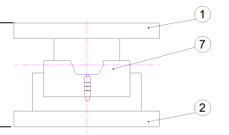 |  |  |  |  |  |  |  |  |  |  |  |  |  |  |  |  |  |  |  |  |  |  |  |  |  |  |  |  |  |  |  |  | 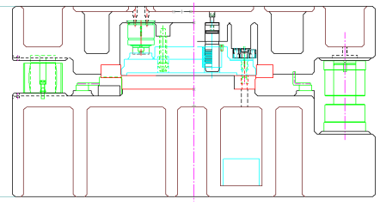 |  |  |  |  |  |  |  |  |  |  |  |  |  |  |  |  |  |  |  |  |  |  |  |  |  |  |  |  |  |  |  |  |  |  |  |  |  |  | 8 STROKE
8 |  |  |  |  |  |  |  |  |  |  |  |  |  |  |  |  |  |  |  |  |  |  |  |  |  |  |  |  |  |  |  |  |  |  |  |  |  |  |  |  |  |  |  |  |  |  |  |  |  |  |  |  |  |  |  |  |  |  |  |  |  |  |  |  |  |  |  |  |  |  |  |  |  | DOC-LEVEL
9 |  |  |  |  |  |  |  |  |  |  |  |  |  |  |  |  |  |  |  |  |  |  |  |  |  |  |  |  |  |  |  |  |  |  |  |  |  |  |  |  |  |  |  |  |  |  |  |  |  |  |  |  |  |  |  |  |  |  |  |  |  |  |  |  |  |  |  |  |  |  |  |  |  | RFQ
10 | 10
11
12 |  |  |  |  |  |  |  |  |  |  |  |  |  |  |  |  |  |  |  |  |  |  |  |  |  |  |  |  |  |  |  |  |  |  |  |  |  |  |  |  |  |  |  |  |  |  |  |  |  |  |  |  |  |  |  |  |  |  |  |  |  |  |  |  |  |  |  |  |  |  |  |  |  | BLANK LAYOUT
13 | PROC.
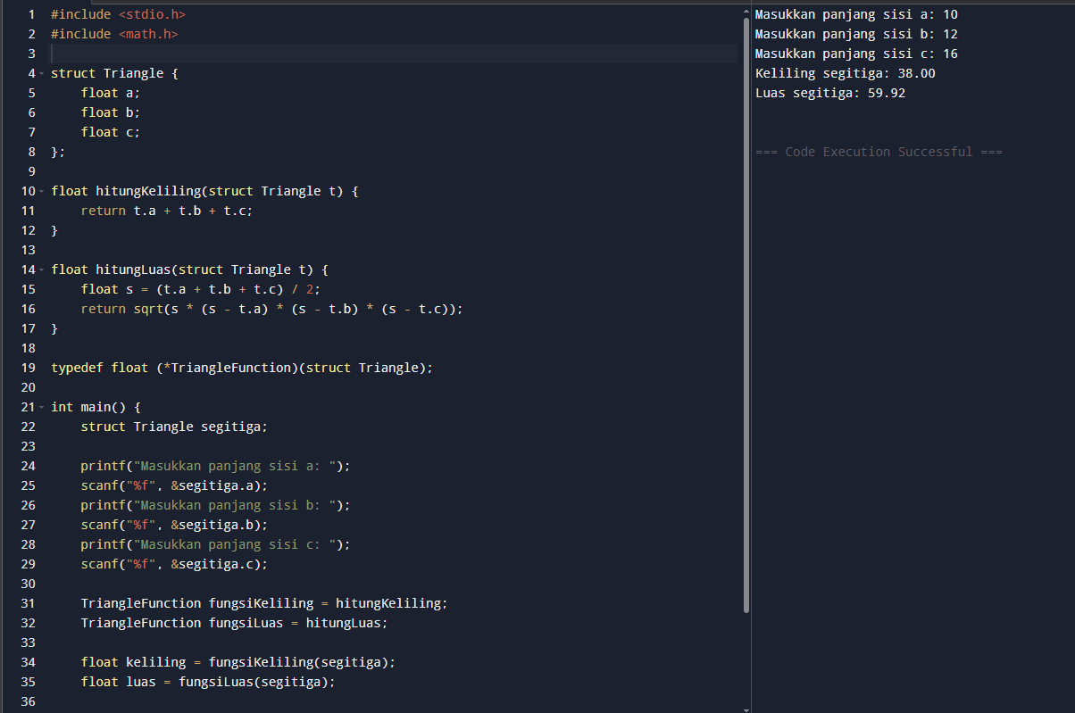
14
15
16 | BLANK 1, BEND 1 |  |  |  |  |  |  |  |  |  |  |  |  |  |  |  |  |  |  |  |  |  |  |  |  |  |  |  |  |  |  |  |  |  |  | UPPER |  |  |  | FC300 |  |  |  |  |  | SLIDING |  |  |  |  | Wear Plate |  |  |  |  |  |  |  |  |  | INSERT |  |  |  | SKD11
17 |  |  |  |  |  |  |  |  |  |  |  |  |  |  |  |  |  |  |  |  |  |  |  |  |  |  |  |  |  |  |  |  |  |  |  | LOWER |  |  |  | FC300 |  |  |  |  |  | GUIDE |  |  |  |  | Guide Post |  |  |  |  |  |  |  |  | FLAMEHARD
18 |  |  |  |  |  |  |  |  |  |  |  |  |  |  |  |  |  |  |  |  |  |  |  |  |  |  |  |  |  |  |  |  |  |  |  | PAD |  |  |  | FCD55 |  |  |  |  |  | PAD LIFTER |  |  |  |  |  |  |  | Gas Spring
19 | OP |  |  |  |  |  |  |  |  |  |  |  |  |  |  |  |  |  |  |  |  |  |  |  |  |  |  |  |  |  |  |  |  |  | 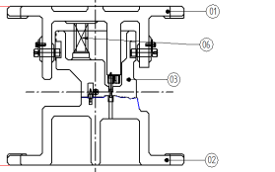
20
21
22 | 20
23
24
25 | PROC.
26
27
28 | BLANK 2-PIE 1 |  |  |  |  |  |  |  |  |  |  |  |  |  |  |  |  |  |  |  |  |  |  |  |  |  |  |  |  |  |  |  |  |  |  | UPPER |  |  |  | FC300 |  |  |  |  |  | SLIDING |  |  |  |  | Stripper Bolt |  |  |  |  |  |  |  |  |  | INSERT |  |  |  | S45C
29 |  |  |  |  |  |  |  |  |  |  |  |  |  |  |  |  |  |  |  |  |  |  |  |  |  |  |  |  |  |  |  |  |  |  |  | LOWER |  |  |  | FC300 |  |  |  |  |  | GUIDE |  |  |  |  | Guide Post |  |  |  |  |  |  |  |  | FLAMEHARD
30 |  |  |  |  |  |  |  |  |  |  |  |  |  |  |  |  |  |  |  |  |  |  |  |  |  |  |  |  |  |  |  |  |  |  |  | PAD |  |  |  | FCD55 |  |  |  |  |  | PAD LIFTER |  |  |  |  |  |  |  | Gas Spring
31 | OP | 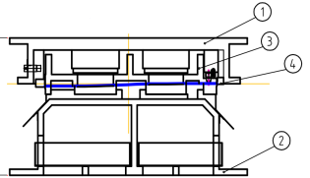 |  |  |  |  |  |  |  |  |  |  |  |  |  |  |  |  |  |  |  |  |  |  |  |  |  |  |  |  |  |  |  |  | 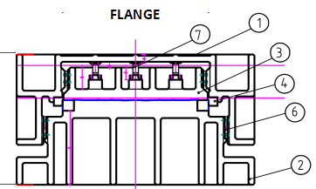 |  |  |  |  |  |  |  |  |  |  |  |  |  |  |  |  |  |  |  |  |  |  |  |  |  |  |  |  |  |  |  |  |  |  |  |  |  |  | PRESS M/C SPEC
32 |  |  |  |  |  |  |  |  |  |  |  |  |  |  |  |  |  |  |  |  |  |  |  |  |  |  |  |  |  |  |  |  |  |  |  |  |  |  |  |  |  |  |  |  |  |  |  |  |  |  |  |  |  |  |  |  |  |  |  |  |  |  |  |  |  |  |  |  |  |  |  |  |  | MACHINE STD |  |  |  |  |  |  |  |  |  | F2 |  |  |  | F1 |  |  |  |  | F2 |  |  |  |  | D2
33 |  |  |  |  |  |  |  |  |  |  |  |  |  |  |  |  |  |  |  |  |  |  |  |  |  |  |  |  |  |  |  |  |  |  |  |  |  |  |  |  |  |  |  |  |  |  |  |  |  |  |  |  |  |  |  |  |  |  |  |  |  |  |  |  |  |  |  |  |  |  |  |  |  | Bolster Area |  |  |  |  |  |  |  | L |  | 3200 |  |  |  | 3200 |  |  |  |  | 3200 |  |  |  |  | 2500
34 | 30 |  |  |  |  |  |  |  |  |  |  |  |  |  |  |  |  |  |  |  |  |  |  |  |  |  |  |  |  |  |  |  |  |  |  |  |  |  |  |  |  |  |  |  |  |  |  |  |  |  |  |  |  |  |  |  |  |  |  |  |  |  |  |  |  |  |  |  |  |  |  |  |  |  |  |  |  |  |  |  |  | W |  | 2000 |  |  |  | 2000 |  |  |  |  | 2000 |  |  |  |  | 1700
35 |  |  |  |  |  |  |  |  |  |  |  |  |  |  |  |  |  |  |  |  |  |  |  |  |  |  |  |  |  |  |  |  |  |  |  |  |  |  |  |  |  |  |  |  |  |  |  |  |  |  |  |  |  |  |  |  |  |  |  |  |  |  |  |  |  |  |  |  |  |  |  |  |  | Slide Area |  |  |  |  |  |  |  | L |  | 3200 |  |  |  | 3200 |  |  |  |  | 3200 |  |  |  |  | 2500
36 |  |  |  |  |  |  |  |  |  |  |  |  |  |  |  |  |  |  |  |  |  |  |  |  |  |  |  |  |  |  |  |  |  |  |  |  |  |  |  |  |  |  |  |  |  |  |  |  |  |  |  |  |  |  |  |  |  |  |  |  |  |  |  |  |  |  |  |  |  |  |  |  |  |  |  |  |  |  |  |  |  | W |  | 2060 |  |  |  | 2150 |  |  |  |  | 2060 |  |  |  |  | 1700
37 | PROC. |  |  |  |  |  |  |  |  |  |  |  |  |  |  |  |  |  |  |  |  |  |  |  |  |  |  |  |  |  |  |  |  |  |  |  |  |  |  |  |  |  |  |  |  |  |  |  |  |  |  |  |  |  |  |  |  |  |  |  |  |  |  |  |  |  |  |  |  |  |  |  |  | Die height max |  |  |  |  |  |  |  |  |  | 1300 |  |  |  | 1300 |  |  |  |  | 1300 |  |  |  |  | 950
38 |  |  |  |  |  |  |  |  |  |  |  |  |  |  |  |  |  |  |  |  |  |  |  |  |  |  |  |  |  |  |  |  |  |  |  |  |  |  |  |  |  |  |  |  |  |  |  |  |  |  |  |  |  |  |  |  |  |  |  |  |  |  |  |  |  |  |  |  |  |  |  |  |  | Slide Adjust. |  |  |  |  |  |  |  |  |  | 700 |  |  |  | 600 |  |  |  |  | 700 |  |  |  |  | 500
39 |  |  |  |  |  |  |  |  |  |  |  |  |  |  |  |  |  |  |  |  |  |  |  |  |  |  |  |  |  |  |  |  |  |  |  |  |  |  |  |  |  |  |  |  |  |  |  |  |  |  |  |  |  |  |  |  |  |  |  |  |  |  |  |  |  |  |  |  |  |  |  |  |  | Die Cushion Pad |  |  |  |  |  |  |  | L |  |  |  |  |  | 2750 |  |  |  |  |  |  |  |  |  | 2150
40 | FLANGE 1-PIE 2 |  |  |  |  |  |  |  |  |  |  |  |  |  |  |  |  |  |  |  |  |  |  |  |  |  |  |  |  |  |  |  |  |  |  | UPPER |  |  |  | FC300 |  |  |  |  |  | SLIDING |  |  |  |  | Wear Plate |  |  |  |  |  |  |  |  |  | INSERT |  |  |  | SXACE |  |  |  |  |  |  |  |  |  |  |  |  |  |  |  |  | W |  |  |  |  |  | 1550 |  |  |  |  |  |  |  |  |  | 1250
41 |  |  |  |  |  |  |  |  |  |  |  |  |  |  |  |  |  |  |  |  |  |  |  |  |  |  |  |  |  |  |  |  |  |  |  | LOWER |  |  |  | FC300 |  |  |  |  |  | GUIDE |  |  |  |  | Guide Post |  |  |  |  |  |  |  |  | FULLHARD + COATING |  |  |  |  |  |  |  |  |  |  |  |  |  | Cushion Stroke |  |  |  |  |  |  |  |  |  |  |  |  |  | 300 |  |  |  |  |  |  |  |  |  | 250
42 |  |  |  |  |  |  |  |  |  |  |  |  |  |  |  |  |  |  |  |  |  |  |  |  |  |  |  |  |  |  |  |  |  |  |  | PAD |  |  |  | FCD55 |  |  |  |  |  | PAD LIFTER |  |  |  |  |  |  |  | Cushion |  |  |  |  |  |  |  |  |  |  |  |  |  |  |  |  |  |  |  | PROCESS DETAIL
43 | OP | 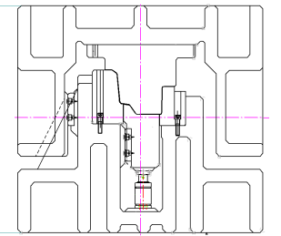 |  |  |  |  |  |  |  |  |  |  |  |  |  |  |  |  |  |  |  |  |  |  |  |  |  |  |  |  |  |  |  |  |  |  |  |  |  |  |  |  |  |  |  |  |  |  |  |  |  |  |  |  |  |  |  |  |  |  |  |  |  |  |  |  |  |  |  |  |  |  |  | PRO CESS |  |  |  |  | QTY |  |  | MC & DIE CUSHION |  |  |  |  |  | DIE SIZE (mm) |  |  |  |  |  |  | DIE WGHT & MAIN PRESSURE
44
45
46 | 40 |  |  |  |  |  |  |  |  |  |  |  |  |  |  |  |  |  |  |  |  |  |  |  |  |  |  |  |  |  |  |  |  |  |  |  |  |  |  |  |  |  |  |  |  |  |  |  |  |  |  |  |  |  |  |  |  |  |  |  |  |  |  |  |  |  |  |  |  |  |  |  |  | 10 |  |  |  |  | 1 |  |  | F2 |  |  |  |  |  | L |  | 812 |  |  |  |  | 1326 kg
47 |  |  |  |  |  |  |  |  |  |  |  |  |  |  |  |  |  |  |  |  |  |  |  |  |  |  |  |  |  |  |  |  |  |  |  |  |  |  |  |  |  |  |  |  |  |  |  |  |  |  |  |  |  |  |  |  |  |  |  |  |  |  |  |  |  |  |  |  |  |  |  |  |  | BLANK 1, BEND 1 |  |  |  |  |  |  |  | 600 T |  |  |  |  |  | W |  | 612
48 |  |  |  |  |  |  |  |  |  |  |  |  |  |  |  |  |  |  |  |  |  |  |  |  |  |  |  |  |  |  |  |  |  |  |  |  |  |  |  |  |  |  |  |  |  |  |  |  |  |  |  |  |  |  |  |  |  |  |  |  |  |  |  |  |  |  |  |  |  |  |  |  |  |  |  |  |  |  |  |  |  | - |  |  |  |  |  | H |  | 850 |  |  |  |  | 4.6 T
49 | PROC. |  |  |  |  |  |  |  |  |  |  |  |  |  |  |  |  |  |  |  |  |  |  |  |  |  |  |  |  |  |  |  |  |  |  |  |  |  |  |  |  |  |  |  |  |  |  |  |  |  |  |  |  |  |  |  |  |  |  |  |  |  |  |  |  |  |  |  |  |  |  |  |  | 20 |  |  |  |  | 1 |  |  | F1 |  |  |  |  |  | L |  | 812 |  |  |  |  | 2029 kg
50 |  |  |  |  |  |  |  |  |  |  |  |  |  |  |  |  |  |  |  |  |  |  |  |  |  |  |  |  |  |  |  |  |  |  |  |  |  |  |  |  |  |  |  |  |  |  |  |  |  |  |  |  |  |  |  |  |  |  |  |  |  |  |  |  |  |  |  |  |  |  |  |  |  | BLANK 2-PIE 1 |  |  |  |  |  |  |  | 1000 T |  |  |  |  |  | W |  | 612
51 |  |  |  |  |  |  |  |  |  |  |  |  |  |  |  |  |  |  |  |  |  |  |  |  |  |  |  |  |  |  |  |  |  |  |  |  |  |  |  |  |  |  |  |  |  |  |  |  |  |  |  |  |  |  |  |  |  |  |  |  |  |  |  |  |  |  |  |  |  |  |  |  |  |  |  |  |  |  |  |  |  | - |  |  |  |  |  | H |  | 1300 |  |  |  |  | 4.6 T
52 | DRAW |  |  |  |  |  |  |  |  |  |  |  |  |  |  |  |  |  |  |  |  |  |  |  |  |  |  |  |  |  |  |  |  |  |  | UPPER |  |  |  | FC300 |  |  |  |  |  | SLIDING |  |  |  |  | Wear Plate |  |  |  |  |  |  |  |  |  | INSERT |  |  |  | SXACE |  |  |  |  |  |  |  |  | 30 |  |  |  |  | 1 |  |  | F2 |  |  |  |  |  | L |  | 700 |  |  |  |  | 1714 kg
53 |  |  |  |  |  |  |  |  |  |  |  |  |  |  |  |  |  |  |  |  |  |  |  |  |  |  |  |  |  |  |  |  |  |  |  | LOWER |  |  |  | FC300 |  |  |  |  |  | GUIDE |  |  |  |  | Guide Heel |  |  |  |  |  |  |  |  | FULLHARD + COATING |  |  |  |  |  |  |  |  |  |  |  |  |  | FLANGE 1-PIE 2 |  |  |  |  |  |  |  | 600 T |  |  |  |  |  | W |  | 600
54 |  |  |  |  |  |  |  |  |  |  |  |  |  |  |  |  |  |  |  |  |  |  |  |  |  |  |  |  |  |  |  |  |  |  |  | PAD |  |  |  | FCD55 |  |  |  |  |  | PAD LIFTER |  |  |  |  |  |  |  | Cushion |  |  |  |  |  |  |  |  |  |  |  |  |  |  |  |  |  |  |  |  |  |  |  |  |  |  |  | DC |  |  |  |  |  | H |  | 1300 |  |  |  |  | 0.0 T
55 | OP | 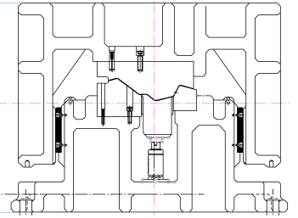 |  |  |  |  |  |  |  |  |  |  |  |  |  |  |  |  |  |  |  |  |  |  |  |  |  |  |  |  |  |  |  |  | 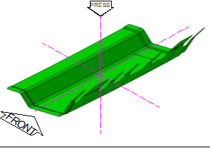 |  |  |  |  |  |  |  |  |  |  |  |  |  |  |  |  |  |  |  |  |  |  |  |  |  |  |  |  |  |  |  |  |  |  |  |  |  |  | 40 |  |  |  |  | 1 |  |  | F3 |  |  |  |  |  | L |  | 851 |  |  |  |  | 2121 kg
56 |  |  |  |  |  |  |  |  |  |  |  |  |  |  |  |  |  |  |  |  |  |  |  |  |  |  |  |  |  |  |  |  |  |  |  |  |  |  |  |  |  |  |  |  |  |  |  |  |  |  |  |  |  |  |  |  |  |  |  |  |  |  |  |  |  |  |  |  |  |  |  |  |  | DRAW |  |  |  |  |  |  |  | 600 T |  |  |  |  |  | W |  | 660
57 |  |  |  |  |  |  |  |  |  |  |  |  |  |  |  |  |  |  |  |  |  |  |  |  |  |  |  |  |  |  |  |  |  |  |  |  |  |  |  |  |  |  |  |  |  |  |  |  |  |  |  |  |  |  |  |  |  |  |  |  |  |  |  |  |  |  |  |  |  |  |  |  |  |  |  |  |  |  |  |  |  | DC |  |  |  |  |  | H |  | 1300 |  |  |  |  | 0 T
58 | 50 |  |  |  |  |  |  |  |  |  |  |  |  |  |  |  |  |  |  |  |  |  |  |  |  |  |  |  |  |  |  |  |  |  |  |  |  |  |  |  |  |  |  |  |  |  |  |  |  |  |  |  |  |  |  |  |  |  |  |  |  |  |  |  |  |  |  |  |  |  |  |  |  | 50 |  |  |  |  | 1 |  |  | D1 |  |  |  |  |  | L |  | 861 |  |  |  |  | 2555 kg
59 |  |  |  |  |  |  |  |  |  |  |  |  |  |  |  |  |  |  |  |  |  |  |  |  |  |  |  |  |  |  |  |  |  |  |  |  |  |  |  |  |  |  |  |  |  |  |  |  |  |  |  |  |  |  |  |  |  |  |  |  |  |  |  |  |  |  |  |  |  |  |  |  |  | FLANGE 2-BEND 2 |  |  |  |  |  |  |  | 1000 T |  |  |  |  |  | W |  | 661
60 |  |  |  |  |  |  |  |  |  |  |  |  |  |  |  |  |  |  |  |  |  |  |  |  |  |  |  |  |  |  |  |  |  |  |  |  |  |  |  |  |  |  |  |  |  |  |  |  |  |  |  |  |  |  |  |  |  |  |  |  |  |  |  |  |  |  |  |  |  |  |  |  |  |  |  |  |  |  |  |  |  | - |  |  |  |  |  | H |  | 1300 |  |  |  |  | 0 T
61 | PROC. |  |  |  |  |  |  |  |  |  |  |  |  |  |  |  |  |  |  |  |  |  |  |  |  |  |  |  |  |  |  |  |  |  |  |  |  |  |  |  |  |  |  |  |  |  |  |  |  |  |  |  |  |  |  |  |  |  |  |  |  |  |  |  |  |  |  |  |  |  |  |  |  | 60 |  |  |  |  | 1 |  |  | D2 |  |  |  |  |  | L |  | 850 |  |  |  |  | 1772 kg
62 |  |  |  |  |  |  |  |  |  |  |  |  |  |  |  |  |  |  |  |  |  |  |  |  |  |  |  |  |  |  |  |  |  |  |  |  |  |  |  |  |  |  |  |  |  |  |  |  |  |  |  |  |  |  |  |  |  |  |  |  |  |  |  |  |  |  |  |  |  |  |  |  |  | FORM 1 |  |  |  |  |  |  |  | 800 T |  |  |  |  |  | W |  | 650
63 |  |  |  |  |  |  |  |  |  |  |  |  |  |  |  |  |  |  |  |  |  |  |  |  |  |  |  |  |  |  |  |  |  |  |  |  |  |  |  |  |  |  |  |  |  |  |  |  |  |  |  |  |  |  |  |  |  |  |  |  |  |  |  |  |  |  |  |  |  |  |  |  |  |  |  |  |  |  |  |  |  | - |  |  |  |  |  | H |  | 950 |  |  |  |  | 0 T
64 | FLANGE 2-BEND 2 |  |  |  |  |  |  |  |  |  |  |  |  |  |  |  |  |  |  |  |  |  |  |  |  |  |  |  |  |  |  |  |  |  |  |  |  |  |  |  |  |  |  |  |  |  |  |  |  |  |  |  |  |  |  |  |  |  |  |  |  |  |  |  |  |  |  |  |  |  |  |  |  |  |  |  |  |  |  |  |  | 1 Unit
65 |  |  |  |  |  |  |  |  |  |  |  |  |  |  |  |  |  |  |  |  |  |  |  |  |  |  |  |  |  |  |  |  |  |  |  | UPPER |  |  |  | FC300 |  |  |  |  |  | SLIDING |  |  |  |  | Wear Plate |  |  |  |  |  |  |  |  |  | INSERT |  |  |  | SXACE |  |  |  |  |  |  |  |  | LOCATION |  |  |  |  |  |  |  |  |  |  |  |  |  | MAJ TAMBUN
66 |  |  |  |  |  |  |  |  |  |  |  |  |  |  |  |  |  |  |  |  |  |  |  |  |  |  |  |  |  |  |  |  |  |  |  | LOWER |  |  |  | FC300 |  |  |  |  |  | GUIDE |  |  |  |  | Guide Heel |  |  |  |  |  |  |  |  | FULLHARD + COATING |  |  |  |  |  |  |  |  |  |  |  |  |  | MTL SPEC. |  |  |  |  |  |  |  |  |  |  |  |  |  |  |  |  |  |  |  |  |  | t= |  | 1.00
67 |  |  |  |  |  |  |  |  |  |  |  |  |  |  |  |  |  |  |  |  |  |  |  |  |  |  |  |  |  |  |  |  |  |  |  | PAD |  |  |  | FCD55 |  |  |  |  |  | PAD LIFTER |  |  |  |  |  |  |  | Coil Spring |  |  |  |  |  |  |  |  |  |  |  |  |  |  |  |  |  |  |  | BLANK SIZE |  |  |  |  |  |  |  | WEIGHT (kg)
68 | OP | 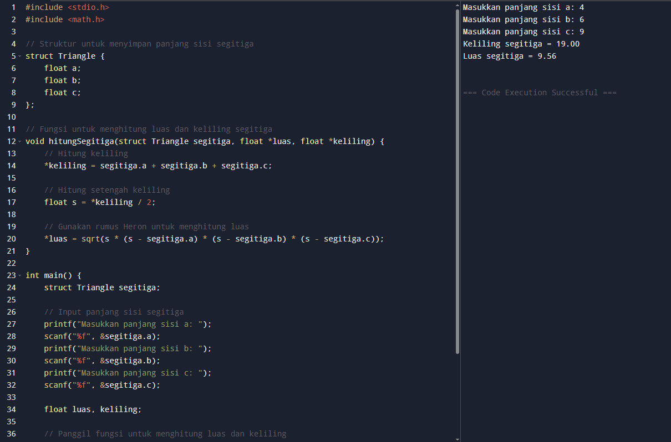 |  |  |  |  |  |  |  |  |  |  |  |  |  |  |  |  |  |  |  |  |  |  |  |  |  |  |  |  |  |  |  |  |  |  |  |  |  |  |  |  |  |  |  |  |  |  |  |  |  |  |  |  |  |  |  |  |  |  |  |  |  |  |  |  |  |  |  |  |  |  |  | L |  | 112 |  |  |  |  |  | BLANK |  |  |  |  |  | PANEL |  |  |  |  |  |  | SCRAP
69 |  |  |  |  |  |  |  |  |  |  |  |  |  |  |  |  |  |  |  |  |  |  |  |  |  |  |  |  |  |  |  |  |  |  |  |  |  |  |  |  |  |  |  |  |  |  |  |  |  |  |  |  |  |  |  |  |  |  |  |  |  |  |  |  |  |  |  |  |  |  |  |  |  | W |  | 1212 |  |  |  |  |  | 1.070 kg |  |  |  |  |  | 1.000 kg |  |  |  |  |  |  | 0.070 kg
70 |  |  |  |  |  |  |  |  |  |  |  |  |  |  |  |  |  |  |  |  |  |  |  |  |  |  |  |  |  |  |  |  |  |  |  |  |  |  |  |  |  |  |  |  |  |  |  |  |  |  |  |  |  |  |  |  |  |  |  |  |  |  |  |  |  |  |  |  |  |  |  |  |  | n |  | 1
71 | 60 |  |  |  |  |  |  |  |  |  |  |  |  |  |  |  |  |  |  |  |  |  |  |  |  |  |  |  |  |  |  |  |  |  |  |  |  |  |  |  |  |  |  |  |  |  |  |  |  |  |  |  |  |  |  |  |  |  |  |  |  |  |  |  |  |  |  |  |  |  |  |  |  | Part No : 57111/2-BZ211/231 |  |  |  |  |  |  |  |  |  |  |  |  |  | Part Name : MEMBER FR SIDE FR RH/LH
72
73
74 | PROC. |  |  |  |  |  |  |  |  |  |  |  |  |  |  |  |  |  |  |  |  |  |  |  |  |  |  |  |  |  |  |  |  |  |  |  |  |  |  |  |  |  |  |  |  |  |  |  |  |  |  |  |  |  |  |  |  |  |  |  |  |  |  |  |  |  |  |  |  |  |  |  |  | APPROVED |  |  |  |  |  |  | CHECKED |  |  |  |  |  |  | CHECKED |  |  |  |  |  |  | PREPARED
75
76
77 | FORM 1 |  |  |  |  |  |  |  |  |  |  |  |  |  |  |  |  |  |  |  |  |  |  |  |  |  |  |  |  |  |  |  |  |  |  |  |  |  |  |  |  |  |  |  |  |  |  |  |  |  |  |  |  |  |  |  |  |  |  |  |  |  |  |  |  |  |  |  |  |  |  |  |  | W. NUGROHO |  |  |  |  |  |  | HADI |  |  |  |  |  |  | ISKANDAR |  |  |  |  |  |  | RICHARD
78 |  |  |  |  |  |  |  |  |  |  |  |  |  |  |  |  |  |  |  |  |  |  |  |  |  |  |  |  |  |  |  |  |  |  |  | UPPER |  |  |  | FC300 |  |  |  |  |  | SLIDING |  |  |  |  | Wear Plate |  |  |  |  |  |  |  |  |  | INSERT |  |  |  | SXACE
79 |  |  |  |  |  |  |  |  |  |  |  |  |  |  |  |  |  |  |  |  |  |  |  |  |  |  |  |  |  |  |  |  |  |  |  | LOWER |  |  |  | FC300 |  |  |  |  |  | GUIDE |  |  |  |  | Guide Heel |  |  |  |  |  |  |  |  | FULLHARD + COATING
80 |  |  |  |  |  |  |  |  |  |  |  |  |  |  |  |  |  |  |  |  |  |  |  |  |  |  |  |  |  |  |  |  |  |  |  | PAD |  |  |  | FCD55 |  |  |  |  |  | PAD LIFTER |  |  |  |  |  |  |  | Coil Spring

Sheet2
 |  | 1 | 2 | 3 | 4 | 5 | 6 | 7 | 8 | 9 | 10 | 11 | 12 | 13 | 14 | 15 | 16 | 17 | 18 | 19 | 20 | 21 | 22 | 23 | 24 | 25 | 26 | 27 | 28 | 29 | 30 | 31 | 32 |  | 33 | 34 | 35 | 36 | 37 | 38 | 39 | 40 | 41 | 42 | 43 | 44 | 45 | 46 | 47 | 48 | 49 | 50 | 51 | 52 | 53 | 54 | 55 | 56 | 57 | 58 | 59 | 60 | 61 | 62 | 63 | 75 | 76 | 77 | 78 | 79 | 80 | 81 | 82 | 83 | 84 | 85 | 86 | 87 | 88 | 89 | 90 | 91 | 92 | 93 | 94 | 95 | 96 | 97 | 98 | 99 | 100 | 101 | 102 | 103 | 104 | 105 | 106 | 107 | 108 | 109 | 110

1 | PRESS PLANNING SHEET (PPS) |  |  |  |  |  |  |  |  |  |  |  |  |  |  |  |  |  |  |  |  |  |  |  |  |  |  |  |  |  |  |  |  |  |  |  |  |  |  |  |  |  |  |  |  |  | REVISION |  |  |  |  |  |  |  |  |  |  |  |  |  |  |  |  |  |  |  |  |  |  |  |  |  |  | PROCESS LAYOUT
2 |  |  |  |  |  |  |  |  |  |  |  |  |  |  |  |  |  |  |  |  |  |  |  |  |  |  |  |  |  |  |  |  |  |  |  |  |  |  |  |  |  |  |  |  |  |  | 4 |  |  |  |  |  |  |  |  |  |  |  |  |  |  |  |  |  |  |  |  |  |  |  |  |  |  | TTL QTY
3 | CUST. |  |  |  |  |  |  |  |  | MODEL |  |  |  |  |  |  |  |  |  |  |  | RECEIVE |  |  |  |  |  |  |  |  |  |  |  | UPDATE |  |  |  |  |  |  |  |  |  |  |  |  | 3 |  |  |  |  |  |  |  |  |  |  |  |  |  |  |  |  |  |  |  |  |  |  |  |  |  |  | 8 SET DIES
4 | ADM |  |  |  |  |  |  |  |  | D14N |  |  |  |  |  |  |  |  |  |  |  | 05/06/2025 |  |  |  |  |  |  |  |  |  |  |  | 05/06/2025 |  |  |  |  |  |  |  |  |  |  |  |  | 2 |  |  |  |  |  |  |  |  |  |  |  |  |  |  |  |  |  |  |  |  |  |  |  |  |  |  | TTL M/P
5 |  |  |  |  |  |  |  |  |  |  |  |  |  |  |  |  |  |  |  |  |  |  |  |  |  |  |  |  |  |  |  |  |  |  |  |  |  |  |  |  |  |  |  |  |  |  | 1 |  |  |  |  |  |  |  |  |  |  |  |  |  |  |  |  |  |  |  |  |  |  |  |  |  |  | 16 M/P
6 |  | C-LAYOUT |  |  |  |  |  |  |  |  |  |  |  |  |  |  |  |  |  |  |  |  |  |  |  |  |  |  |  |  |  |  |  |  | DIE CONSTRUCTION |  |  |  |  |  |  |  |  |  |  |  |  |  |  |  |  |  |  |  |  |  |  |  |  |  |  |  |  |  |  |  |  |  |  |  |  |  |  | TTL STROKE
7 | OP | 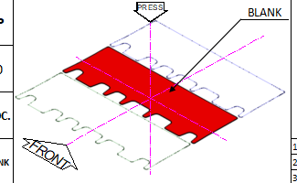 |  |  |  |  |  |  |  |  |  |  |  |  |  |  |  |  |  |  |  |  |  |  |  |  |  |  |  |  |  |  |  |  |  |  |  |  |  |  |  |  |  |  |  |  |  |  |  |  |  |  |  |  |  |  |  |  |  |  |  |  |  |  |  |  |  |  |  |  |  |  |  | 8 STROKE
8 |  |  |  |  |  |  |  |  |  |  |  |  |  |  |  |  |  |  |  |  |  |  |  |  |  |  |  |  |  |  |  |  |  |  |  |  |  |  |  |  |  |  |  |  |  |  |  |  |  |  |  |  |  |  |  |  |  |  |  |  |  |  |  |  |  |  |  |  |  |  |  |  |  | DOC-LEVEL
9 |  |  |  |  |  |  |  |  |  |  |  |  |  |  |  |  |  |  |  |  |  |  |  |  |  |  |  |  |  |  |  |  |  |  |  |  |  |  |  |  |  |  |  |  |  |  |  |  |  |  |  |  |  |  |  |  |  |  |  |  |  |  |  |  |  |  |  |  |  |  |  |  |  | RFQ
10 | 70
11
12 |  |  |  |  |  |  |  |  |  |  |  |  |  |  |  |  |  |  |  |  |  |  |  |  |  |  |  |  |  |  |  |  |  |  |  |  |  |  |  |  |  |  |  |  |  |  |  |  |  |  |  |  |  |  |  |  |  |  |  |  |  |  |  |  |  |  |  |  |  |  |  |  |  | BLANK LAYOUT
13 | PROC.
14
15
16 | FORM 2-BEND 3 |  |  |  |  |  |  |  |  |  |  |  |  |  |  |  |  |  |  |  |  |  |  |  |  |  |  |  |  |  |  |  |  |  |  | UPPER |  |  |  | FC300 |  |  |  |  |  | SLIDING |  |  |  |  | Wear Plate |  |  |  |  |  |  |  |  |  | INSERT |  |  |  | SXACE
17 |  |  |  |  |  |  |  |  |  |  |  |  |  |  |  |  |  |  |  |  |  |  |  |  |  |  |  |  |  |  |  |  |  |  |  | LOWER |  |  |  | FC300 |  |  |  |  |  | GUIDE |  |  |  |  | Guide Heel |  |  |  |  |  |  |  |  | FULLHARD + COATING
18 |  |  |  |  |  |  |  |  |  |  |  |  |  |  |  |  |  |  |  |  |  |  |  |  |  |  |  |  |  |  |  |  |  |  |  | PAD |  |  |  | FCD55 |  |  |  |  |  | PAD LIFTER
19
20
21
22 | 80
23
24
25 | PROC.
26
27
28 | SEP-TRIM |  |  |  |  |  |  |  |  |  |  |  |  |  |  |  |  |  |  |  |  |  |  |  |  |  |  |  |  |  |  |  |  |  |  | UPPER |  |  |  | FC300 |  |  |  |  |  | SLIDING |  |  |  |  | Stripper Bolt |  |  |  |  |  |  |  |  |  | INSERT |  |  |  | SKD11
29 |  |  |  |  |  |  |  |  |  |  |  |  |  |  |  |  |  |  |  |  |  |  |  |  |  |  |  |  |  |  |  |  |  |  |  | LOWER |  |  |  | FC300 |  |  |  |  |  | GUIDE |  |  |  |  | Guide Post |  |  |  |  |  |  |  |  | FULLHARD
30 |  |  |  |  |  |  |  |  |  |  |  |  |  |  |  |  |  |  |  |  |  |  |  |  |  |  |  |  |  |  |  |  |  |  |  | PAD |  |  |  |  |  |  |  |  |  | PAD LIFTER |  |  |  |  |  |  |  | Gas Spring
31 |  |  |  |  |  |  |  |  |  |  |  |  |  |  |  |  |  |  |  |  |  |  |  |  |  |  |  |  |  |  |  |  |  |  |  |  |  |  |  |  |  |  |  |  |  |  |  |  |  |  |  |  |  |  |  |  |  |  |  |  |  |  |  |  |  |  |  |  |  |  |  |  |  | PRESS M/C SPEC
32 |  |  |  |  |  |  |  |  |  |  |  |  |  |  |  |  |  |  |  |  |  |  |  |  |  |  |  |  |  |  |  |  |  |  |  |  |  |  |  |  |  |  |  |  |  |  |  |  |  |  |  |  |  |  |  |  |  |  |  |  |  |  |  |  |  |  |  |  |  |  |  |  |  | MACHINE STD |  |  |  |  |  |  |  |  |  | D2 |  |  |  | D3 |  |  |  |  | D4
33 |  |  |  |  |  |  |  |  |  |  |  |  |  |  |  |  |  |  |  |  |  |  |  |  |  |  |  |  |  |  |  |  |  |  |  |  |  |  |  |  |  |  |  |  |  |  |  |  |  |  |  |  |  |  |  |  |  |  |  |  |  |  |  |  |  |  |  |  |  |  |  |  |  | Bolster Area |  |  |  |  |  |  |  | L |  | 2500 |  |  |  | 2500 |  |  |  |  | 2500
34 |  |  |  |  |  |  |  |  |  |  |  |  |  |  |  |  |  |  |  |  |  |  |  |  |  |  |  |  |  |  |  |  |  |  |  |  |  |  |  |  |  |  |  |  |  |  |  |  |  |  |  |  |  |  |  |  |  |  |  |  |  |  |  |  |  |  |  |  |  |  |  |  |  |  |  |  |  |  |  |  |  | W |  | 1700 |  |  |  | 1550 |  |  |  |  | 1550
35 |  |  |  |  |  |  |  |  |  |  |  |  |  |  |  |  |  |  |  |  |  |  |  |  |  |  |  |  |  |  |  |  |  |  |  |  |  |  |  |  |  |  |  |  |  |  |  |  |  |  |  |  |  |  |  |  |  |  |  |  |  |  |  |  |  |  |  |  |  |  |  |  |  | Slide Area |  |  |  |  |  |  |  | L |  | 2500 |  |  |  | 2500 |  |  |  |  | 2500
36 |  |  |  |  |  |  |  |  |  |  |  |  |  |  |  |  |  |  |  |  |  |  |  |  |  |  |  |  |  |  |  |  |  |  |  |  |  |  |  |  |  |  |  |  |  |  |  |  |  |  |  |  |  |  |  |  |  |  |  |  |  |  |  |  |  |  |  |  |  |  |  |  |  |  |  |  |  |  |  |  |  | W |  | 1700 |  |  |  | 1500 |  |  |  |  | 1500
37 |  |  |  |  |  |  |  |  |  |  |  |  |  |  |  |  |  |  |  |  |  |  |  |  |  |  |  |  |  |  |  |  |  |  |  |  |  |  |  |  |  |  |  |  |  |  |  |  |  |  |  |  |  |  |  |  |  |  |  |  |  |  |  |  |  |  |  |  |  |  |  |  |  | Die height max |  |  |  |  |  |  |  |  |  | 950 |  |  |  | 950 |  |  |  |  | 950
38 |  |  |  |  |  |  |  |  |  |  |  |  |  |  |  |  |  |  |  |  |  |  |  |  |  |  |  |  |  |  |  |  |  |  |  |  |  |  |  |  |  |  |  |  |  |  |  |  |  |  |  |  |  |  |  |  |  |  |  |  |  |  |  |  |  |  |  |  |  |  |  |  |  | Slide Adjust.
39 |  |  |  |  |  |  |  |  |  |  |  |  |  |  |  |  |  |  |  |  |  |  |  |  |  |  |  |  |  |  |  |  |  |  |  |  |  |  |  |  |  |  |  |  |  |  |  |  |  |  |  |  |  |  |  |  |  |  |  |  |  |  |  |  |  |  |  |  |  |  |  |  |  | Die Cushion Pad |  |  |  |  |  |  |  | L |  | 2150 |  |  |  | 1850
40 |  |  |  |  |  |  |  |  |  |  |  |  |  |  |  |  |  |  |  |  |  |  |  |  |  |  |  |  |  |  |  |  |  |  |  |  |  |  |  |  |  |  |  |  |  |  |  |  |  |  |  |  |  |  |  |  |  |  |  |  |  |  |  |  |  |  |  |  |  |  |  |  |  |  |  |  |  |  |  |  |  | W |  | 1250 |  |  |  | 950
41 |  |  |  |  |  |  |  |  |  |  |  |  |  |  |  |  |  |  |  |  |  |  |  |  |  |  |  |  |  |  |  |  |  |  |  |  |  |  |  |  |  |  |  |  |  |  |  |  |  |  |  |  |  |  |  |  |  |  |  |  |  |  |  |  |  |  |  |  |  |  |  |  |  | Cushion Stroke |  |  |  |  |  |  |  |  |  | 250 |  |  |  | 250
42 |  |  |  |  |  |  |  |  |  |  |  |  |  |  |  |  |  |  |  |  |  |  |  |  |  |  |  |  |  |  |  |  |  |  |  |  |  |  |  |  |  |  |  |  |  |  |  |  |  |  |  |  |  |  |  |  |  |  |  |  |  |  |  |  |  |  |  |  |  |  |  |  |  | PROCESS DETAIL
43 |  |  |  |  |  |  |  |  |  |  |  |  |  |  |  |  |  |  |  |  |  |  |  |  |  |  |  |  |  |  |  |  |  |  |  |  |  |  |  |  |  |  |  |  |  |  |  |  |  |  |  |  |  |  |  |  |  |  |  |  |  |  |  |  |  |  |  |  |  |  |  |  |  | PRO CESS |  |  |  |  | QTY |  |  | MC & DIE CUSHION |  |  |  |  |  | DIE SIZE (mm) |  |  |  |  |  |  | DIE WGHT & MAIN PRESSURE
44
45
46 |  |  |  |  |  |  |  |  |  |  |  |  |  |  |  |  |  |  |  |  |  |  |  |  |  |  |  |  |  |  |  |  |  |  |  |  |  |  |  |  |  |  |  |  |  |  |  |  |  |  |  |  |  |  |  |  |  |  |  |  |  |  |  |  |  |  |  |  |  |  |  |  |  | 70 |  |  |  |  | 1 |  |  | D3 |  |  |  |  |  |  |  | L |  |  |  |  | 1818 kg
47 |  |  |  |  |  |  |  |  |  |  |  |  |  |  |  |  |  |  |  |  |  |  |  |  |  |  |  |  |  |  |  |  |  |  |  |  |  |  |  |  |  |  |  |  |  |  |  |  |  |  |  |  |  |  |  |  |  |  |  |  |  |  |  |  |  |  |  |  |  |  |  |  |  | FORM 2-BEND 3 |  |  |  |  |  |  |  | 500 T |  |  |  |  |  |  |  | W
48 |  |  |  |  |  |  |  |  |  |  |  |  |  |  |  |  |  |  |  |  |  |  |  |  |  |  |  |  |  |  |  |  |  |  |  |  |  |  |  |  |  |  |  |  |  |  |  |  |  |  |  |  |  |  |  |  |  |  |  |  |  |  |  |  |  |  |  |  |  |  |  |  |  |  |  |  |  |  |  |  |  | - |  |  |  |  |  |  |  | H |  |  |  |  | 0.0 T
49 |  |  |  |  |  |  |  |  |  |  |  |  |  |  |  |  |  |  |  |  |  |  |  |  |  |  |  |  |  |  |  |  |  |  |  |  |  |  |  |  |  |  |  |  |  |  |  |  |  |  |  |  |  |  |  |  |  |  |  |  |  |  |  |  |  |  |  |  |  |  |  |  |  | 80 |  |  |  |  | 1 |  |  | D4 |  |  |  |  |  |  |  | L |  |  |  |  | 1364 kg
50 |  |  |  |  |  |  |  |  |  |  |  |  |  |  |  |  |  |  |  |  |  |  |  |  |  |  |  |  |  |  |  |  |  |  |  |  |  |  |  |  |  |  |  |  |  |  |  |  |  |  |  |  |  |  |  |  |  |  |  |  |  |  |  |  |  |  |  |  |  |  |  |  |  | SEP-TRIM |  |  |  |  |  |  |  | 500 T |  |  |  |  |  |  |  | W
51 |  |  |  |  |  |  |  |  |  |  |  |  |  |  |  |  |  |  |  |  |  |  |  |  |  |  |  |  |  |  |  |  |  |  |  |  |  |  |  |  |  |  |  |  |  |  |  |  |  |  |  |  |  |  |  |  |  |  |  |  |  |  |  |  |  |  |  |  |  |  |  |  |  |  |  |  |  |  |  |  |  | - |  |  |  |  |  |  |  | H |  |  |  |  | 0.0 T
52
53
54
55
56
57
58
59
60
61
62
63
64 |  |  |  |  |  |  |  |  |  |  |  |  |  |  |  |  |  |  |  |  |  |  |  |  |  |  |  |  |  |  |  |  |  |  |  |  |  |  |  |  |  |  |  |  |  |  |  |  |  |  |  |  |  |  |  |  |  |  |  |  |  |  |  |  |  |  |  |  |  |  |  |  |  |  |  |  |  |  |  |  |  | 1 Unit
65 |  |  |  |  |  |  |  |  |  |  |  |  |  |  |  |  |  |  |  |  |  |  |  |  |  |  |  |  |  |  |  |  |  |  |  |  |  |  |  |  |  |  |  |  |  |  |  |  |  |  |  |  |  |  |  |  |  |  |  |  |  |  |  |  |  |  |  |  |  |  |  |  |  | LOCATION |  |  |  |  |  |  |  |  |  |  |  |  |  | MAJ TAMBUN
66 |  |  |  |  |  |  |  |  |  |  |  |  |  |  |  |  |  |  |  |  |  |  |  |  |  |  |  |  |  |  |  |  |  |  |  |  |  |  |  |  |  |  |  |  |  |  |  |  |  |  |  |  |  |  |  |  |  |  |  |  |  |  |  |  |  |  |  |  |  |  |  |  |  | MTL SPEC. |  |  |  |  |  |  |  |  |  |  |  |  |  |  |  |  |  |  |  |  |  | t= |  | 1.00
67 |  |  |  |  |  |  |  |  |  |  |  |  |  |  |  |  |  |  |  |  |  |  |  |  |  |  |  |  |  |  |  |  |  |  |  |  |  |  |  |  |  |  |  |  |  |  |  |  |  |  |  |  |  |  |  |  |  |  |  |  |  |  |  |  |  |  |  |  |  |  |  |  |  | BLANK SIZE |  |  |  |  |  |  |  | WEIGHT (kg)
68 |  |  |  |  |  |  |  |  |  |  |  |  |  |  |  |  |  |  |  |  |  |  |  |  |  |  |  |  |  |  |  |  |  |  |  |  |  |  |  |  |  |  |  |  |  |  |  |  |  |  |  |  |  |  |  |  |  |  |  |  |  |  |  |  |  |  |  |  |  |  |  |  |  | L |  | 112 |  |  |  |  |  | BLANK |  |  |  |  |  | PANEL |  |  |  |  |  |  | SCRAP
69 |  |  |  |  |  |  |  |  |  |  |  |  |  |  |  |  |  |  |  |  |  |  |  |  |  |  |  |  |  |  |  |  |  |  |  |  |  |  |  |  |  |  |  |  |  |  |  |  |  |  |  |  |  |  |  |  |  |  |  |  |  |  |  |  |  |  |  |  |  |  |  |  |  | W |  | 1212 |  |  |  |  |  | 1.070 kg |  |  |  |  |  | 1.000 kg |  |  |  |  |  |  | 0.070 kg
70 |  |  |  |  |  |  |  |  |  |  |  |  |  |  |  |  |  |  |  |  |  |  |  |  |  |  |  |  |  |  |  |  |  |  |  |  |  |  |  |  |  |  |  |  |  |  |  |  |  |  |  |  |  |  |  |  |  |  |  |  |  |  |  |  |  |  |  |  |  |  |  |  |  | n |  | 1
71 |  |  |  |  |  |  |  |  |  |  |  |  |  |  |  |  |  |  |  |  |  |  |  |  |  |  |  |  |  |  |  |  |  |  |  |  |  |  |  |  |  |  |  |  |  |  |  |  |  |  |  |  |  |  |  |  |  |  |  |  |  |  |  |  |  |  |  |  |  |  |  |  |  | Part No : 57111/2-BZ211/231 |  |  |  |  |  |  |  |  |  |  |  |  |  | Part Name : MEMBER FR SIDE FR RH/LH
72
73
74 |  |  |  |  |  |  |  |  |  |  |  |  |  |  |  |  |  |  |  |  |  |  |  |  |  |  |  |  |  |  |  |  |  |  |  |  |  |  |  |  |  |  |  |  |  |  |  |  |  |  |  |  |  |  |  |  |  |  |  |  |  |  |  |  |  |  |  |  |  |  |  |  |  | APPROVED |  |  |  |  |  |  | CHECKED |  |  |  |  |  |  | CHECKED |  |  |  |  |  |  | PREPARED
75
76
77 |  |  |  |  |  |  |  |  |  |  |  |  |  |  |  |  |  |  |  |  |  |  |  |  |  |  |  |  |  |  |  |  |  |  |  |  |  |  |  |  |  |  |  |  |  |  |  |  |  |  |  |  |  |  |  |  |  |  |  |  |  |  |  |  |  |  |  |  |  |  |  |  |  | W. NUGROHO |  |  |  |  |  |  | HADI |  |  |  |  |  |  | ISKANDAR |  |  |  |  |  |  | RICHARD
78
79
80

