Defect_summary
Defect ID | Defect Description | Severity | Screenshots
ID_01 | User is able to type special characters in the input field | Minor | 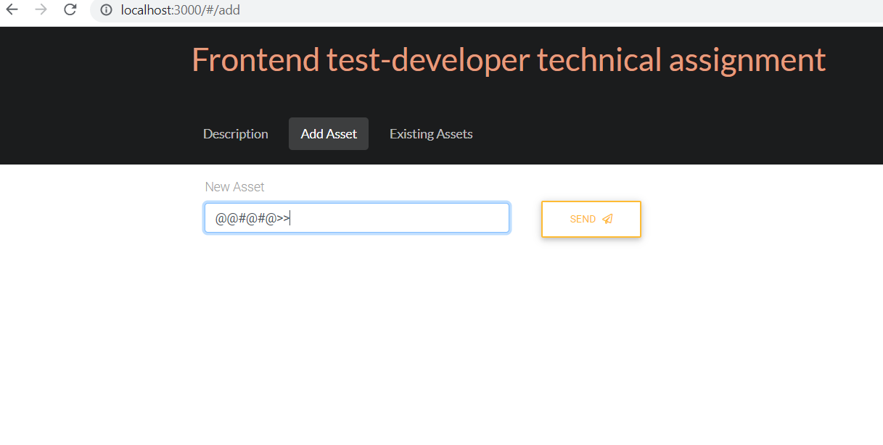
ID_02 | User is not restricted in inputting more than 14 values in the field | Minor | 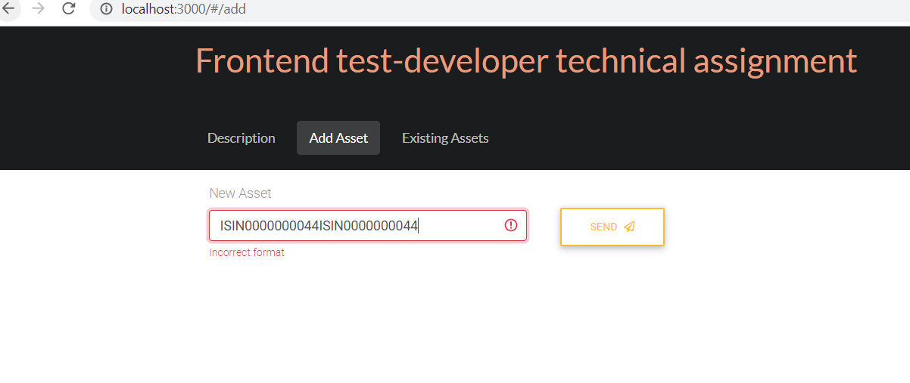
ID_03 | API is not able to add the asset names | Major | 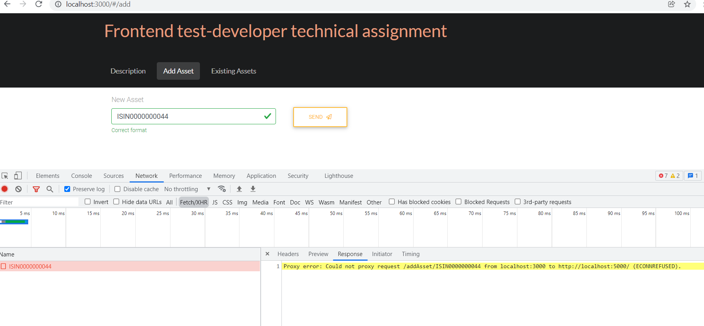
ID_04 | API is not able to fetch the list of asset names | Major | 