FunctionReview
ReqNo.
Req1 | 该模块中对时间的计算有问题
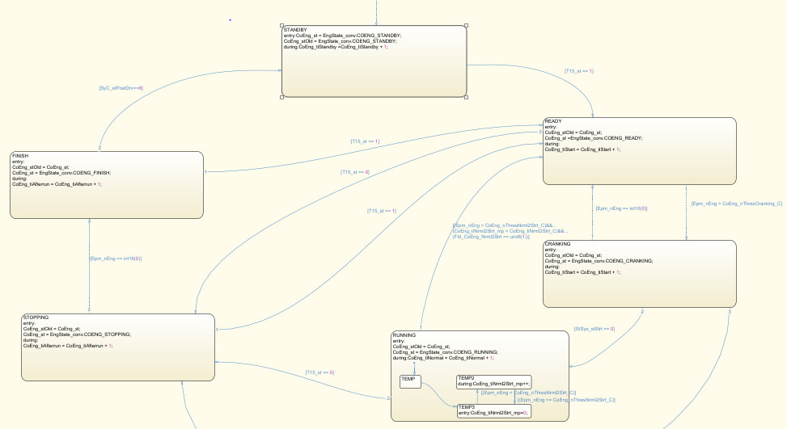
Model Screenshot1

