FunctionReview
Model Screenshot1
ReqNo.
Req1

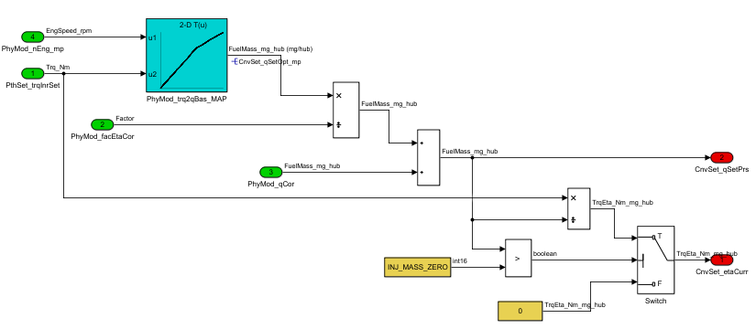
Model Screenshot2
Req2

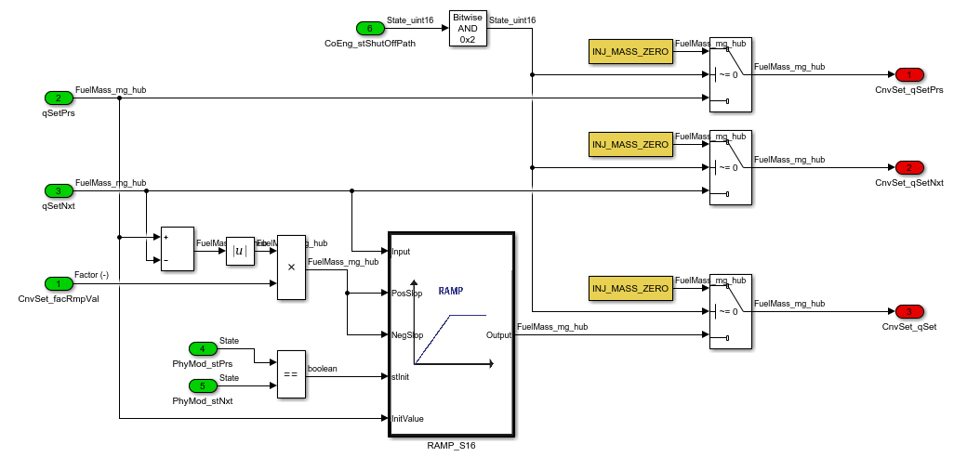
Model Screenshot3
Req4

Req6

