ReqSpec
General Description
 | EngBrk_ECRCtl模块主要功能是接收排气制动请求并对发动机缸内制动阀进行控制。
Requirement
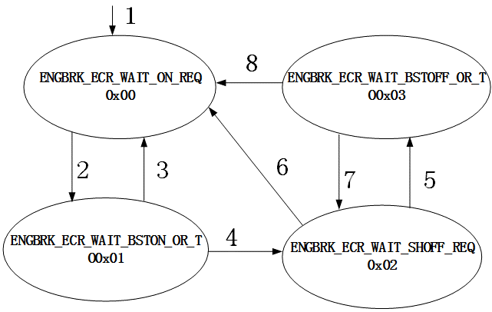
Req1 | 发动机缸内制动过程根据阀门位置定义为以下四个状态，其状态机如右图所示： ENGBRK_ECR_WAIT_ON_REQ（0x00）：制动阀关闭状态； ENGBRK_ECR_WAIT_BSTON_OR_TO（0x01）：制动阀从关闭到打开的过渡状态； ENGBRK_ECR_WAIT_SHOFF_REQ（0x02）：制动阀打开状态； ENGBRK_ECR_WAIT_BSTOFF_OR_TO（0x03）：制动阀从打开到关闭的过渡状态。
Req2 | 如右图状态机所示，系统初始化之后进入制动阀关闭状态（0x00），各个状态之间的迁移条件如线上的标号所示，状态0x00和状态0x01之间相互转换是满足条件2和条件3： 条件2：制动请求状态EngBrk_stECRVlvDem==2； 条件3：制动请求状态EngBrk_stECRVlvDem！=2；
Req3 | 若满足条件4，则状态0x01迁移到0x02： 条件4：增压压力EngBrk_pECRBst_mp <= EngBrk_pECRBst_C或者处于该状态的时间超过EngBrk_tiECRBst_C。
Req4 | 若满足条件6，则状态0x02迁移到0x00： 条件6：制动请求状态EngBrk_stECRVlvDem==0.
Req5 | 状态0x02和状态0x03之间相互转换是满足条件5和条件7： 条件5：制动请求状态EngBrk_stECRVlvDem==1； 条件7：制动请求状态EngBrk_stECRVlvDem==2.
Req6 | 若满足条件8，则状态0x03迁移到0x00： 条件8：增压压力EngBrk_pECRBst_mp <= EngBrk_pECRBst_C或者处于该状态的时间超过EngBrk_tiECRBst_C或者EngBrk_stECRVlvDem == 0

FunctionReview
Model Screenshot1
ReqNo.
Req1

Model Screenshot2
Req2

Model Screenshot3
Req3

