ReqSpec
General Description
 | EngBrk_ExhFlpCtl模块主要功能是根据排气制动请求对排气制动阀进行控制。
Requirement
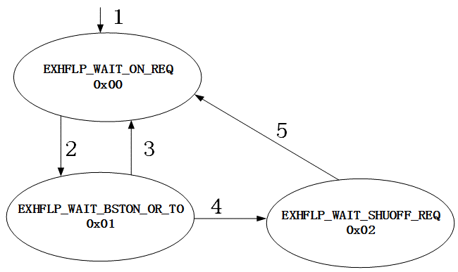
Req1 | 排气制动过程根据排气阀动作定义为以下3个状态,其状态机如右图所示： EXHFLP_WAIT_ON_REQ：排气阀关闭状态； EXHFLP_WAIT_BSTON_OR_TO：排气阀从关闭到打开的过渡状态； EXHFLP_WAIT_SHUOFF_REQ：排气阀打开状态。
Req2 | 如右图所示，系统上电初始化之后进入排气阀关闭状态（0x00），各个状态之间相互迁移的条件如线条上的标号所示。
Req3 | 状态0x00和0x01之间相互转换是满足条件2和条件3： 条件2：制动请求EngBrk_stExhFlpDem == 1； 条件3：制动请求EngBrk_stExhFlpDem == 0。
Req4 | 若满足条件4，则状态0x01迁移到状态0x02： 条件4：增压压力EngBrk_pExhFlpBst_mp <= EngBrk_pExhFlpBstOn_C或者处于该状态的时间超过EngBrk_tiExhFlpBstOn_C。
Req5 | 若满足条件5，则状态0x02迁移到状态0x00： 条件5：制动请求EngBrk_stExhFlpDem == 0。

FunctionReview
Model Screenshot1
ReqNo.
Req1

Model Screenshot2
Req2

Model Screenshot3
Req3

