FunctionReview
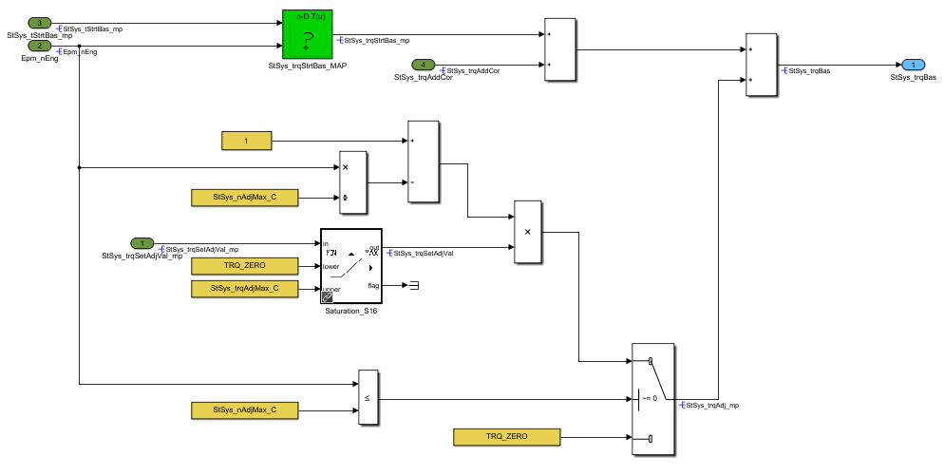
Model Screenshot1
ReqNo.
Req1

