ReqSpec
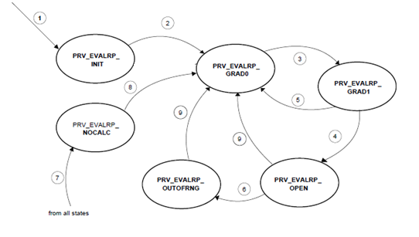
General Description
 | PRV判断开启关闭状态，通过轨压变化率进行计算后，进入轨压评估模块进行PRV轨压状态判断，结果再进入PRV状态判断，得到最终状态结果，PRV进入开启状态后，针对开启次数和开启时间进行累计计算，超过标定次数和累积时长后，发出wearout故障，需要更换。
Requirement
Req1 | 模块被激活后，计算轨压梯度，然后进入轨压评估模块进行轨压梯度判断，最后进入泄压阀评估模块进行泄压阀状态判断。
Req2 | 轨压评估模块：1、PRV_EVALRP_INIT—轨压状态初始化；2、PRV_EVALRP_GRAD0—第一个轨压梯度变化状态；3、PRV_EVALRP_GRAD1—第二个轨压梯度变化状态；4、PRV_EVALRP_OPEN—PRV轨压评估打开状态；5、PRV_EVALRP_OUTOFRNG—油轨内部压力超出设定范围；6、PRV_EVALRP_NOCALC—不进行轨压评估计算。各状态之间迁移条件：1、ECU上电初始化后；2、无条件转移；3、PRV_dpRPGrad0<PRV_dpRPGradOpn_CA0，第一个实际轨压变化梯度值小于设定值；4、PRV_dpRPGrad1<PRV_dpRPGradOpn_CA1，第二个实际轨压变化梯度值小于设定值；5、PRV_dpRPGrad1>PRV_dpRPGradOpn_CA1，第二个实际轨压变化梯度值大于设定值；6、[((PRV_pAvrgRP_mp>=(RailP_pSubsVal_mp+PRV_pAvrgRPTol_C))||(PRV_pAvrgRP_mp<=(RailP_pSubsVal_mp-PRV_pAvrgRPTol_C))，轨压平均值大于轨压替代值加偏差范围设定值或者小于轨压替代值减去偏差范围设定值；7、DSM_bRailPSS==0，若轨压传感器发生故障，轨压评估计算进入停止计算状态。
Req3 | 泄压阀状态评估模块：1、PRV_ST_INIT—PRV状态初始化；2、PRV_ST_CLOSED—PRV关闭状态；3、PRV_ST_FORCEOPN_PRESINC—PRV被强制打开后等待重新建立压力；4、PRV_ST_FORCEOPN_PRESSHCK—PRV被强制打开后，受到压力波动冲击；5、PRV_ST_OPEN—PRV被定义为开启状态。各状态之间迁移条件：1、ECU上电初始化后；2、(Epm_nEng < PRV_nOpnMin_C)&&(a>=PRV_tiWaitNVld_C)，发动机转速小于PRV最小开启转速并且经过一段设定时间后；3、Epm_nEng>PRV_nClsdMax_C )&&(PRV_stEvalRP==PRV_EVALRPState_conv.PRV_EVALRP_OPEN，发动机转速大于最大PRV关闭转速并且PRV轨压开启状态；4、[(Epm_nEng>PRV_nClsdMax_C)&&(Rail_stCtlLoop ==RailCtl_State_conv.RAIL_LIMP_NOCTL || Rail_stCtlLoop == RailCtl_State_conv.RAIL_LIMP_OPENCTL)]，转速大于最大PRV关闭转速兵器轨压控制状态处于跛行不控制状态或者跛行开环控制状态；5、[(c>PRV_tiWaitPresInc_C)&&(Epm_nEng>PRV_nMinPresInc_C)]，经过一段建压等待时间后并且转速大于最小建压转速；6、b>PRV_tiPresShck_C，经过一段压力波动冲击时间后；7、[PRV_stEvalRP==PRV_EVALRPState_conv.PRV_EVALRP_OPEN]，当轨压评估状态处于开启状态时；8、[PRV_ctPresShck_mp>0&&((PRV_stEvalRP==PRV_EVALRPState_conv.PRV_EVALRP_NOCALC)||(PRV_stEvalRP==PRV_EVALRPState_conv.PRV_EVALRP_OPEN))]，压力冲击次数大于等于1次并且轨压评估专题处于停止计算状态或者处于PRV轨压开启状态；9、[(Epm_nEng > PRV_nOpnMin_C)]，转速大于最小PRV开启转速；10、[Epm_nEng<PRV_nClsdMax_C]，转速小于最大PRV关闭转速。 | 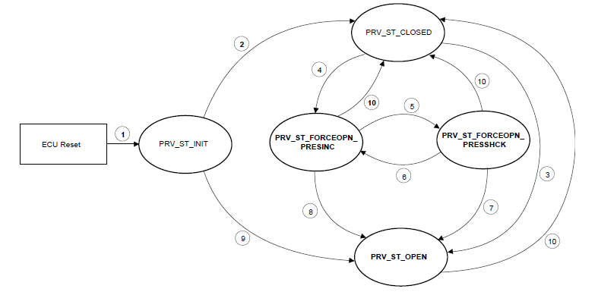

FunctionReview
Model Screenshot1
ReqNo.
Req1

Model Screenshot2
Req2

Model Screenshot3
Req3

