map_control
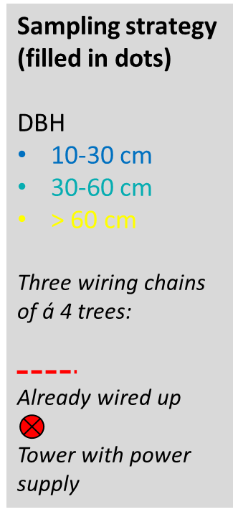

x

x

wc logger

florapulse

map_TFE
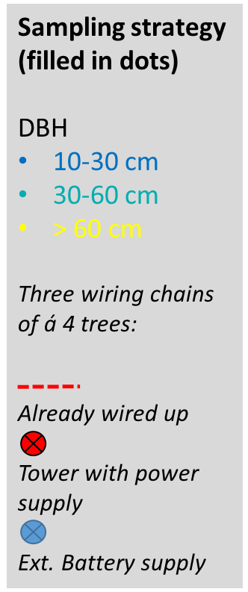

x

wc logger

florapulse

